Sheet1
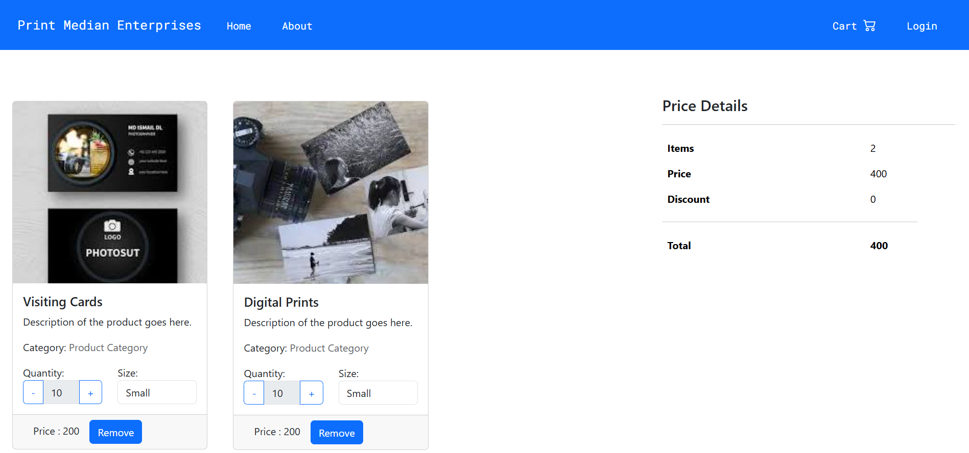
Test Case ID | Test Case Description | Steps to Execute | Expected Result | Actual Result | Status (Pass/Fail) | Remarks
TC_01 | Verify adding an item to the cart | Add an item to the cart and check if it appears in the cart section. | Item should be added and displayed in the cart. | add successfully | pass
TC_02 | Verify removing an item from the cart | Remove an item from the cart and verify it disappears from the list. | Item should be removed from the cart. | remove successfully | pass
TC_03 | Verify updating the quantity of an item | Increase/decrease the quantity and ensure the value updates correctly. | Quantity should update correctly. | Increase/decrease successfully | pass
TC_04 | Verify total price calculation with multiple items | Add multiple items and verify if the total price reflects the correct sum. | Total price should match the sum of all item prices. | successfully | pass
TC_05 | Verify discount application if applicable | Apply a discount (if any available) and verify the updated total. | Discount should be applied, and the total price should be updated. | Apply a discount | pass
TC_06 | Verify cart remains empty after removing all items | Remove all items and check if the cart is empty. | Cart should show an empty state. | Remove items successfully | pass

