Sheet1
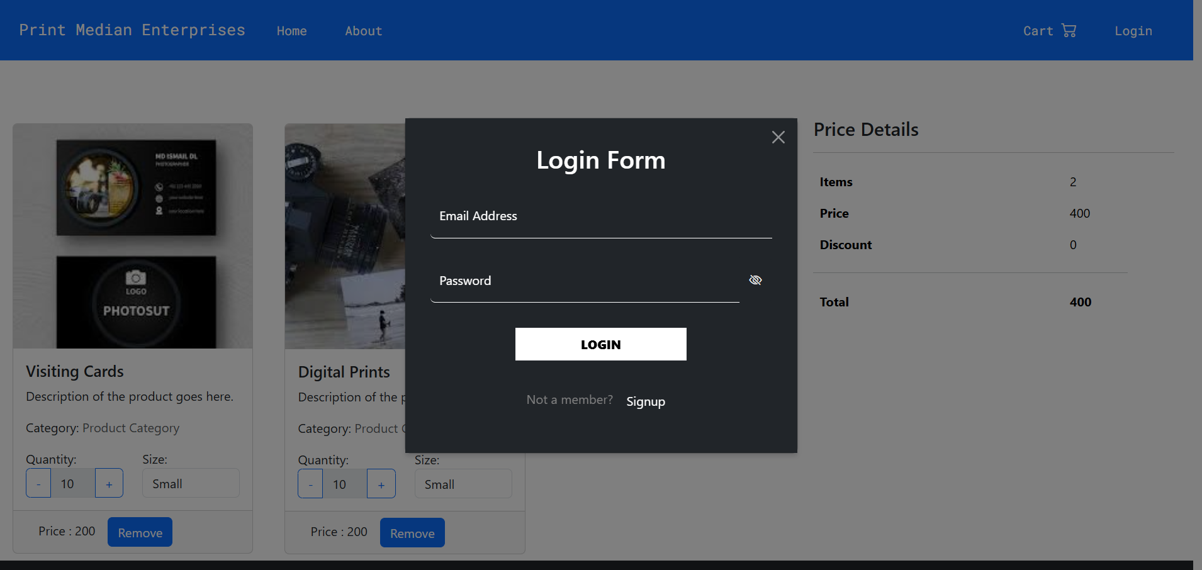
Test Case ID | Test Scenario | Test Steps | Expected Result
TC_01 | Valid Login | Enter valid email and password -> Click Login | User should be logged in successfully
TC_02 | Empty Fields | Click Login without entering email or password | Validation errors should appear for both fields
TC_03 | Invalid Email Format | Enter an incorrect email format (e.g., 'user@com') -> Click Login | Error message should appear indicating invalid email format
TC_04 | Incorrect Password | Enter correct email but incorrect password -> Click Login | Error message should indicate incorrect credentials
TC_05 | Unregistered Email | Enter an email that is not registered -> Click Login | Error message should indicate email not found
TC_06 | SQL Injection Attempt | Enter SQL query in email or password field (e.g., ' OR 1=1; --') -> Click Login | System should prevent SQL injection
TC_07 | XSS Attack Attempt | Enter <script>alert('Hacked')</script> in email or password field -> Click Login | System should sanitize input and prevent script execution
TC_08 | Password Visibility Toggle | Click the eye icon next to the password field | Password should toggle between visible and hidden
TC_09 | Navigation to Signup | Click 'Signup' link below login button | User should be redirected to the Signup form
TC_10 | Login with Spaces Only | Enter only spaces in email and password fields -> Click Login | Validation error should appear for respective fields

