Sheet1
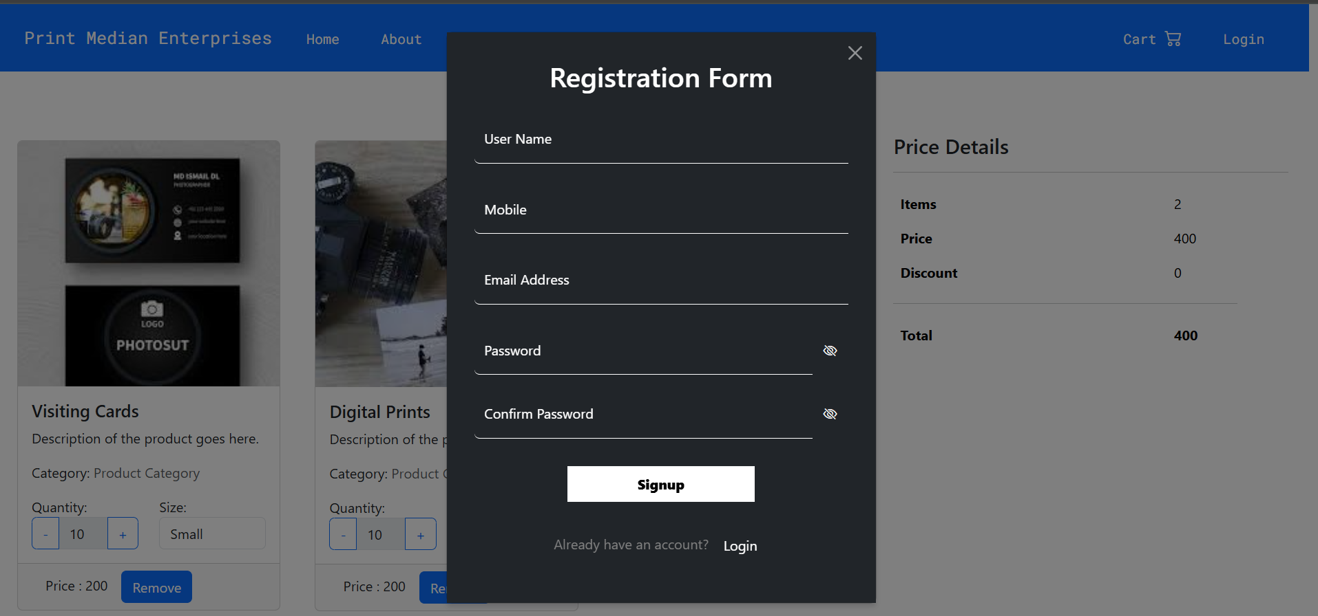
Test Case ID | Test Scenario | Expected Result | Status
1 | Verify that all fields are present in the form | All fields should be displayed correctly | Pass/Fail
2 | Verify mandatory fields validation | Error message should be displayed for empty required fields | Pass/Fail
3 | Verify valid email format | Error message should be displayed for invalid email format | Pass/Fail
4 | Verify password strength validation | Password should meet the required criteria | Pass/Fail
5 | Verify password and confirm password match | Error message should be displayed if passwords do not match | Pass/Fail
6 | Verify mobile number format | Error message should be displayed for invalid mobile numbers | Pass/Fail
7 | Verify successful registration with valid details | User should be registered successfully | Pass/Fail
8 | Verify duplicate email registration | Error message should be displayed if email is already registered | Pass/Fail
9 | Verify password visibility toggle | Password should be visible when clicking the toggle icon | Pass/Fail
10 | Verify the signup button is disabled when required fields are empty | Signup button should remain disabled | Pass/Fail
11 | Verify the login link redirects to the login page | User should be redirected to the login page | Pass/Fail

