Order Analysis
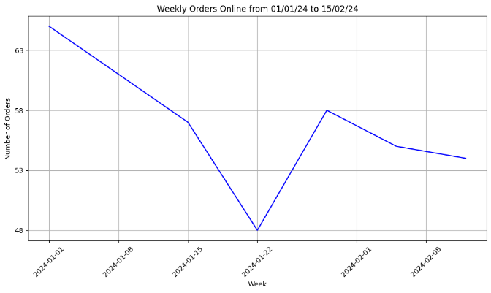
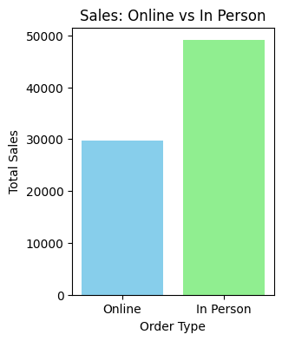
Row Labels | Sum of Quantity
In person | 1959
Instagram | 88
Zomato | 750
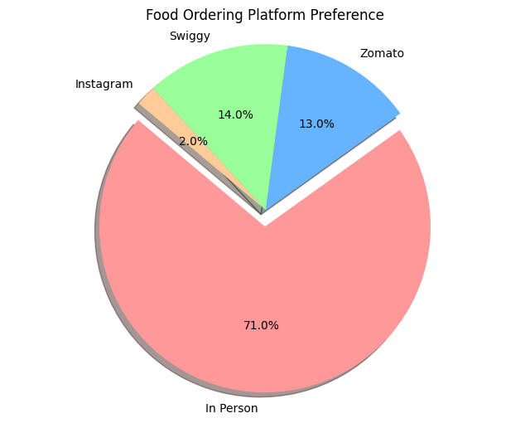
Grand Total | 2797

Sales Data
S. No. | Date | Dish | Category | Sale Price | Unit | Quantity | Total Amount | Ordered Via
1 | 2024-01-01 | Manchow Soup | Soup | 30 | Full | 3 | 90 | In person
2 | 2024-01-01 | Hot and Sour Soup | Soup | 30 | Full | 1 | 30 | Zomato
3 | 2024-01-01 | Veg Momos Steamed | Momos | 25 | Full | 2 | 50 | Zomato
4 | 2024-01-01 | Veg Momos Fried | Momos | 30 | Full | 2 | 60 | In person
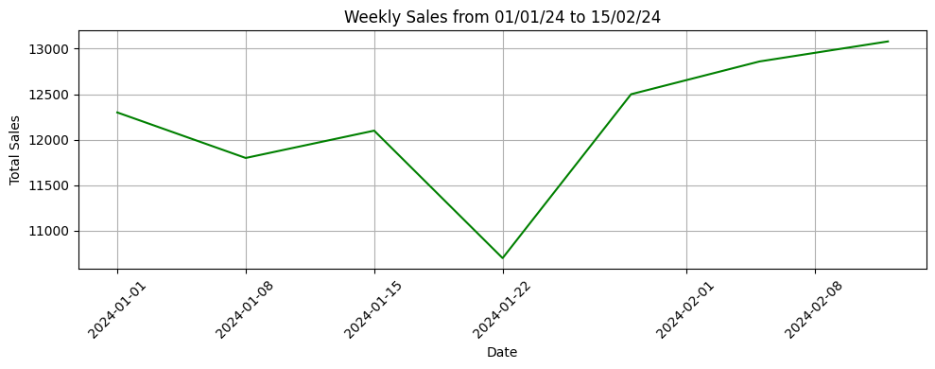
5 | 2024-01-01 | Paneer Momos Steamed | Momos | 40 | Full | 2 | 80 | In person
6 | 2024-01-01 | Paneer Momos Fried | Momos | 45 | Full | 1 | 45 | Instagram
7 | 2024-01-01 | Dragon Fried Momos | Momos | 75 | Full | 1 | 75 | In person
8 | 2024-01-01 | Veg Hakka Noodles | Noodles | 35 | Full | 3 | 105 | Zomato
9 | 2024-01-01 | Schezwan Hakka Noodles | Noodles | 45 | Full | 1 | 45 | Zomato
10 | 2024-01-01 | Paneer Hakka Noodles | Noodles | 75 | Full | 2 | 150 | In person
11 | 2024-01-01 | Veg Kathi Roll | Rolls | 25 | Full | 3 | 75 | In person
12 | 2024-01-01 | Paneer Kathi Roll | Rolls | 40 | Full | 2 | 80 | Zomato
13 | 2024-01-01 | Spring Roll | Rolls | 30 | Full | 2 | 60 | In person
14 | 2024-01-01 | Veg Fried Rice | Fried Rice | 35 | Full | 3 | 105 | Zomato
15 | 2024-01-01 | Schezwan Fried Rice | Fried Rice | 45 | Full | 2 | 90 | In person
16 | 2024-01-01 | Paneer Fried Rice | Fried Rice | 70 | Full | 2 | 140 | In person
17 | 2024-01-01 | Garlic Fried Rice | Fried Rice | 50 | Full | 1 | 50 | Instagram
18 | 2024-01-01 | Veg Burger | Burgers | 30 | Full | 2 | 60 | In person
19 | 2024-01-01 | Paneer Burger | Burgers | 40 | Full | 1 | 40 | Zomato
20 | 2024-01-01 | Cheese Paneer Burger | Burgers | 50 | Full | 1 | 50 | In person
21 | 2024-01-01 | Chilly Potatoes | Sweet N' Spicy | 50 | Full | 2 | 100 | In person
22 | 2024-01-01 | Honey Chilly Potatoes | Sweet N' Spicy | 65 | Full | 1 | 65 | Zomato
23 | 2024-01-01 | Chilly Paneer | Sweet N' Spicy | 80 | Full | 1 | 80 | Instagram
24 | 2024-01-01 | Chilli Soya | Sweet N' Spicy | 55 | Full | 1 | 55 | In person
25 | 2024-01-01 | Chilli Mushroom | Sweet N' Spicy | 90 | Full | 1 | 90 | In person
26 | 2024-01-01 | Veg Manchurian | Sweet N' Spicy | 45 | Full | 2 | 90 | In person
27 | 2024-01-01 | Paneer Manchurian | Sweet N' Spicy | 60 | Full | 1 | 60 | In person
28 | 2024-01-01 | Dimsum Platter | Sweet N' Spicy | 110 | Full | 1 | 110 | Zomato
29 | 2024-01-01 | Veg Sandwich | Sandwiches | 27 | Full | 2 | 54 | In person
30 | 2024-01-01 | Veg Grilled Sandwich | Sandwiches | 33 | Full | 2 | 66 | In person
31 | 2024-01-02 | Veg Momos Fried | Momos | 30 | Full | 3 | 90 | Instagram
32 | 2024-01-02 | Paneer Hakka Noodles | Noodles | 75 | Full | 2 | 150 | In person
33 | 2024-01-02 | Paneer Kathi Roll | Rolls | 40 | Full | 4 | 160 | Zomato
34 | 2024-01-02 | Schezwan Fried Rice | Fried Rice | 45 | Full | 2 | 90 | Zomato
35 | 2024-01-02 | Chilly Paneer | Sweet N' Spicy | 80 | Full | 2 | 160 | In person
36 | 2024-01-02 | Honey Chilly Potatoes | Sweet N' Spicy | 65 | Full | 1 | 65 | In person
37 | 2024-01-02 | Chilli Soya | Sweet N' Spicy | 55 | Full | 2 | 110 | In person
38 | 2024-01-02 | Veg Sandwich | Sandwiches | 60 | Full | 2 | 120 | In person
39 | 2024-01-02 | Veg Grilled Sandwich | Sandwiches | 80 | Full | 2 | 160 | Instagram
40 | 2024-01-03 | Dragon Fried Momos | Momos | 75 | Full | 2 | 150 | In person
41 | 2024-01-03 | Veg Hakka Noodles | Noodles | 35 | Full | 3 | 105 | Zomato
42 | 2024-01-03 | Veg Kathi Roll | Rolls | 25 | Full | 4 | 100 | In person
43 | 2024-01-03 | Veg Fried Rice | Fried Rice | 35 | Full | 3 | 105 | Zomato
44 | 2024-01-03 | Chilly Paneer | Sweet N' Spicy | 80 | Full | 2 | 160 | In person
45 | 2024-01-03 | Chilli Mushroom | Sweet N' Spicy | 90 | Full | 1 | 90 | In person
46 | 2024-01-03 | Veg Manchurian | Sweet N' Spicy | 45 | Full | 4 | 180 | In person
47 | 2024-01-03 | Veg Sandwich | Sandwiches | 60 | Full | 2 | 120 | Zomato
48 | 2024-01-03 | Veg Grilled Sandwich | Sandwiches | 80 | Full | 2 | 160 | In person
49 | 2024-01-04 | Paneer Momos Steamed | Momos | 40 | Full | 3 | 120 | Zomato
50 | 2024-01-04 | Veg Hakka Noodles | Noodles | 35 | Full | 2 | 70 | In person
51 | 2024-01-04 | Paneer Kathi Roll | Rolls | 40 | Full | 3 | 120 | In person
52 | 2024-01-04 | Schezwan Fried Rice | Fried Rice | 45 | Full | 2 | 90 | Zomato
53 | 2024-01-04 | Chilly Paneer | Sweet N' Spicy | 80 | Full | 1 | 80 | In person
54 | 2024-01-04 | Chilli Mushroom | Sweet N' Spicy | 90 | Full | 2 | 180 | In person
55 | 2024-01-04 | Veg Manchurian | Sweet N' Spicy | 45 | Full | 3 | 135 | Zomato
56 | 2024-01-04 | Veg Sandwich | Sandwiches | 60 | Full | 2 | 120 | In person
57 | 2024-01-04 | Veg Grilled Sandwich | Sandwiches | 80 | Full | 2 | 160 | In person
58 | 2024-01-05 | Veg Momos Steamed | Momos | 25 | Full | 4 | 100 | Instagram
59 | 2024-01-05 | Veg Momos Fried | Momos | 30 | Full | 3 | 90 | In person
60 | 2024-01-05 | Paneer Hakka Noodles | Noodles | 75 | Full | 2 | 150 | In person
61 | 2024-01-05 | Veg Kathi Roll | Rolls | 25 | Full | 4 | 100 | In person
62 | 2024-01-05 | Spring Roll | Rolls | 30 | Full | 3 | 90 | Zomato
63 | 2024-01-05 | Veg Fried Rice | Fried Rice | 35 | Full | 2 | 70 | Zomato
64 | 2024-01-05 | Chilly Paneer | Sweet N' Spicy | 80 | Full | 2 | 160 | In person
65 | 2024-01-05 | Chilli Mushroom | Sweet N' Spicy | 90 | Full | 1 | 90 | In person
66 | 2024-01-05 | Veg Manchurian | Sweet N' Spicy | 45 | Full | 3 | 135 | In person
67 | 2024-01-05 | Paneer Manchurian | Sweet N' Spicy | 60 | Full | 1 | 60 | In person
68 | 2024-01-05 | Dimsum Platter | Sweet N' Spicy | 110 | Full | 1 | 110 | In person
69 | 2024-01-05 | Veg Sandwich | Sandwiches | 27 | Full | 4 | 108 | Zomato
70 | 2024-01-05 | Veg Grilled Sandwich | Sandwiches | 33 | Full | 3 | 99 | In person
71 | 2024-01-06 | Dragon Fried Momos | Momos | 75 | Full | 2 | 150 | In person
72 | 2024-01-06 | Veg Hakka Noodles | Noodles | 35 | Full | 3 | 105 | Zomato
73 | 2024-01-06 | Paneer Kathi Roll | Rolls | 40 | Full | 4 | 160 | In person
74 | 2024-01-06 | Schezwan Fried Rice | Fried Rice | 45 | Full | 2 | 90 | Zomato
75 | 2024-01-06 | Chilly Paneer | Sweet N' Spicy | 80 | Full | 2 | 160 | In person
76 | 2024-01-06 | Chilli Mushroom | Sweet N' Spicy | 90 | Full | 1 | 90 | In person
77 | 2024-01-06 | Veg Manchurian | Sweet N' Spicy | 45 | Full | 4 | 180 | In person
78 | 2024-01-06 | Veg Sandwich | Sandwiches | 60 | Full | 2 | 120 | Zomato
79 | 2024-01-06 | Veg Grilled Sandwich | Sandwiches | 80 | Full | 2 | 160 | In person
80 | 2024-01-07 | Paneer Hakka Noodles | Noodles | 75 | Full | 2 | 150 | In person
81 | 2024-01-07 | Veg Kathi Roll | Rolls | 25 | Full | 3 | 75 | In person
82 | 2024-01-07 | Veg Fried Rice | Fried Rice | 35 | Full | 2 | 70 | Zomato
83 | 2024-01-07 | Chilly Paneer | Sweet N' Spicy | 80 | Full | 1 | 80 | In person
84 | 2024-01-07 | Veg Grilled Sandwich | Sandwiches | 80 | Full | 2 | 160 | Instagram
85 | 2024-01-07 | Manchow Soup | Soup | 30 | Full | 2 | 60 | In person
86 | 2024-01-07 | Veg Momos Steamed | Momos | 50 | Full | 1 | 50 | In person
87 | 2024-01-07 | Veg Hakka Noodles | Noodles | 75 | Full | 2 | 150 | In person
88 | 2024-01-07 | Veg Kathi Roll | Rolls | 25 | Full | 3 | 75 | Zomato
89 | 2024-01-07 | Spring Roll | Rolls | 30 | Full | 2 | 60 | Zomato
90 | 2024-01-07 | Veg Fried Rice | Fried Rice | 35 | Full | 2 | 70 | In person
91 | 2024-01-07 | Chilly Paneer | Sweet N' Spicy | 80 | Full | 1 | 80 | In person
92 | 2024-01-07 | Chilli Mushroom | Sweet N' Spicy | 90 | Full | 1 | 90 | Zomato
93 | 2024-01-07 | Veg Manchurian | Sweet N' Spicy | 45 | Full | 2 | 90 | In person
94 | 2024-01-07 | Veg Sandwich | Sandwiches | 60 | Full | 3 | 180 | In person
95 | 2024-01-08 | Veg Momos Steamed | Momos | 25 | Full | 2 | 50 | In person
96 | 2024-01-08 | Veg Momos Fried | Momos | 30 | Full | 3 | 90 | Zomato
97 | 2024-01-08 | Paneer Momos Steamed | Momos | 40 | Full | 2 | 80 | Zomato
98 | 2024-01-08 | Paneer Momos Fried | Momos | 45 | Full | 1 | 45 | In person
99 | 2024-01-08 | Dragon Fried Momos | Momos | 75 | Full | 2 | 150 | In person
100 | 2024-01-08 | Veg Hakka Noodles | Noodles | 35 | Full | 3 | 105 | Zomato
101 | 2024-01-08 | Schezwan Hakka Noodles | Noodles | 45 | Full | 1 | 45 | In person
102 | 2024-01-08 | Paneer Hakka Noodles | Noodles | 75 | Full | 2 | 150 | In person
103 | 2024-01-08 | Veg Kathi Roll | Rolls | 25 | Full | 2 | 50 | In person
104 | 2024-01-08 | Paneer Kathi Roll | Rolls | 40 | Full | 1 | 40 | Zomato
105 | 2024-01-08 | Spring Roll | Rolls | 30 | Full | 3 | 90 | Instagram
106 | 2024-01-08 | Veg Fried Rice | Fried Rice | 35 | Full | 2 | 70 | In person
107 | 2024-01-08 | Schezwan Fried Rice | Fried Rice | 45 | Full | 1 | 45 | Zomato
108 | 2024-01-08 | Paneer Fried Rice | Fried Rice | 70 | Full | 2 | 140 | In person
109 | 2024-01-08 | Garlic Fried Rice | Fried Rice | 50 | Full | 3 | 150 | In person
110 | 2024-01-08 | Veg Burger | Burgers | 30 | Full | 1 | 30 | In person
111 | 2024-01-08 | Paneer Burger | Burgers | 40 | Full | 2 | 80 | Zomato
112 | 2024-01-08 | Cheese Paneer Burger | Burgers | 50 | Full | 3 | 150 | In person
113 | 2024-01-08 | Chilly Potatoes | Sweet N' Spicy | 50 | Full | 2 | 100 | In person
114 | 2024-01-08 | Honey Chilly Potatoes | Sweet N' Spicy | 65 | Full | 1 | 65 | In person
115 | 2024-01-08 | Chilly Paneer | Sweet N' Spicy | 80 | Full | 3 | 240 | Zomato
116 | 2024-01-08 | Chilli Soya | Sweet N' Spicy | 55 | Full | 2 | 110 | In person
117 | 2024-01-08 | Chilli Mushroom | Sweet N' Spicy | 90 | Full | 1 | 90 | Instagram
118 | 2024-01-08 | Veg Manchurian | Sweet N' Spicy | 45 | Full | 2 | 90 | In person
119 | 2024-01-08 | Paneer Manchurian | Sweet N' Spicy | 60 | Full | 3 | 180 | In person
120 | 2024-01-08 | Dimsum Platter | Sweet N' Spicy | 110 | Full | 1 | 110 | In person
121 | 2024-01-08 | Veg Sandwich | Sandwiches | 27 | Full | 2 | 54 | Zomato
122 | 2024-01-08 | Veg Grilled Sandwich | Sandwiches | 33 | Full | 3 | 99 | In person
123 | 2024-01-09 | Manchow Soup | Soup | 30 | Full | 2 | 60 | In person
124 | 2024-01-09 | Hot and Sour Soup | Soup | 30 | Full | 3 | 90 | Zomato
125 | 2024-01-09 | Veg Momos Steamed | Momos | 25 | Full | 1 | 25 | Instagram
126 | 2024-01-09 | Veg Momos Fried | Momos | 30 | Full | 2 | 60 | In person
127 | 2024-01-09 | Paneer Momos Steamed | Momos | 40 | Full | 3 | 120 | In person
128 | 2024-01-09 | Paneer Momos Fried | Momos | 45 | Full | 2 | 90 | Zomato
129 | 2024-01-09 | Dragon Fried Momos | Momos | 75 | Full | 1 | 75 | Zomato
130 | 2024-01-09 | Veg Hakka Noodles | Noodles | 35 | Full | 2 | 70 | In person
131 | 2024-01-09 | Schezwan Hakka Noodles | Noodles | 45 | Full | 3 | 135 | In person
132 | 2024-01-09 | Paneer Hakka Noodles | Noodles | 75 | Full | 2 | 150 | In person
133 | 2024-01-09 | Veg Kathi Roll | Rolls | 25 | Full | 1 | 25 | In person
134 | 2024-01-09 | Paneer Kathi Roll | Rolls | 40 | Full | 2 | 80 | In person
135 | 2024-01-09 | Spring Roll | Rolls | 30 | Full | 3 | 90 | Zomato
136 | 2024-01-09 | Veg Fried Rice | Fried Rice | 35 | Full | 2 | 70 | In person
137 | 2024-01-09 | Schezwan Fried Rice | Fried Rice | 45 | Full | 3 | 135 | Instagram
138 | 2024-01-09 | Paneer Fried Rice | Fried Rice | 70 | Full | 1 | 70 | In person
139 | 2024-01-09 | Garlic Fried Rice | Fried Rice | 50 | Full | 2 | 100 | In person
140 | 2024-01-09 | Veg Burger | Burgers | 30 | Full | 3 | 90 | Zomato
141 | 2024-01-09 | Paneer Burger | Burgers | 40 | Full | 2 | 80 | In person
142 | 2024-01-09 | Cheese Paneer Burger | Burgers | 50 | Full | 1 | 50 | In person
143 | 2024-01-09 | Chilly Potatoes | Sweet N' Spicy | 50 | Full | 2 | 100 | In person
144 | 2024-01-09 | Honey Chilly Potatoes | Sweet N' Spicy | 65 | Full | 3 | 195 | Zomato
145 | 2024-01-09 | Chilly Paneer | Sweet N' Spicy | 80 | Full | 2 | 160 | In person
146 | 2024-01-09 | Chilli Soya | Sweet N' Spicy | 55 | Full | 1 | 55 | In person
147 | 2024-01-09 | Chilli Mushroom | Sweet N' Spicy | 90 | Full | 3 | 270 | In person
148 | 2024-01-09 | Veg Manchurian | Sweet N' Spicy | 45 | Full | 2 | 90 | Zomato
149 | 2024-01-09 | Paneer Manchurian | Sweet N' Spicy | 60 | Full | 1 | 60 | In person
150 | 2024-01-09 | Dimsum Platter | Sweet N' Spicy | 110 | Full | 2 | 220 | In person
151 | 2024-01-09 | Veg Sandwich | Sandwiches | 27 | Full | 3 | 81 | In person
152 | 2024-01-09 | Veg Grilled Sandwich | Sandwiches | 33 | Full | 2 | 66 | Zomato
153 | 2024-01-10 | Manchow Soup | Soup | 30 | Full | 2 | 60 | In person
154 | 2024-01-10 | Hot and Sour Soup | Soup | 30 | Full | 1 | 30 | In person
155 | 2024-01-10 | Veg Momos Steamed | Momos | 25 | Full | 2 | 50 | In person
156 | 2024-01-10 | Veg Momos Fried | Momos | 30 | Full | 3 | 90 | In person
157 | 2024-01-10 | Paneer Momos Steamed | Momos | 40 | Full | 2 | 80 | Zomato
158 | 2024-01-10 | Paneer Momos Fried | Momos | 45 | Full | 1 | 45 | In person
159 | 2024-01-10 | Dragon Fried Momos | Momos | 75 | Full | 2 | 150 | Zomato
160 | 2024-01-10 | Veg Hakka Noodles | Noodles | 35 | Full | 3 | 105 | In person
161 | 2024-01-10 | Schezwan Hakka Noodles | Noodles | 45 | Full | 2 | 90 | In person
162 | 2024-01-10 | Paneer Hakka Noodles | Noodles | 75 | Full | 1 | 75 | Zomato
163 | 2024-01-10 | Veg Kathi Roll | Rolls | 25 | Full | 2 | 50 | In person
164 | 2024-01-10 | Paneer Kathi Roll | Rolls | 40 | Full | 3 | 120 | In person
165 | 2024-01-10 | Spring Roll | Rolls | 30 | Full | 2 | 60 | Zomato
166 | 2024-01-10 | Veg Fried Rice | Fried Rice | 35 | Full | 2 | 70 | In person
167 | 2024-01-10 | Schezwan Fried Rice | Fried Rice | 45 | Full | 3 | 135 | In person
168 | 2024-01-10 | Paneer Fried Rice | Fried Rice | 70 | Full | 2 | 140 | In person
169 | 2024-01-10 | Garlic Fried Rice | Fried Rice | 50 | Full | 2 | 100 | Zomato
170 | 2024-01-10 | Veg Burger | Burgers | 30 | Full | 1 | 30 | In person
171 | 2024-01-10 | Paneer Burger | Burgers | 40 | Full | 2 | 80 | Instagram
172 | 2024-01-10 | Cheese Paneer Burger | Burgers | 50 | Full | 3 | 150 | In person
173 | 2024-01-10 | Chilly Potatoes | Sweet N' Spicy | 50 | Full | 2 | 100 | Zomato
174 | 2024-01-10 | Honey Chilly Potatoes | Sweet N' Spicy | 65 | Full | 1 | 65 | In person
175 | 2024-01-10 | Chilly Paneer | Sweet N' Spicy | 80 | Full | 2 | 160 | In person
176 | 2024-01-10 | Chilli Soya | Sweet N' Spicy | 55 | Full | 3 | 165 | Zomato
177 | 2024-01-10 | Chilli Mushroom | Sweet N' Spicy | 90 | Full | 2 | 180 | In person
178 | 2024-01-10 | Veg Manchurian | Sweet N' Spicy | 45 | Full | 1 | 45 | In person
179 | 2024-01-10 | Paneer Manchurian | Sweet N' Spicy | 60 | Full | 2 | 120 | In person
180 | 2024-01-10 | Dimsum Platter | Sweet N' Spicy | 110 | Full | 1 | 110 | Zomato
181 | 2024-01-10 | Veg Sandwich | Sandwiches | 27 | Full | 2 | 54 | In person
182 | 2024-01-10 | Veg Grilled Sandwich | Sandwiches | 33 | Full | 3 | 99 | In person
183 | 2024-01-11 | Manchow Soup | Soup | 30 | Full | 1 | 30 | In person
184 | 2024-01-11 | Hot and Sour Soup | Soup | 30 | Full | 2 | 60 | Zomato
185 | 2024-01-11 | Veg Momos Steamed | Momos | 25 | Full | 3 | 75 | In person
186 | 2024-01-11 | Veg Momos Fried | Momos | 30 | Full | 1 | 30 | In person
187 | 2024-01-11 | Paneer Momos Steamed | Momos | 40 | Full | 2 | 80 | Zomato
188 | 2024-01-11 | Paneer Momos Fried | Momos | 45 | Full | 3 | 135 | In person
189 | 2024-01-11 | Dragon Fried Momos | Momos | 75 | Full | 2 | 150 | In person
190 | 2024-01-11 | Veg Hakka Noodles | Noodles | 35 | Full | 1 | 35 | Zomato
191 | 2024-01-11 | Schezwan Hakka Noodles | Noodles | 45 | Full | 2 | 90 | In person
192 | 2024-01-11 | Paneer Hakka Noodles | Noodles | 75 | Full | 3 | 225 | In person
193 | 2024-01-11 | Veg Kathi Roll | Rolls | 25 | Full | 2 | 50 | Zomato
194 | 2024-01-11 | Paneer Kathi Roll | Rolls | 40 | Full | 1 | 40 | In person
195 | 2024-01-11 | Spring Roll | Rolls | 30 | Full | 2 | 60 | In person
196 | 2024-01-11 | Veg Fried Rice | Fried Rice | 35 | Full | 3 | 105 | Zomato
197 | 2024-01-11 | Schezwan Fried Rice | Fried Rice | 45 | Full | 2 | 90 | In person
198 | 2024-01-11 | Paneer Fried Rice | Fried Rice | 70 | Full | 1 | 70 | In person
199 | 2024-01-11 | Garlic Fried Rice | Fried Rice | 50 | Full | 2 | 100 | Instagram
200 | 2024-01-11 | Veg Burger | Burgers | 30 | Full | 2 | 60 | In person
201 | 2024-01-11 | Paneer Burger | Burgers | 40 | Full | 1 | 40 | In person
202 | 2024-01-11 | Cheese Paneer Burger | Burgers | 50 | Full | 3 | 150 | Zomato
203 | 2024-01-11 | Chilly Potatoes | Sweet N' Spicy | 50 | Full | 2 | 100 | In person
204 | 2024-01-11 | Honey Chilly Potatoes | Sweet N' Spicy | 65 | Full | 1 | 65 | Zomato
205 | 2024-01-11 | Chilly Paneer | Sweet N' Spicy | 80 | Full | 2 | 160 | In person
206 | 2024-01-11 | Chilli Soya | Sweet N' Spicy | 55 | Full | 3 | 165 | In person
207 | 2024-01-11 | Chilli Mushroom | Sweet N' Spicy | 90 | Full | 1 | 90 | In person
208 | 2024-01-11 | Veg Manchurian | Sweet N' Spicy | 45 | Full | 2 | 90 | Zomato
209 | 2024-01-11 | Paneer Manchurian | Sweet N' Spicy | 60 | Full | 3 | 180 | In person
210 | 2024-01-11 | Dimsum Platter | Sweet N' Spicy | 110 | Full | 2 | 220 | In person
211 | 2024-01-11 | Veg Sandwich | Sandwiches | 27 | Full | 1 | 27 | In person
212 | 2024-01-11 | Veg Grilled Sandwich | Sandwiches | 33 | Full | 3 | 99 | Zomato
213 | 2024-01-12 | Manchow Soup | Soup | 30 | Full | 2 | 60 | In person
214 | 2024-01-12 | Hot and Sour Soup | Soup | 30 | Full | 1 | 30 | Instagram
215 | 2024-01-12 | Veg Momos Steamed | Momos | 25 | Full | 2 | 50 | Zomato
216 | 2024-01-12 | Veg Momos Fried | Momos | 30 | Full | 3 | 90 | In person
217 | 2024-01-12 | Paneer Momos Steamed | Momos | 40 | Full | 2 | 80 | In person
218 | 2024-01-12 | Paneer Momos Fried | Momos | 45 | Full | 1 | 45 | In person
219 | 2024-01-12 | Dragon Fried Momos | Momos | 75 | Full | 3 | 225 | Zomato
220 | 2024-01-12 | Veg Hakka Noodles | Noodles | 35 | Full | 1 | 35 | In person
221 | 2024-01-12 | Schezwan Hakka Noodles | Noodles | 45 | Full | 2 | 90 | In person
222 | 2024-01-12 | Paneer Hakka Noodles | Noodles | 75 | Full | 3 | 225 | Zomato
223 | 2024-01-12 | Veg Kathi Roll | Rolls | 25 | Full | 2 | 50 | In person
224 | 2024-01-12 | Paneer Kathi Roll | Rolls | 40 | Full | 1 | 40 | In person
225 | 2024-01-12 | Spring Roll | Rolls | 30 | Full | 2 | 60 | Zomato
226 | 2024-01-12 | Veg Fried Rice | Fried Rice | 35 | Full | 3 | 105 | In person
227 | 2024-01-12 | Schezwan Fried Rice | Fried Rice | 45 | Full | 2 | 90 | In person
228 | 2024-01-12 | Paneer Fried Rice | Fried Rice | 70 | Full | 1 | 70 | Zomato
229 | 2024-01-12 | Garlic Fried Rice | Fried Rice | 50 | Full | 2 | 100 | In person
230 | 2024-01-12 | Veg Burger | Burgers | 30 | Full | 1 | 30 | Zomato
231 | 2024-01-12 | Paneer Burger | Burgers | 40 | Full | 2 | 80 | In person
232 | 2024-01-12 | Cheese Paneer Burger | Burgers | 50 | Full | 3 | 150 | In person
233 | 2024-01-12 | Chilly Potatoes | Sweet N' Spicy | 50 | Full | 2 | 100 | Zomato
234 | 2024-01-12 | Honey Chilly Potatoes | Sweet N' Spicy | 65 | Full | 3 | 195 | In person
235 | 2024-01-12 | Chilly Paneer | Sweet N' Spicy | 80 | Full | 1 | 80 | In person
236 | 2024-01-12 | Chilli Soya | Sweet N' Spicy | 55 | Full | 2 | 110 | Zomato
237 | 2024-01-12 | Chilli Mushroom | Sweet N' Spicy | 90 | Full | 3 | 270 | In person
238 | 2024-01-12 | Veg Manchurian | Sweet N' Spicy | 45 | Full | 2 | 90 | In person
239 | 2024-01-12 | Paneer Manchurian | Sweet N' Spicy | 60 | Full | 1 | 60 | Zomato
240 | 2024-01-12 | Dimsum Platter | Sweet N' Spicy | 110 | Full | 2 | 220 | In person
241 | 2024-01-12 | Veg Sandwich | Sandwiches | 27 | Full | 1 | 27 | Zomato
242 | 2024-01-12 | Veg Grilled Sandwich | Sandwiches | 33 | Full | 2 | 66 | In person
243 | 2024-01-13 | Manchow Soup | Soup | 30 | Full | 3 | 90 | In person
244 | 2024-01-13 | Hot and Sour Soup | Soup | 30 | Full | 2 | 60 | Zomato
245 | 2024-01-13 | Veg Momos Steamed | Momos | 25 | Full | 2 | 50 | In person
246 | 2024-01-13 | Veg Momos Fried | Momos | 30 | Full | 3 | 90 | In person
247 | 2024-01-13 | Paneer Momos Steamed | Momos | 40 | Full | 2 | 80 | In person
248 | 2024-01-13 | Paneer Momos Fried | Momos | 45 | Full | 1 | 45 | In person
249 | 2024-01-13 | Dragon Fried Momos | Momos | 75 | Full | 2 | 150 | In person
250 | 2024-01-13 | Veg Hakka Noodles | Noodles | 35 | Full | 1 | 35 | In person
251 | 2024-01-13 | Schezwan Hakka Noodles | Noodles | 45 | Full | 2 | 90 | In person
252 | 2024-01-13 | Paneer Hakka Noodles | Noodles | 75 | Full | 3 | 225 | In person
253 | 2024-01-13 | Veg Kathi Roll | Rolls | 25 | Full | 2 | 50 | In person
254 | 2024-01-13 | Paneer Kathi Roll | Rolls | 40 | Full | 1 | 40 | In person
255 | 2024-01-13 | Spring Roll | Rolls | 30 | Full | 2 | 60 | In person
256 | 2024-01-13 | Veg Fried Rice | Fried Rice | 35 | Full | 3 | 105 | In person
257 | 2024-01-13 | Schezwan Fried Rice | Fried Rice | 45 | Full | 2 | 90 | In person
258 | 2024-01-13 | Paneer Fried Rice | Fried Rice | 70 | Full | 1 | 70 | In person
259 | 2024-01-13 | Garlic Fried Rice | Fried Rice | 50 | Full | 2 | 100 | In person
260 | 2024-01-13 | Veg Burger | Burgers | 30 | Full | 1 | 30 | In person
261 | 2024-01-13 | Paneer Burger | Burgers | 40 | Full | 2 | 80 | In person
262 | 2024-01-13 | Cheese Paneer Burger | Burgers | 50 | Full | 3 | 150 | In person
263 | 2024-01-13 | Chilly Potatoes | Sweet N' Spicy | 50 | Full | 2 | 100 | In person
264 | 2024-01-13 | Honey Chilly Potatoes | Sweet N' Spicy | 65 | Full | 1 | 65 | In person
265 | 2024-01-13 | Chilly Paneer | Sweet N' Spicy | 80 | Full | 2 | 160 | In person
266 | 2024-01-13 | Chilli Soya | Sweet N' Spicy | 55 | Full | 3 | 165 | In person
267 | 2024-01-13 | Chilli Mushroom | Sweet N' Spicy | 90 | Full | 1 | 90 | In person
268 | 2024-01-13 | Veg Manchurian | Sweet N' Spicy | 45 | Full | 2 | 90 | In person
269 | 2024-01-13 | Paneer Manchurian | Sweet N' Spicy | 60 | Full | 3 | 180 | In person
270 | 2024-01-13 | Dimsum Platter | Sweet N' Spicy | 110 | Full | 2 | 220 | In person
271 | 2024-01-13 | Veg Sandwich | Sandwiches | 27 | Full | 1 | 27 | In person
272 | 2024-01-13 | Veg Grilled Sandwich | Sandwiches | 33 | Full | 2 | 66 | In person
273 | 2024-01-14 | Manchow Soup | Soup | 30 | Full | 3 | 90 | Zomato
274 | 2024-01-14 | Hot and Sour Soup | Soup | 30 | Full | 2 | 60 | In person
275 | 2024-01-14 | Veg Momos Steamed | Momos | 25 | Full | 2 | 50 | In person
276 | 2024-01-14 | Veg Momos Steamed | Momos | 25 | Full | 2 | 50 | Zomato
277 | 2024-01-14 | Paneer Momos Fried | Momos | 30 | Full | 1 | 30 | In person
278 | 2024-01-14 | Dragon Fried Momos | Momos | 75 | Full | 1 | 75 | Instagram
279 | 2024-01-14 | Veg Hakka Noodles | Noodles | 35 | Full | 2 | 70 | In person
280 | 2024-01-14 | Schezwan Hakka Noodles | Noodles | 45 | Full | 1 | 45 | Zomato
281 | 2024-01-14 | Paneer Hakka Noodles | Noodles | 75 | Full | 2 | 150 | Swiggy
282 | 2024-01-14 | Veg Kathi Roll | Rolls | 25 | Full | 1 | 25 | In person
283 | 2024-01-14 | Paneer Kathi Roll | Rolls | 40 | Full | 2 | 80 | Zomato
284 | 2024-01-14 | Spring Roll | Rolls | 30 | Full | 2 | 60 | In person
285 | 2024-01-14 | Veg Fried Rice | Fried Rice | 35 | Full | 1 | 35 | In person
286 | 2024-01-14 | Schezwan Fried Rice | Fried Rice | 45 | Full | 2 | 90 | Zomato
287 | 2024-01-14 | Paneer Fried Rice | Fried Rice | 70 | Full | 1 | 70 | In person
288 | 2024-01-14 | Garlic Fried Rice | Fried Rice | 50 | Full | 2 | 100 | In person
289 | 2024-01-14 | Veg Burger | Burgers | 30 | Full | 2 | 60 | In person
290 | 2024-01-14 | Paneer Burger | Burgers | 40 | Full | 1 | 40 | Zomato
291 | 2024-01-14 | Cheese Paneer Burger | Burgers | 50 | Full | 2 | 100 | Swiggy
292 | 2024-01-14 | Chilly Potatoes | Sweet N' Spicy | 50 | Full | 1 | 50 | In person
293 | 2024-01-14 | Honey Chilly Potatoes | Sweet N' Spicy | 65 | Full | 2 | 130 | Zomato
294 | 2024-01-14 | Chilly Paneer | Sweet N' Spicy | 80 | Full | 1 | 80 | In person
295 | 2024-01-14 | Chilli Soya | Sweet N' Spicy | 55 | Full | 1 | 55 | Instagram
296 | 2024-01-14 | Chilli Mushroom | Sweet N' Spicy | 90 | Full | 1 | 90 | In person
297 | 2024-01-14 | Veg Manchurian | Sweet N' Spicy | 45 | Full | 2 | 90 | Zomato
298 | 2024-01-14 | Paneer Manchurian | Sweet N' Spicy | 60 | Full | 1 | 60 | In person
299 | 2024-01-14 | Dimsum Platter | Sweet N' Spicy | 110 | Full | 2 | 220 | In person
300 | 2024-01-14 | Veg Sandwich | Sandwiches | 27 | Full | 2 | 54 | Zomato
301 | 2024-01-14 | Veg Grilled Sandwich | Sandwiches | 33 | Full | 1 | 33 | In person
302 | 2024-01-14 | Veg Momos Steamed | Momos | 25 | Full | 2 | 50 | In person
303 | 2024-01-14 | Paneer Momos Fried | Momos | 30 | Full | 1 | 30 | Zomato
304 | 2024-01-14 | Dragon Fried Momos | Momos | 75 | Full | 1 | 75 | In person
305 | 2024-01-14 | Veg Hakka Noodles | Noodles | 35 | Full | 2 | 70 | In person
306 | 2024-01-15 | Veg Momos Steamed | Momos | 25 | Full | 2 | 50 | In person
307 | 2024-01-15 | Paneer Momos Fried | Momos | 30 | Full | 1 | 30 | Zomato
308 | 2024-01-15 | Dragon Fried Momos | Momos | 75 | Full | 1 | 75 | In person
309 | 2024-01-15 | Veg Hakka Noodles | Noodles | 35 | Full | 2 | 70 | In person
310 | 2024-01-15 | Schezwan Hakka Noodles | Noodles | 45 | Full | 1 | 45 | Zomato
311 | 2024-01-15 | Paneer Hakka Noodles | Noodles | 75 | Full | 2 | 150 | In person
312 | 2024-01-15 | Veg Kathi Roll | Rolls | 25 | Full | 1 | 25 | Instagram
313 | 2024-01-15 | Paneer Kathi Roll | Rolls | 40 | Full | 2 | 80 | In person
314 | 2024-01-15 | Spring Roll | Rolls | 30 | Full | 2 | 60 | In person
315 | 2024-01-15 | Veg Fried Rice | Fried Rice | 35 | Full | 1 | 35 | Zomato
316 | 2024-01-15 | Schezwan Fried Rice | Fried Rice | 45 | Full | 2 | 90 | Swiggy
317 | 2024-01-15 | Paneer Fried Rice | Fried Rice | 70 | Full | 1 | 70 | In person
318 | 2024-01-15 | Garlic Fried Rice | Fried Rice | 50 | Full | 2 | 100 | Zomato
319 | 2024-01-15 | Veg Burger | Burgers | 30 | Full | 2 | 60 | In person
320 | 2024-01-15 | Paneer Burger | Burgers | 40 | Full | 1 | 40 | In person
321 | 2024-01-15 | Cheese Paneer Burger | Burgers | 50 | Full | 2 | 100 | In person
322 | 2024-01-15 | Chilly Potatoes | Sweet N' Spicy | 50 | Full | 1 | 50 | Zomato
323 | 2024-01-15 | Honey Chilly Potatoes | Sweet N' Spicy | 65 | Full | 2 | 130 | Swiggy
324 | 2024-01-15 | Chilly Paneer | Sweet N' Spicy | 80 | Full | 1 | 80 | In person
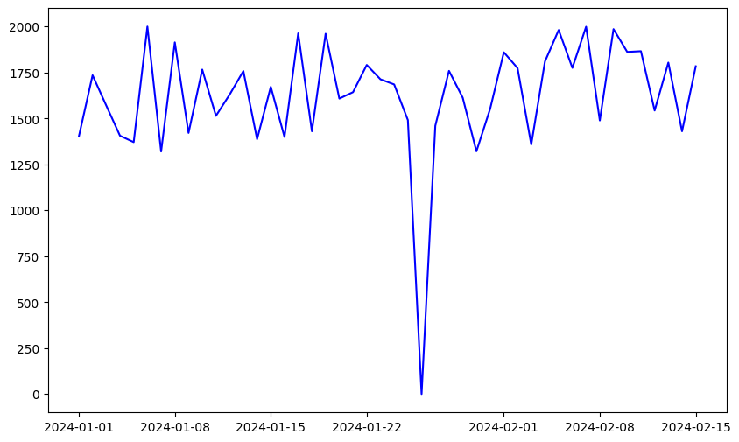
325 | 2024-01-15 | Chilli Soya | Sweet N' Spicy | 55 | Full | 1 | 55 | Instagram
326 | 2024-01-15 | Chilli Mushroom | Sweet N' Spicy | 90 | Full | 1 | 90 | In person
327 | 2024-01-15 | Veg Manchurian | Sweet N' Spicy | 45 | Full | 2 | 90 | Zomato
328 | 2024-01-15 | Paneer Manchurian | Sweet N' Spicy | 60 | Full | 1 | 60 | In person
329 | 2024-01-15 | Dimsum Platter | Sweet N' Spicy | 110 | Full | 2 | 220 | In person
330 | 2024-01-15 | Veg Sandwich | Sandwiches | 27 | Full | 2 | 54 | In person
331 | 2024-01-15 | Veg Grilled Sandwich | Sandwiches | 33 | Full | 1 | 33 | Zomato
332 | 2024-01-15 | Veg Momos Steamed | Momos | 25 | Full | 2 | 50 | In person
333 | 2024-01-15 | Paneer Momos Fried | Momos | 30 | Full | 1 | 30 | Swiggy
334 | 2024-01-15 | Dragon Fried Momos | Momos | 75 | Full | 1 | 75 | Zomato
335 | 2024-01-15 | Veg Hakka Noodles | Noodles | 35 | Full | 2 | 70 | In person
336 | 2024-01-15 | Schezwan Hakka Noodles | Noodles | 45 | Full | 1 | 45 | In person
337 | 2024-01-15 | Paneer Hakka Noodles | Noodles | 75 | Full | 2 | 150 | In person
338 | 2024-01-15 | Veg Kathi Roll | Rolls | 25 | Full | 1 | 25 | Zomato
339 | 2024-01-15 | Paneer Kathi Roll | Rolls | 40 | Full | 2 | 80 | In person
340 | 2024-01-15 | Spring Roll | Rolls | 30 | Full | 2 | 60 | In person
341 | 2024-01-15 | Veg Fried Rice | Fried Rice | 35 | Full | 1 | 35 | In person
342 | 2024-01-15 | Schezwan Fried Rice | Fried Rice | 45 | Full | 2 | 90 | Zomato
343 | 2024-01-15 | Paneer Fried Rice | Fried Rice | 70 | Full | 1 | 70 | In person
344 | 2024-01-15 | Garlic Fried Rice | Fried Rice | 50 | Full | 2 | 100 | In person
345 | 2024-01-15 | Veg Burger | Burgers | 30 | Full | 2 | 60 | In person
346 | 2024-01-15 | Paneer Burger | Burgers | 40 | Full | 1 | 40 | In person
347 | 2024-01-15 | Cheese Paneer Burger | Burgers | 50 | Full | 2 | 100 | In person
348 | 2024-01-15 | Chilly Potatoes | Sweet N' Spicy | 50 | Full | 1 | 50 | Zomato
349 | 2024-01-15 | Honey Chilly Potatoes | Sweet N' Spicy | 65 | Full | 2 | 130 | In person
350 | 2024-01-15 | Chilly Paneer | Sweet N' Spicy | 80 | Full | 1 | 80 | Swiggy
351 | 2024-01-15 | Chilli Soya | Sweet N' Spicy | 55 | Full | 1 | 55 | Instagram
352 | 2024-01-15 | Chilli Mushroom | Sweet N' Spicy | 90 | Full | 1 | 90 | In person
353 | 2024-01-15 | Veg Manchurian | Sweet N' Spicy | 45 | Full | 2 | 90 | Zomato
354 | 2024-01-15 | Paneer Manchurian | Sweet N' Spicy | 60 | Full | 1 | 60 | In person
355 | 2024-01-15 | Dimsum Platter | Sweet N' Spicy | 110 | Full | 2 | 220 | In person
356 | 2024-01-15 | Veg Sandwich | Sandwiches | 27 | Full | 2 | 54 | Swiggy
357 | 2024-01-15 | Veg Grilled Sandwich | Sandwiches | 33 | Full | 1 | 33 | Zomato
358 | 2024-01-16 | Veg Momos Steamed | Momos | 25 | Full | 2 | 50 | In person
359 | 2024-01-16 | Paneer Momos Fried | Momos | 30 | Full | 1 | 30 | Zomato
360 | 2024-01-16 | Dragon Fried Momos | Momos | 75 | Full | 1 | 75 | In person
361 | 2024-01-16 | Veg Hakka Noodles | Noodles | 35 | Full | 2 | 70 | Swiggy
362 | 2024-01-16 | Schezwan Hakka Noodles | Noodles | 45 | Full | 1 | 45 | Zomato
363 | 2024-01-16 | Paneer Hakka Noodles | Noodles | 75 | Full | 2 | 150 | In person
364 | 2024-01-16 | Veg Kathi Roll | Rolls | 25 | Full | 1 | 25 | Instagram
365 | 2024-01-16 | Paneer Kathi Roll | Rolls | 40 | Full | 2 | 80 | In person
366 | 2024-01-16 | Spring Roll | Rolls | 30 | Full | 2 | 60 | In person
367 | 2024-01-16 | Veg Fried Rice | Fried Rice | 35 | Full | 1 | 35 | Zomato
368 | 2024-01-16 | Schezwan Fried Rice | Fried Rice | 45 | Full | 2 | 90 | In person
369 | 2024-01-16 | Paneer Fried Rice | Fried Rice | 70 | Full | 1 | 70 | In person
370 | 2024-01-16 | Garlic Fried Rice | Fried Rice | 50 | Full | 2 | 100 | Zomato
371 | 2024-01-16 | Veg Burger | Burgers | 30 | Full | 2 | 60 | In person
372 | 2024-01-16 | Paneer Burger | Burgers | 40 | Full | 1 | 40 | In person
373 | 2024-01-16 | Cheese Paneer Burger | Burgers | 50 | Full | 2 | 100 | In person
374 | 2024-01-16 | Chilly Potatoes | Sweet N' Spicy | 50 | Full | 1 | 50 | Zomato
375 | 2024-01-16 | Honey Chilly Potatoes | Sweet N' Spicy | 65 | Full | 2 | 130 | In person
376 | 2024-01-16 | Chilly Paneer | Sweet N' Spicy | 80 | Full | 1 | 80 | Swiggy
377 | 2024-01-16 | Chilli Soya | Sweet N' Spicy | 55 | Full | 1 | 55 | Instagram
378 | 2024-01-16 | Chilli Mushroom | Sweet N' Spicy | 90 | Full | 1 | 90 | In person
379 | 2024-01-16 | Veg Manchurian | Sweet N' Spicy | 45 | Full | 2 | 90 | Zomato
380 | 2024-01-16 | Paneer Manchurian | Sweet N' Spicy | 60 | Full | 1 | 60 | In person
381 | 2024-01-16 | Dimsum Platter | Sweet N' Spicy | 110 | Full | 2 | 220 | In person
382 | 2024-01-16 | Veg Sandwich | Sandwiches | 27 | Full | 2 | 54 | In person
383 | 2024-01-16 | Veg Grilled Sandwich | Sandwiches | 33 | Full | 1 | 33 | Zomato
384 | 2024-01-16 | Veg Momos Steamed | Momos | 25 | Full | 2 | 50 | In person
385 | 2024-01-16 | Paneer Momos Fried | Momos | 30 | Full | 1 | 30 | In person
386 | 2024-01-16 | Dragon Fried Momos | Momos | 75 | Full | 1 | 75 | Zomato
387 | 2024-01-16 | Veg Hakka Noodles | Noodles | 35 | Full | 2 | 70 | In person
388 | 2024-01-16 | Schezwan Hakka Noodles | Noodles | 45 | Full | 1 | 45 | Swiggy
389 | 2024-01-16 | Paneer Hakka Noodles | Noodles | 75 | Full | 2 | 150 | Swiggy
390 | 2024-01-16 | Veg Kathi Roll | Rolls | 25 | Full | 1 | 25 | Zomato
391 | 2024-01-16 | Paneer Kathi Roll | Rolls | 40 | Full | 2 | 80 | In person
392 | 2024-01-16 | Spring Roll | Rolls | 30 | Full | 2 | 60 | In person
393 | 2024-01-16 | Veg Fried Rice | Fried Rice | 35 | Full | 1 | 35 | Swiggy
394 | 2024-01-16 | Schezwan Fried Rice | Fried Rice | 45 | Full | 2 | 90 | Zomato
395 | 2024-01-16 | Paneer Fried Rice | Fried Rice | 70 | Full | 1 | 70 | In person
396 | 2024-01-16 | Garlic Fried Rice | Fried Rice | 50 | Full | 2 | 100 | In person
397 | 2024-01-16 | Veg Burger | Burgers | 30 | Full | 2 | 60 | In person
398 | 2024-01-16 | Paneer Burger | Burgers | 40 | Full | 1 | 40 | In person
399 | 2024-01-16 | Cheese Paneer Burger | Burgers | 50 | Full | 2 | 100 | In person
400 | 2024-01-16 | Chilly Potatoes | Sweet N' Spicy | 50 | Full | 1 | 50 | Zomato
401 | 2024-01-16 | Honey Chilly Potatoes | Sweet N' Spicy | 65 | Full | 2 | 130 | In person
402 | 2024-01-16 | Chilly Paneer | Sweet N' Spicy | 80 | Full | 1 | 80 | In person
403 | 2024-01-16 | Chilli Soya | Sweet N' Spicy | 55 | Full | 1 | 55 | Instagram
404 | 2024-01-16 | Chilli Mushroom | Sweet N' Spicy | 90 | Full | 1 | 90 | In person
405 | 2024-01-16 | Veg Manchurian | Sweet N' Spicy | 45 | Full | 2 | 90 | Zomato
406 | 2024-01-16 | Paneer Manchurian | Sweet N' Spicy | 60 | Full | 1 | 60 | In person
407 | 2024-01-16 | Dimsum Platter | Sweet N' Spicy | 110 | Full | 2 | 220 | In person
408 | 2024-01-16 | Veg Sandwich | Sandwiches | 27 | Full | 2 | 54 | In person
409 | 2024-01-16 | Veg Grilled Sandwich | Sandwiches | 33 | Full | 1 | 33 | Zomato
410 | 2024-01-17 | Veg Momos Steamed | Momos | 25 | Full | 2 | 50 | In person
411 | 2024-01-17 | Paneer Momos Fried | Momos | 30 | Full | 1 | 30 | Zomato
412 | 2024-01-17 | Dragon Fried Momos | Momos | 75 | Full | 1 | 75 | In person
413 | 2024-01-17 | Veg Hakka Noodles | Noodles | 35 | Full | 2 | 70 | In person
414 | 2024-01-17 | Schezwan Hakka Noodles | Noodles | 45 | Full | 1 | 45 | Zomato
415 | 2024-01-17 | Paneer Hakka Noodles | Noodles | 75 | Full | 2 | 150 | In person
416 | 2024-01-17 | Veg Kathi Roll | Rolls | 25 | Full | 1 | 25 | Instagram
417 | 2024-01-17 | Paneer Kathi Roll | Rolls | 40 | Full | 2 | 80 | In person
418 | 2024-01-17 | Spring Roll | Rolls | 30 | Full | 2 | 60 | In person
419 | 2024-01-17 | Veg Fried Rice | Fried Rice | 35 | Full | 1 | 35 | Zomato
420 | 2024-01-17 | Schezwan Fried Rice | Fried Rice | 45 | Full | 2 | 90 | In person
421 | 2024-01-17 | Paneer Fried Rice | Fried Rice | 70 | Full | 1 | 70 | In person
422 | 2024-01-17 | Garlic Fried Rice | Fried Rice | 50 | Full | 2 | 100 | Zomato
423 | 2024-01-17 | Veg Burger | Burgers | 30 | Full | 2 | 60 | In person
424 | 2024-01-17 | Paneer Burger | Burgers | 40 | Full | 1 | 40 | In person
425 | 2024-01-17 | Cheese Paneer Burger | Burgers | 50 | Full | 2 | 100 | In person
426 | 2024-01-17 | Chilly Potatoes | Sweet N' Spicy | 50 | Full | 1 | 50 | Zomato
427 | 2024-01-17 | Honey Chilly Potatoes | Sweet N' Spicy | 65 | Full | 2 | 130 | In person
428 | 2024-01-17 | Chilly Paneer | Sweet N' Spicy | 80 | Full | 1 | 80 | In person
429 | 2024-01-17 | Chilli Soya | Sweet N' Spicy | 55 | Full | 1 | 55 | Instagram
430 | 2024-01-17 | Chilli Mushroom | Sweet N' Spicy | 90 | Full | 1 | 90 | In person
431 | 2024-01-17 | Veg Manchurian | Sweet N' Spicy | 45 | Full | 2 | 90 | Zomato
432 | 2024-01-17 | Paneer Manchurian | Sweet N' Spicy | 60 | Full | 1 | 60 | In person
433 | 2024-01-17 | Dimsum Platter | Sweet N' Spicy | 110 | Full | 2 | 220 | In person
434 | 2024-01-17 | Veg Sandwich | Sandwiches | 27 | Full | 2 | 54 | In person
435 | 2024-01-17 | Veg Grilled Sandwich | Sandwiches | 33 | Full | 1 | 33 | Zomato
436 | 2024-01-17 | Veg Momos Steamed | Momos | 25 | Full | 2 | 50 | In person
437 | 2024-01-17 | Paneer Momos Fried | Momos | 30 | Full | 1 | 30 | In person
438 | 2024-01-17 | Dragon Fried Momos | Momos | 75 | Full | 1 | 75 | Zomato
439 | 2024-01-17 | Veg Hakka Noodles | Noodles | 35 | Full | 2 | 70 | In person
440 | 2024-01-17 | Schezwan Hakka Noodles | Noodles | 45 | Full | 1 | 45 | In person
441 | 2024-01-17 | Paneer Hakka Noodles | Noodles | 75 | Full | 2 | 150 | In person
442 | 2024-01-17 | Veg Kathi Roll | Rolls | 25 | Full | 1 | 25 | Zomato
443 | 2024-01-17 | Paneer Kathi Roll | Rolls | 40 | Full | 2 | 80 | In person
444 | 2024-01-17 | Spring Roll | Rolls | 30 | Full | 2 | 60 | In person
445 | 2024-01-17 | Veg Fried Rice | Fried Rice | 35 | Full | 1 | 35 | In person
446 | 2024-01-17 | Schezwan Fried Rice | Fried Rice | 45 | Full | 2 | 90 | Zomato
447 | 2024-01-17 | Paneer Fried Rice | Fried Rice | 70 | Full | 1 | 70 | In person
448 | 2024-01-17 | Garlic Fried Rice | Fried Rice | 50 | Full | 2 | 100 | In person
449 | 2024-01-17 | Veg Burger | Burgers | 30 | Full | 2 | 60 | In person
450 | 2024-01-17 | Paneer Burger | Burgers | 40 | Full | 1 | 40 | In person
451 | 2024-01-17 | Cheese Paneer Burger | Burgers | 50 | Full | 2 | 100 | In person
452 | 2024-01-17 | Chilly Potatoes | Sweet N' Spicy | 50 | Full | 1 | 50 | Zomato
453 | 2024-01-17 | Honey Chilly Potatoes | Sweet N' Spicy | 65 | Full | 2 | 130 | In person
454 | 2024-01-17 | Chilly Paneer | Sweet N' Spicy | 80 | Full | 1 | 80 | In person
455 | 2024-01-17 | Chilli Soya | Sweet N' Spicy | 55 | Full | 1 | 55 | Instagram
456 | 2024-01-17 | Chilli Mushroom | Sweet N' Spicy | 90 | Full | 1 | 90 | In person
457 | 2024-01-17 | Veg Manchurian | Sweet N' Spicy | 45 | Full | 2 | 90 | Zomato
458 | 2024-01-17 | Paneer Manchurian | Sweet N' Spicy | 60 | Full | 1 | 60 | In person
459 | 2024-01-17 | Dimsum Platter | Sweet N' Spicy | 110 | Full | 2 | 220 | In person
460 | 2024-01-17 | Veg Sandwich | Sandwiches | 27 | Full | 2 | 54 | In person
461 | 2024-01-17 | Veg Grilled Sandwich | Sandwiches | 33 | Full | 1 | 33 | Zomato
462 | 2024-01-18 | Veg Momos Steamed | Momos | 25 | Full | 2 | 50 | In person
463 | 2024-01-18 | Paneer Momos Fried | Momos | 30 | Full | 1 | 30 | Zomato
464 | 2024-01-18 | Dragon Fried Momos | Momos | 75 | Full | 1 | 75 | In person
465 | 2024-01-18 | Veg Hakka Noodles | Noodles | 35 | Full | 2 | 70 | In person
466 | 2024-01-18 | Schezwan Hakka Noodles | Noodles | 45 | Full | 1 | 45 | Zomato
467 | 2024-01-18 | Paneer Hakka Noodles | Noodles | 75 | Full | 2 | 150 | In person
468 | 2024-01-18 | Veg Kathi Roll | Rolls | 25 | Full | 1 | 25 | Instagram
469 | 2024-01-18 | Paneer Kathi Roll | Rolls | 40 | Full | 2 | 80 | In person
470 | 2024-01-18 | Spring Roll | Rolls | 30 | Full | 2 | 60 | In person
471 | 2024-01-18 | Veg Fried Rice | Fried Rice | 35 | Full | 1 | 35 | Zomato
472 | 2024-01-18 | Schezwan Fried Rice | Fried Rice | 45 | Full | 2 | 90 | In person
473 | 2024-01-18 | Paneer Fried Rice | Fried Rice | 70 | Full | 1 | 70 | In person
474 | 2024-01-18 | Garlic Fried Rice | Fried Rice | 50 | Full | 2 | 100 | Zomato
475 | 2024-01-18 | Veg Burger | Burgers | 30 | Full | 2 | 60 | In person
476 | 2024-01-18 | Paneer Burger | Burgers | 40 | Full | 1 | 40 | In person
477 | 2024-01-18 | Cheese Paneer Burger | Burgers | 50 | Full | 2 | 100 | In person
478 | 2024-01-18 | Chilly Potatoes | Sweet N' Spicy | 50 | Full | 1 | 50 | Zomato
479 | 2024-01-18 | Honey Chilly Potatoes | Sweet N' Spicy | 65 | Full | 2 | 130 | In person
480 | 2024-01-18 | Chilly Paneer | Sweet N' Spicy | 80 | Full | 1 | 80 | In person
481 | 2024-01-18 | Chilli Soya | Sweet N' Spicy | 55 | Full | 1 | 55 | Instagram
482 | 2024-01-18 | Chilli Mushroom | Sweet N' Spicy | 90 | Full | 1 | 90 | In person
483 | 2024-01-18 | Veg Manchurian | Sweet N' Spicy | 45 | Full | 2 | 90 | Zomato
484 | 2024-01-18 | Paneer Manchurian | Sweet N' Spicy | 60 | Full | 1 | 60 | In person
485 | 2024-01-18 | Dimsum Platter | Sweet N' Spicy | 110 | Full | 2 | 220 | In person
486 | 2024-01-18 | Veg Sandwich | Sandwiches | 27 | Full | 2 | 54 | In person
487 | 2024-01-18 | Veg Grilled Sandwich | Sandwiches | 33 | Full | 1 | 33 | Zomato
488 | 2024-01-18 | Veg Momos Steamed | Momos | 25 | Full | 2 | 50 | In person
489 | 2024-01-18 | Paneer Momos Fried | Momos | 30 | Full | 1 | 30 | In person
490 | 2024-01-18 | Dragon Fried Momos | Momos | 75 | Full | 1 | 75 | Zomato
491 | 2024-01-18 | Veg Hakka Noodles | Noodles | 35 | Full | 2 | 70 | In person
492 | 2024-01-18 | Schezwan Hakka Noodles | Noodles | 45 | Full | 1 | 45 | In person
493 | 2024-01-18 | Paneer Hakka Noodles | Noodles | 75 | Full | 2 | 150 | In person
494 | 2024-01-18 | Veg Kathi Roll | Rolls | 25 | Full | 1 | 25 | Zomato
495 | 2024-01-18 | Paneer Kathi Roll | Rolls | 40 | Full | 2 | 80 | In person
496 | 2024-01-18 | Spring Roll | Rolls | 30 | Full | 2 | 60 | In person
497 | 2024-01-18 | Veg Fried Rice | Fried Rice | 35 | Full | 1 | 35 | In person
498 | 2024-01-18 | Schezwan Fried Rice | Fried Rice | 45 | Full | 2 | 90 | Zomato
499 | 2024-01-18 | Paneer Fried Rice | Fried Rice | 70 | Full | 1 | 70 | In person
500 | 2024-01-18 | Garlic Fried Rice | Fried Rice | 50 | Full | 2 | 100 | In person
501 | 2024-01-18 | Veg Burger | Burgers | 30 | Full | 2 | 60 | In person
502 | 2024-01-18 | Paneer Burger | Burgers | 40 | Full | 1 | 40 | In person
503 | 2024-01-18 | Cheese Paneer Burger | Burgers | 50 | Full | 2 | 100 | In person
504 | 2024-01-18 | Chilly Potatoes | Sweet N' Spicy | 50 | Full | 1 | 50 | Zomato
505 | 2024-01-18 | Honey Chilly Potatoes | Sweet N' Spicy | 65 | Full | 2 | 130 | In person
506 | 2024-01-18 | Chilly Paneer | Sweet N' Spicy | 80 | Full | 1 | 80 | In person
507 | 2024-01-18 | Chilli Soya | Sweet N' Spicy | 55 | Full | 1 | 55 | Instagram
508 | 2024-01-18 | Chilli Mushroom | Sweet N' Spicy | 90 | Full | 1 | 90 | In person
509 | 2024-01-18 | Veg Manchurian | Sweet N' Spicy | 45 | Full | 2 | 90 | Zomato
510 | 2024-01-18 | Paneer Manchurian | Sweet N' Spicy | 60 | Full | 1 | 60 | In person
511 | 2024-01-18 | Dimsum Platter | Sweet N' Spicy | 110 | Full | 2 | 220 | In person
512 | 2024-01-18 | Veg Sandwich | Sandwiches | 27 | Full | 2 | 54 | In person
513 | 2024-01-18 | Veg Grilled Sandwich | Sandwiches | 33 | Full | 1 | 33 | Zomato
514 | 2024-01-19 | Veg Momos Steamed | Momos | 25 | Full | 2 | 50 | In person
515 | 2024-01-19 | Paneer Momos Fried | Momos | 30 | Full | 1 | 30 | Zomato
516 | 2024-01-19 | Dragon Fried Momos | Momos | 75 | Full | 1 | 75 | In person
517 | 2024-01-19 | Veg Hakka Noodles | Noodles | 35 | Full | 2 | 70 | In person
518 | 2024-01-19 | Schezwan Hakka Noodles | Noodles | 45 | Full | 1 | 45 | Zomato
519 | 2024-01-19 | Paneer Hakka Noodles | Noodles | 75 | Full | 2 | 150 | In person
520 | 2024-01-19 | Veg Kathi Roll | Rolls | 25 | Full | 1 | 25 | Instagram
521 | 2024-01-19 | Paneer Kathi Roll | Rolls | 40 | Full | 2 | 80 | In person
522 | 2024-01-19 | Spring Roll | Rolls | 30 | Full | 2 | 60 | In person
523 | 2024-01-19 | Veg Fried Rice | Fried Rice | 35 | Full | 1 | 35 | Zomato
524 | 2024-01-19 | Schezwan Fried Rice | Fried Rice | 45 | Full | 2 | 90 | In person
525 | 2024-01-19 | Paneer Fried Rice | Fried Rice | 70 | Full | 1 | 70 | In person
526 | 2024-01-19 | Garlic Fried Rice | Fried Rice | 50 | Full | 2 | 100 | Zomato
527 | 2024-01-19 | Veg Burger | Burgers | 30 | Full | 2 | 60 | In person
528 | 2024-01-19 | Paneer Burger | Burgers | 40 | Full | 1 | 40 | In person
529 | 2024-01-19 | Cheese Paneer Burger | Burgers | 50 | Full | 2 | 100 | In person
530 | 2024-01-19 | Chilly Potatoes | Sweet N' Spicy | 50 | Full | 1 | 50 | Zomato
531 | 2024-01-19 | Honey Chilly Potatoes | Sweet N' Spicy | 65 | Full | 2 | 130 | In person
532 | 2024-01-19 | Chilly Paneer | Sweet N' Spicy | 80 | Full | 1 | 80 | In person
533 | 2024-01-19 | Chilli Soya | Sweet N' Spicy | 55 | Full | 1 | 55 | Instagram
534 | 2024-01-19 | Chilli Mushroom | Sweet N' Spicy | 90 | Full | 1 | 90 | In person
535 | 2024-01-19 | Veg Manchurian | Sweet N' Spicy | 45 | Full | 2 | 90 | Zomato
536 | 2024-01-19 | Paneer Manchurian | Sweet N' Spicy | 60 | Full | 1 | 60 | In person
537 | 2024-01-19 | Dimsum Platter | Sweet N' Spicy | 110 | Full | 2 | 220 | In person
538 | 2024-01-19 | Veg Sandwich | Sandwiches | 27 | Full | 2 | 54 | In person
539 | 2024-01-19 | Veg Grilled Sandwich | Sandwiches | 33 | Full | 1 | 33 | Zomato
540 | 2024-01-19 | Veg Momos Steamed | Momos | 25 | Full | 2 | 50 | In person
541 | 2024-01-19 | Paneer Momos Fried | Momos | 30 | Full | 1 | 30 | In person
542 | 2024-01-19 | Dragon Fried Momos | Momos | 75 | Full | 1 | 75 | Zomato
543 | 2024-01-19 | Veg Hakka Noodles | Noodles | 35 | Full | 2 | 70 | In person
544 | 2024-01-19 | Schezwan Hakka Noodles | Noodles | 45 | Full | 1 | 45 | In person
545 | 2024-01-19 | Paneer Hakka Noodles | Noodles | 75 | Full | 2 | 150 | In person
546 | 2024-01-19 | Veg Kathi Roll | Rolls | 25 | Full | 1 | 25 | Zomato
547 | 2024-01-19 | Paneer Kathi Roll | Rolls | 40 | Full | 2 | 80 | In person
548 | 2024-01-19 | Spring Roll | Rolls | 30 | Full | 2 | 60 | In person
549 | 2024-01-19 | Veg Fried Rice | Fried Rice | 35 | Full | 1 | 35 | In person
550 | 2024-01-19 | Schezwan Fried Rice | Fried Rice | 45 | Full | 2 | 90 | Zomato
551 | 2024-01-19 | Paneer Fried Rice | Fried Rice | 70 | Full | 1 | 70 | In person
552 | 2024-01-19 | Garlic Fried Rice | Fried Rice | 50 | Full | 2 | 100 | In person
553 | 2024-01-19 | Veg Burger | Burgers | 30 | Full | 2 | 60 | In person
554 | 2024-01-19 | Paneer Burger | Burgers | 40 | Full | 1 | 40 | In person
555 | 2024-01-19 | Cheese Paneer Burger | Burgers | 50 | Full | 2 | 100 | In person
556 | 2024-01-19 | Chilly Potatoes | Sweet N' Spicy | 50 | Full | 1 | 50 | Zomato
557 | 2024-01-19 | Honey Chilly Potatoes | Sweet N' Spicy | 65 | Full | 2 | 130 | In person
558 | 2024-01-20 | Veg Momos Steamed | Momos | 25 | Full | 2 | 50 | In person
559 | 2024-01-20 | Paneer Momos Fried | Momos | 30 | Full | 1 | 30 | Zomato
560 | 2024-01-20 | Dragon Fried Momos | Momos | 75 | Full | 1 | 75 | In person
561 | 2024-01-20 | Veg Hakka Noodles | Noodles | 35 | Full | 2 | 70 | In person
562 | 2024-01-20 | Schezwan Hakka Noodles | Noodles | 45 | Full | 1 | 45 | Zomato
563 | 2024-01-20 | Paneer Hakka Noodles | Noodles | 75 | Full | 2 | 150 | In person
564 | 2024-01-20 | Veg Kathi Roll | Rolls | 25 | Full | 1 | 25 | Instagram
565 | 2024-01-20 | Paneer Kathi Roll | Rolls | 40 | Full | 2 | 80 | In person
566 | 2024-01-20 | Spring Roll | Rolls | 30 | Full | 2 | 60 | In person
567 | 2024-01-20 | Veg Fried Rice | Fried Rice | 35 | Full | 1 | 35 | Zomato
568 | 2024-01-20 | Schezwan Fried Rice | Fried Rice | 45 | Full | 2 | 90 | In person
569 | 2024-01-20 | Paneer Fried Rice | Fried Rice | 70 | Full | 1 | 70 | In person
570 | 2024-01-20 | Garlic Fried Rice | Fried Rice | 50 | Full | 2 | 100 | Zomato
571 | 2024-01-20 | Veg Burger | Burgers | 30 | Full | 2 | 60 | In person
572 | 2024-01-20 | Paneer Burger | Burgers | 40 | Full | 1 | 40 | In person
573 | 2024-01-20 | Cheese Paneer Burger | Burgers | 50 | Full | 2 | 100 | Zomato
574 | 2024-01-20 | Chilly Potatoes | Sweet N' Spicy | 50 | Full | 1 | 50 | In person
575 | 2024-01-20 | Honey Chilly Potatoes | Sweet N' Spicy | 65 | Full | 2 | 130 | In person
576 | 2024-01-20 | Chilly Paneer | Sweet N' Spicy | 80 | Full | 1 | 80 | Zomato
577 | 2024-01-20 | Chilli Soya | Sweet N' Spicy | 55 | Full | 1 | 55 | In person
578 | 2024-01-20 | Chilli Mushroom | Sweet N' Spicy | 90 | Full | 1 | 90 | In person
579 | 2024-01-20 | Veg Manchurian | Sweet N' Spicy | 45 | Full | 2 | 90 | Zomato
580 | 2024-01-20 | Paneer Manchurian | Sweet N' Spicy | 60 | Full | 1 | 60 | In person
581 | 2024-01-20 | Dimsum Platter | Sweet N' Spicy | 110 | Full | 2 | 220 | In person
582 | 2024-01-20 | Veg Sandwich | Sandwiches | 27 | Full | 2 | 54 | Instagram
583 | 2024-01-20 | Veg Grilled Sandwich | Sandwiches | 33 | Full | 1 | 33 | In person
584 | 2024-01-21 | Veg Momos Steamed | Momos | 25 | Full | 2 | 50 | In person
585 | 2024-01-21 | Paneer Momos Fried | Momos | 30 | Full | 1 | 30 | Zomato
586 | 2024-01-21 | Dragon Fried Momos | Momos | 75 | Full | 1 | 75 | In person
587 | 2024-01-21 | Veg Hakka Noodles | Noodles | 35 | Full | 2 | 70 | In person
588 | 2024-01-21 | Schezwan Hakka Noodles | Noodles | 45 | Full | 1 | 45 | Zomato
589 | 2024-01-21 | Paneer Hakka Noodles | Noodles | 75 | Full | 2 | 150 | In person
590 | 2024-01-21 | Veg Kathi Roll | Rolls | 25 | Full | 1 | 25 | In person
591 | 2024-01-21 | Paneer Kathi Roll | Rolls | 40 | Full | 2 | 80 | Zomato
592 | 2024-01-21 | Spring Roll | Rolls | 30 | Full | 2 | 60 | In person
593 | 2024-01-21 | Veg Fried Rice | Fried Rice | 35 | Full | 1 | 35 | Zomato
594 | 2024-01-21 | Schezwan Fried Rice | Fried Rice | 45 | Full | 2 | 90 | In person
595 | 2024-01-21 | Paneer Fried Rice | Fried Rice | 70 | Full | 1 | 70 | In person
596 | 2024-01-21 | Garlic Fried Rice | Fried Rice | 50 | Full | 2 | 100 | In person
597 | 2024-01-21 | Veg Burger | Burgers | 30 | Full | 2 | 60 | In person
598 | 2024-01-21 | Paneer Burger | Burgers | 40 | Full | 1 | 40 | Zomato
599 | 2024-01-21 | Cheese Paneer Burger | Burgers | 50 | Full | 2 | 100 | In person
600 | 2024-01-21 | Chilly Potatoes | Sweet N' Spicy | 50 | Full | 1 | 50 | In person
601 | 2024-01-21 | Honey Chilly Potatoes | Sweet N' Spicy | 65 | Full | 2 | 130 | Zomato
602 | 2024-01-21 | Chilly Paneer | Sweet N' Spicy | 80 | Full | 1 | 80 | In person
603 | 2024-01-21 | Chilli Soya | Sweet N' Spicy | 55 | Full | 1 | 55 | In person
604 | 2024-01-21 | Chilli Mushroom | Sweet N' Spicy | 90 | Full | 1 | 90 | In person
605 | 2024-01-21 | Veg Manchurian | Sweet N' Spicy | 45 | Full | 2 | 90 | Zomato
606 | 2024-01-21 | Paneer Manchurian | Sweet N' Spicy | 60 | Full | 1 | 60 | In person
607 | 2024-01-21 | Dimsum Platter | Sweet N' Spicy | 110 | Full | 2 | 220 | In person
608 | 2024-01-21 | Veg Sandwich | Sandwiches | 27 | Full | 2 | 54 | Zomato
609 | 2024-01-21 | Veg Grilled Sandwich | Sandwiches | 33 | Full | 1 | 33 | Instagram
610 | 2024-01-22 | Veg Momos Steamed | Momos | 25 | Full | 2 | 50 | In person
611 | 2024-01-22 | Paneer Momos Fried | Momos | 30 | Full | 1 | 30 | Zomato
612 | 2024-01-22 | Dragon Fried Momos | Momos | 75 | Full | 1 | 75 | In person
613 | 2024-01-22 | Veg Hakka Noodles | Noodles | 35 | Full | 2 | 70 | In person
614 | 2024-01-22 | Schezwan Hakka Noodles | Noodles | 45 | Full | 1 | 45 | Zomato
615 | 2024-01-22 | Paneer Hakka Noodles | Noodles | 75 | Full | 2 | 150 | In person
616 | 2024-01-22 | Veg Kathi Roll | Rolls | 25 | Full | 1 | 25 | In person
617 | 2024-01-22 | Paneer Kathi Roll | Rolls | 40 | Full | 2 | 80 | Instagram
618 | 2024-01-22 | Spring Roll | Rolls | 30 | Full | 2 | 60 | In person
619 | 2024-01-22 | Veg Fried Rice | Fried Rice | 35 | Full | 1 | 35 | Zomato
620 | 2024-01-22 | Schezwan Fried Rice | Fried Rice | 45 | Full | 2 | 90 | In person
621 | 2024-01-22 | Paneer Fried Rice | Fried Rice | 70 | Full | 1 | 70 | In person
622 | 2024-01-22 | Garlic Fried Rice | Fried Rice | 50 | Full | 2 | 100 | Zomato
623 | 2024-01-22 | Veg Burger | Burgers | 30 | Full | 2 | 60 | In person
624 | 2024-01-22 | Paneer Burger | Burgers | 40 | Full | 1 | 40 | In person
625 | 2024-01-22 | Cheese Paneer Burger | Burgers | 50 | Full | 2 | 100 | In person
626 | 2024-01-22 | Chilly Potatoes | Sweet N' Spicy | 50 | Full | 1 | 50 | In person
627 | 2024-01-22 | Honey Chilly Potatoes | Sweet N' Spicy | 65 | Full | 2 | 130 | Zomato
628 | 2024-01-22 | Chilly Paneer | Sweet N' Spicy | 80 | Full | 1 | 80 | In person
629 | 2024-01-22 | Chilli Soya | Sweet N' Spicy | 55 | Full | 1 | 55 | In person
630 | 2024-01-22 | Chilli Mushroom | Sweet N' Spicy | 90 | Full | 1 | 90 | In person
631 | 2024-01-22 | Veg Manchurian | Sweet N' Spicy | 45 | Full | 2 | 90 | Zomato
632 | 2024-01-22 | Paneer Manchurian | Sweet N' Spicy | 60 | Full | 1 | 60 | In person
633 | 2024-01-22 | Dimsum Platter | Sweet N' Spicy | 110 | Full | 2 | 220 | Zomato
634 | 2024-01-22 | Veg Sandwich | Sandwiches | 27 | Full | 2 | 54 | In person
635 | 2024-01-22 | Veg Grilled Sandwich | Sandwiches | 33 | Full | 1 | 33 | In person
636 | 2024-01-22 | Veg Momos Steamed | Momos | 25 | Full | 2 | 50 | Zomato
637 | 2024-01-22 | Paneer Momos Fried | Momos | 30 | Full | 1 | 30 | In person
638 | 2024-01-22 | Dragon Fried Momos | Momos | 75 | Full | 1 | 75 | In person
639 | 2024-01-22 | Veg Hakka Noodles | Noodles | 35 | Full | 2 | 70 | In person
640 | 2024-01-22 | Schezwan Hakka Noodles | Noodles | 45 | Full | 1 | 45 | Zomato
641 | 2024-01-22 | Paneer Hakka Noodles | Noodles | 75 | Full | 2 | 150 | In person
642 | 2024-01-23 | Veg Kathi Roll | Rolls | 25 | Full | 1 | 25 | In person
643 | 2024-01-23 | Paneer Kathi Roll | Rolls | 40 | Full | 2 | 80 | In person
644 | 2024-01-23 | Spring Roll | Rolls | 30 | Full | 2 | 60 | Instagram
645 | 2024-01-23 | Veg Fried Rice | Fried Rice | 35 | Full | 1 | 35 | In person
646 | 2024-01-23 | Schezwan Fried Rice | Fried Rice | 45 | Full | 2 | 90 | In person
647 | 2024-01-23 | Paneer Fried Rice | Fried Rice | 70 | Full | 1 | 70 | Zomato
648 | 2024-01-23 | Garlic Fried Rice | Fried Rice | 50 | Full | 2 | 100 | In person
649 | 2024-01-23 | Veg Burger | Burgers | 30 | Full | 2 | 60 | In person
650 | 2024-01-23 | Paneer Burger | Burgers | 40 | Full | 1 | 40 | In person
651 | 2024-01-23 | Cheese Paneer Burger | Burgers | 50 | Full | 2 | 100 | In person
652 | 2024-01-23 | Chilly Potatoes | Sweet N' Spicy | 50 | Full | 1 | 50 | In person
653 | 2024-01-23 | Honey Chilly Potatoes | Sweet N' Spicy | 65 | Full | 2 | 130 | Zomato
654 | 2024-01-23 | Chilly Paneer | Sweet N' Spicy | 80 | Full | 1 | 80 | In person
655 | 2024-01-23 | Chilli Soya | Sweet N' Spicy | 55 | Full | 1 | 55 | In person
656 | 2024-01-23 | Chilli Mushroom | Sweet N' Spicy | 90 | Full | 1 | 90 | In person
657 | 2024-01-23 | Veg Manchurian | Sweet N' Spicy | 45 | Full | 2 | 90 | Zomato
658 | 2024-01-23 | Paneer Manchurian | Sweet N' Spicy | 60 | Full | 1 | 60 | In person
659 | 2024-01-23 | Dimsum Platter | Sweet N' Spicy | 110 | Full | 2 | 220 | Instagram
660 | 2024-01-23 | Veg Sandwich | Sandwiches | 27 | Full | 2 | 54 | In person
661 | 2024-01-23 | Veg Grilled Sandwich | Sandwiches | 33 | Full | 1 | 33 | Zomato
662 | 2024-01-24 | Veg Momos Steamed | Momos | 25 | Full | 2 | 50 | In person
663 | 2024-01-24 | Paneer Momos Fried | Momos | 30 | Full | 1 | 30 | Zomato
664 | 2024-01-24 | Dragon Fried Momos | Momos | 75 | Full | 1 | 75 | In person
665 | 2024-01-24 | Veg Hakka Noodles | Noodles | 35 | Full | 2 | 70 | In person
666 | 2024-01-24 | Schezwan Hakka Noodles | Noodles | 45 | Full | 1 | 45 | Zomato
667 | 2024-01-24 | Paneer Hakka Noodles | Noodles | 75 | Full | 2 | 150 | In person
668 | 2024-01-24 | Veg Kathi Roll | Rolls | 25 | Full | 1 | 25 | In person
669 | 2024-01-24 | Paneer Kathi Roll | Rolls | 40 | Full | 2 | 80 | Zomato
670 | 2024-01-24 | Spring Roll | Rolls | 30 | Full | 2 | 60 | In person
671 | 2024-01-24 | Veg Fried Rice | Fried Rice | 35 | Full | 1 | 35 | Zomato
672 | 2024-01-24 | Schezwan Fried Rice | Fried Rice | 45 | Full | 2 | 90 | In person
673 | 2024-01-24 | Paneer Fried Rice | Fried Rice | 70 | Full | 1 | 70 | In person
674 | 2024-01-24 | Garlic Fried Rice | Fried Rice | 50 | Full | 2 | 100 | Zomato
675 | 2024-01-24 | Veg Burger | Burgers | 30 | Full | 2 | 60 | In person
676 | 2024-01-24 | Paneer Burger | Burgers | 40 | Full | 1 | 40 | In person
677 | 2024-01-24 | Cheese Paneer Burger | Burgers | 50 | Full | 2 | 100 | Zomato
678 | 2024-01-24 | Chilly Potatoes | Sweet N' Spicy | 50 | Full | 1 | 50 | In person
679 | 2024-01-24 | Honey Chilly Potatoes | Sweet N' Spicy | 65 | Full | 2 | 130 | In person
680 | 2024-01-24 | Chilly Paneer | Sweet N' Spicy | 80 | Full | 1 | 80 | Zomato
681 | 2024-01-24 | Chilli Soya | Sweet N' Spicy | 55 | Full | 1 | 55 | In person
682 | 2024-01-24 | Chilli Mushroom | Sweet N' Spicy | 90 | Full | 1 | 90 | In person
683 | 2024-01-24 | Veg Manchurian | Sweet N' Spicy | 45 | Full | 2 | 90 | Zomato
684 | 2024-01-24 | Paneer Manchurian | Sweet N' Spicy | 60 | Full | 1 | 60 | In person
685 | 2024-01-24 | Dimsum Platter | Sweet N' Spicy | 110 | Full | 2 | 220 | In person
686 | 2024-01-24 | Veg Sandwich | Sandwiches | 27 | Full | 2 | 54 | Instagram
687 | 2024-01-24 | Veg Grilled Sandwich | Sandwiches | 33 | Full | 1 | 33 | In person
688 | 2024-01-25 | Veg Momos Steamed | Momos | 25 | Full | 2 | 50 | In person
689 | 2024-01-25 | Paneer Momos Fried | Momos | 30 | Full | 1 | 30 | Zomato
690 | 2024-01-25 | Dragon Fried Momos | Momos | 75 | Full | 1 | 75 | In person
691 | 2024-01-25 | Veg Hakka Noodles | Noodles | 35 | Full | 2 | 70 | In person
692 | 2024-01-25 | Schezwan Hakka Noodles | Noodles | 45 | Full | 1 | 45 | Zomato
693 | 2024-01-25 | Paneer Hakka Noodles | Noodles | 75 | Full | 2 | 150 | In person
694 | 2024-01-25 | Veg Kathi Roll | Rolls | 25 | Full | 1 | 25 | In person
695 | 2024-01-25 | Paneer Kathi Roll | Rolls | 40 | Full | 2 | 80 | Zomato
696 | 2024-01-25 | Spring Roll | Rolls | 30 | Full | 2 | 60 | In person
697 | 2024-01-25 | Veg Fried Rice | Fried Rice | 35 | Full | 1 | 35 | Zomato
698 | 2024-01-25 | Schezwan Fried Rice | Fried Rice | 45 | Full | 2 | 90 | In person
699 | 2024-01-25 | Paneer Fried Rice | Fried Rice | 70 | Full | 1 | 70 | In person
700 | 2024-01-25 | Garlic Fried Rice | Fried Rice | 50 | Full | 2 | 100 | Zomato
701 | 2024-01-25 | Veg Burger | Burgers | 30 | Full | 2 | 60 | In person
702 | 2024-01-25 | Paneer Burger | Burgers | 40 | Full | 1 | 40 | In person
703 | 2024-01-25 | Cheese Paneer Burger | Burgers | 50 | Full | 2 | 100 | Zomato
704 | 2024-01-25 | Chilly Potatoes | Sweet N' Spicy | 50 | Full | 1 | 50 | In person
705 | 2024-01-25 | Honey Chilly Potatoes | Sweet N' Spicy | 65 | Full | 2 | 130 | In person
706 | 2024-01-25 | Chilly Paneer | Sweet N' Spicy | 80 | Full | 1 | 80 | Zomato
707 | 2024-01-25 | Chilli Soya | Sweet N' Spicy | 55 | Full | 1 | 55 | In person
708 | 2024-01-25 | Chilli Mushroom | Sweet N' Spicy | 90 | Full | 1 | 90 | In person
709 | 2024-01-25 | Veg Manchurian | Sweet N' Spicy | 45 | Full | 2 | 90 | Zomato
710 | 2024-01-25 | Paneer Manchurian | Sweet N' Spicy | 60 | Full | 1 | 60 | In person
711 | 2024-01-25 | Dimsum Platter | Sweet N' Spicy | 110 | Full | 2 | 220 | In person
712 | 2024-01-25 | Veg Sandwich | Sandwiches | 27 | Full | 2 | 54 | Instagram
713 | 2024-01-25 | Veg Grilled Sandwich | Sandwiches | 33 | Full | 1 | 33 | In person
714 | 2024-01-27 | Veg Momos Steamed | Momos | 25 | Full | 2 | 50 | In person
715 | 2024-01-27 | Paneer Momos Fried | Momos | 30 | Full | 1 | 30 | Zomato
716 | 2024-01-27 | Dragon Fried Momos | Momos | 75 | Full | 1 | 75 | In person
717 | 2024-01-27 | Veg Hakka Noodles | Noodles | 35 | Full | 2 | 70 | In person
718 | 2024-01-27 | Schezwan Hakka Noodles | Noodles | 45 | Full | 1 | 45 | Zomato
719 | 2024-01-27 | Paneer Hakka Noodles | Noodles | 75 | Full | 2 | 150 | In person
720 | 2024-01-27 | Veg Kathi Roll | Rolls | 25 | Full | 1 | 25 | In person
721 | 2024-01-27 | Paneer Kathi Roll | Rolls | 40 | Full | 2 | 80 | Zomato
722 | 2024-01-27 | Spring Roll | Rolls | 30 | Full | 2 | 60 | In person
723 | 2024-01-27 | Veg Fried Rice | Fried Rice | 35 | Full | 1 | 35 | Zomato
724 | 2024-01-27 | Schezwan Fried Rice | Fried Rice | 45 | Full | 2 | 90 | In person
725 | 2024-01-27 | Paneer Fried Rice | Fried Rice | 70 | Full | 1 | 70 | In person
726 | 2024-01-27 | Garlic Fried Rice | Fried Rice | 50 | Full | 2 | 100 | Zomato
727 | 2024-01-27 | Veg Burger | Burgers | 30 | Full | 2 | 60 | In person
728 | 2024-01-27 | Paneer Burger | Burgers | 40 | Full | 1 | 40 | In person
729 | 2024-01-27 | Cheese Paneer Burger | Burgers | 50 | Full | 2 | 100 | Zomato
730 | 2024-01-27 | Chilly Potatoes | Sweet N' Spicy | 50 | Full | 1 | 50 | In person
731 | 2024-01-27 | Honey Chilly Potatoes | Sweet N' Spicy | 65 | Full | 2 | 130 | In person
732 | 2024-01-27 | Chilly Paneer | Sweet N' Spicy | 80 | Full | 1 | 80 | Zomato
733 | 2024-01-27 | Chilli Soya | Sweet N' Spicy | 55 | Full | 1 | 55 | In person
734 | 2024-01-27 | Chilli Mushroom | Sweet N' Spicy | 90 | Full | 1 | 90 | In person
735 | 2024-01-27 | Veg Manchurian | Sweet N' Spicy | 45 | Full | 2 | 90 | Zomato
736 | 2024-01-27 | Paneer Manchurian | Sweet N' Spicy | 60 | Full | 1 | 60 | In person
737 | 2024-01-27 | Dimsum Platter | Sweet N' Spicy | 110 | Full | 2 | 220 | In person
738 | 2024-01-27 | Veg Sandwich | Sandwiches | 27 | Full | 2 | 54 | Instagram
739 | 2024-01-27 | Veg Grilled Sandwich | Sandwiches | 33 | Full | 1 | 33 | In person
740 | 2024-01-28 | Veg Momos Steamed | Momos | 25 | Full | 2 | 50 | In person
741 | 2024-01-28 | Paneer Momos Fried | Momos | 30 | Full | 1 | 30 | Zomato
742 | 2024-01-28 | Dragon Fried Momos | Momos | 75 | Full | 1 | 75 | In person
743 | 2024-01-28 | Veg Hakka Noodles | Noodles | 35 | Full | 2 | 70 | In person
744 | 2024-01-28 | Schezwan Hakka Noodles | Noodles | 45 | Full | 1 | 45 | Zomato
745 | 2024-01-28 | Paneer Hakka Noodles | Noodles | 75 | Full | 2 | 150 | In person
746 | 2024-01-28 | Veg Kathi Roll | Rolls | 25 | Full | 1 | 25 | In person
747 | 2024-01-28 | Paneer Kathi Roll | Rolls | 40 | Full | 2 | 80 | Zomato
748 | 2024-01-28 | Spring Roll | Rolls | 30 | Full | 2 | 60 | In person
749 | 2024-01-28 | Veg Fried Rice | Fried Rice | 35 | Full | 1 | 35 | Zomato
...

SalesPivot
Row Labels | Sum of Sale Price | Sum of Quantity
Cheese Paneer Burger | 2200 | 117
Burgers | 2200 | 117
Chilli Mushroom | 4320 | 84
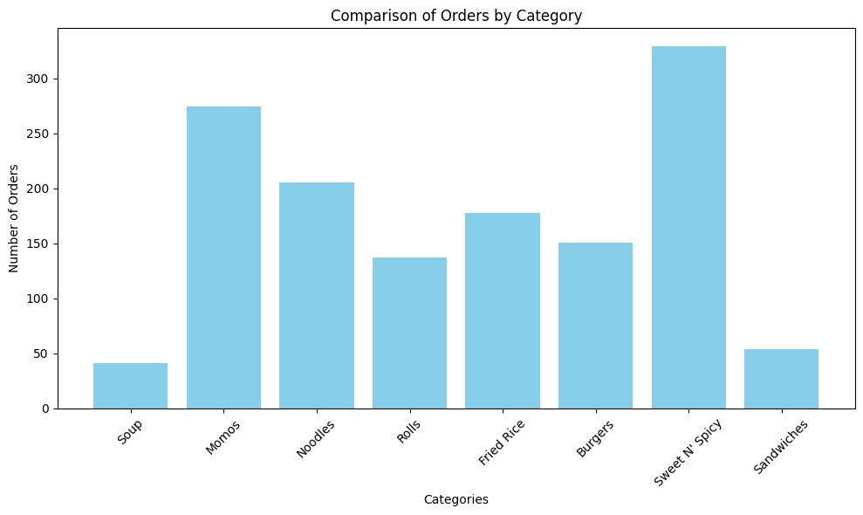
Sweet N' Spicy | 4320 | 84
Chilli Soya | 2475 | 72
Sweet N' Spicy | 2475 | 72
Chilly Paneer | 4080 | 64
Sweet N' Spicy | 4080 | 64
Chilly Potatoes | 2200 | 106
Sweet N' Spicy | 2200 | 106
Dimsum Platter | 4840 | 138
Sweet N' Spicy | 4840 | 138
Dragon Fried Momos | 3525 | 61
Momos | 3525 | 61
Garlic Fried Rice | 2200 | 75
Fried Rice | 2200 | 75
Honey Chilly Potatoes | 2990 | 139
Sweet N' Spicy | 2990 | 139
Hot and Sour Soup | 435 | 42
Soup | 435 | 42
Manchow Soup | 465 | 36
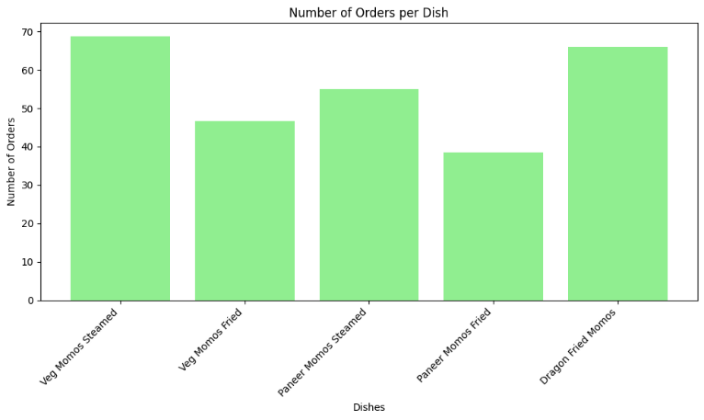
Soup | 465 | 36
Paneer Burger | 1760 | 77
Burgers | 1760 | 77
Paneer Fried Rice | 3080 | 115
Fried Rice | 3080 | 115
Paneer Hakka Noodles | 3525 | 82
Noodles | 3525 | 82
Paneer Kathi Roll | 1880 | 108
Rolls | 1880 | 108
Paneer Manchurian | 2640 | 105
Sweet N' Spicy | 2640 | 105
Paneer Momos Fried | 1680 | 121
Momos | 1680 | 121
Paneer Momos Steamed | 920 | 93
Momos | 920 | 93
Schezwan Fried Rice | 2115 | 135
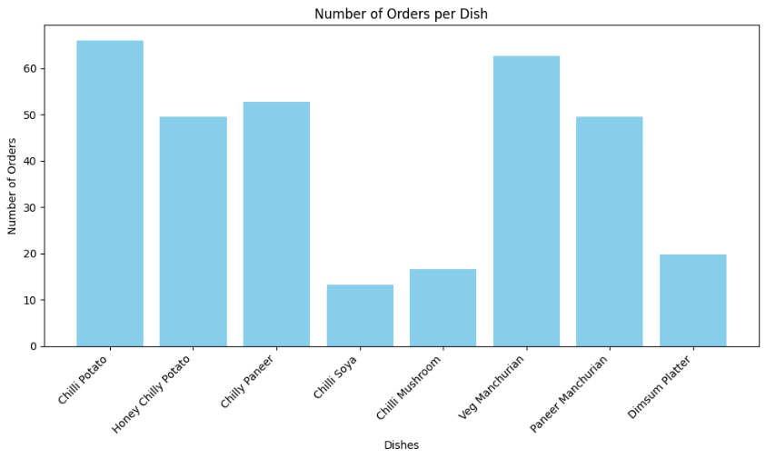
Fried Rice | 2115 | 135
Schezwan Hakka Noodles | 1980 | 80
Noodles | 1980 | 80
Spring Roll | 1380 | 82
Rolls | 1380 | 82
Veg Burger | 1320 | 85
Burgers | 1320 | 85
Veg Fried Rice | 1680 | 107
Fried Rice | 1680 | 107
Veg Grilled Sandwich | 1852 | 85
Sandwiches | 1852 | 85
Veg Hakka Noodles | 1755 | 99
Noodles | 1755 | 99
Veg Kathi Roll | 1200 | 79
Rolls | 1200 | 79
Veg Manchurian | 2160 | 131
Sweet N' Spicy | 2160 | 131
Veg Momos Fried | 690 | 79
Momos | 690 | 79
Veg Momos Steamed | 1225 | 110
Momos | 1225 | 110
Veg Sandwich | 1488 | 90
Sandwiches | 1488 | 90
Grand Total | 64060 | 2797

Waste Analysis
S. No. | Date | Name | Category | Price/unit | Unit | Units Wasted | Total Waste Amount
1 | 2024-01-04 | Refined Oil (Fortune) | Oil | 125 | ml
2 | 2024-01-04 | Corn Flour | Flour | 65 | kg | 1 | 32.5
3 | 2024-01-04 | All Purpose Flour | Flour | 35 | kg | 1 | 0.25
4 | 2024-01-04 | Capcicum | Veggies | 80 | kg | 3 | 240
5 | 2024-01-04 | Carrot | Veggies | 40 | kg | 2 | 80
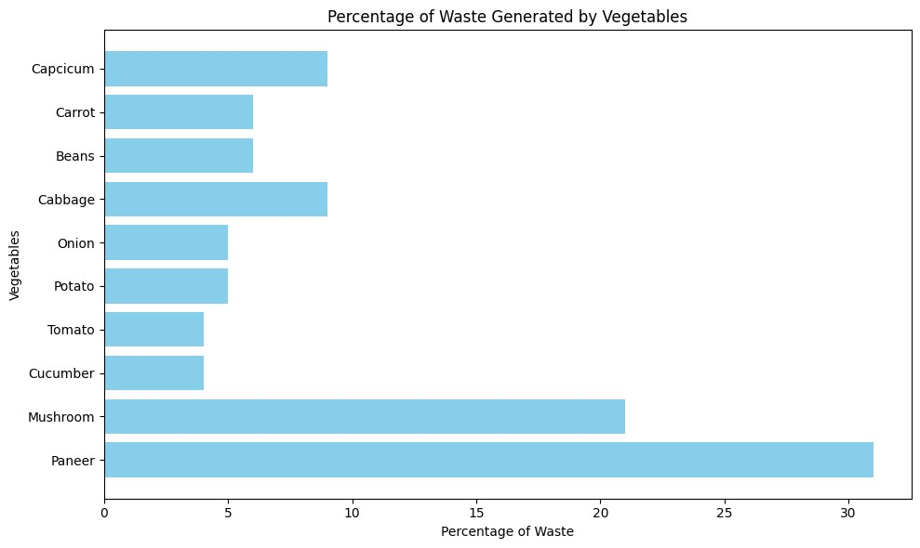
6 | 2024-01-04 | Beans | Veggies | 40 | kg | 1 | 40
7 | 2024-01-04 | Cabbage | Veggies | 30 | piece | 8 | 240
8 | 2024-01-04 | Onion | Veggies | 30 | kg | 6 | 180
9 | 2024-01-04 | Potato | Veggies | 25 | kg | 8 | 200
10 | 2024-01-04 | Tomato | Veggies | 40 | kg | 2 | 80
11 | 2024-01-04 | Cucumber | Veggies | 30 | kg | 2 | 60
12 | 2024-01-04 | Mushroom | Veggies | 200 | kg | 1 | 200
13 | 2024-01-04 | Paneer | Veggies | 360 | kg | 2 | 720
14 | 2024-01-04 | Rice | Staple | 92 | kg | 3 | 276
15 | 2024-01-04 | Noodles | Staple | 35 | kg | 6 | 210
16 | 2024-01-04 | Mayonese | Sauce | 190 | pack | 1 | 190
17 | 2024-01-04 | Bread | Bread | 24 | pack | 2 | 48
18 | 2024-01-04 | Burger Bun | Bread | 26 | 4 pcs | 4 | 104
19 | 2024-01-06 | Refined Oil (Fortune) | Oil | 125 | ml
20 | 2024-01-06 | Corn Flour | Flour | 65 | kg | 3 | 195
21 | 2024-01-06 | All Purpose Flour | Flour | 35 | kg | 12 | 420
22 | 2024-01-06 | Capcicum | Veggies | 80 | kg | 2 | 160
23 | 2024-01-06 | Carrot | Veggies | 40 | kg | 3 | 120
24 | 2024-01-06 | Beans | Veggies | 40 | kg | 1 | 40
25 | 2024-01-06 | Cabbage | Veggies | 30 | piece | 10 | 300
26 | 2024-01-06 | Onion | Veggies | 30 | kg | 5 | 150
27 | 2024-01-06 | Potato | Veggies | 25 | kg | 10 | 250
28 | 2024-01-06 | Tomato | Veggies | 40 | kg | 3 | 120
29 | 2024-01-06 | Cucumber | Veggies | 30 | kg | 3 | 90
30 | 2024-01-06 | Mushroom | Veggies | 200 | kg | 2 | 400
31 | 2024-01-06 | Paneer | Veggies | 360 | kg | 3 | 1080
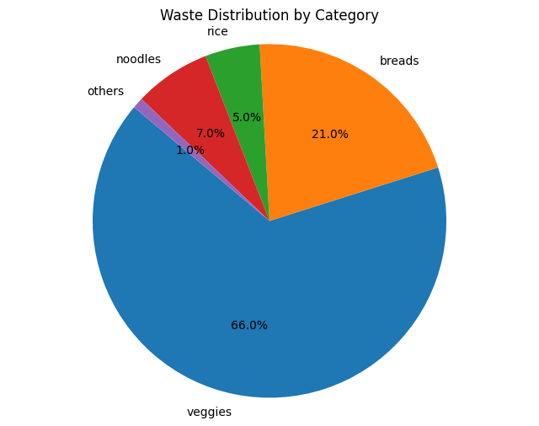
32 | 2024-01-06 | Rice | Staple | 92 | kg | 4 | 368
33 | 2024-01-06 | Noodles | Staple | 35 | kg | 7 | 245
34 | 2024-01-06 | Mayonese | Sauce | 190 | pack | 2 | 380
35 | 2024-01-06 | Bread | Bread | 24 | pack | 2 | 48
36 | 2024-01-06 | Burger Bun | Bread | 26 | 4 pcs | 5 | 130
37 | 2024-01-09 | Refined Oil (Fortune) | Oil | 125 | ml
38 | 2024-01-09 | Corn Flour | Flour | 65 | kg | 4 | 260
39 | 2024-01-09 | All Purpose Flour | Flour | 35 | kg | 8 | 280
40 | 2024-01-09 | Capcicum | Veggies | 80 | kg | 3 | 240
41 | 2024-01-09 | Carrot | Veggies | 40 | kg | 2 | 80
42 | 2024-01-09 | Beans | Veggies | 40 | kg | 1 | 40
43 | 2024-01-09 | Cabbage | Veggies | 30 | piece | 6 | 180
44 | 2024-01-09 | Onion | Veggies | 30 | kg | 7 | 210
45 | 2024-01-09 | Potato | Veggies | 25 | kg | 9 | 225
46 | 2024-01-09 | Tomato | Veggies | 40 | kg | 1 | 40
47 | 2024-01-09 | Cucumber | Veggies | 30 | kg | 1 | 30
48 | 2024-01-09 | Mushroom | Veggies | 200 | kg | 1 | 200
49 | 2024-01-09 | Paneer | Veggies | 360 | kg | 3 | 1080
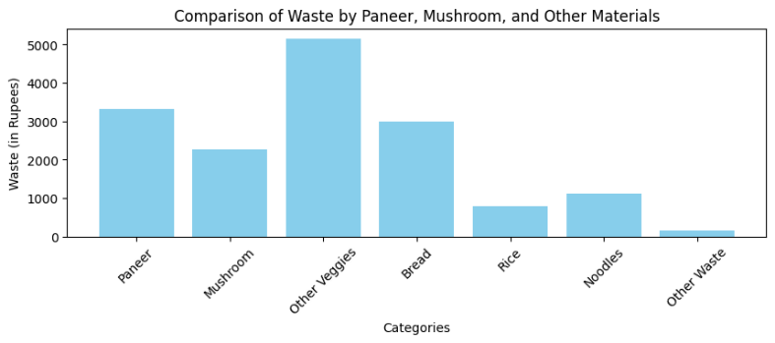
50 | 2024-01-09 | Rice | Staple | 92 | kg | 2 | 184
51 | 2024-01-09 | Noodles | Staple | 35 | kg | 4 | 140
52 | 2024-01-09 | Mayonese | Sauce | 190 | pack | 1 | 190
53 | 2024-01-09 | Bread | Bread | 24 | pack | 2 | 48
54 | 2024-01-09 | Burger Bun | Bread | 26 | 4 pcs | 6 | 156
55 | 2024-01-11 | Refined Oil (Fortune) | Oil | 125 | ml
56 | 2024-01-11 | Corn Flour | Flour | 65 | kg | 6 | 390
57 | 2024-01-11 | All Purpose Flour | Flour | 35 | kg | 10 | 350
58 | 2024-01-11 | Capcicum | Veggies | 80 | kg | 2 | 160
59 | 2024-01-11 | Carrot | Veggies | 40 | kg | 3 | 120
60 | 2024-01-11 | Beans | Veggies | 40 | kg | 1 | 40
61 | 2024-01-11 | Cabbage | Veggies | 30 | piece | 8 | 240
62 | 2024-01-11 | Onion | Veggies | 30 | kg | 8 | 240
63 | 2024-01-11 | Potato | Veggies | 25 | kg | 7 | 175
64 | 2024-01-11 | Tomato | Veggies | 40 | kg | 2 | 80
65 | 2024-01-11 | Cucumber | Veggies | 30 | kg | 2 | 60
66 | 2024-01-11 | Mushroom | Veggies | 200 | kg | 2 | 400
67 | 2024-01-11 | Paneer | Veggies | 360 | kg | 3 | 1080
68 | 2024-01-11 | Rice | Staple | 92 | kg | 3 | 276
69 | 2024-01-11 | Noodles | Staple | 35 | kg | 5 | 175
70 | 2024-01-11 | Mayonese | Sauce | 190 | pack | 1 | 190
71 | 2024-01-11 | Bread | Bread | 24 | pack | 2 | 48
72 | 2024-01-11 | Burger Bun | Bread | 26 | 4 pcs | 5 | 130
73 | 2024-01-14 | Refined Oil (Fortune) | Oil | 125 | ml | 600 | 75000
74 | 2024-01-14 | Corn Flour | Flour | 65 | kg | 5 | 325
75 | 2024-01-14 | All Purpose Flour | Flour | 35 | kg | 12 | 420
76 | 2024-01-14 | Capcicum | Veggies | 80 | kg | 3 | 240
77 | 2024-01-14 | Carrot | Veggies | 40 | kg | 2 | 80
78 | 2024-01-14 | Beans | Veggies | 40 | kg | 1 | 40
79 | 2024-01-14 | Cabbage | Veggies | 30 | piece | 8 | 240
80 | 2024-01-14 | Onion | Veggies | 30 | kg | 6 | 180
81 | 2024-01-14 | Potato | Veggies | 25 | kg | 8 | 200
82 | 2024-01-14 | Tomato | Veggies | 40 | kg | 3 | 120
83 | 2024-01-14 | Cucumber | Veggies | 30 | kg | 2 | 60
84 | 2024-01-14 | Mushroom | Veggies | 200 | kg | 1 | 200
85 | 2024-01-14 | Paneer | Veggies | 360 | kg | 2 | 720
86 | 2024-01-14 | Rice | Staple | 92 | kg | 3 | 276
87 | 2024-01-14 | Noodles | Staple | 35 | kg | 6 | 210
88 | 2024-01-14 | Mayonese | Sauce | 190 | pack | 1 | 190
89 | 2024-01-14 | Bread | Bread | 24 | pack | 2 | 48
90 | 2024-01-14 | Burger Bun | Bread | 26 | 4 pcs | 4 | 104
91 | 2024-01-16 | Refined Oil (Fortune) | Oil | 125 | ml | 550 | 68750
92 | 2024-01-16 | Corn Flour | Flour | 65 | kg | 4 | 260
93 | 2024-01-16 | All Purpose Flour | Flour | 35 | kg | 10 | 350
94 | 2024-01-16 | Capcicum | Veggies | 80 | kg | 2 | 160
95 | 2024-01-16 | Carrot | Veggies | 40 | kg | 3 | 120
96 | 2024-01-16 | Beans | Veggies | 40 | kg | 1 | 40
97 | 2024-01-16 | Cabbage | Veggies | 30 | piece | 8 | 240
98 | 2024-01-16 | Onion | Veggies | 30 | kg | 8 | 240
99 | 2024-01-16 | Potato | Veggies | 25 | kg | 7 | 175
100 | 2024-01-16 | Tomato | Veggies | 40 | kg | 2 | 80
101 | 2024-01-16 | Cucumber | Veggies | 30 | kg | 2 | 60
102 | 2024-01-16 | Mushroom | Veggies | 200 | kg | 2 | 400
103 | 2024-01-16 | Paneer | Veggies | 360 | kg | 3 | 1080
104 | 2024-01-16 | Rice | Staple | 92 | kg | 3 | 276
105 | 2024-01-16 | Noodles | Staple | 35 | kg | 5 | 175
106 | 2024-01-16 | Mayonese | Sauce | 190 | pack | 1 | 190
107 | 2024-01-16 | Bread | Bread | 24 | pack | 2 | 48
108 | 2024-01-16 | Burger Bun | Bread | 26 | 4 pcs | 5 | 130
109 | 2024-01-18 | Refined Oil (Fortune) | Oil | 125 | ml | 600 | 75000
110 | 2024-01-18 | Corn Flour | Flour | 65 | kg | 5 | 325
111 | 2024-01-18 | All Purpose Flour | Flour | 35 | kg | 10 | 350
112 | 2024-01-18 | Capcicum | Veggies | 80 | kg | 3 | 240
113 | 2024-01-18 | Carrot | Veggies | 40 | kg | 2 | 80
114 | 2024-01-18 | Beans | Veggies | 40 | kg | 1 | 40
...

