Sheet1
Workbook location | D:\github\xlslim-code-samples\duckdb |  | This sheet shows how the DuckDbQuery() function can run DuckDB SQL queries and return the results to Excel. DuckDB can query many different data sources, including csv files, JSON files and Parquet files. See https://duckdb.org/docs/sql/introduction.html for an overview of DuckDB's powerful functionality.
CSV File | D:\github\xlslim-code-samples\duckdb\..\data\10000SalesRecords.csv
JSON File | D:\github\xlslim-code-samples\duckdb\..\data\laureate.json
Parquet File | D:\github\xlslim-code-samples\duckdb\..\data\titanic.parquet
 |  |  | https://duckdb.org/docs/sql/introduction.html
Querying CSV Files

SELECT Region, "Item Type", "Total Revenue" FROM 'D:\github\xlslim-code-samples\duckdb\..\data\10000SalesRecords.csv' LIMIT 5
Region | Item Type | Total Revenue
Sub-Saharan Africa | Office Supplies | 2,920,026 | DuckDB can natively query csv files. The csv file is treated like a regular database table. Here we query the region, item type and revenue in the top 5 rows of the csv file.
Europe | Beverages | 51,009
Middle East and North Africa | Vegetables | 1,003,701
Sub-Saharan Africa | Household | 5,134,318
Europe | Beverages | 165,648 | https://duckdb.org/docs/data/csv/overview

PIVOT 'D:\github\xlslim-code-samples\duckdb\..\data\10000SalesRecords.csv' ON Region IN ("Europe", "Asia") USING sum("Total Revenue") GROUP BY "Item Type" ORDER BY "Item Type"
Item Type | Europe | Asia
Baby Food | 257,978,820 | 169,881,437 | DuckDB has rich data pivot functionality so we can analyze data without needing Excel pivot tables. We can view the total revenue in Europe and Asia broken down by item type.
Beverages | 44,628,149 | 26,201,083
Cereal | 234,729,412 | 124,672,713
Clothes | 123,942,753 | 57,830,320
Cosmetics | 500,380,646 | 260,521,796
Fruits | 9,820,357 | 4,847,196
Household | 686,691,531 | 394,664,224
Meat | 474,278,613 | 240,082,411 | https://duckdb.org/docs/sql/statements/pivot
Office Supplies | 734,171,549 | 464,479,440
Personal Care | 95,892,011 | 55,541,992
Snacks | 155,387,014 | 95,274,614
Vegetables | 163,471,217 | 111,308,350
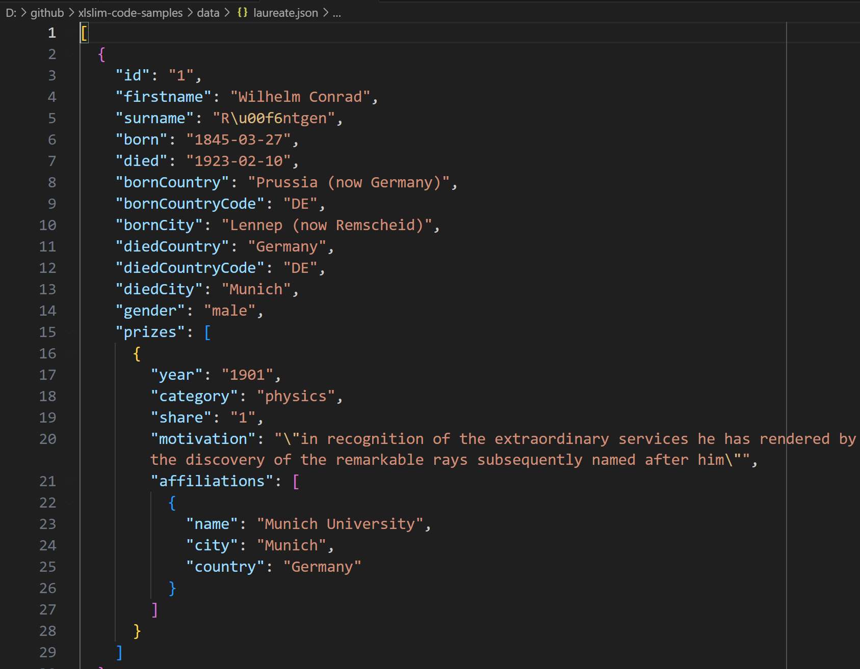

Querying JSON Files |  |  | https://duckdb.org/docs/extensions/json

SELECT firstname, surname, bornCountry FROM 'D:\github\xlslim-code-samples\duckdb\..\data\laureate.json' LIMIT 5
firstname | surname | bornCountry
Wilhelm Conrad | Röntgen | Prussia (now Germany) | JSON data can be hard to query, however DuckDB makes it easier. The laureate.json file contains details of all Nobel prize winners. DuckDB allows us to select the name and birth country for the first 5 entries.
Hendrik A. | Lorentz | the Netherlands
Pieter | Zeeman | the Netherlands
Henri | Becquerel | France
Pierre | Curie | France

SELECT bornCountry AS Country, COUNT(*) AS Number FROM 'D:\github\xlslim-code-samples\duckdb\..\data\laureate.json' GROUP BY bornCountry ORDER BY COUNT(*) DESC LIMIT 5
Country | Number
USA | 294 |  | We can determine where most Nobel laureates were born.
United Kingdom | 91
Germany | 67
France | 58
Sweden | 30

SELECT firstname, surname, prizes->>'$[0].category' AS Category, prizes->>'$[0].motivation'AS Motivation FROM 'D:\github\xlslim-code-samples\duckdb\..\data\laureate.json' LIMIT 5
firstname | surname | Category | Motivation
Wilhelm Conrad | Röntgen | physics | "in recognition of the extraordinary services he has rendered by the discovery of the remarkable rays subsequently named after him"
Hendrik A. | Lorentz | physics | "in recognition of the extraordinary service they rendered by their researches into the influence of magnetism upon radiation phenomena"
Pieter | Zeeman | physics | "in recognition of the extraordinary service they rendered by their researches into the influence of magnetism upon radiation phenomena"
Henri | Becquerel | physics | "in recognition of the extraordinary services he has rendered by his discovery of spontaneous radioactivity"
Pierre | Curie | physics | "in recognition of the extraordinary services they have rendered by their joint researches on the radiation phenomena discovered by Professor Henri Becquerel"
 |  |  | DuckDB supports JSONPath operations on nested data such as the prizes column. Using prizes->>'$[0].category extracts the prize category of the first prize awarded.

Querying Parquet Files |  |  | https://duckdb.org/docs/data/parquet/overview

SELECT Survived, Pclass, Sex FROM 'D:\github\xlslim-code-samples\duckdb\..\data\titanic.parquet' LIMIT 5
Survived | Pclass | Sex
0 | 3 | male | Parquet files are very efficient and are often used to store large quantities of data. DuckDB supports high performance quering of Parquet files.
1 | 1 | female
1 | 3 | female
1 | 1 | female
0 | 3 | male

PIVOT 'D:\github\xlslim-code-samples\duckdb\..\data\titanic.parquet' ON Pclass USING SUM(Survived) GROUP BY Sex |  |  |  | DuckDB's PIVOT statement and Parquet file support allows us to breakdown the number of Titanic survivors by bunk class and passenger sex.
Sex | 1 | 2 | 3
male | 45 | 17 | 47
female | 91 | 70 | 72

Querying both JSON and CSV

WITH CountrySales AS (SELECT CASE WHEN Country='United States of America' THEN 'USA' ELSE Country END AS Country, Sum("Total Revenue") AS Sales FROM 'D:\github\xlslim-code-samples\duckdb\..\data\10000SalesRecords.csv' GROUP BY Country) SELECT cs.Country, SUM(cs.Sales) AS Sales, COUNT(*) AS "Nobel Laureates" FROM CountrySales cs INNER JOIN 'D:\github\xlslim-code-samples\duckdb\..\data\laureate.json' l ON cs.Country = l.bornCountry GROUP BY cs.Country ORDER BY "Nobel Laureates" DESC LIMIT 5

Country | Sales | Nobel Laureates
USA | 24,745,402,581 | 294
United Kingdom | 7,491,539,227 | 91
Germany | 5,857,271,880 | 67
France | 4,059,423,266 | 58
Sweden | 2,035,288,135 | 30

