Mass & CG (1)
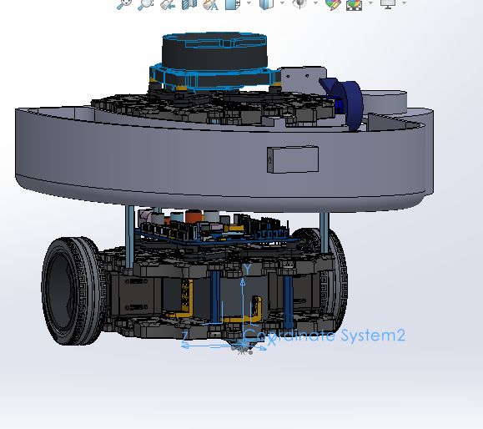
Group 1: Alexander Yaw Kai Mun (A0306763B), Shandrico (A0305761H), Russell (A0323035U), Moksh (A0305884W)
TurtleBot3 Burger - Mass, CG & MOI Estimation
Origin: Centre of Ball Socket, at ground level. X = Back, Y = Up, Z = Left
Dimensions: 138mm (L) x 178mm (W) x 192mm (H) | Includes Self-Made Payload (Ramp + Launcher + Camera)

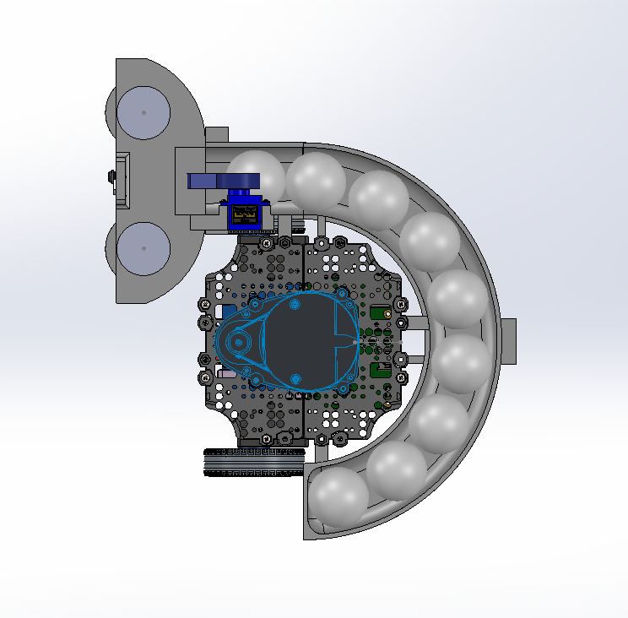
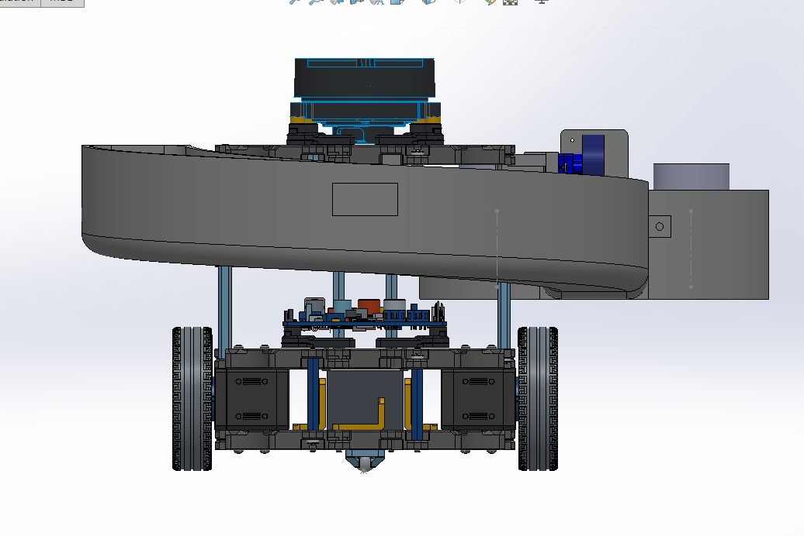
No. | Part Name | Qty | Unit Mass (g) | Total Mass (g) | CG X (mm) | CG Y (mm) | CG Z (mm) | Mass*X (g.mm) | Mass*Y (g.mm) | Mass*Z (g.mm) | Top View | Rear View
1 | Waffle Plate (Layer 1 - Base) with fasteners | 1 | 138.12 | 138.12 | -49.00 | 11.12 | 0.00 | -6767.88 | 1535.89 | 0.00
2 | Waffle Plate (Layer 2) with fasteners | 1 | 138.12 | 138.12 | -49.00 | 48.44 | 0.00 | -6767.88 | 6690.53 | 0.00
3 | Waffle Plate (Layer 3) with fasteners | 1 | 138.12 | 138.12 | -49.00 | 95.22 | 0.00 | -6767.88 | 13151.79 | 0.00
4 | Waffle Plate (Layer 4 - Top) fasteners | 1 | 138.12 | 138.12 | -49.00 | 142.02 | 0.00 | -6767.88 | 19615.80 | 0.00
5 | Dynamixel XL430-W250 (Left Motor) | 1 | 16.00 | 16.00 | -69.00 | 29.08 | 52.67 | -1104.00 | 465.28 | 842.72
6 | Dynamixel XL430-W250 (Right Motor) | 1 | 16.00 | 16.00 | -69.00 | 28.54 | -52.67 | -1104.00 | 456.64 | -842.72
7 | Wheel + Tire (Left) | 1 | 29.88 | 29.88 | -81.00 | 28.81 | 78.62 | -2420.28 | 860.84 | 2349.17
8 | Wheel + Tire (Right) | 1 | 29.88 | 29.88 | -81.00 | 28.81 | -78.62 | -2420.28 | 860.84 | -2349.17
9 | Ball Caster Assembly | 1 | 1.44 | 1.44 | 0.00 | 2.19 | 0.00 | 0.00 | 3.15 | 0.00
10 | OpenCR 1.0 Board | 1 | 64.00 | 64.00 | -55.61 | 64.69 | 1.41 | -3559.04 | 4140.16 | 90.24
11 | Raspberry Pi 4 | 1 | 47.00 | 47.00 | 4.00 | 3.00 | 96.00 | 188.00 | 141.00 | 4512.00
12 | LDS-02 LiDAR Sensor | 1 | 53.00 | 53.00 | -54.20 | 153.35 | 0.00 | -2872.60 | 8127.55 | 0.00
13 | Li-Po Battery (11.1V 1800mAh) | 1 | 84.03 | 84.03 | -45.66 | 28.11 | 0.00 | -3836.81 | 2362.08 | 0.00
14 | USB2LDS Board | 1 | 2.65 | 2.65 | -64.02 | 99.39 | 1.77 | -169.65 | 263.38 | 4.69
15 | PLA Ball Storage (3D Printed) | 1 | 245.30 | 245.30 | -0.01 | 106.09 | -12.77 | -2.45 | 26023.88 | -3132.48
16 | Flywheel, Servo, RPi Housing (3D Printed PLA) | 1 | 83.71 | 83.71 | -138.05 | 108.05 | -102.73 | -11556.17 | 9044.87 | -8599.53
17 | Left RC-300 DC Motor 1.5 - 6.5 V | 1 | 21.00 | 21.00 | -153.51 | 130.56 | -60.50 | -3223.71 | 2741.76 | -1270.50
18 | Right RC-300 DC Motor | 1 | 21.00 | 21.00 | -153.51 | 130.56 | -149.50 | -3223.71 | 2741.76 | -3139.50
19 | SG90 Servo Motor (Ball Feed) | 1 | 9.00 | 9.00 | -87.61 | 135.16 | -86.52 | -788.49 | 1216.44 | -778.68
20 | RPi Camera Module V2 | 1 | 3.00 | 3.00 | -91.48 | 132.86 | -10.61 | -274.44 | 398.58 | -31.83
21 | Flywheel Left | 1 | 83.59 | 83.59 | -153.51 | 97.61 | -60.50 | -12831.90 | 8159.22 | -5057.20 | Left View | Right View
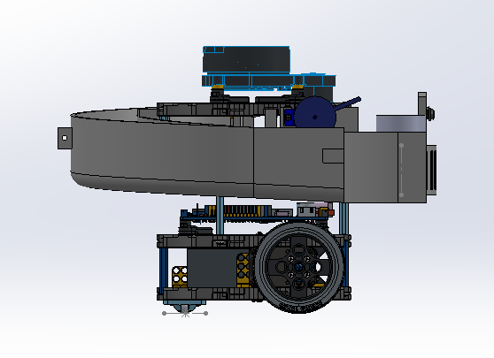
22 | Flywheel Right | 1 | 83.59 | 83.59 | -153.51 | 97.61 | -149.50 | -12831.90 | 8159.22 | -12496.71
23 | Pingpong Ball 1 | 1 | 2.70 | 2.70 | -26.00 | 117.26 | 102.11 | -70.20 | 316.60 | 275.70
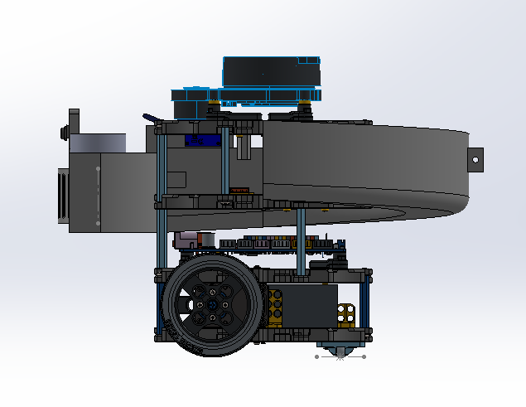
24 | Pingpong Ball 2 | 1 | 2.70 | 2.70 | 12.19 | 115.01 | 84.61 | 32.91 | 310.53 | 228.45
25 | Pingpong Ball 3 | 1 | 2.70 | 2.70 | 39.84 | 112.79 | 54.05 | 107.57 | 304.53 | 145.94
26 | Pingpong Ball 4 | 1 | 2.70 | 2.70 | 54.72 | 110.53 | 14.65 | 147.74 | 298.43 | 39.56
27 | Pingpong Ball 5 | 1 | 2.70 | 2.70 | 52.15 | 108.26 | -27.57 | 140.81 | 292.30 | -74.44
28 | Pingpong Ball 6 | 1 | 2.70 | 2.70 | 33.90 | 106.04 | -64.69 | 91.53 | 286.31 | -174.66
29 | Pingpong Ball 7 | 1 | 2.70 | 2.70 | 0.37 | 103.74 | -92.09 | 1.00 | 280.10 | -248.64
30 | Pingpong Ball 8 | 1 | 2.70 | 2.70 | -40.83 | 101.43 | -103.92 | -110.24 | 273.86 | -280.58
31 | Pingpong Ball 9 | 1 | 2.70 | 2.70 | -80.27 | 99.36 | -105.19 | -216.73 | 268.27 | -284.01
 | TOTALS | 31 | 1470.85 | 1470.85 | -1596.61 | 2675.69 | -671.49 | -88978.56 | 119791.61 | -30272.20

SYSTEM CENTRE OF GRAVITY
 | Total Mass (g) | 1471
 | Total Mass (kg) | 1.471
 | System CG X (mm) | -60.5
 | System CG Y (mm) | 81.4
 | System CG Z (mm) | -20.6

 | Location of Origin (Center of Ball Caster)

