Maps - California EV Charg Stat
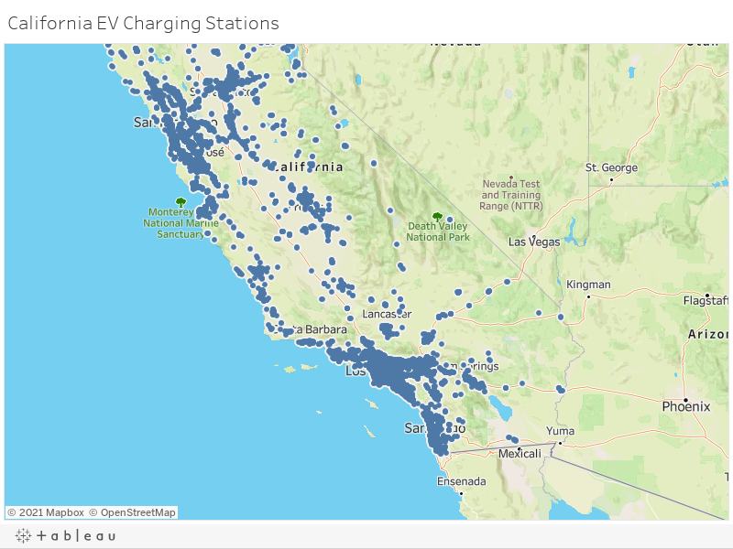
https://public.tableau.com/views/EV_16187643788980/CaliforniaEVChargingStations?:language=en&:display_count=y&publish=yes&:origin=viz_share_link

Maps -PEV Ownership by Zip Code
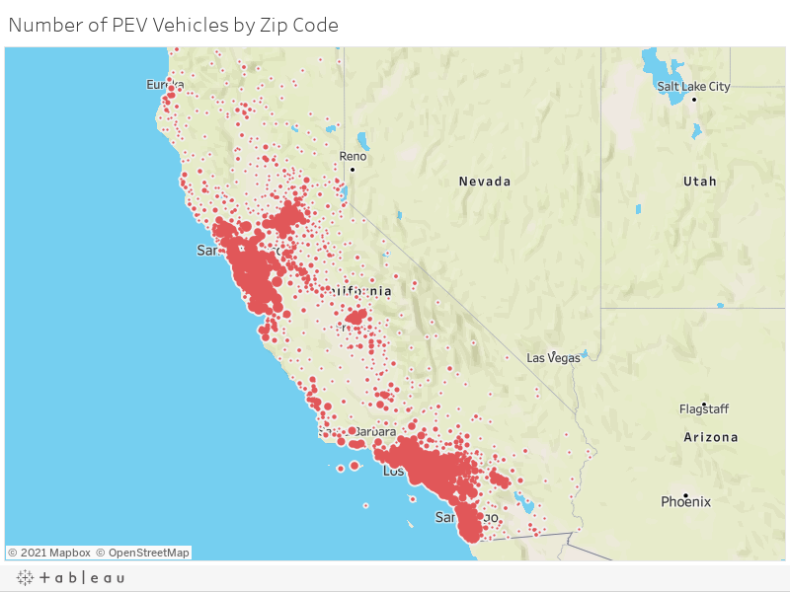
https://public.tableau.com/views/PEVownershipbyZipCode/NumberofPEVVehiclesbyZipCode?:language=en&:display_count=y&publish=yes&:origin=viz_share_link

Maps - California Medin Income
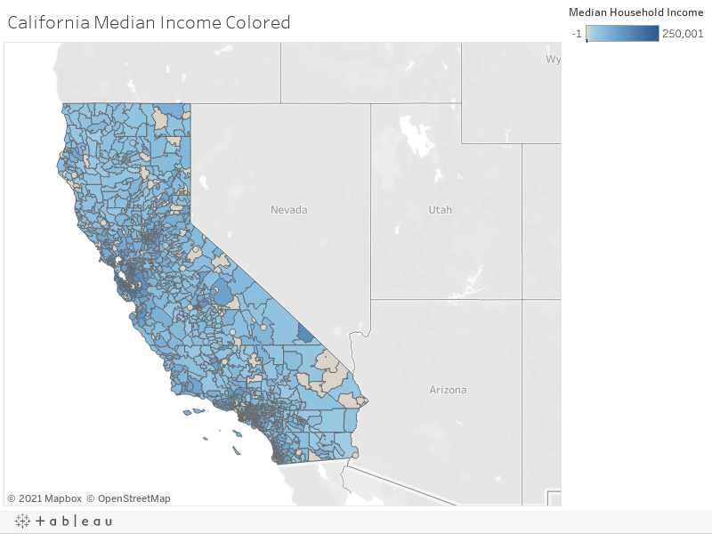
https://public.tableau.com/views/EV_16187643788980/CaliforniaMedianIncomeColored?:language=en&:display_count=y&publish=yes&:origin=viz_share_link

Maps - CA Income and EV Charge
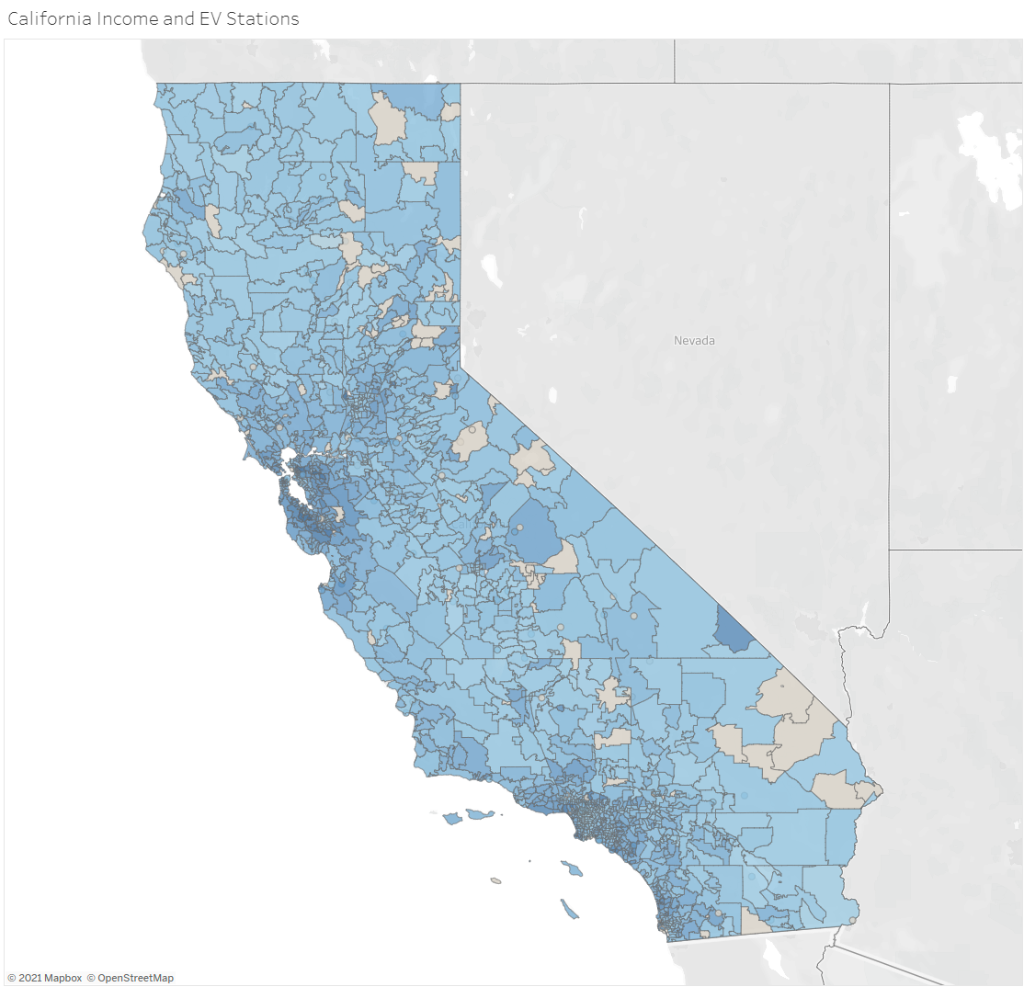
https://public.tableau.com/views/EV_16187643788980/CaliforniaIncomeandEVStations?:language=en&:display_count=y&publish=yes&:origin=viz_share_link

% of PEV Vehicles by County
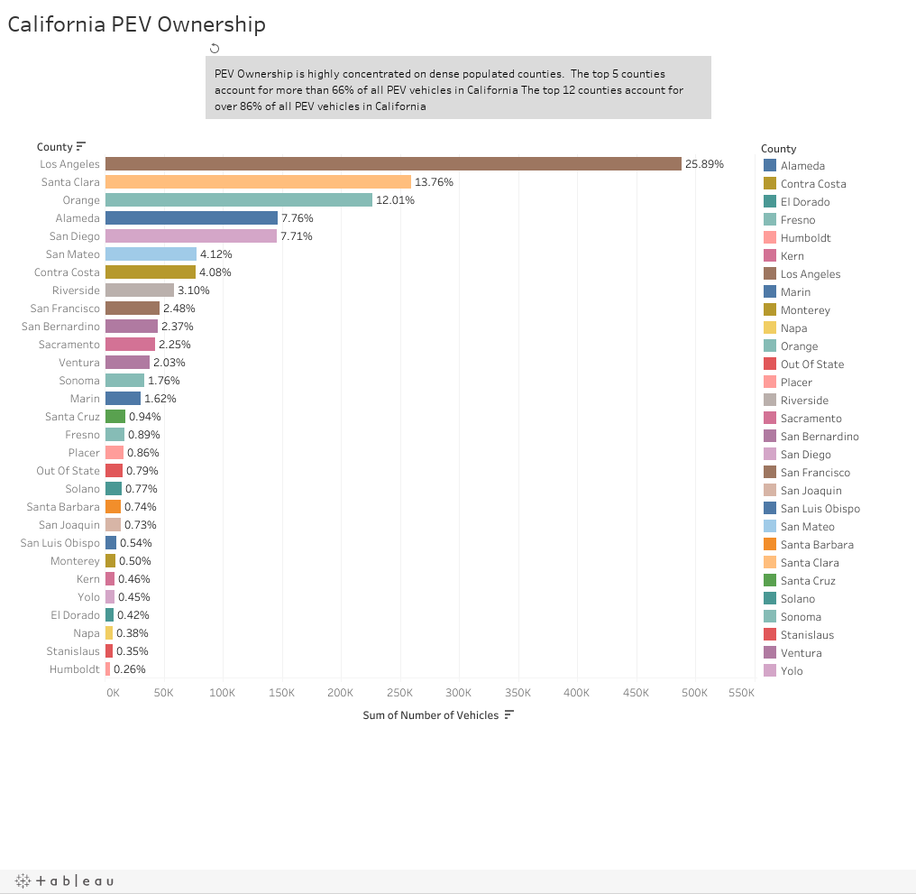
Ranking | County | % of Total Sum | Sum of # of Vehicles
1 | Los Angeles | 25.52% | 488,443
2 | Santa Clara | 13.56% | 259,553
3 | Orange | 11.84% | 226,618
4 | Alameda | 7.65% | 146,387
5 | San Diego | 7.60% | 145,396
6 | San Mateo | 4.06% | 77,679
7 | Contra Costa | 4.02% | 76,948
8 | Riverside | 3.06% | 58,552
9 | San Francisco | 2.44% | 46,777
10 | San Bernardino | 2.33% | 44,683
11 | Sacramento | 2.22% | 42,472
12 | Ventura | 2.00% | 38,338
 |  | 86.30% | 1,651,846

https://public.tableau.com/views/CaliforniaPEVOwnership/Story1?:language=en&:display_count=y&publish=yes&:origin=viz_share_link

PEV Age Group
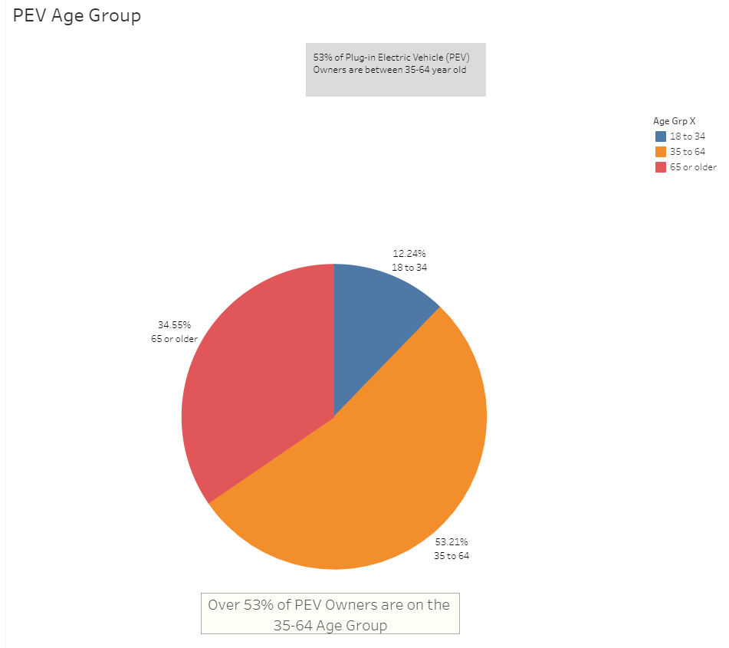
https://public.tableau.com/views/EVConsolidated/Story1?:language=en&:display_count=y&publish=yes&:origin=viz_share_link

PEV Vehicle Size
https://public.tableau.com/views/EVConsolidated/PEVVehicleS?:language=en&:display_count=y&publish=yes&:origin=viz_share_link

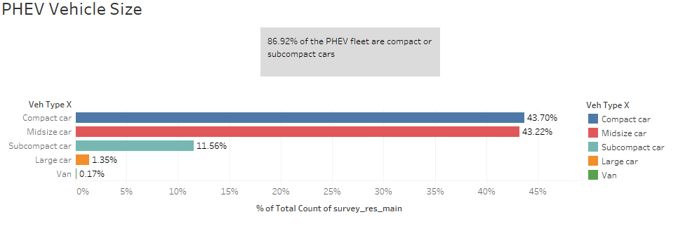

 | https://public.tableau.com/views/EVConsolidated/PEVVehicleS?:language=en&:display_count=y&publish=yes&:origin=viz_share_link

PEV Education Level
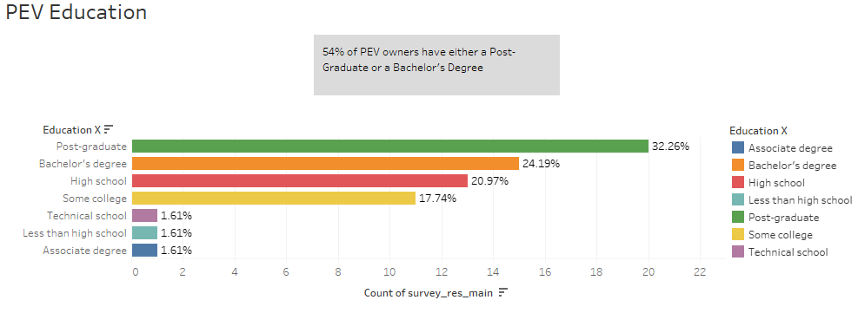
https://public.tableau.com/views/EVConsolidated/Story6?:language=en&:display_count=y&publish=yes&:origin=viz_share_link

Primary Car by Fuel-Type
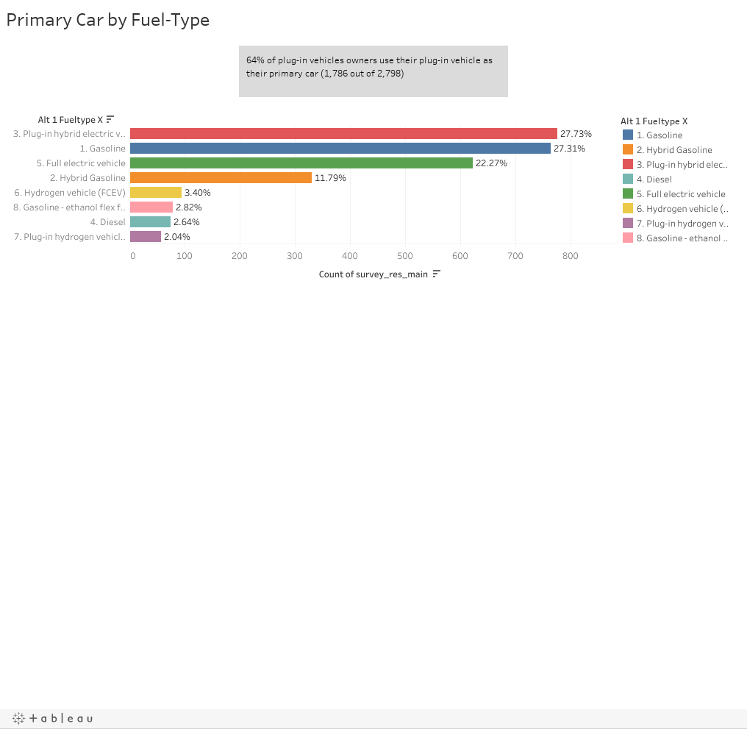
https://public.tableau.com/views/EVStory2/Story1?:language=en&:display_count=y&publish=yes&:origin=viz_share_link

Miles Driven by Fuel Type
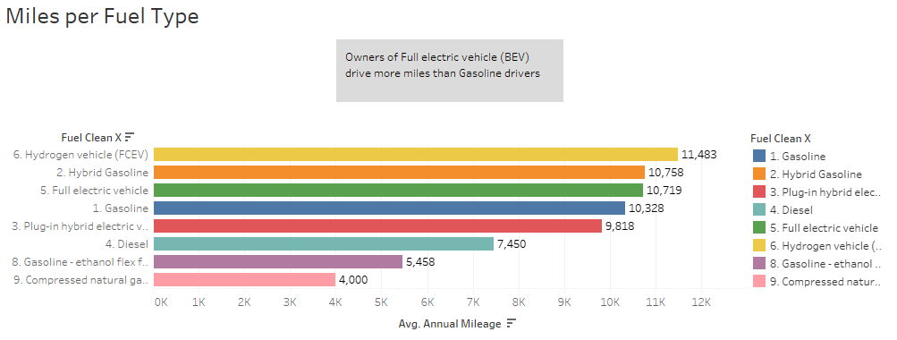

Dedicated Home Charging
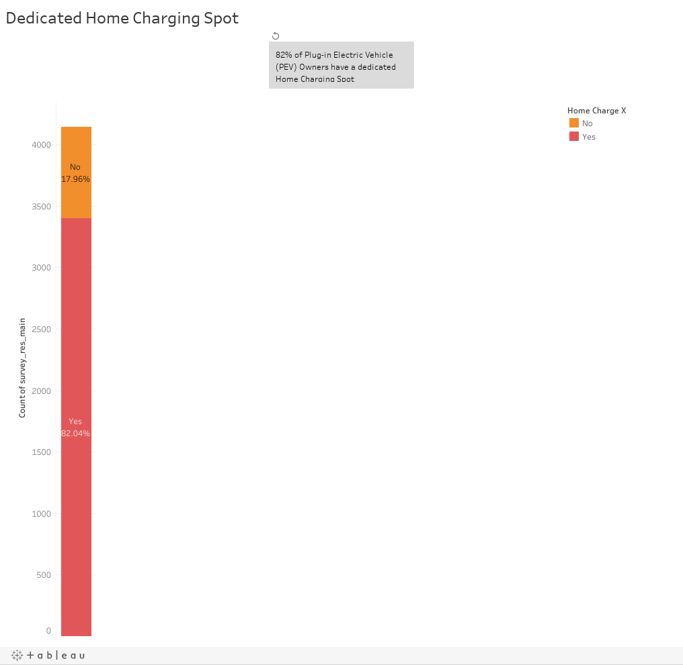
https://public.tableau.com/views/EVConsolidated/Story2?:language=en&:display_count=y&publish=yes&:origin=viz_share_link

PEV owners # vehicles
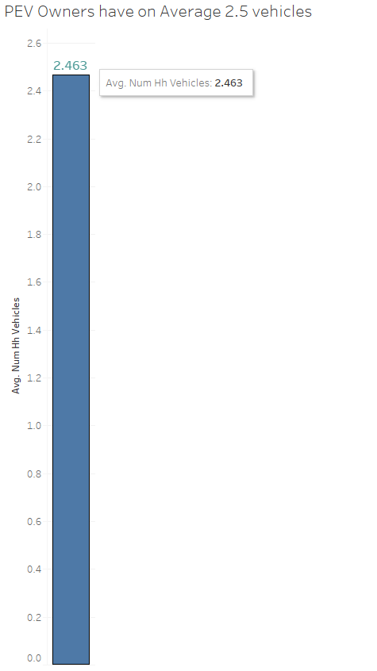
https://public.tableau.com/views/EVConsolidated/CarsofHousehold?:language=en&:display_count=y&publish=yes&:origin=viz_share_link

Region
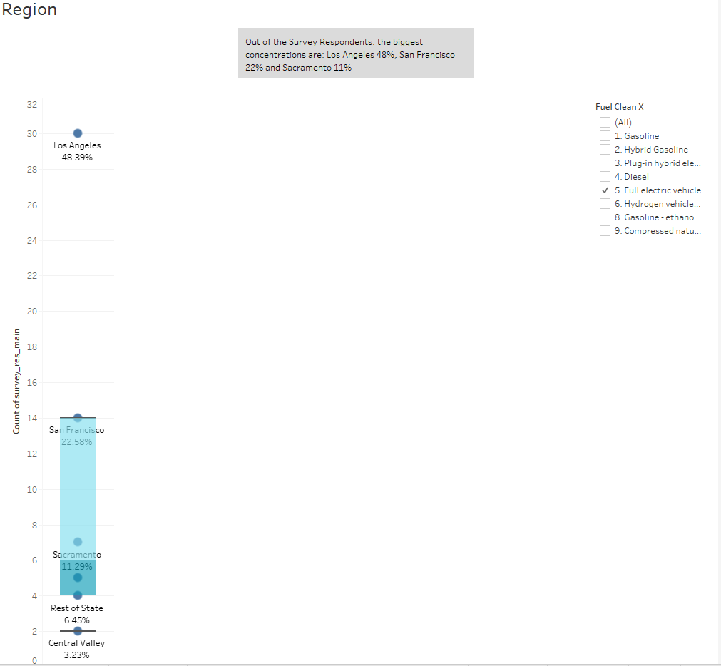

Clean Vehicles by Make
