Dash
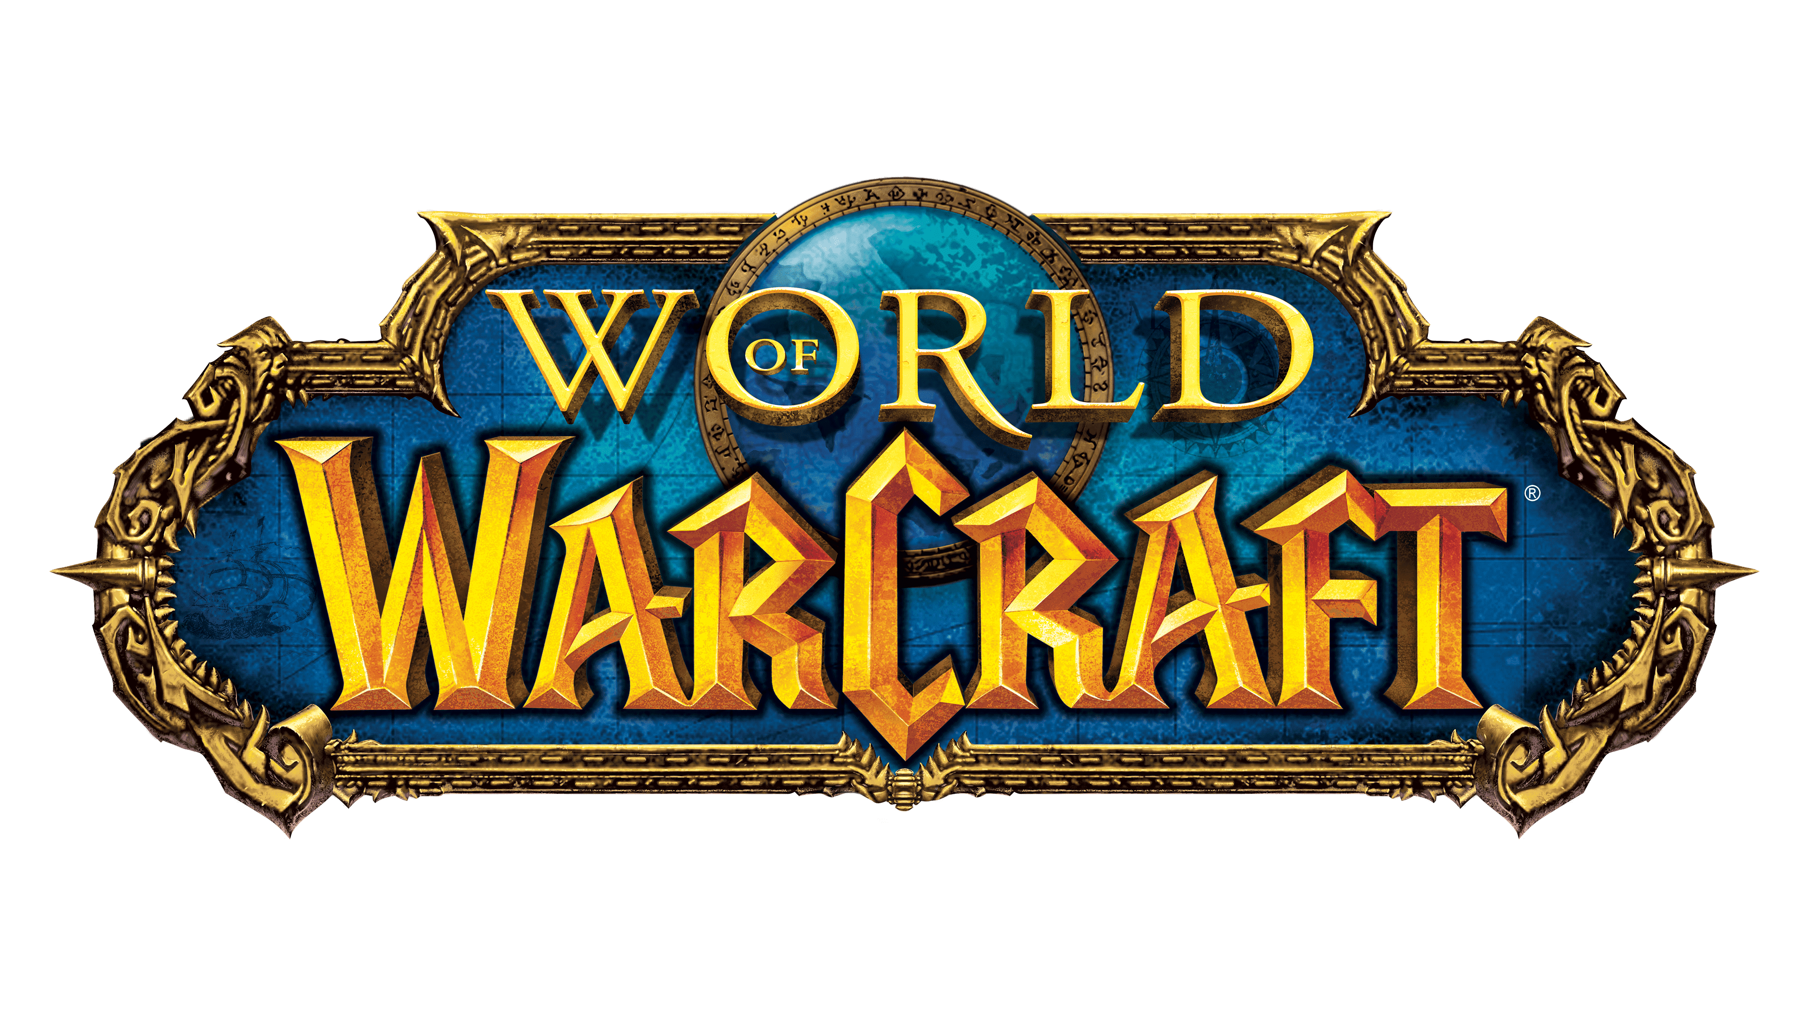
Total Hours Played | Characters 70-80 | Maxed Characters |  |  | Race | Class | Level | Hours Played
10,378 | 38 | 17 | Enter Character Name: | Martyr | Night Elf | Demon Hunter | 80 | 15

432 Days and counting...

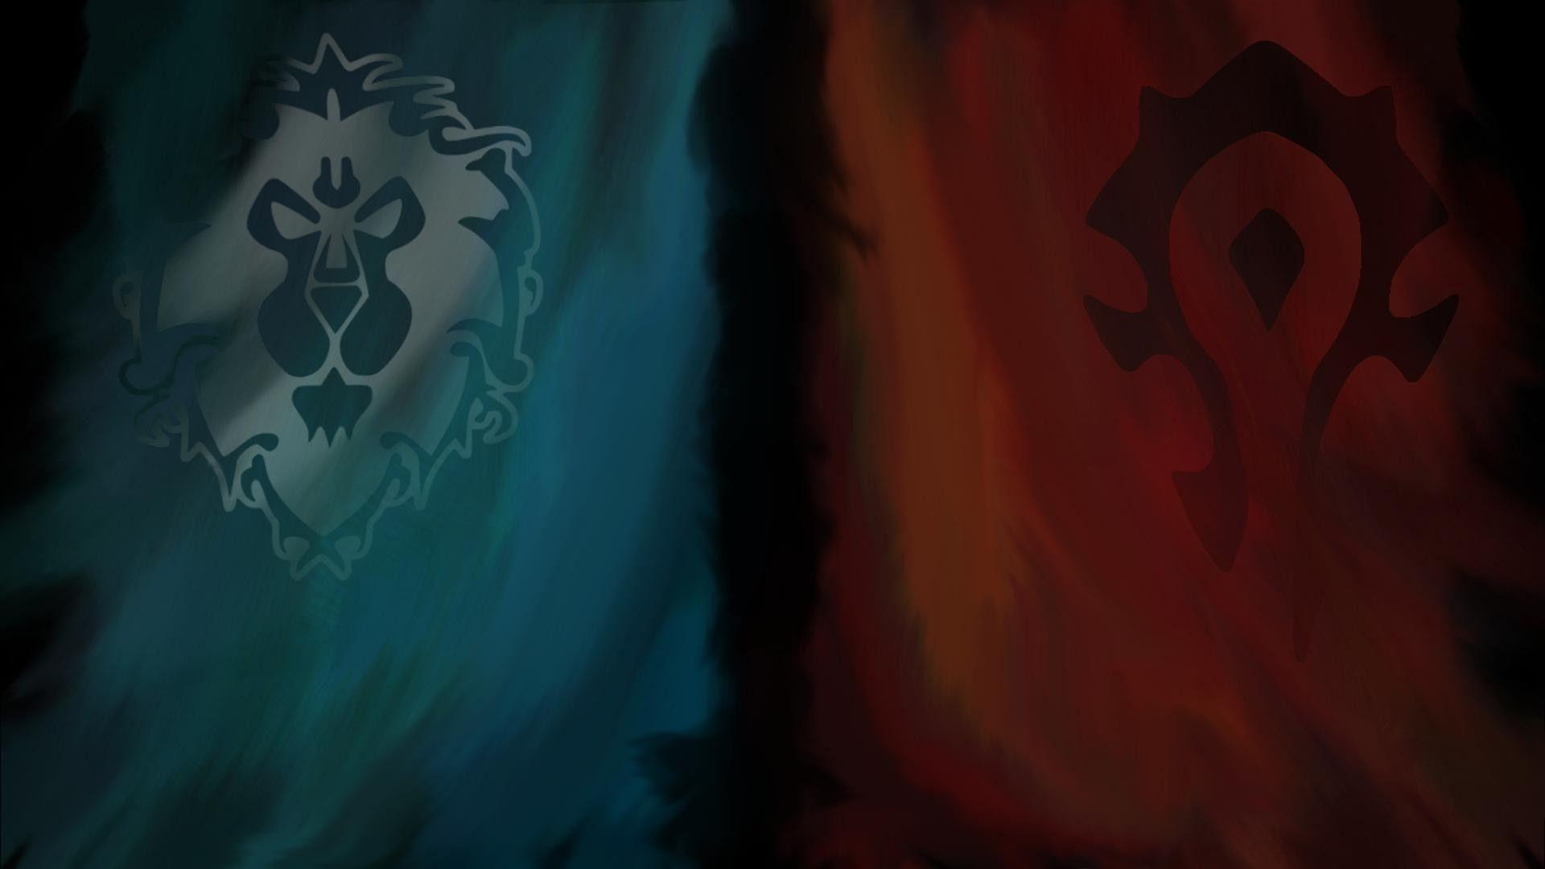

Character Level
 | Total
Adorble | 70
Anger | 70
Attrition | 70
Benediction | 70
Chilli | 70
Chonkmonk | 80
Cloak | 50
Crywank | 70
Deddybear | 80
Deddyvedder | 70
Dedzeppelin | 70
Entropic | 80
Ethyl | 60
Fannybatter | 80
Felsbells | 71
Fenric | 80
Fijjit | 60
Fistandshout | 70
Fyrefox | 51
Gember | 63
Gobblette | 80
Haggis | 53
Hematite | 80
Holyjoan | 60
Hoodoo | 70
Hudson | 30
Jagaroth | 70
Jemm | 80
Jenifur | 70
Juju | 80
Kindness | 22
Mägma | 29
Malicecooper | 21
Martyr | 80
Matterhorn | 70
Mijjit | 60
Minky | 23
Mogwai | 60
Munkyspunk | 80
Pandacadabra | 70
Pandshandy | 70
Perdition | 50
Pinpoint | 70
Pjholy | 60
Poe | 80
Providence | 40
Qomolangma | 80
Redeemed | 80
Revanche | 70
Romana | 45
...

Hours Played by Class
 | Sum of Total Hrs/pld
Death Knight | 755
Demon Hunter | 1109
Druid | 684
Evoker | 100
Hunter | 1451
Mage | 352
Monk | 564
Paladin | 1415
Priest | 1353
Rogue | 339
Shaman | 822
Warlock | 642
Warrior | 792
Faction Split by Character Count
 | Count of Character Name
Alliance | 19
Horde | 40
Character count by Class
 | Total
Death Knight | 7
Demon Hunter | 3
Druid | 4
Evoker | 1
Hunter | 6
Mage | 5
Monk | 4
Paladin | 5
Priest | 5
Rogue | 3
Shaman | 5
Warlock | 5
Warrior | 6
Max iLvl by Class
 | Total
Death Knight | 606
Demon Hunter | 639
Druid | 589
Evoker | 630
Hunter | 649
Mage | 598
Monk | 599
Paladin | 658
Priest | 623
Rogue | 605
Shaman | 565
Warlock | 615
Warrior | 614

