Overview Map
XX
XX
XX
Inbound Movement
Outbound Movement
Intermediary Movement
XX
XX
Cordon Site
Intermediary Site
 | Birmingham City Council
4204-MID Birmingham City Counts 2021
2021-05-25

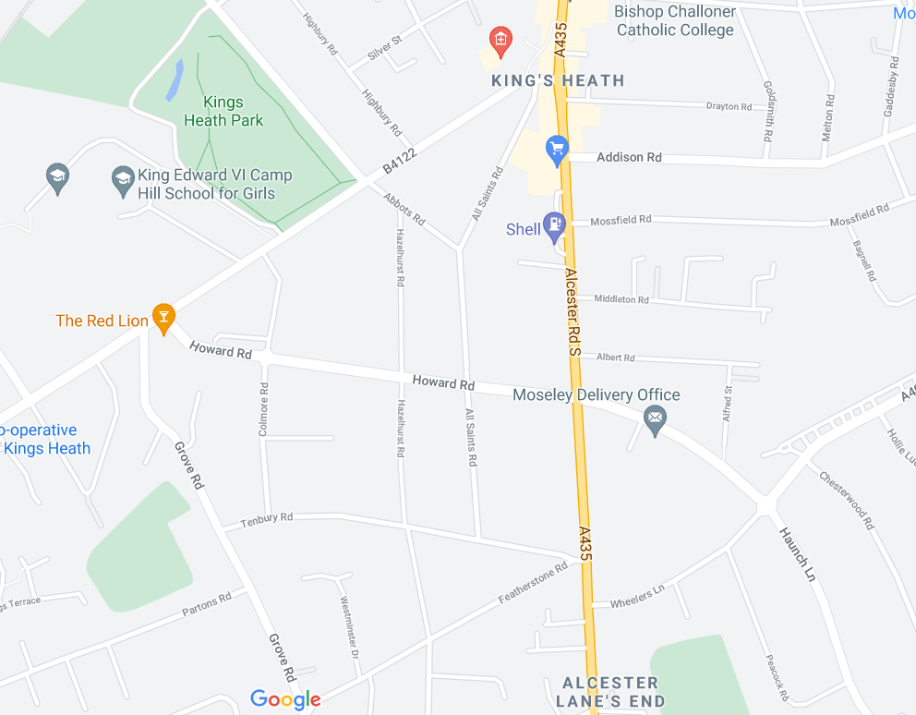
1
2
3
4
5
6
7
8
9
10
11
12
1
2
3
4
5
6

