Sheet1
 | Bf | s | LogLoss | Bf | s | LogLoss

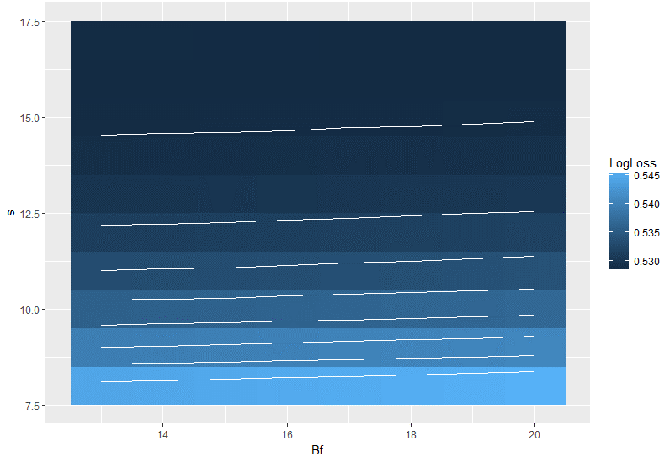
1 | 13 | 8 | 0.5446158 | 1 | 14 | 14.5
2 | 13 | 9 | 0.5397201 | 2 | 14 | 14.8
3 | 13 | 10 | 0.5359874 | 3 | 14 | 15.1
4 | 13 | 11 | 0.5332198 | 4 | 14 | 15.4
5 | 13 | 12 | 0.5312548 | 5 | 14 | 15.7
6 | 13 | 13 | 0.5299209 | 6 | 14 | 16
7 | 13 | 14 | 0.5290851 | 7 | 14 | 16.3
8 | 13 | 15 | 0.5286435 | 8 | 14 | 16.6
9 | 13 | 16 | 0.5284965 | 9 | 14 | 16.9
10 | 13 | 17 | 0.5285944 | 10 | 14 | 17.2
11 | 14 | 8 | 0.544737 | 11 | 14 | 17.5
12 | 14 | 9 | 0.5398618 | 12 | 14 | 17.8
13 | 14 | 10 | 0.5360597 | 13 | 14 | 18.1
14 | 14 | 11 | 0.5332916 | 14 | 14 | 18.4
15 | 14 | 12 | 0.5313163 | 15 | 14 | 18.7
16 | 14 | 13 | 0.5299642 | 16 | 14 | 19
17 | 14 | 14 | 0.5291082 | 17 | 14 | 19.3
18 | 14 | 15 | 0.528651 | 18 | 14 | 19.6
19 | 14 | 16 | 0.5285007 | 19 | 14 | 19.9
20 | 14 | 17 | 0.5285805 | 20 | 14 | 20.2
21 | 15 | 8 | 0.5449164 | 21 | 17 | 14.5
22 | 15 | 9 | 0.5399742 | 22 | 17 | 14.8
23 | 15 | 10 | 0.5361685 | 23 | 17 | 15.1
24 | 15 | 11 | 0.5333373 | 24 | 17 | 15.4
25 | 15 | 12 | 0.5313648 | 25 | 17 | 15.7
26 | 15 | 13 | 0.5300038 | 26 | 17 | 16
27 | 15 | 14 | 0.5291203 | 27 | 17 | 16.3
28 | 15 | 15 | 0.5286684 | 28 | 17 | 16.6
29 | 15 | 16 | 0.5284925 | 29 | 17 | 16.9
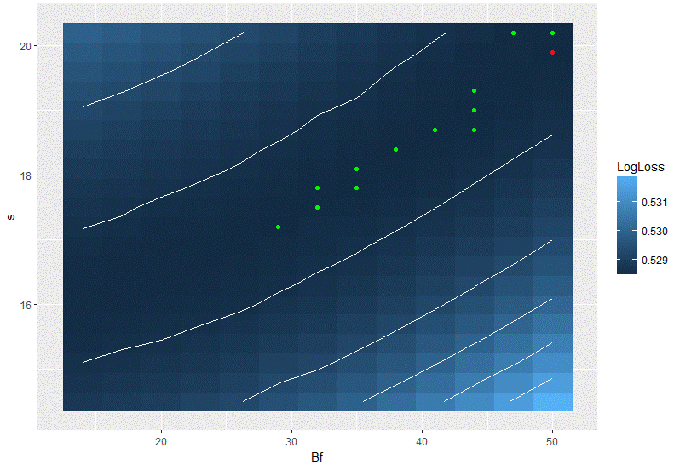
30 | 15 | 17 | 0.5285626 | 30 | 17 | 17.2
31 | 16 | 8 | 0.5450876 | 31 | 17 | 17.5
32 | 16 | 9 | 0.5401446 | 32 | 17 | 17.8
33 | 16 | 10 | 0.5363277 | 33 | 17 | 18.1
34 | 16 | 11 | 0.5334711 | 34 | 17 | 18.4
35 | 16 | 12 | 0.5314494 | 35 | 17 | 18.7
36 | 16 | 13 | 0.530069 | 36 | 17 | 19
37 | 16 | 14 | 0.5291676 | 37 | 17 | 19.3
38 | 16 | 15 | 0.5286745 | 38 | 17 | 19.6
39 | 16 | 16 | 0.5284929 | 39 | 17 | 19.9
40 | 16 | 17 | 0.5285636 | 40 | 17 | 20.2
41 | 17 | 8 | 0.5452763 | 41 | 20 | 14.5
42 | 17 | 9 | 0.5403013 | 42 | 20 | 14.8
43 | 17 | 10 | 0.5364329 | 43 | 20 | 15.1
44 | 17 | 11 | 0.5336112 | 44 | 20 | 15.4
45 | 17 | 12 | 0.5315468 | 45 | 20 | 15.7
46 | 17 | 13 | 0.5301305 | 46 | 20 | 16
47 | 17 | 14 | 0.529227 | 47 | 20 | 16.3
48 | 17 | 15 | 0.5287052 | 48 | 20 | 16.6
49 | 17 | 16 | 0.5284935 | 49 | 20 | 16.9
50 | 17 | 17 | 0.5285448 | 50 | 20 | 17.2
51 | 18 | 8 | 0.54546 | 51 | 20 | 17.5
52 | 18 | 9 | 0.5404755 | 52 | 20 | 17.8
53 | 18 | 10 | 0.5366277 | 53 | 20 | 18.1
54 | 18 | 11 | 0.5336952 | 54 | 20 | 18.4
55 | 18 | 12 | 0.5316302 | 55 | 20 | 18.7
56 | 18 | 13 | 0.5301925 | 56 | 20 | 19
57 | 18 | 14 | 0.5292486 | 57 | 20 | 19.3
58 | 18 | 15 | 0.5287136 | 58 | 20 | 19.6
59 | 18 | 16 | 0.5284942 | 59 | 20 | 19.9
60 | 18 | 17 | 0.5285318 | 60 | 20 | 20.2
61 | 19 | 8 | 0.5456747 | 61 | 23 | 14.5
62 | 19 | 9 | 0.5406311 | 62 | 23 | 14.8
63 | 19 | 10 | 0.5367236 | 63 | 23 | 15.1
64 | 19 | 11 | 0.5338247 | 64 | 23 | 15.4
65 | 19 | 12 | 0.5317446 | 65 | 23 | 15.7
66 | 19 | 13 | 0.530257 | 66 | 23 | 16
67 | 19 | 14 | 0.5292988 | 67 | 23 | 16.3
68 | 19 | 15 | 0.5287452 | 68 | 23 | 16.6
69 | 19 | 16 | 0.5285118 | 69 | 23 | 16.9
70 | 19 | 17 | 0.5285221 | 70 | 23 | 17.2
71 | 20 | 8 | 0.5459032 | 71 | 23 | 17.5
72 | 20 | 9 | 0.5408224 | 72 | 23 | 17.8 | 0.528595
73 | 20 | 10 | 0.5369241 | 73 | 23 | 18.1 | 0.5286624
74 | 20 | 11 | 0.5339804 | 74 | 23 | 18.4 | 0.5287489
75 | 20 | 12 | 0.5318362 | 75 | 23 | 18.7 | 0.5288403
76 | 20 | 13 | 0.5303211 | 76 | 23 | 19 | 0.5289569
77 | 20 | 14 | 0.5293368 | 77 | 23 | 19.3 | 0.5290748
78 | 20 | 15 | 0.5287763 | 78 | 23 | 19.6 | 0.5292341
79 | 20 | 16 | 0.5285128 | 79 | 23 | 19.9 | 0.5293455
80 | 20 | 17 | 0.5285103 | 80 | 23 | 20.2 | 0.5294975
 |  |  |  | 81 | 26 | 14.5 | 0.5292976
 |  |  |  | 82 | 26 | 14.8 | 0.5290948
 |  |  |  | 83 | 26 | 15.1 | 0.5289351
 |  |  |  | 84 | 26 | 15.4 | 0.5287967
 |  |  |  | 85 | 26 | 15.7 | 0.5286917
 |  |  |  | 86 | 26 | 16 | 0.5285671
 |  |  |  | 87 | 26 | 16.3 | 0.5285317
 |  |  |  | 88 | 26 | 16.6 | 0.5284951
 |  |  |  | 89 | 26 | 16.9 | 0.5284778
 |  |  |  | 90 | 26 | 17.2 | 0.5284757
 |  |  |  | 91 | 26 | 17.5 | 0.5284989
 |  |  |  | 92 | 26 | 17.8 | 0.5285288
 |  |  |  | 93 | 26 | 18.1 | 0.5286038
 |  |  |  | 94 | 26 | 18.4 | 0.5286602
 |  |  |  | 95 | 26 | 18.7 | 0.5287516
 |  |  |  | 96 | 26 | 19 | 0.5288322
 |  |  |  | 97 | 26 | 19.3 | 0.5289373
 |  |  |  | 98 | 26 | 19.6 | 0.5290514
 |  |  |  | 99 | 26 | 19.9 | 0.5291984
 |  |  |  | 100 | 26 | 20.2 | 0.5293357
 |  |  |  | 101 | 29 | 14.5 | 0.5295117
 |  |  |  | 102 | 29 | 14.8 | 0.5293034
 |  |  |  | 103 | 29 | 15.1 | 0.5291114
 |  |  |  | 104 | 29 | 15.4 | 0.528936
 |  |  |  | 105 | 29 | 15.7 | 0.5287893
 |  |  |  | 106 | 29 | 16 | 0.5286811
 |  |  |  | 107 | 29 | 16.3 | 0.5285797
 |  |  |  | 108 | 29 | 16.6 | 0.5285248
 |  |  |  | 109 | 29 | 16.9 | 0.5284998
 |  |  |  | 110 | 29 | 17.2 | 0.5284642
 |  |  |  | 111 | 29 | 17.5 | 0.5284785
 |  |  |  | 112 | 29 | 17.8 | 0.528501
 |  |  |  | 113 | 29 | 18.1 | 0.5285468
 |  |  |  | 114 | 29 | 18.4 | 0.5285859
 |  |  |  | 115 | 29 | 18.7 | 0.5286662
 |  |  |  | 116 | 29 | 19 | 0.5287293
 |  |  |  | 117 | 29 | 19.3 | 0.528839
 |  |  |  | 118 | 29 | 19.6 | 0.5289367
 |  |  |  | 119 | 29 | 19.9 | 0.529071
 |  |  |  | 120 | 29 | 20.2 | 0.5291964
 |  |  |  | 121 | 32 | 14.5 | 0.5297126
 |  |  |  | 122 | 32 | 14.8 | 0.529449
 |  |  |  | 123 | 32 | 15.1 | 0.5292359
 |  |  |  | 124 | 32 | 15.4 | 0.5290589
 |  |  |  | 125 | 32 | 15.7 | 0.5288953
 |  |  |  | 126 | 32 | 16 | 0.5287658
 |  |  |  | 127 | 32 | 16.3 | 0.5286717
 |  |  |  | 128 | 32 | 16.6 | 0.5285935
 |  |  |  | 129 | 32 | 16.9 | 0.5285269
 |  |  |  | 130 | 32 | 17.2 | 0.5285374
 |  |  |  | 131 | 32 | 17.5 | 0.5284707
 |  |  |  | 132 | 32 | 17.8 | 0.5284702
 |  |  |  | 133 | 32 | 18.1 | 0.528493
 |  |  |  | 134 | 32 | 18.4 | 0.528528
 |  |  |  | 135 | 32 | 18.7 | 0.5285728
 |  |  |  | 136 | 32 | 19 | 0.5286349
 |  |  |  | 137 | 32 | 19.3 | 0.5287123
 |  |  |  | 138 | 32 | 19.6 | 0.528815
 |  |  |  | 139 | 32 | 19.9 | 0.5289087
 |  |  |  | 140 | 32 | 20.2 | 0.5290045
 |  |  |  | 141 | 35 | 14.5 | 0.5299694
 |  |  |  | 142 | 35 | 14.8 | 0.5297005
 |  |  |  | 143 | 35 | 15.1 | 0.529451
 |  |  |  | 144 | 35 | 15.4 | 0.5292347
 |  |  |  | 145 | 35 | 15.7 | 0.5290519
 |  |  |  | 146 | 35 | 16 | 0.5289005
 |  |  |  | 147 | 35 | 16.3 | 0.5287652
 |  |  |  | 148 | 35 | 16.6 | 0.5286622
 |  |  |  | 149 | 35 | 16.9 | 0.5285939
 |  |  |  | 150 | 35 | 17.2 | 0.5285291
 |  |  |  | 151 | 35 | 17.5 | 0.5284908
 |  |  |  | 152 | 35 | 17.8 | 0.5284583
 |  |  |  | 153 | 35 | 18.1 | 0.5284704
 |  |  |  | 154 | 35 | 18.4 | 0.5284832
 |  |  |  | 155 | 35 | 18.7 | 0.5285251
 |  |  |  | 156 | 35 | 19 | 0.5285796
 |  |  |  | 157 | 35 | 19.3 | 0.5286401
 |  |  |  | 158 | 35 | 19.6 | 0.528693
 |  |  |  | 159 | 35 | 19.9 | 0.5287827
 |  |  |  | 160 | 35 | 20.2 | 0.528878
 |  |  |  | 161 | 38 | 14.5 | 0.5302768
 |  |  |  | 162 | 38 | 14.8 | 0.529962
 |  |  |  | 163 | 38 | 15.1 | 0.529697
 |  |  |  | 164 | 38 | 15.4 | 0.529455
 |  |  |  | 165 | 38 | 15.7 | 0.5292431
 |  |  |  | 166 | 38 | 16 | 0.5290559
 |  |  |  | 167 | 38 | 16.3 | 0.5289066
 |  |  |  | 168 | 38 | 16.6 | 0.5287834
 |  |  |  | 169 | 38 | 16.9 | 0.5286817
 |  |  |  | 170 | 38 | 17.2 | 0.5286
 |  |  |  | 171 | 38 | 17.5 | 0.5285417
 |  |  |  | 172 | 38 | 17.8 | 0.5284938
 |  |  |  | 173 | 38 | 18.1 | 0.5284781
 |  |  |  | 174 | 38 | 18.4 | 0.5284594
 |  |  |  | 175 | 38 | 18.7 | 0.5284794
 |  |  |  | 176 | 38 | 19 | 0.5285071
 |  |  |  | 177 | 38 | 19.3 | 0.5285478
 |  |  |  | 178 | 38 | 19.6 | 0.5286002
 |  |  |  | 179 | 38 | 19.9 | 0.5286702
 |  |  |  | 180 | 38 | 20.2 | 0.5287501
 |  |  |  | 181 | 41 | 14.5 | 0.5306301
 |  |  |  | 182 | 41 | 14.8 | 0.5302845
 |  |  |  | 183 | 41 | 15.1 | 0.5299904
 |  |  |  | 184 | 41 | 15.4 | 0.5297209
 |  |  |  | 185 | 41 | 15.7 | 0.5294768
 |  |  |  | 186 | 41 | 16 | 0.529267
 |  |  |  | 187 | 41 | 16.3 | 0.529077
 |  |  |  | 188 | 41 | 16.6 | 0.5289419
 |  |  |  | 189 | 41 | 16.9 | 0.5288014
 |  |  |  | 190 | 41 | 17.2 | 0.528696
 |  |  |  | 191 | 41 | 17.5 | 0.5286141
 |  |  |  | 192 | 41 | 17.8 | 0.5285394
 |  |  |  | 193 | 41 | 18.1 | 0.5284962
 |  |  |  | 194 | 41 | 18.4 | 0.5284735
 |  |  |  | 195 | 41 | 18.7 | 0.5284644
 |  |  |  | 196 | 41 | 19 | 0.5284722
 |  |  |  | 197 | 41 | 19.3 | 0.5284977
 |  |  |  | 198 | 41 | 19.6 | 0.5285237
 |  |  |  | 199 | 41 | 19.9 | 0.5285806
 |  |  |  | 200 | 41 | 20.2 | 0.5286414
 |  |  |  | 201 | 44 | 14.5 | 0.5310203
 |  |  |  | 202 | 44 | 14.8 | 0.5306618
 |  |  |  | 203 | 44 | 15.1 | 0.5303055
 |  |  |  | 204 | 44 | 15.4 | 0.5300103
 |  |  |  | 205 | 44 | 15.7 | 0.5297435
 |  |  |  | 206 | 44 | 16 | 0.5294977
 |  |  |  | 207 | 44 | 16.3 | 0.5292979
 |  |  |  | 208 | 44 | 16.6 | 0.5291183
 |  |  |  | 209 | 44 | 16.9 | 0.5289617
 |  |  |  | 210 | 44 | 17.2 | 0.5288225
 |  |  |  | 211 | 44 | 17.5 | 0.528709
 |  |  |  | 212 | 44 | 17.8 | 0.5286327
 |  |  |  | 213 | 44 | 18.1 | 0.528565
 |  |  |  | 214 | 44 | 18.4 | 0.5285181
 |  |  |  | 215 | 44 | 18.7 | 0.5284693
 |  |  |  | 216 | 44 | 19 | 0.5284606
 |  |  |  | 217 | 44 | 19.3 | 0.5284682
 |  |  |  | 218 | 44 | 19.6 | 0.5284874
 |  |  |  | 219 | 44 | 19.9 | 0.5284871
 |  |  |  | 220 | 44 | 20.2 | 0.5285564
 |  |  |  | 221 | 47 | 14.5 | 0.5314637
 |  |  |  | 222 | 47 | 14.8 | 0.5310616
 |  |  |  | 223 | 47 | 15.1 | 0.5306756
 |  |  |  | 224 | 47 | 15.4 | 0.5303397
 |  |  |  | 225 | 47 | 15.7 | 0.5300551
 |  |  |  | 226 | 47 | 16 | 0.5297971
 |  |  |  | 227 | 47 | 16.3 | 0.5295555
 |  |  |  | 228 | 47 | 16.6 | 0.5293324
 |  |  |  | 229 | 47 | 16.9 | 0.5291469
 |  |  |  | 230 | 47 | 17.2 | 0.5289847
 |  |  |  | 231 | 47 | 17.5 | 0.5288617
 |  |  |  | 232 | 47 | 17.8 | 0.528748
 |  |  |  | 233 | 47 | 18.1 | 0.5286532
 |  |  |  | 234 | 47 | 18.4 | 0.5285856
 |  |  |  | 235 | 47 | 18.7 | 0.5285299
 |  |  |  | 236 | 47 | 19 | 0.528493
 |  |  |  | 237 | 47 | 19.3 | 0.5284743
 |  |  |  | 238 | 47 | 19.6 | 0.5284713
 |  |  |  | 239 | 47 | 19.9 | 0.5285047
 |  |  |  | 240 | 47 | 20.2 | 0.5284705
 |  |  |  | 241 | 50 | 14.5 | 0.5319502
 |  |  |  | 242 | 50 | 14.8 | 0.5314934
 |  |  |  | 243 | 50 | 15.1 | 0.5310832
 |  |  |  | 244 | 50 | 15.4 | 0.5307343
 |  |  |  | 245 | 50 | 15.7 | 0.5303976
 |  |  |  | 246 | 50 | 16 | 0.5300964
 |  |  |  | 247 | 50 | 16.3 | 0.5298334
 |  |  |  | 248 | 50 | 16.6 | 0.5295938
 |  |  |  | 249 | 50 | 16.9 | 0.529381
 |  |  |  | 250 | 50 | 17.2 | 0.529192
 |  |  |  | 251 | 50 | 17.5 | 0.5290449
 |  |  |  | 252 | 50 | 17.8 | 0.5289068
 |  |  |  | 253 | 50 | 18.1 | 0.5287751
 |  |  |  | 254 | 50 | 18.4 | 0.528668
 |  |  |  | 255 | 50 | 18.7 | 0.5285982
 |  |  |  | 256 | 50 | 19 | 0.5285547
 |  |  |  | 257 | 50 | 19.3 | 0.5285106
 |  |  |  | 258 | 50 | 19.6 | 0.5284789
 |  |  |  | 259 | 50 | 19.9 | 0.5284494
 |  |  |  | 260 | 50 | 20.2 | 0.5284693

Sheet2
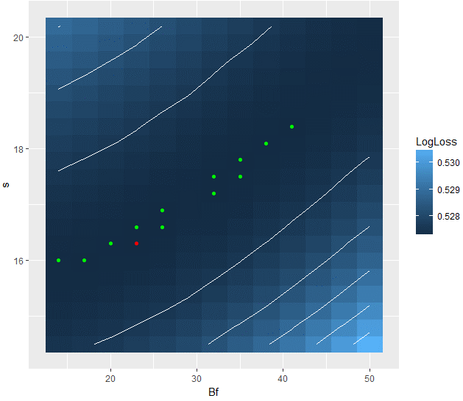
WITH
MISSING |  | Bf | s | LogLoss
POINTS | 1 | 14 | 14.5 | 0.5274733
SCORE | 2 | 14 | 14.8 | 0.5273774
BASIC | 3 | 14 | 15.1 | 0.5273049
METHOD | 4 | 14 | 15.4 | 0.5272655
 | 5 | 14 | 15.7 | 0.5272494
 | 6 | 14 | 16 | 0.5272453
 | 7 | 14 | 16.3 | 0.5272679
 | 8 | 14 | 16.6 | 0.5273153
 | 9 | 14 | 16.9 | 0.5273712
 | 10 | 14 | 17.2 | 0.5274453
 | 11 | 14 | 17.5 | 0.5275408
 | 12 | 14 | 17.8 | 0.5276467
 | 13 | 14 | 18.1 | 0.5277713
 | 14 | 14 | 18.4 | 0.5278939
 | 15 | 14 | 18.7 | 0.5280468
 | 16 | 14 | 19 | 0.5282075
 | 17 | 14 | 19.3 | 0.5283705
 | 18 | 14 | 19.6 | 0.5285437
 | 19 | 14 | 19.9 | 0.5287289
 | 20 | 14 | 20.2 | 0.5289287
 | 21 | 17 | 14.5 | 0.527543
 | 22 | 17 | 14.8 | 0.5274289
 | 23 | 17 | 15.1 | 0.5273452
 | 24 | 17 | 15.4 | 0.5272962
 | 25 | 17 | 15.7 | 0.5272503
 | 26 | 17 | 16 | 0.5272334
 | 27 | 17 | 16.3 | 0.527246
 | 28 | 17 | 16.6 | 0.5272788
 | 29 | 17 | 16.9 | 0.5273271
 | 30 | 17 | 17.2 | 0.5273935
 | 31 | 17 | 17.5 | 0.5274752
 | 32 | 17 | 17.8 | 0.5275697
 | 33 | 17 | 18.1 | 0.5276823
 | 34 | 17 | 18.4 | 0.5278052
 | 35 | 17 | 18.7 | 0.5279402
 | 36 | 17 | 19 | 0.5280885
 | 37 | 17 | 19.3 | 0.5282438
 | 38 | 17 | 19.6 | 0.528411
 | 39 | 17 | 19.9 | 0.5286
 | 40 | 17 | 20.2 | 0.5287721
 | 41 | 20 | 14.5 | 0.5276292
 | 42 | 20 | 14.8 | 0.5274956
 | 43 | 20 | 15.1 | 0.5273957
 | 44 | 20 | 15.4 | 0.5273172
 | 45 | 20 | 15.7 | 0.5272652
 | 46 | 20 | 16 | 0.5272494
 | 47 | 20 | 16.3 | 0.5272401
 | 48 | 20 | 16.6 | 0.5272454
 | 49 | 20 | 16.9 | 0.5272828
 | 50 | 20 | 17.2 | 0.5273412
 | 51 | 20 | 17.5 | 0.5274136
 | 52 | 20 | 17.8 | 0.5274977
 | 53 | 20 | 18.1 | 0.5275937
 | 54 | 20 | 18.4 | 0.5277043
 | 55 | 20 | 18.7 | 0.5278398
 | 56 | 20 | 19 | 0.5279497
 | 57 | 20 | 19.3 | 0.5281039
 | 58 | 20 | 19.6 | 0.5282577
 | 59 | 20 | 19.9 | 0.5284274
 | 60 | 20 | 20.2 | 0.5286032
 | 61 | 23 | 14.5 | 0.5277546
 | 62 | 23 | 14.8 | 0.5275951
 | 63 | 23 | 15.1 | 0.5274725
 | 64 | 23 | 15.4 | 0.5273895
 | 65 | 23 | 15.7 | 0.5273114
 | 66 | 23 | 16 | 0.5272555
 | 67 | 23 | 16.3 | 0.5272279
 | 68 | 23 | 16.6 | 0.5272353
 | 69 | 23 | 16.9 | 0.5272538
 | 70 | 23 | 17.2 | 0.5272924
 | 71 | 23 | 17.5 | 0.5273472
 | 72 | 23 | 17.8 | 0.5274076
 | 73 | 23 | 18.1 | 0.5275026
 | 74 | 23 | 18.4 | 0.5275982
 | 75 | 23 | 18.7 | 0.5277142
 | 76 | 23 | 19 | 0.5278315
 | 77 | 23 | 19.3 | 0.527973
 | 78 | 23 | 19.6 | 0.5281147
 | 79 | 23 | 19.9 | 0.5282661
 | 80 | 23 | 20.2 | 0.5284273
 | 81 | 26 | 14.5 | 0.5278936
 | 82 | 26 | 14.8 | 0.5277179
 | 83 | 26 | 15.1 | 0.5275661
 | 84 | 26 | 15.4 | 0.5274544
 | 85 | 26 | 15.7 | 0.5273564
 | 86 | 26 | 16 | 0.527297
 | 87 | 26 | 16.3 | 0.5272566
 | 88 | 26 | 16.6 | 0.5272289
 | 89 | 26 | 16.9 | 0.5272359
 | 90 | 26 | 17.2 | 0.5272547
 | 91 | 26 | 17.5 | 0.527292
 | 92 | 26 | 17.8 | 0.527338
 | 93 | 26 | 18.1 | 0.527447
 | 94 | 26 | 18.4 | 0.5274879
 | 95 | 26 | 18.7 | 0.5275909
 | 96 | 26 | 19 | 0.5277046
 | 97 | 26 | 19.3 | 0.5278075
 | 98 | 26 | 19.6 | 0.5279611
 | 99 | 26 | 19.9 | 0.5280881
 | 100 | 26 | 20.2 | 0.5282475
 | 101 | 29 | 14.5 | 0.5280643
 | 102 | 29 | 14.8 | 0.5278748
 | 103 | 29 | 15.1 | 0.5276817
 | 104 | 29 | 15.4 | 0.5275486
 | 105 | 29 | 15.7 | 0.5274887
 | 106 | 29 | 16 | 0.5273906
 | 107 | 29 | 16.3 | 0.5273349
 | 108 | 29 | 16.6 | 0.527287
 | 109 | 29 | 16.9 | 0.5272585
 | 110 | 29 | 17.2 | 0.5272596
 | 111 | 29 | 17.5 | 0.5272671
 | 112 | 29 | 17.8 | 0.5273043
 | 113 | 29 | 18.1 | 0.5273333
 | 114 | 29 | 18.4 | 0.5273986
 | 115 | 29 | 18.7 | 0.5274964
 | 116 | 29 | 19 | 0.5275926
 | 117 | 29 | 19.3 | 0.5276981
 | 118 | 29 | 19.6 | 0.5278113
 | 119 | 29 | 19.9 | 0.5279411
 | 120 | 29 | 20.2 | 0.528058
 | 121 | 32 | 14.5 | 0.5282938
 | 122 | 32 | 14.8 | 0.5280753
 | 123 | 32 | 15.1 | 0.527872
 | 124 | 32 | 15.4 | 0.5276937
 | 125 | 32 | 15.7 | 0.5275535
 | 126 | 32 | 16 | 0.5274454
 | 127 | 32 | 16.3 | 0.5273623
 | 128 | 32 | 16.6 | 0.5272959
 | 129 | 32 | 16.9 | 0.527277
 | 130 | 32 | 17.2 | 0.5272296
 | 131 | 32 | 17.5 | 0.5272359
 | 132 | 32 | 17.8 | 0.5272518
 | 133 | 32 | 18.1 | 0.5272811
 | 134 | 32 | 18.4 | 0.5273316
 | 135 | 32 | 18.7 | 0.5273949
 | 136 | 32 | 19 | 0.527479
 | 137 | 32 | 19.3 | 0.5275652
 | 138 | 32 | 19.6 | 0.5276513
 | 139 | 32 | 19.9 | 0.5277792
 | 140 | 32 | 20.2 | 0.5278867
 | 141 | 35 | 14.5 | 0.5285615
 | 142 | 35 | 14.8 | 0.5283013
 | 143 | 35 | 15.1 | 0.5280727
 | 144 | 35 | 15.4 | 0.5278733
 | 145 | 35 | 15.7 | 0.5276997
 | 146 | 35 | 16 | 0.5275664
 | 147 | 35 | 16.3 | 0.5274509
 | 148 | 35 | 16.6 | 0.5273678
 | 149 | 35 | 16.9 | 0.5272989
 | 150 | 35 | 17.2 | 0.5272654
 | 151 | 35 | 17.5 | 0.5272427
 | 152 | 35 | 17.8 | 0.5272313
 | 153 | 35 | 18.1 | 0.5272558
 | 154 | 35 | 18.4 | 0.5272791
 | 155 | 35 | 18.7 | 0.5273191
 | 156 | 35 | 19 | 0.5273907
 | 157 | 35 | 19.3 | 0.5274561
 | 158 | 35 | 19.6 | 0.5275326
 | 159 | 35 | 19.9 | 0.5276412
 | 160 | 35 | 20.2 | 0.527756
 | 161 | 38 | 14.5 | 0.5288744
 | 162 | 38 | 14.8 | 0.5285601
 | 163 | 38 | 15.1 | 0.5283074
 | 164 | 38 | 15.4 | 0.5280815
 | 165 | 38 | 15.7 | 0.5278879
 | 166 | 38 | 16 | 0.5277256
 | 167 | 38 | 16.3 | 0.5275842
 | 168 | 38 | 16.6 | 0.5274713
 | 169 | 38 | 16.9 | 0.5273869
 | 170 | 38 | 17.2 | 0.5273197
 | 171 | 38 | 17.5 | 0.5272723
 | 172 | 38 | 17.8 | 0.5272467
 | 173 | 38 | 18.1 | 0.5272404
 | 174 | 38 | 18.4 | 0.5272481
 | 175 | 38 | 18.7 | 0.5272724
 | 176 | 38 | 19 | 0.5273105
 | 177 | 38 | 19.3 | 0.5273657
 | 178 | 38 | 19.6 | 0.5274391
 | 179 | 38 | 19.9 | 0.5275147
 | 180 | 38 | 20.2 | 0.5276042
 | 181 | 41 | 14.5 | 0.5291985
 | 182 | 41 | 14.8 | 0.5288816
 | 183 | 41 | 15.1 | 0.5285867
 | 184 | 41 | 15.4 | 0.528337
 | 185 | 41 | 15.7 | 0.5281127
 | 186 | 41 | 16 | 0.5279156
 | 187 | 41 | 16.3 | 0.5277533
 | 188 | 41 | 16.6 | 0.527615
 | 189 | 41 | 16.9 | 0.5274987
 | 190 | 41 | 17.2 | 0.5274069
 | 191 | 41 | 17.5 | 0.527346
 | 192 | 41 | 17.8 | 0.527283
 | 193 | 41 | 18.1 | 0.5272519
 | 194 | 41 | 18.4 | 0.5272312
 | 195 | 41 | 18.7 | 0.5272519
 | 196 | 41 | 19 | 0.5272678
 | 197 | 41 | 19.3 | 0.5273018
 | 198 | 41 | 19.6 | 0.5273493
 | 199 | 41 | 19.9 | 0.527408
 | 200 | 41 | 20.2 | 0.5274817
 | 201 | 44 | 14.5 | 0.5296032
 | 202 | 44 | 14.8 | 0.5292663
 | 203 | 44 | 15.1 | 0.5289178
 | 204 | 44 | 15.4 | 0.5286416
 | 205 | 44 | 15.7 | 0.5283769
 | 206 | 44 | 16 | 0.5281485
 | 207 | 44 | 16.3 | 0.5279562
 | 208 | 44 | 16.6 | 0.5277813
 | 209 | 44 | 16.9 | 0.5276414
 | 210 | 44 | 17.2 | 0.5275247
 | 211 | 44 | 17.5 | 0.5274327
 | 212 | 44 | 17.8 | 0.5273602
 | 213 | 44 | 18.1 | 0.5273028
 | 214 | 44 | 18.4 | 0.5272789
 | 215 | 44 | 18.7 | 0.5272479
 | 216 | 44 | 19 | 0.5272471
 | 217 | 44 | 19.3 | 0.5272651
 | 218 | 44 | 19.6 | 0.5272717
 | 219 | 44 | 19.9 | 0.5273288
 | 220 | 44 | 20.2 | 0.5273846
 | 221 | 47 | 14.5 | 0.5300609
 | 222 | 47 | 14.8 | 0.5296469
 | 223 | 47 | 15.1 | 0.5292812
 | 224 | 47 | 15.4 | 0.5289675
 | 225 | 47 | 15.7 | 0.528684
 | 226 | 47 | 16 | 0.5284211
 | 227 | 47 | 16.3 | 0.5282082
 | 228 | 47 | 16.6 | 0.5279941
 | 229 | 47 | 16.9 | 0.5278368
 | 230 | 47 | 17.2 | 0.5276825
 | 231 | 47 | 17.5 | 0.5275693
 | 232 | 47 | 17.8 | 0.5274706
 | 233 | 47 | 18.1 | 0.5273802
 | 234 | 47 | 18.4 | 0.5273286
 | 235 | 47 | 18.7 | 0.5272906
 | 236 | 47 | 19 | 0.5272632
 | 237 | 47 | 19.3 | 0.5272536
 | 238 | 47 | 19.6 | 0.5272595
 | 239 | 47 | 19.9 | 0.5272839
 | 240 | 47 | 20.2 | 0.5273198
 | 241 | 50 | 14.5 | 0.5305798
 | 242 | 50 | 14.8 | 0.5301262
 | 243 | 50 | 15.1 | 0.5297069
 | 244 | 50 | 15.4 | 0.529333
 | 245 | 50 | 15.7 | 0.5290348
 | 246 | 50 | 16 | 0.5287251
 | 247 | 50 | 16.3 | 0.5284864
 | 248 | 50 | 16.6 | 0.5282586
 | 249 | 50 | 16.9 | 0.5280573
 | 250 | 50 | 17.2 | 0.5278851
 | 251 | 50 | 17.5 | 0.5277364
 | 252 | 50 | 17.8 | 0.5275967
 | 253 | 50 | 18.1 | 0.5275062
 | 254 | 50 | 18.4 | 0.5274264
 | 255 | 50 | 18.7 | 0.5273518
 | 256 | 50 | 19 | 0.5272999
 | 257 | 50 | 19.3 | 0.5272774
 | 258 | 50 | 19.6 | 0.5272696
 | 259 | 50 | 19.9 | 0.5272606
 | 260 | 50 | 20.2 | 0.5272793

