Sheet1
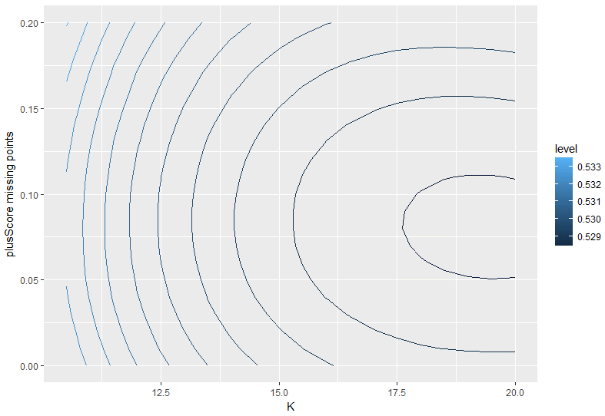
 |  |  |  |  |  |  |  |  |  | plusScore matches missing points
 |  | 0 | 0.01 | 0.02 | 0.03 | 0.04 | 0.05 | 0.06 | 0.07 | 0.08 | 0.09 | 0.1 | 0.11 | 0.12 | 0.13 | 0.14 | 0.15 | 0.16 | 0.17 | 0.18 | 0.19 | 0.2
 | 10.5 | 0.5329617 | 0.5328278 | 0.5327126 | 0.5326161 | 0.5325379 | 0.5324778 | 0.5324357 | 0.5324111 | 0.5324038 | 0.5324135 | 0.5324399 | 0.5324825 | 0.532541 | 0.532615 | 0.5327042 | 0.5328081 | 0.5329264 | 0.5330585 | 0.5332043 | 0.5333631 | 0.5335347
 | 11 | 0.5324119 | 0.5322725 | 0.5321521 | 0.5320507 | 0.5319679 | 0.5319036 | 0.5318576 | 0.5318295 | 0.531819 | 0.5318258 | 0.5318496 | 0.53189 | 0.5319466 | 0.5320191 | 0.532107 | 0.53221 | 0.5323276 | 0.5324595 | 0.5326052 | 0.5327644 | 0.5329365
 | 11.5 | 0.5319257 | 0.5317814 | 0.5316564 | 0.5315507 | 0.531464 | 0.5313961 | 0.5313468 | 0.5313157 | 0.5313026 | 0.5313071 | 0.5313289 | 0.5313677 | 0.531423 | 0.5314944 | 0.5315816 | 0.5316842 | 0.5318018 | 0.5319338 | 0.53208 | 0.5322399 | 0.532413
 | 12 | 0.5314964 | 0.5313477 | 0.5312188 | 0.5311094 | 0.5310193 | 0.5309483 | 0.5308963 | 0.5308628 | 0.5308476 | 0.5308503 | 0.5308706 | 0.5309082 | 0.5309627 | 0.5310336 | 0.5311205 | 0.5312231 | 0.531341 | 0.5314737 | 0.5316207 | 0.5317818 | 0.5319564
 | 12.5 | 0.5311181 | 0.5309656 | 0.5308332 | 0.5307206 | 0.5306276 | 0.5305541 | 0.5304998 | 0.5304644 | 0.5304475 | 0.5304489 | 0.5304682 | 0.5305051 | 0.5305591 | 0.5306299 | 0.530717 | 0.53082 | 0.5309386 | 0.5310723 | 0.5312206 | 0.5313832 | 0.5315595
 | 13 | 0.5307857 | 0.5306299 | 0.5304944 | 0.5303791 | 0.5302837 | 0.5302081 | 0.5301519 | 0.5301149 | 0.5300969 | 0.5300973 | 0.530116 | 0.5301525 | 0.5302065 | 0.5302775 | 0.5303651 | 0.530469 | 0.5305886 | 0.5307236 | 0.5308735 | 0.5310379 | 0.5312164
 | 13.5 | 0.5304948 | 0.530336 | 0.5301979 | 0.5300802 | 0.5299828 | 0.5299054 | 0.5298478 | 0.5298097 | 0.5297907 | 0.5297906 | 0.529809 | 0.5298455 | 0.5298998 | 0.5299713 | 0.5300598 | 0.5301648 | 0.5302858 | 0.5304224 | 0.5305742 | 0.5307407 | 0.5309214
 | 14 | 0.5302412 | 0.5300799 | 0.5299395 | 0.5298199 | 0.5297207 | 0.5296419 | 0.5295832 | 0.5295442 | 0.5295247 | 0.5295244 | 0.5295428 | 0.5295796 | 0.5296344 | 0.5297068 | 0.5297964 | 0.5299027 | 0.5300254 | 0.5301638 | 0.5303177 | 0.5304866 | 0.5306699
K | 14.5 | 0.5300216 | 0.529858 | 0.5297157 | 0.5295943 | 0.5294938 | 0.5294138 | 0.5293543 | 0.5293148 | 0.529295 | 0.5292947 | 0.5293134 | 0.5293507 | 0.5294064 | 0.5294799 | 0.5295708 | 0.5296788 | 0.5298033 | 0.5299438 | 0.5301001 | 0.5302715 | 0.5304576
 | 15 | 0.5298326 | 0.5296671 | 0.5295231 | 0.5294003 | 0.5292987 | 0.5292179 | 0.5291577 | 0.5291179 | 0.5290982 | 0.5290981 | 0.5291173 | 0.5291555 | 0.5292122 | 0.529287 | 0.5293795 | 0.5294893 | 0.5296158 | 0.5297587 | 0.5299174 | 0.5300916 | 0.5302806
 | 15.5 | 0.5296716 | 0.5295044 | 0.5293589 | 0.529235 | 0.5291325 | 0.5290511 | 0.5289906 | 0.5289507 | 0.5289312 | 0.5289316 | 0.5289516 | 0.5289907 | 0.5290487 | 0.529125 | 0.5292193 | 0.529331 | 0.5294598 | 0.5296051 | 0.5297666 | 0.5299436 | 0.5301358
 | 16 | 0.529536 | 0.5293673 | 0.5292206 | 0.5290958 | 0.5289926 | 0.5289108 | 0.5288502 | 0.5288105 | 0.5287913 | 0.5287924 | 0.5288133 | 0.5288537 | 0.5289131 | 0.5289911 | 0.5290873 | 0.5292012 | 0.5293323 | 0.5294803 | 0.5296445 | 0.5298246 | 0.53002
 | 16.5 | 0.5294236 | 0.5292537 | 0.529106 | 0.5289804 | 0.5288767 | 0.5287947 | 0.5287342 | 0.5286948 | 0.5286762 | 0.5286781 | 0.5287001 | 0.5287418 | 0.5288028 | 0.5288827 | 0.5289809 | 0.5290971 | 0.5292308 | 0.5293815 | 0.5295487 | 0.529732 | 0.5299307
 | 17 | 0.5293324 | 0.5291614 | 0.5290129 | 0.5288867 | 0.5287828 | 0.5287007 | 0.5286404 | 0.5286015 | 0.5285837 | 0.5285866 | 0.5286098 | 0.528653 | 0.5287158 | 0.5287976 | 0.528898 | 0.5290167 | 0.529153 | 0.5293065 | 0.5294768 | 0.5296633 | 0.5298656
 | 17.5 | 0.5292607 | 0.5290887 | 0.5289395 | 0.528813 | 0.5287089 | 0.528627 | 0.528567 | 0.5285288 | 0.5285118 | 0.5285158 | 0.5285405 | 0.5285853 | 0.5286499 | 0.5287338 | 0.5288366 | 0.5289577 | 0.5290968 | 0.5292533 | 0.5294268 | 0.5296167 | 0.5298225
 | 18 | 0.5292067 | 0.529034 | 0.5288843 | 0.5287575 | 0.5286534 | 0.5285717 | 0.5285123 | 0.5284748 | 0.5284589 | 0.5284641 | 0.5284903 | 0.5285368 | 0.5286034 | 0.5286895 | 0.5287947 | 0.5289185 | 0.5290605 | 0.5292201 | 0.5293968 | 0.5295901 | 0.5297995
 | 18.5 | 0.5291691 | 0.5289957 | 0.5288457 | 0.5287187 | 0.5286148 | 0.5285335 | 0.5284747 | 0.5284381 | 0.5284233 | 0.52843 | 0.5284577 | 0.5285061 | 0.5285747 | 0.5286632 | 0.5287709 | 0.5288974 | 0.5290423 | 0.5292051 | 0.5293851 | 0.529582 | 0.5297951
 | 19 | 0.5291465 | 0.5289726 | 0.5288223 | 0.5286954 | 0.5285917 | 0.5285109 | 0.5284529 | 0.5284173 | 0.5284037 | 0.5284118 | 0.5284413 | 0.5284916 | 0.5285625 | 0.5286533 | 0.5287636 | 0.528893 | 0.5290409 | 0.5292068 | 0.5293903 | 0.5295907 | 0.5298077
 | 19.5 | 0.5291377 | 0.5289635 | 0.5288131 | 0.5286862 | 0.5285829 | 0.5285028 | 0.5284456 | 0.528411 | 0.5283988 | 0.5284085 | 0.5284398 | 0.5284922 | 0.5285653 | 0.5286585 | 0.5287716 | 0.5289038 | 0.5290548 | 0.5292241 | 0.529411 | 0.5296151 | 0.5298358
 | 20 | 0.5291418 | 0.5289673 | 0.5288168 | 0.5286902 | 0.5285873 | 0.5285079 | 0.5284516 | 0.5284183 | 0.5284075 | 0.5284189 | 0.528452 | 0.5285065 | 0.528582 | 0.5286778 | 0.5287936 | 0.5289288 | 0.529083 | 0.5292556 | 0.529446 | 0.5296539 | 0.5298785

