1.5
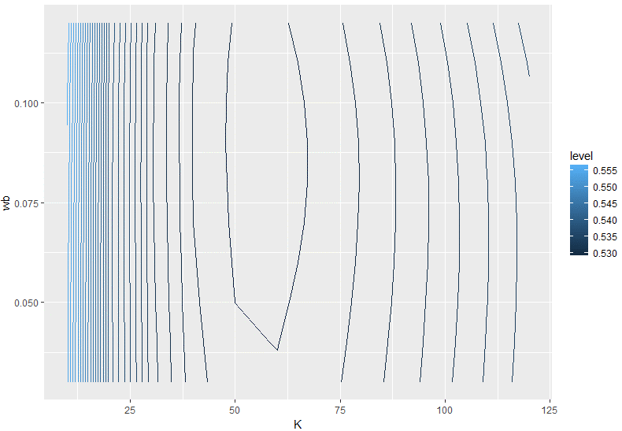
 | 0.03 | 0.04 | 0.05 | 0.06 | 0.07 | 0.08 | 0.09 | 0.1 | 0.11 | 0.12
10 | 0.5556515 | 0.5557102 | 0.5557857 | 0.5558802 | 0.5559956 | 0.5561339 | 0.5562969 | 0.5564863 | 0.5567035 | 0.5569498
20 | 0.5404184 | 0.5403858 | 0.5403608 | 0.5403479 | 0.540351 | 0.5403739 | 0.5404199 | 0.5404918 | 0.5405927 | 0.5407248
30 | 0.5338783 | 0.5337988 | 0.533723 | 0.5336565 | 0.5336046 | 0.5335722 | 0.5335638 | 0.5335832 | 0.5336339 | 0.5337189
40 | 0.53103 | 0.5309312 | 0.5308351 | 0.5307484 | 0.5306769 | 0.5306264 | 0.5306022 | 0.5306086 | 0.5306498 | 0.5307294
50 | 0.5299592 | 0.5298532 | 0.5297503 | 0.5296578 | 0.5295824 | 0.5295305 | 0.5295073 | 0.5295181 | 0.5295679 | 0.52966
60 | 0.5298367 | 0.5297298 | 0.5296272 | 0.5295366 | 0.5294653 | 0.52942 | 0.5294063 | 0.5294298 | 0.5294953 | 0.5296074
70 | 0.530268 | 0.5301631 | 0.5300645 | 0.5299803 | 0.5299178 | 0.5298841 | 0.529885 | 0.529926 | 0.5300119 | 0.5301483
80 | 0.5310485 | 0.5309481 | 0.5308561 | 0.5307813 | 0.5307309 | 0.5307113 | 0.5307296 | 0.5307914 | 0.5309029 | 0.5310682
90 | 0.5320541 | 0.5319601 | 0.531877 | 0.5318136 | 0.5317769 | 0.5317742 | 0.531813 | 0.5318997 | 0.5320399 | 0.5322382
100 | 0.5332101 | 0.5331241 | 0.5330515 | 0.5330009 | 0.5329802 | 0.5329974 | 0.5330597 | 0.5331734 | 0.5333437 | 0.5335762
110 | 0.5344707 | 0.5343943 | 0.5343331 | 0.5342966 | 0.5342931 | 0.5343309 | 0.534417 | 0.5345583 | 0.5347619 | 0.5350315
120 | 0.5358034 | 0.5357381 | 0.5356898 | 0.5356678 | 0.5356818 | 0.5357406 | 0.5358518 | 0.5360233 | 0.5362613 | 0.536569

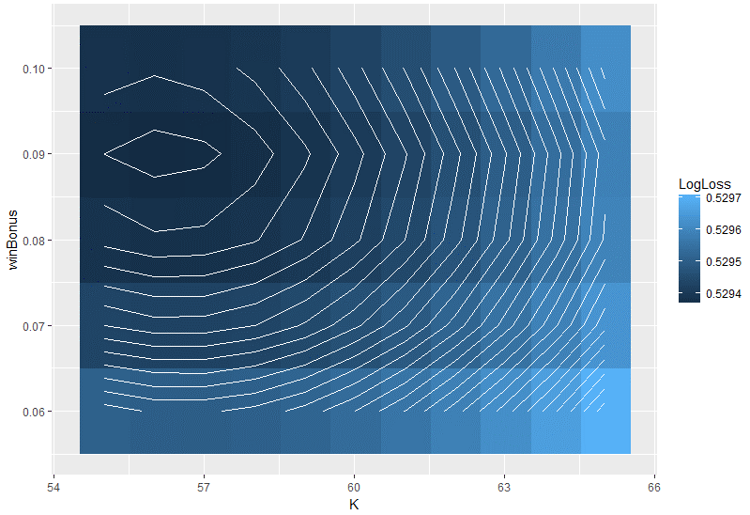
 |  | K | winBonus | LogLoss

 | 1 | 55 | 0.06 | 0.5295079
 | 2 | 55 | 0.07 | 0.529434
 | 3 | 55 | 0.08 | 0.5293843
 | 4 | 55 | 0.09 | 0.5293651
 | 5 | 55 | 0.1 | 0.5293818
 | 6 | 56 | 0.06 | 0.5295009
 | 7 | 56 | 0.07 | 0.5294273
 | 8 | 56 | 0.08 | 0.5293785
 | 9 | 56 | 0.09 | 0.5293603
 | 10 | 56 | 0.1 | 0.5293783
 | 11 | 57 | 0.06 | 0.5295005
 | 12 | 57 | 0.07 | 0.5294275
 | 13 | 57 | 0.08 | 0.5293795
 | 14 | 57 | 0.09 | 0.5293625
 | 15 | 57 | 0.1 | 0.5293816
 | 16 | 58 | 0.06 | 0.5295066
 | 17 | 58 | 0.07 | 0.529434
 | 18 | 58 | 0.08 | 0.529387
 | 19 | 58 | 0.09 | 0.529371
 | 20 | 58 | 0.1 | 0.5293915
 | 21 | 59 | 0.06 | 0.5295187
 | 22 | 59 | 0.07 | 0.5294467
 | 23 | 59 | 0.08 | 0.5294006
 | 24 | 59 | 0.09 | 0.5293857
 | 25 | 59 | 0.1 | 0.5294077
 | 26 | 60 | 0.06 | 0.5295366
 | 27 | 60 | 0.07 | 0.5294653
 | 28 | 60 | 0.08 | 0.52942
 | 29 | 60 | 0.09 | 0.5294063
 | 30 | 60 | 0.1 | 0.5294298
 | 31 | 61 | 0.06 | 0.52956
 | 32 | 61 | 0.07 | 0.5294895
 | 33 | 61 | 0.08 | 0.529445
 | 34 | 61 | 0.09 | 0.5294326
 | 35 | 61 | 0.1 | 0.5294576
 | 36 | 62 | 0.06 | 0.5295887
 | 37 | 62 | 0.07 | 0.5295189
 | 38 | 62 | 0.08 | 0.5294754
 | 39 | 62 | 0.09 | 0.5294642
 | 40 | 62 | 0.1 | 0.5294909
 | 41 | 63 | 0.06 | 0.5296224
 | 42 | 63 | 0.07 | 0.5295533
 | 43 | 63 | 0.08 | 0.5295108
 | 44 | 63 | 0.09 | 0.529501
 | 45 | 63 | 0.1 | 0.5295294
 | 46 | 64 | 0.06 | 0.5296608
 | 47 | 64 | 0.07 | 0.5295925
 | 48 | 64 | 0.08 | 0.5295512
 | 49 | 64 | 0.09 | 0.5295427
 | 50 | 64 | 0.1 | 0.5295728
 | 51 | 65 | 0.06 | 0.5297037
 | 52 | 65 | 0.07 | 0.5296363
 | 53 | 65 | 0.08 | 0.5295962
 | 54 | 65 | 0.09 | 0.5295892
 | 55 | 65 | 0.1 | 0.529621

Squared
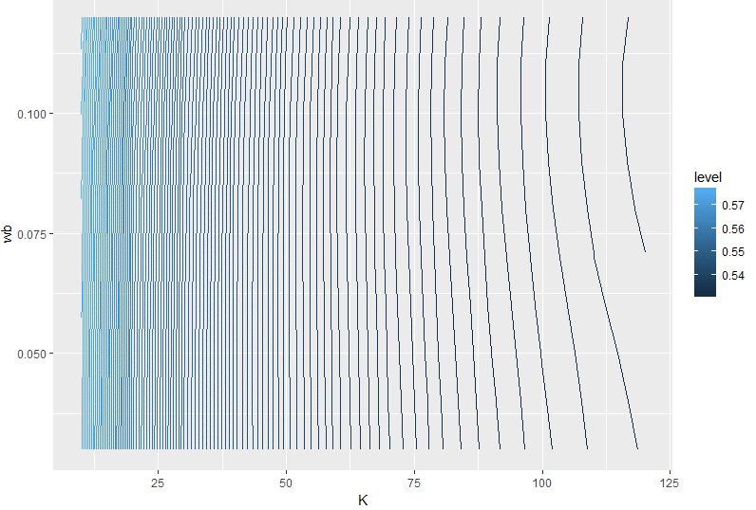

 | 0.03 | 0.04 | 0.05 | 0.06 | 0.07 | 0.08 | 0.09 | 0.1 | 0.11 | 0.12
10 | 0.576072 | 0.5761556 | 0.5762663 | 0.5764061 | 0.5765778 | 0.5767844 | 0.577029 | 0.577315 | 0.5776459 | 0.578025
20 | 0.5629596 | 0.5630157 | 0.5630921 | 0.563192 | 0.5633189 | 0.5634772 | 0.5636712 | 0.5639059 | 0.5641862 | 0.564517
30 | 0.5539788 | 0.5540057 | 0.5540454 | 0.5541017 | 0.5541791 | 0.5542827 | 0.5544179 | 0.5545907 | 0.5548073 | 0.5550738
40 | 0.5476225 | 0.5476222 | 0.5476278 | 0.5476435 | 0.5476743 | 0.547726 | 0.5478052 | 0.5479186 | 0.5480734 | 0.5482768
50 | 0.5430369 | 0.543014 | 0.542991 | 0.5429727 | 0.5429647 | 0.5429733 | 0.5430059 | 0.5430699 | 0.5431733 | 0.5433244
60 | 0.5396887 | 0.539648 | 0.5396025 | 0.5395575 | 0.5395191 | 0.5394943 | 0.5394908 | 0.5395169 | 0.5395815 | 0.5396935
70 | 0.5372275 | 0.5371731 | 0.5371107 | 0.5370457 | 0.5369846 | 0.536935 | 0.5369051 | 0.5369041 | 0.5369413 | 0.5370265
80 | 0.5354169 | 0.5353525 | 0.5352776 | 0.5351979 | 0.5351205 | 0.5350532 | 0.5350051 | 0.5349856 | 0.5350048 | 0.5350728
90 | 0.5340911 | 0.5340193 | 0.5339352 | 0.533845 | 0.5337559 | 0.5336765 | 0.5336159 | 0.5335843 | 0.5335922 | 0.5336505
100 | 0.5331326 | 0.5330553 | 0.5329647 | 0.532867 | 0.5327698 | 0.532682 | 0.5326132 | 0.5325742 | 0.532576 | 0.5326298
110 | 0.5324579 | 0.5323767 | 0.5322812 | 0.5321782 | 0.5320755 | 0.5319822 | 0.5319086 | 0.5318657 | 0.5318651 | 0.5319184
120 | 0.5320066 | 0.5319225 | 0.5318236 | 0.5317169 | 0.5316105 | 0.5315139 | 0.5314378 | 0.5313936 | 0.5313933 | 0.5314492

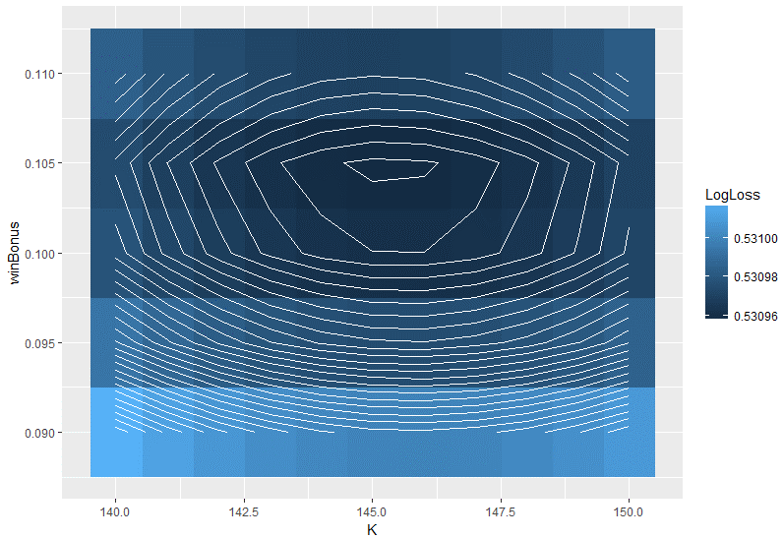
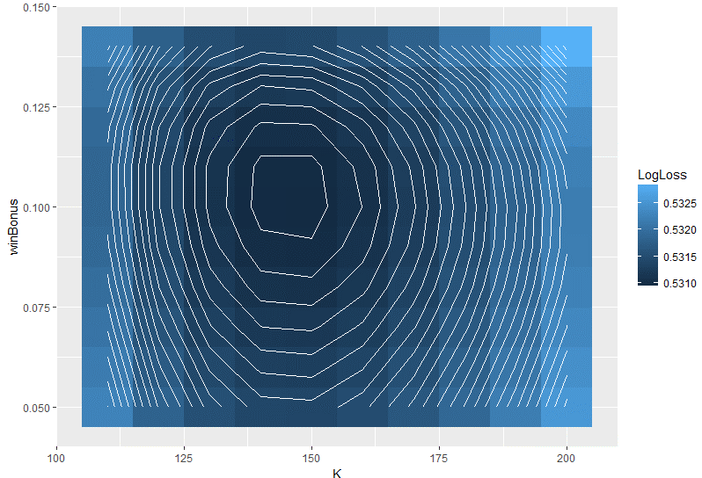
 |  |  |  | K | winBonus | LogLoss |  |  |  |  |  | K | winBonus | LogLoss

 |  |  | 1 | 110 | 0.05 | 0.5322812 |  |  |  |  | 1 | 140 | 0.09 | 0.5310198
 |  |  | 2 | 110 | 0.06 | 0.5321782 |  |  |  |  | 2 | 140 | 0.095 | 0.530994
 |  |  | 3 | 110 | 0.07 | 0.5320755 |  |  |  |  | 3 | 140 | 0.1 | 0.5309784
 |  |  | 4 | 110 | 0.08 | 0.5319822 |  |  |  |  | 4 | 140 | 0.105 | 0.5309747
 |  |  | 5 | 110 | 0.09 | 0.5319086 |  |  |  |  | 5 | 140 | 0.11 | 0.5309845
 |  |  | 6 | 110 | 0.1 | 0.5318657 |  |  |  |  | 6 | 141 | 0.09 | 0.5310136
 |  |  | 7 | 110 | 0.11 | 0.5318651 |  |  |  |  | 7 | 141 | 0.095 | 0.5309879
 |  |  | 8 | 110 | 0.12 | 0.5319184 |  |  |  |  | 8 | 141 | 0.1 | 0.5309725
 |  |  | 9 | 110 | 0.13 | 0.5320376 |  |  |  |  | 9 | 141 | 0.105 | 0.530969
 |  |  | 10 | 110 | 0.14 | 0.5322336 |  |  |  |  | 10 | 141 | 0.11 | 0.530979
 |  |  | 11 | 120 | 0.05 | 0.5318236 |  |  |  |  | 11 | 142 | 0.09 | 0.5310087
 |  |  | 12 | 120 | 0.06 | 0.5317169 |  |  |  |  | 12 | 142 | 0.095 | 0.5309831
 |  |  | 13 | 120 | 0.07 | 0.5316105 |  |  |  |  | 13 | 142 | 0.1 | 0.5309678
 |  |  | 14 | 120 | 0.08 | 0.5315139 |  |  |  |  | 14 | 142 | 0.105 | 0.5309645
 |  |  | 15 | 120 | 0.09 | 0.5314378 |  |  |  |  | 15 | 142 | 0.11 | 0.5309748
 |  |  | 16 | 120 | 0.1 | 0.5313936 |  |  |  |  | 16 | 143 | 0.09 | 0.5310049
 |  |  | 17 | 120 | 0.11 | 0.5313933 |  |  |  |  | 17 | 143 | 0.095 | 0.5309794
 |  |  | 18 | 120 | 0.12 | 0.5314492 |  |  |  |  | 18 | 143 | 0.1 | 0.5309643
 |  |  | 19 | 120 | 0.13 | 0.5315735 |  |  |  |  | 19 | 143 | 0.105 | 0.5309612
 |  |  | 20 | 120 | 0.14 | 0.5317775 |  |  |  |  | 20 | 143 | 0.11 | 0.5309718
 |  |  | 21 | 130 | 0.05 | 0.5315462 |  |  |  |  | 21 | 144 | 0.09 | 0.5310022
 |  |  | 22 | 130 | 0.06 | 0.531437 |  |  |  |  | 22 | 144 | 0.095 | 0.5309769
 |  |  | 23 | 130 | 0.07 | 0.5313284 |  |  |  |  | 23 | 144 | 0.1 | 0.530962
 |  |  | 24 | 130 | 0.08 | 0.5312302 |  |  |  |  | 24 | 144 | 0.105 | 0.5309591
 |  |  | 25 | 130 | 0.09 | 0.5311534 |  |  |  |  | 25 | 144 | 0.11 | 0.53097
 |  |  | 26 | 130 | 0.1 | 0.5311098 |  |  |  |  | 26 | 145 | 0.09 | 0.5310008
 |  |  | 27 | 130 | 0.11 | 0.5311119 |  |  |  |  | 27 | 145 | 0.095 | 0.5309756
 |  |  | 28 | 130 | 0.12 | 0.5311725 |  |  |  |  | 28 | 145 | 0.1 | 0.5309608
 |  |  | 29 | 130 | 0.13 | 0.531304 |  |  |  |  | 29 | 145 | 0.105 | 0.5309582
 |  |  | 30 | 130 | 0.14 | 0.5315181 |  |  |  |  | 30 | 145 | 0.11 | 0.5309693
 |  |  | 31 | 140 | 0.05 | 0.5314148 |  |  |  |  | 31 | 146 | 0.09 | 0.5310004
 |  |  | 32 | 140 | 0.06 | 0.5313041 |  |  |  |  | 32 | 146 | 0.095 | 0.5309753
 |  |  | 33 | 140 | 0.07 | 0.5311945 |  |  |  |  | 33 | 146 | 0.1 | 0.5309608
 |  |  | 34 | 140 | 0.08 | 0.5310959 |  |  |  |  | 34 | 146 | 0.105 | 0.5309584
 |  |  | 35 | 140 | 0.09 | 0.5310198 |  |  |  |  | 35 | 146 | 0.11 | 0.5309698
 |  |  | 36 | 140 | 0.1 | 0.5309784 |  |  |  |  | 36 | 147 | 0.09 | 0.5310011
 |  |  | 37 | 140 | 0.11 | 0.5309845 |  |  |  |  | 37 | 147 | 0.095 | 0.5309762
 |  |  | 38 | 140 | 0.12 | 0.5310511 |  |  |  |  | 38 | 147 | 0.1 | 0.5309618
 |  |  | 39 | 140 | 0.13 | 0.5311911 |  |  |  |  | 39 | 147 | 0.105 | 0.5309597
 |  |  | 40 | 140 | 0.14 | 0.5314168 |  |  |  |  | 40 | 147 | 0.11 | 0.5309713
 |  |  | 41 | 150 | 0.05 | 0.5314032 |  |  |  |  | 41 | 148 | 0.09 | 0.5310029
 |  |  | 42 | 150 | 0.06 | 0.5312919 |  |  |  |  | 42 | 148 | 0.095 | 0.5309782
 |  |  | 43 | 150 | 0.07 | 0.531182 |  |  |  |  | 43 | 148 | 0.1 | 0.530964
 |  |  | 44 | 150 | 0.08 | 0.531084 |  |  |  |  | 44 | 148 | 0.105 | 0.530962
 |  |  | 45 | 150 | 0.09 | 0.5310097 |  |  |  |  | 45 | 148 | 0.11 | 0.530974
 |  |  | 46 | 150 | 0.1 | 0.5309715 |  |  |  |  | 46 | 149 | 0.09 | 0.5310058
 |  |  | 47 | 150 | 0.11 | 0.5309826 |  |  |  |  | 47 | 149 | 0.095 | 0.5309812
 |  |  | 48 | 150 | 0.12 | 0.5310565 |  |  |  |  | 48 | 149 | 0.1 | 0.5309672
 |  |  | 49 | 150 | 0.13 | 0.5312063 |  |  |  |  | 49 | 149 | 0.105 | 0.5309655
 |  |  | 50 | 150 | 0.14 | 0.5314448 |  |  |  |  | 50 | 149 | 0.11 | 0.5309778
 |  |  | 51 | 160 | 0.05 | 0.531491 |  |  |  |  | 51 | 150 | 0.09 | 0.5310097
 |  |  | 52 | 160 | 0.06 | 0.5313795 |  |  |  |  | 52 | 150 | 0.095 | 0.5309852
 |  |  | 53 | 160 | 0.07 | 0.5312701 |  |  |  |  | 53 | 150 | 0.1 | 0.5309715
 |  |  | 54 | 160 | 0.08 | 0.5311736 |  |  |  |  | 54 | 150 | 0.105 | 0.53097
 |  |  | 55 | 160 | 0.09 | 0.5311018 |  |  |  |  | 55 | 150 | 0.11 | 0.5309826
 |  |  | 56 | 160 | 0.1 | 0.5310677
 |  |  | 57 | 160 | 0.11 | 0.5310847
 |  |  | 58 | 160 | 0.12 | 0.5311667
 |  |  | 59 | 160 | 0.13 | 0.5313274
 |  |  | 60 | 160 | 0.14 | 0.5315794
 |  |  | 61 | 170 | 0.05 | 0.531662
 |  |  | 62 | 170 | 0.06 | 0.5315509
 |  |  | 63 | 170 | 0.07 | 0.5314426
 |  |  | 64 | 170 | 0.08 | 0.5313481
 |  |  | 65 | 170 | 0.09 | 0.5312796
 |  |  | 66 | 170 | 0.1 | 0.5312502
 |  |  | 67 | 170 | 0.11 | 0.5312739
 |  |  | 68 | 170 | 0.12 | 0.531365
 |  |  | 69 | 170 | 0.13 | 0.5315371
 |  |  | 70 | 170 | 0.14 | 0.5318034
 |  |  | 71 | 180 | 0.05 | 0.5319033
 |  |  | 72 | 180 | 0.06 | 0.531793
 |  |  | 73 | 180 | 0.07 | 0.5316862
 |  |  | 74 | 180 | 0.08 | 0.5315942
 |  |  | 75 | 180 | 0.09 | 0.5315295
 |  |  | 76 | 180 | 0.1 | 0.5315056
 |  |  | 77 | 180 | 0.11 | 0.5315368
 |  |  | 78 | 180 | 0.12 | 0.5316376
 |  |  | 79 | 180 | 0.13 | 0.531822
 |  |  | 80 | 180 | 0.14 | 0.5321033
 |  |  | 81 | 190 | 0.05 | 0.5322044
 |  |  | 82 | 190 | 0.06 | 0.5320952
 |  |  | 83 | 190 | 0.07 | 0.5319904
 |  |  | 84 | 190 | 0.08 | 0.5319014
 |  |  | 85 | 190 | 0.09 | 0.5318411
 |  |  | 86 | 190 | 0.1 | 0.5318233
 |  |  | 87 | 190 | 0.11 | 0.5318627
 |  |  | 88 | 190 | 0.12 | 0.5319738
 |  |  | 89 | 190 | 0.13 | 0.5321709
 |  |  | 90 | 190 | 0.14 | 0.5324679
 |  |  | 91 | 200 | 0.05 | 0.5325566
 |  |  | 92 | 200 | 0.06 | 0.532449
 |  |  | 93 | 200 | 0.07 | 0.5323465
 |  |  | 94 | 200 | 0.08 | 0.5322611
 |  |  | 95 | 200 | 0.09 | 0.5322057
 |  |  | 96 | 200 | 0.1 | 0.5321946
 |  |  | 97 | 200 | 0.11 | 0.5322426
 |  |  | 98 | 200 | 0.12 | 0.5323645
 |  |  | 99 | 200 | 0.13 | 0.5325749
 |  |  | 100 | 200 | 0.14 | 0.532888

