Sheet1
E-mail
emma_bodell@hmc.edu
jeb_brooks@hmc.edu
jessica_chen@hmc.edu
taylor_hanley@hmc.edu
gkhadge@g.hmc.edu
angela_medina@hmc.edu
ryland_miller@hmc.edu
christopher_miro@hmc.edu
jennifer_phuong@hmc.edu
carolina_reyes@hmc.edu
sarah_stevens@hmc.edu
Yeah Moon hong@g.hmc.edu
Ryland seldon@g.hmc.edu

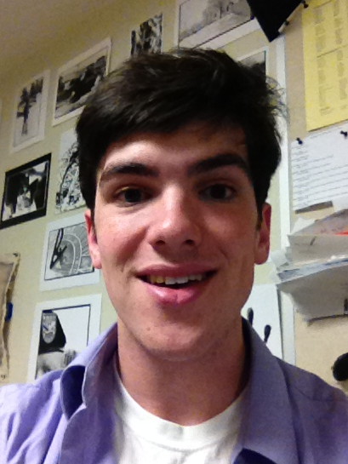
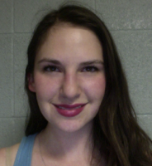
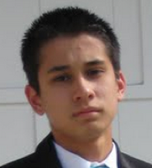
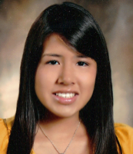

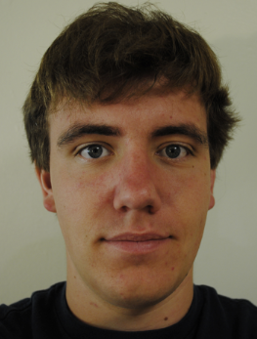

 | Sarah Stevens | Christopher Miro | Angela Medina | Taylor Hanley | Ryan Seldon | Ryland Miler

