Sheet1
SL no. | Keyword | Search volume | CPC | DA | Social site | SEO difficulty/KD | 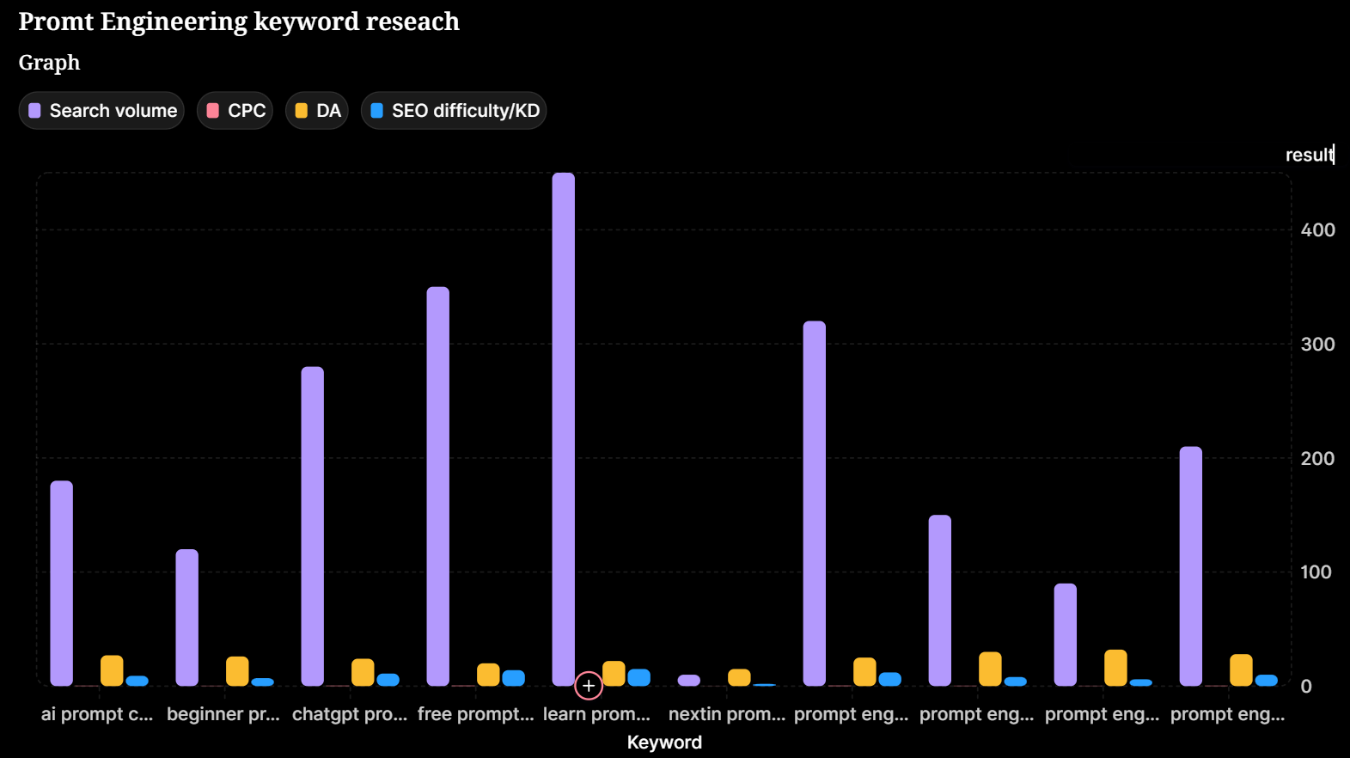
1 | prompt engineering course bangladesh | 320 | 0.45 | 25 | facebook(1),Youtube(2),Linkedin(1),website(4) | 12
2 | prompt engineering training dhaka | 210 | 0.38 | 28 | facebook(1),Youtube(3)website(8) | 10
3 | learn prompt engineering bangla | 450 | 0.52 | 22 | Youtube(4),website(6) | 15
4 | prompt engineering freelance bd | 150 | 0.29 | 30 | facebook(3),Youtube(4),Linkedin(2),website(6) | 8
5 | chatgpt prompt bangla tutorial | 280 | 0.41 | 24 | facebook(3),Youtube(3),website(4) | 11
6 | beginner prompt engineering bd | 120 | 0.25 | 26 | facebook(1),Youtube(4),website(8) | 7
7 | ai prompt course dhaka | 180 | 0.35 | 27 | facebook(1),Youtube(2),Linkedin(1),website(4) | 9
8 | prompt engineering job bangladesh | 90 | 0.22 | 32 | facebook(1),Youtube(2),Linkedin(1),website(4) | 6
9 | free prompt engineering bangla | 350 | 0.48 | 20 | facebook(1),Youtube(2),Linkedin(1),website(4) | 14
10 | nextin prompt engineering | 10 | 0.10 | 15 | facebook(1),Youtube(2),Linkedin(1),website(4) | 2
11
12 |  |  |  |  |  |  |  | ==G
13
14
15
16
17

