Bug Report
BUG REPORT

Bug ID | BUG1/B01/B1 etc | BUG2
Module | Flights | Flights
Requirements
Test Case Name | TC15 | TC16
Release/Server | QA
Status | New | New
Reporter | Rashmi Wankhade | Rashmi Wankhade
Date | 22/12/2022 | 22/12/2022
Assign To | Developer | Developer
CC | TL/PM | TL/PM
Severity | S2 | S2
Priority | P2 | S2
Platform | MOBILE/BROWSER/ CHROME | MOBILE/BROWSER/ CHROME
Build No.
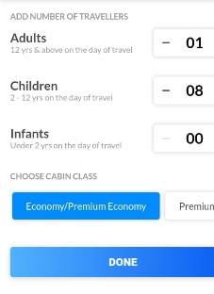
Test Data | Childrens-8 | Infants-4
Attachment |  | 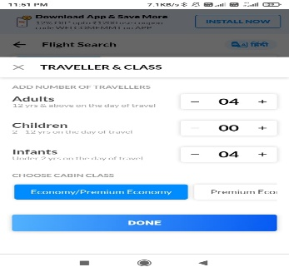
Navigation Steps | 1.Open URL on browser 2.Go to the flights menu 3.Select Oneway 4.Click on Travellers and class | 1.Open URL on browser 2.Go to the flights menu 3.Select Oneway 4.Click on Travellers and class
Expected Result | In childrens Below 2 yrs - 12 years maximum 6 should be sected and by default zero | In infants below 2years 6 should selected and by default 0 should be selected
Actual Result | In childrens below 2years -12 years maximum 8 can be selected by users | In infants numbers of infants cannot exceeds the number of adults and more than 4 cannot be selected

