Sheet1
Balance sheet | Agency | uaget Statements

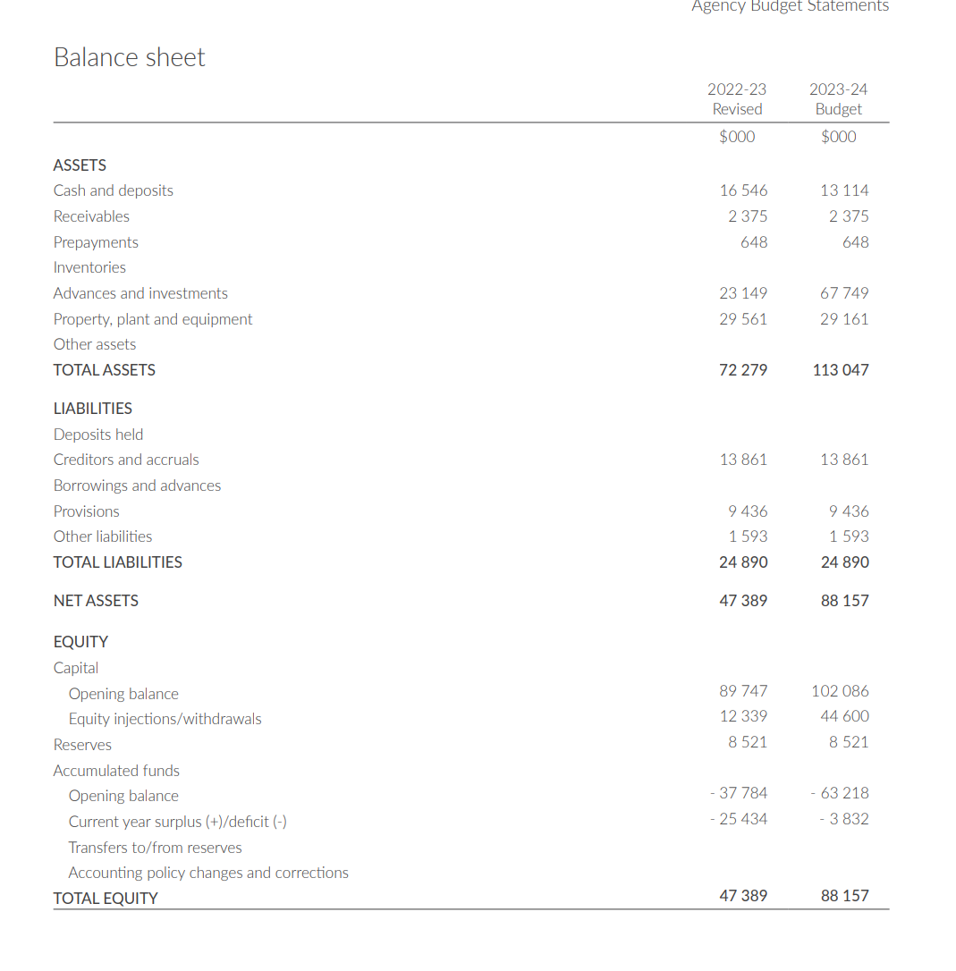
 | 2022-23 |  | 2023-24
 | Revised |  | Budget
 | $0 |  | $0
ASSETS Cash and deposits | 16546 |  | 13 114
 | 2375 |  | 2 375
Prepayments | 648 |  | 648
Inventories Advances and investments | 23149 |  | 67749
Property, plant and equipment Other assets | 29 561 |  | 29 161
TOTAL ASSETS | 72279 |  | 113047
LIABILITIES Deposits held Creditors and accruals | 13861 |  | 13 861
Borrowings and advances Provisions | 9436 |  | 9436
Other liabilities | 1 593 |  | 1 593
TOTAL LIABILITIES | 24890 |  | 24890
NET ASSETS | 47389 |  | 88157
EQUITY Capital Opening balance | 89747 |  | 102086
Equity injections/withdrawals | 12339 |  | 44600
Reserves | 8 521 |  | 8 521
Accumulated funds Opening balance | -37784 |  | -63218
Current year surplus (+)/deficit (-) | -25434 |  | - 3 832
Transfers to/from reserves Accounting policy changes and corrections TOTAL EQUITY | 47389 |  | 88157

