Sheet1
6.2 |  | Balance sheet
Table 6.1 summarises the key balance sheet aggregates for the General Government Sector.
Table 6.1 |  | General Government Sector — summary of budgeted balance sheetl
 |  | 2022-23 |  | 2022-23 | 2023-24 | 2024-25 | 2025-26 |  | 2026-27
 |  | Budget $ million |  | Est. Act. $ million | Budget $ million | Projection $ million | Projection $ million | Projection $ million
Financial assets |  |  | 76,000 | 79,580 | 84,347 | 87,778 | 91,246 |  | 94,751
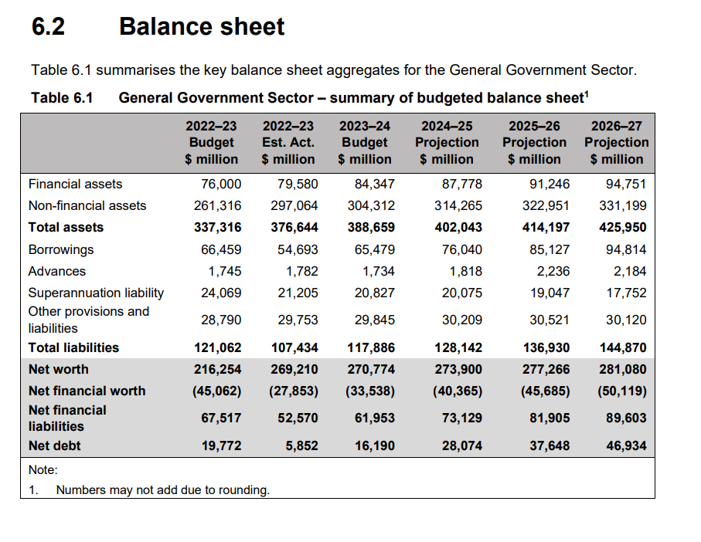
Non-financial assets |  |  | 261,316 | 297,064 | 304,312 | 314,265 | 322,951 |  | 331,199
Total assets |  |  | 337,316 | 376,644 | 388,659 | 402,043 | 414,197 |  | 425,950
Borrowings |  |  | 66,459 | 54,693 | 65,479 | 76,040 | 85,127 |  | 94,814
Advances |  |  | 1,745 | 1,782 | 1,734 | 1,818 | 2,236 |  | 2,184
Superannuation liability |  |  | 24,069 | 21,205 | 20,827 | 20,075 | 19,047 |  | 17,752
Other provisions and liabilities |  |  | 28,790 | 29,753 | 29,845 | 30,209 | 30,521 |  | 30,120
Total liabilities |  |  | 121,062 | 107,434 | 117,886 | 128,142 | 136,930 |  | 144,870
Net worth |  |  | 216,254 | 269,210 | 270,774 | 273,900 | 277,266 |  | 281,080
Net financial worth |  |  | -45,062 | -27,853 | -33,538 | -40,365 | -45,685 |  | -50,119
Net financial liabilities |  |  | 67,517 | 52,570 | 61,953 | 73,129 | 81,905 |  | 89,603
Net debt |  |  | 19,772 | 5,852 | 16,190 | 28,074 | 37,648 |  | 46,934
Note:
1 | Numbers may not add due to rounding.

