Sheet1
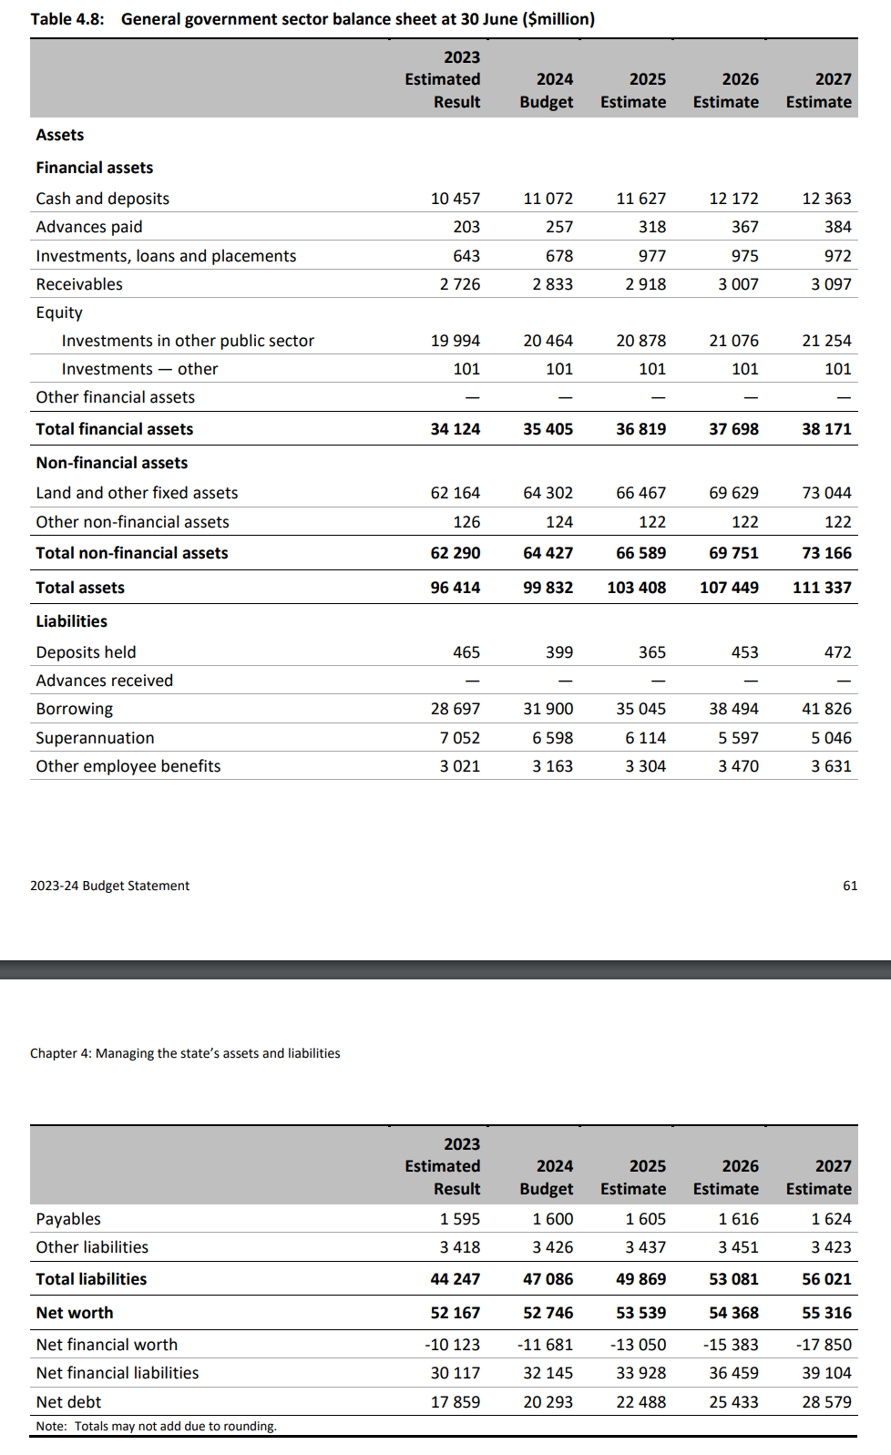
Table 4.8: | General government sector balance sheet at 30 June ($million)
 | 2023 |  |  | 2025 | 2026 | 2027
 | Estimated |  | 2024
 | Result |  | Budget | Estimate | Estimate | Estim
Assets
Financial assets
Cash and deposits |  | 10457 | 11072 | 11627 | 12172 | 12363
Advances paid |  | 203 | 257 | 318 | 367 | 384
Investments, loans and placements |  | 643 | 678 | 977 | 975 | 972
Receivables |  | 2726 | 2833 | 2918 | 3007 | 3097
Equity Investments in other public sector |  | 19994 | 20464 | 20878 | 21076 | 21254
Investments — other |  | 101 | 101 | 101 | 101 | 101
Other financial assets
Total financial assets |  | 34124 | 35405 | 36819 | 37698 | 38171
Non-financial assets Land and other fixed assets |  | 62 164 | 64302 | 66467 | 69629 | 73044
Other non-financial assets |  | 126 | 124 | 122 | 122 | 122
Total non-financial assets |  | 62290 | 64427 | 66589 | 69751 | 73166
Total assets |  | 96414 | 99832 | 103408 | 107449 | 111337
Liabilities Deposits held |  | 465 | 399 | 365 | 453 | 472
Advances received
Borrowing |  | 28697 | 31900 | 35045 | 38494 | 41826
Superannuation |  | 7052 | 6598 | 6114 | 5597 | 5046
Other employee benefits |  | 3021 | 3163 | 3304 | 3470 | 3631
2023-24 Budget Statement |  |  |  |  |  | 61
Chapter 4: Managing the state's assets and liabilities
 |  | 2023
 |  | Estimated | 2024 | 2025 | 2026 | 2027
 |  | Result | Budget | Estimate | Estimate | Estimat
Payables |  | 1595 | 1600 | 1605 | 1616 | 1624
Other liabilities |  | 3418 | 3426 | 3437 | 3451 | 3423
Total liabilities |  | 44247 | 47086 | 49869 | 53081 | 56021
Net worth |  | 52167 | 52746 | 53539 | 54368 | 55316
Net financial worth |  | -10123 | -11681 | -13050 | -15383 | -17850
Net financial liabilities |  | 30117 | 32145 | 33928 | 36459 | 39104
Net debt |  | 17859 | 20293 | 22488 | 25433 | 28579
Note: Totals may not add due to rounding.

