Sheet1
STATEMENT OF FINANCIAL POSITION (a) (Controlled)
 |  |  | 2021-22 | 2022-23 | 2022-23 Estimated | 2023-24 Budget | 2024-25 | 2025-26 | 2026-27
 |  |  | Actual | Budget | Actual | Year | Outyear | Outyear | Outyear
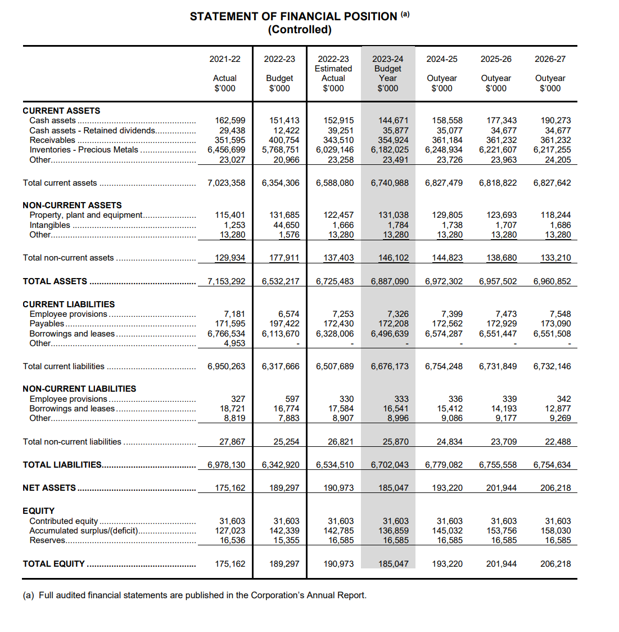
 |  |  | $'000 | $'000 | $0 | $'000 | $'000 | $'000 | $'000
CURRENT ASSETS Cash assets . |  |  | 162,599 | 151,413 | 152,915 | 144,671 | 158,558 | 177,343 | 190,273
Cash assets - Retained dividends.. |  |  | 29,438 | 12,422 | 39,251 | 35,877 | 35,077 | 34,677 | 34,677
Receivables . |  |  | 351,595 | 400,754 | 343,510 | 354,924 | 361,184 | 361,232 | 361,232
Inventories - Precious Metals |  |  | 6,456,699 | 5,768,751 | 6,029,146 | 6,182,025 | 6,248,934 | 6,221,607 | 6,217,255
Other... |  |  | 23,027 | 20,966 | 23,258 | 23,491 | 23,726 | 23,963 | 24,205
Total current assets . |  |  | 7,023,358 | 6,354,306 | 6,588,080 | 6,740,988 | 6,827,479 | 6,818,822 | 6,827,642
NON-CURRENT ASSETS Property, plant and equipment. . |  |  | 115,401 | 131,685 | 122,457 | 131,038 | 129,805 | 123,693 | 118,244
Intangibles . |  |  | 1,253 | 44,650 | 1,666 | 1,784 | 1,738 | 1,707 | 1,686
Other....- |  |  | 13,280 | 1,576 | 13,280 | 13,280 | 13,280 | 13,280 | 13,280
Total non-current assets .. |  |  | 129,934 | 177,911 | 137,403 | 146,102 | 144,823 | 138,680 | 133,210
TOTAL ASSETS |  |  | 7,153,292 | 6,532,217 | 6,725,483 | 6,887,090 | 6,972,302 | 6,957,502 | 6,960,852
CURRENT LIABILITIES |  |  | 7,181 | 6,574 | 7,253 | 7,326 | 7,399 | 7,473 | 7,548
Employee provisions | .
Payables |  |  | 171,595 | 197,422 | 172,430 | 172,208 | 172,562 | 172,929 | 173,090
Borrowings and leases.. |  |  | 6,766,534 | 6,113,670 | 6,328,006 | 6,496,639 | 6,574,287 | 6,551,447 | 6,551,508
Other... |  |  | 4,953
Total current liabilities |  |  | 6,950,263 | 6,317,666 | 6,507,689 | 6,676,173 | 6,754,248 | 6,731,849 | 6,732,146
NON-CURRENT LIABILITIES Employee provisions. |  |  | 327 | 597 | 330 | 333 | 336 | 339 | 342
Borrowings and leases.. |  |  | 18,721 | 16,774 | 17,584 | 16,541 | 15,412 | 14,193 | 12,877
Other... |  |  | 8,819 | 7,883 | 8,907 | 8,996 | 9,086 | 9,177 | 9,269
Total non-current liabilities |  |  | 27,867 | 25,254 | 26,821 | 25,870 | 24,834 | 23,709 | 22,488
TOTAL LIABILITIES........................ |  | . | 6,978,130 | 6,342,920 | 6,534,510 | 6,702,043 | 6 779,082 | 6,755,558 | 6,754,634
NET ASSETS |  |  | 175,162 | 189,297 | 190,973 | 185,047 | 193,220 | 201,944 | 206,218
EQUITY Contributed equity . |  |  | 31,603 | 31,603 | 31,603 | 31,603 | 31,603 | 31,603 | 31,603
Accumulated surplus/(deficit).............. |  |  | 127,023 | 142,339 | 142,785 | 136,859 | 145,032 | 153,756 | 158,030
Reserves... ................................................ |  |  | 16,536 | 15,355 | 16,585 | 16,585 | 16,585 | 16,585 | 16,585
TOTAL EQUITY . |  |  | 175,162 | 189,297 | 190,973 | 185,047 | 193,220 | 201,944 | 206,218
(a) Full audited financial statements are published in the Corporation's Annual Report.

