AGOSTO DE 2024
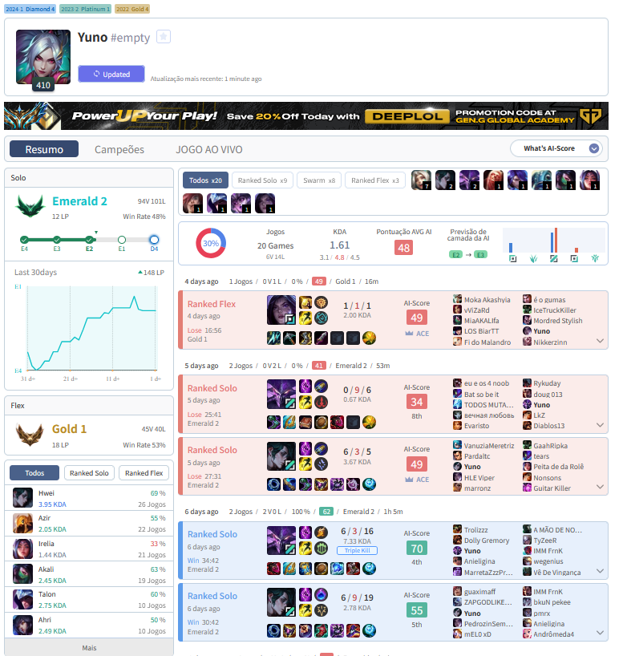
 | LOL DODGE | AREALME | DONTTAP | REACT TIME | CLICK | ORBWALK | CAMPEÃO | MATCHUP | KILLS | DEATH | ASSIST | CS/MIN | DMG% | FEEDBACK
2024-08-01 | - | - | - | - | - | - | DIANA | HWEI | 8 | 7 | 11 | 6.9 | 23939 | FÁCIL
2024-08-02 | - | - | - | - | - | - | TALON | ZED | 5 | 4 | 2 | 7 | 8554 | SKILL MATCH
2024-08-03 | - | - | - | - | - | - | AURELION | VEIGAR | 9 | 8 | 7 | 7.1 | 38300 | SKILL MATCH
2024-08-04 | - | - | - | - | - | - | AURELION | NAAFIRI | 7 | 6 | 7 | 7.1 | 24126 | DIFÍCIL
2024-08-05 | - | - | - | - | - | -
2024-08-06 | - | - | - | - | - | - | METAS
2024-08-07 | - | - | - | - | - | - | LOL DODGE | 6000 | https://loldodgegame.com/skillshot/
2024-08-08 | - | - | - | - | - | - | AREALME | 320 | https://www.arealme.com/apm-actions-per-minute-test/pt/
2024-08-09 | - | - | - | - | - | - | DONTTAP | 1000 | https://www.donttap.com/
2024-08-10 | - | - | - | - | - | - | REACT TIME | <200ms | https://humanbenchmark.com/tests/reactiontime
2024-08-11 | - | - | - | - | - | -
2024-08-12 | 1804 | 301 | 162 | 240 | - | -
2024-08-13 | 2801 | 272 | 368 | 241 | OK | -
2024-08-14 | 1931 | 281 | 442 | 243 | OK | OK
2024-08-15
2024-08-16
2024-08-17
2024-08-18
2024-08-19
2024-08-20
2024-08-21
2024-08-22
2024-08-23
2024-08-24
2024-08-25
2024-08-26
2024-08-27
2024-08-28
2024-08-29
2024-08-30
2024-08-31

