Machining Cost
I-Beam Structure Analysis Project Cost

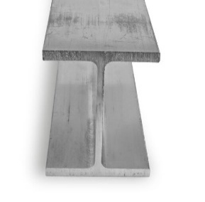
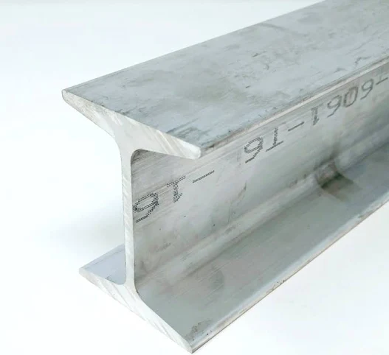
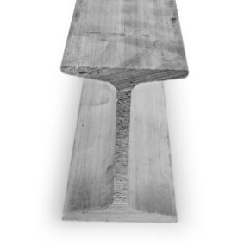
Stock Selection | Stock 1
Material Cost (per lb.) | $38.72
Raw Material Length (in) | 8.4
Weight (lb./in) | 0.16916666667

Stock 1
Stock 2
Stock 3
Material Cost Per Pc. | $55.02

Work Center Cost Including Overhead |  | Saw Cut | Saw Cut Miter | Drill | Face Ends | Mill
Tolerance (+/- inches) |  | 0.02 | 0.02 | 0.02 | 0.005 | 0.005
(2 x Labor + Material + Overhead) |  | $100.00 | $100.00 | $100.00 | $250.00 | $250.00

Set Up Time |  | 0.1667 | 0.1667 | 0.1667 | 0.5 | 0.5

Cycle Time Per Feature |  | 0.0167 |  | 0.5344
Cycle Time Basis |  | Per cut | Per cut | Per hole | Per end | Per inch of tool path with 0.05" removed for each pass
Qty Features |  | 1 | 0 | 32 | 0 | 0

Qty Parts |  | 1 | 1 | 1 | 1 | 1

Machine Time Cost |  | $18.34 |  | $70.11

Work Center Cost + Overhead + Machine Time | $143.47

