output
 |  |  |  |  |  |  |  |  |  |  |  |  | 0
0 | MATLAB Project (#1) - Aircraft Performance and AirLoads |  |  |  |  |  |  |  |  |  |  |  | 0
 | SE-160A Aerospace Structural Analysis, University of California, San Diego (Copyright J.B. Kosmatka, 2020)

 |  | Version: | Winter, 2020 (v1) - Input: US, Output: US/SI

 |  | Student Name: | John Kosmatka
 |  | Student ID: | A0123456789

 |  | Project Title: | Test Case: Cessna 172 (modified)

 | INPUT ECHO:

 |  | Variable | Description | Value | Units |  |  |  |  |  | Units Reference
 |  | iInput | Input Units | 1 | 1 = US, 2 = SI |  |  |  |  |  | US | SI
 |  | iOutput | Output Units | 1 | 1 = US, 2 = SI |  |  |  |  | Power | Hp | Watts
 |  |  |  |  |  |  |  |  |  | Speed (V) | ft/sec | m/sec
 | X | Part 1: | Aircraft Aerodynamic Definition |  |  |  |  |  |  | Mass | lb-sec2/inch | kg
 |  |  |  |  |  |  |  |  |  | Force | lb | N
 |  | Variable | Description | Value | Units |  |  |  |  | Length | inch, feet | m
 |  | dCL/da | Lift Curve Slope | 0.0836 | 1/degree |  |  |  |  | Temperature | oF | oC
 |  | ao | Zero Lift Angle | -3 | degree
 |  | CL-max (+) | Max Lift at Stall (+) | 1.338 | 1
 |  | astall (+) | Stall Angle (+) | 13 | degree
 |  | CL-max (-) | Max Lift at Stall (-) | -1.338 | 1
 |  | astall (-) | Stall Angle (-) | -19 | degree
 |  | Cmo | Wing Moment Coefficient | -0.045 | 1
 |  | CDoA | Parasitic Drag - Fuselage | 0.024 | 1
 |  | CDoW | Parasitic Drag - Wing | 0.008 | 1
 |  | CDiW | Induced Drag Coefficient | 0.0358 | 1
 |  | d0 | Spanwise drag amplification | 1 | 1
 |  | d10 | Spanwise drag amplification | 0.2 | 1
 |  | Hp | Maximum Motor Power | 200 | Hp
 |  | h | Propeller Efficiency | 85 | %

 | X | Part 2: | Aircraft Performance at Standard Sea Level
 |  |  | Note: Based upon maximum aircraft weight and calculated wing area (see below)

 |  | Flaps - Stowed
 |  | Variable | Description | Value | Units
 |  | Vs1 | Stall Speed | 50 | ft/sec
 |  | VNO | Max Structural Cruise Speed | 150 | ft/sec
 |  | VNE | Dive Speed - Never Exceed | 200 | ft/sec
 |  | np | Max Positive Load Factor | 4 | 1
 |  | nn | Max Negative Load Factor | -2 | 1
 |  | (0 < V < VC) | Gust Updraft | 50 | ft/sec
 |  | (VC < V < VD) | Gust Updraft | 25 | ft/sec
 |  | (0 < V < VC) | Gust Downdraft | -50 | ft/sec
 |  | (VC < V < VD) | Gust Downdraft | -25 | ft/sec
 |  | Kg | Gust Alleviation Factor | 1 | 1

 |  | Flaps - Extended (60 degrees)
 |  | Variable | Description | Value | Units
 |  | Vs0 | Stall Speed | 82.13 | ft/sec
 |  | VFE | Maximum Speed | 146.67 | ft/sec
 |  | npf | Positive Load Factor | 2 | 1
 |  | nnf | Negative Load Factor | -1.3 | 1

 | X | Part 3: | Aircraft Wing and Tail Geometry Definition

 |  | Main Wing Definition
 |  | Variable | Description | Value | Units
 |  | Ww | Wing Weight (total) | 250 | lb
 |  | b | Span (tip to tip) | 432 | inch
 |  | bfs | Fuselage Width (% of span) | 10 | %
 |  | bas | Aileron Span Length (% of span) | 45 | %
 |  | bac | Aileron Chord Length (% of chord) | 20 | %
 |  | bfs | Flap Span Length (% of span) | 45 | %
 |  | bfc | Flap Chord Length (% of chord) | 20 | %
 |  | CR | Chord - Root | 58 | inch
 |  | CT | Chord - Tip | 58 | inch
 |  | aR | Incidence Angle - Root | 0 | degrees
 |  | aR | Incidence Angle - Tip | 0 | degrees
 |  | DXw4 | Wing (C/4) Station | 46 | inch

 |  | Horizontal Stabilizer Definition (Assume NACA-0012 airfoil)
 |  | Variable | Description | Value | Units
 |  | bh | Span | 80 | inch
 |  | Crh | Chord - Root | 50 | inch
 |  | Cth | Chord - Tip | 50 | inch
 |  | DXh4 | Horizontal Stabilizer (C/4) Station | 214 | inch

 |  | Vertical Stabilizer Definition (Assume NACA-0012 airfoil)
 |  | Variable | Description | Value | Units
 |  | bv | Span | 50 | inch
 |  | Crv | Chord - Root | 40 | inch
 |  | Ctv | Chord - Tip | 40 | inch
 |  | DXv4 | Verical Stabilizer (C/4) Station | 220 | inch

 | X | Part 4: | Aircraft Weight and Balance

 |  |  |  |  | Aircraft Configuration
 |  | Station (inch) | Description | Weight (lb) | 1 | 2 | 3 | 4 | 5 | 6 | 7 | 8
 |  | 39.61 | Aircraft (empty + oil, etc) | 1454 | X | X | X | X | X | X | X | X
 |  | 48 | Fuel (40 gallons max) | 240 |  |  |  |  | X | X | X | X
 |  | 37 | Pilot | 170 | X | X | X | X | X | X | X | X
 |  | 37 | Co-Pilot (front passenger) | 170 |  |  | X | X |  |  | X | X
 |  | 73 | Rear passenger | 170 |  |  |  | X |  |  |  | X
 |  | 95 | luggage (in cockpit) | 96 |  | X | X | X |  | X | X | X
 |  | 123 | luggage (in fuselage) | 0 |  |  | X | X |  |  | X | X

 | X | Part 5: | Aircraft Local Environment

 |  | Variable | Description | Value | Units
 |  | h | Altimeter - Altitude (h) above SL | 10000 | ft
 |  | T | Temperature | 30 | degF

 | OUTPUT:

 |  | PART 1: | Aircraft Weight and Center of Gravity Distribution

 |  |  |  |  | Aircraft Configuration
 |  | Station (inch) | Description | Weight (lb) | 1 | 2 | 3 | 4 | 5 | 6 | 7 | 8
 |  | 39.61 | Aircraft (empty + oil, etc) | 1454 | X | X | X | X | X | X | X | X
 |  | 48 | Fuel (40 gallons max) | 240 |  |  |  |  | X | X | X | X
 |  | 37 | Pilot | 170 | X | X | X | X | X | X | X | X
 |  | 37 | Co-Pilot (front passenger) | 170 |  |  | X | X |  |  | X | X
 |  | 73 | Rear passenger | 170 |  |  |  | X |  |  |  | X
 |  | 95 | luggage (in cockpit) | 96 |  | X | X | X |  | X | X | X
 |  | 123 | luggage (in fuselage) | 0 |  |  | X | X |  |  | X | X

 |  |  |  | Aircraft Weight (lb) | 1624 | 1720 | 1890 | 2060 | 1864 | 1960 | 2130 | 2300
 |  |  |  | Aircraft CG Location (inch) | 39.337 | 42.444 | 41.954 | 44.516 | 40.452 | 43.124 | 42.635 | 44.880

 |  | Plot of CG location (x-axis) versus aircraft weight (y-axis)
 |  |  | 2300
 |  | 44.87953913

 |  | PART 2: | V-n Diagram and Gust Diamond at maximum weight

 |  | Variable | Description | Value | Units
 |  |  | Air Density (at altitude) | 0.0017314179991 | lb-sec^2/ft^4

 |  |  |  | at Sea Level |  | at Altitude
 |  | Test Case | Description | V (mph) | n | V (mph) | n
 |  | 1 | Stall – flaps down (n=1) | 56.00 | 1.00 | 65.61 | 1.00
 |  | 2 | Stall – flaps up (n=1) | 34.09 | 1.00 | 39.94 | 1.00
 |  | 3 | Cruise (n = 1) | 102.27 | 1.00 | 119.83 | 1.00
 |  | 4 | Dive (n=1) | 136.36 | 1.00 | 159.77 | 1.00
 |  | 5 | Flutter (n=1) | 163.64 | 1.00 | 191.73 | 1.00
 |  | 6 | PHAA | 68.18 | 4.00 | 79.89 | 4.00
 |  | 7 | PLAA | 136.36 | 4.00 | 159.77 | 4.00
 |  | 8 | NHAA | 48.21 | -2.00 | 56.49 | -2.00
 |  | 9 | NLAA | 136.36 | -2.00 | 159.77 | -2.00
 |  | 10 | + Gust (cruise) | 102.27 | 4.23 | 119.83 | 3.76
 |  | 11 | + Gust (dive) | 136.36 | 3.15 | 159.77 | 2.84
 |  | 12 | - Gust (cruise) | 102.27 | -2.23 | 119.83 | -1.76
 |  | 13 | - Gust (dive) | 136.36 | -1.15 | 159.77 | -0.84

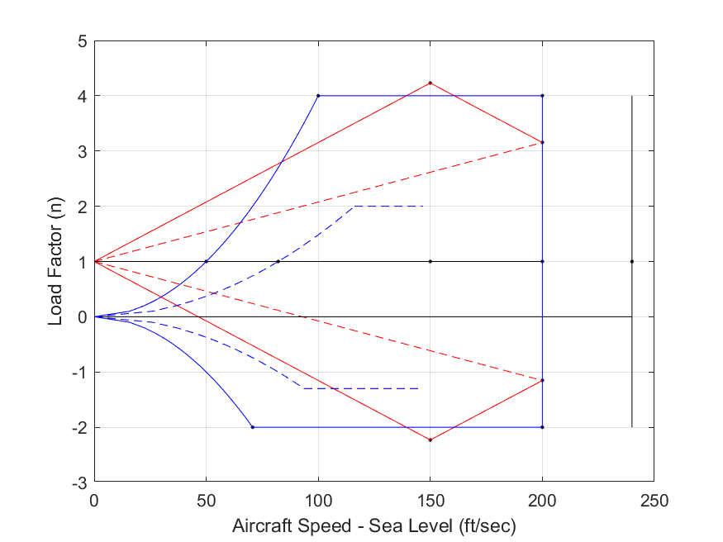
 |  | Plot of V-n Diagram and Gust Diamond at sea level

 |  | PART 3: | Maneuvering Loads at Normal Flight (n = 1)

 |  |  |  | Stall, Flaps
 |  | Variable | Description | Extended | Stowed | Cruise | Dive | Units
 |  | V | Air Speed (at altitude) | 65.61 | 39.94 | 119.83 | 159.77 | mph
 |  | q | Dynamic Pressure (at altitude) | 8.02 | 2.97 | 26.74 | 47.54 | lb/ft^2
 |  | n | Load Factor | 1.00 | 1.00 | 1.00 | 1.00 | 1
 |  | MA | Wing Moment | -303.39 | -112.44 | -1011.98 | -1799.08 | lb-ft
 |  | LW | Wing Lift | 2337.01 | 2323.37 | 2387.62 | 2443.85 | lb
 |  | CL | Lift Coefficient | 1.68 | 4.49 | 0.51 | 0.30 | 1
 |  | LT | Tail Lift | -37.01 | -23.37 | -87.62 | -143.85 | lb
 |  | DW | Wing Drag | 151.33 | 377.94 | 81.09 | 92.02 | lb
 |  | DF | Fuselage Drag | 33.48 | 12.41 | 111.67 | 198.52 | lb
 |  | T | Thrust | 184.81 | 390.35 | 192.75 | 290.54 | lb
 |  | Power | Required Power at altitude | 38.04 | 48.92 | 72.46 | 145.63 | hp
 |  | Power | Required Power at SL | 54.94 | 70.64 | 104.65 | 210.31 | hp
 |  | a | Wing Angle of Attack | 17.04 | 50.76 | 3.14 | 0.53 | degrees
 |  | FN | Wing Load Resultant (normal) | 2039.73 | 1604.33 | 2138.86 | 2194.61 | lb
 |  | FC | Wing Load Resultant (chordwise) | -466.92 | -1366.69 | -36.06 | 71.57 | lb

 |  | PART 4: | Maneuvering Loads at Critical V-n Diagram Corners and Gust Diamond Corners

 |  |  |  | V-n Corner Points |  |  |  | Gust Diamond
 |  | Variable | Description | PHAA | PLAA | NHAA | NLAA | +gust (cruise) | +gust (dive) | -gust (cruise) | -gust (dive) | Units
 |  | V | Air Speed (at sea level) | 68.18 | 136.36 | 48.21 | 136.36 | 102.27 | 136.36 | 102.27 | 136.36 | mph
 |  | q | Dynamic Pressure (at sea level) | 11.88 | 47.54 | 5.94 | 47.54 | 26.74 | 47.54 | 26.74 | 47.54 | lb/ft^2
 |  | n | Load Factor | 4.00 | 4.00 | -2.00 | -2.00 | 4.23 | 3.15 | -2.23 | -1.15 | 1
 |  | MA | Wing Moment | -449.77 | -1799.08 | -224.89 | -1799.08 | -1011.98 | -1799.08 | -1011.98 | -1799.08 | lb-ft
 |  | LW | Wing Lift | 9293.49 | 9389.86 | -4614.62 | -4502.17 | 9866.03 | 7429.45 | -5090.78 | -2541.76 | lb
 |  | CL | Lift Coefficient | 4.49 | 1.14 | -4.46 | -0.54 | 2.12 | 0.90 | -1.09 | -0.31 | 1
 |  | LT | Tail Lift | -93.49 | -189.86 | 14.62 | -97.83 | -137.17 | -176.88 | -38.08 | -110.81 | lb
 |  | DW | Wing Drag | 1511.77 | 447.77 | 745.59 | 153.90 | 786.17 | 305.07 | 236.63 | 94.13 | lb
 |  | DF | Fuselage Drag | 49.63 | 198.52 | 24.81 | 198.52 | 111.67 | 198.52 | 111.67 | 198.52 | lb
 |  | T | Thrust | 1561.40 | 646.29 | 770.40 | 352.42 | 897.84 | 503.59 | 348.30 | 292.65 | lb
 |  | Power | Required Power at SL | 333.99 | 276.49 | 116.53 | 150.77 | 288.08 | 215.44 | 111.75 | 125.20 | hp
 |  | a | Wing Angle of Attack | 50.76 | 10.58 | -56.39 | -9.51 | 22.36 | 7.74 | -16.09 | -6.68 | degrees
 |  | FN | Wing Load Resultant (normal) | 6417.31 | 8329.47 | -2898.74 | -3972.59 | 8445.13 | 6621.67 | -4421.34 | -2249.10 | lb
 |  | FC | Wing Load Resultant (chordwise) | -5466.76 | -1100.11 | -3013.84 | -509.50 | -2624.55 | -592.57 | -1028.85 | -168.46 | lb

 |  | PART 5: | Distributed Loads at PHAA
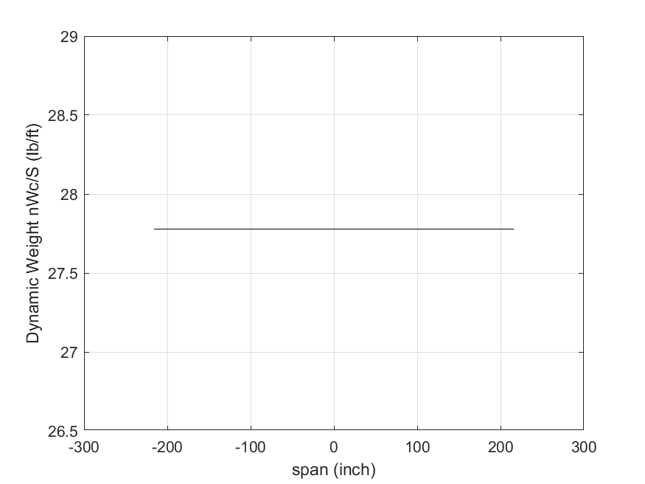

 |  | 5.1) Plot of Distributed Wing Weight (n*(W/S)*C) versus Span Location (-b/2 < x < b/2)

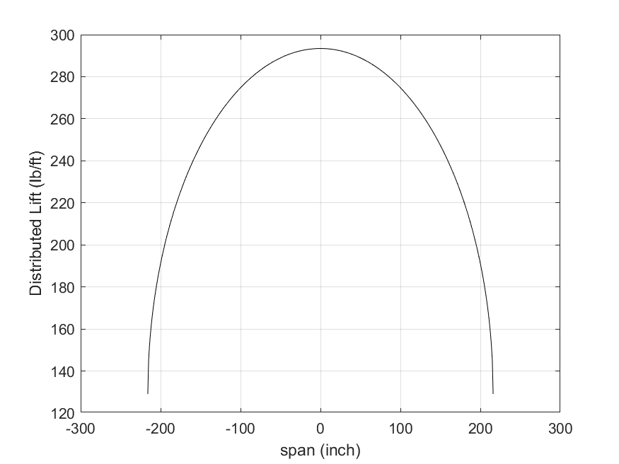

 |  | 5.2) Plot of Distributed Wing Lift (Shrenk's Approximation) versus Span Location (-b/2 < x < b/2)

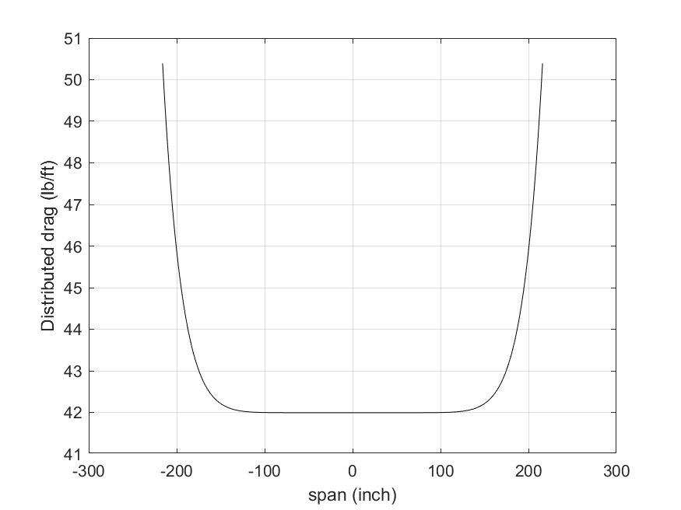

 |  | 5.3) Plot of Distributed Wing Drag versus Span Location (-b/2 < x < b/2)

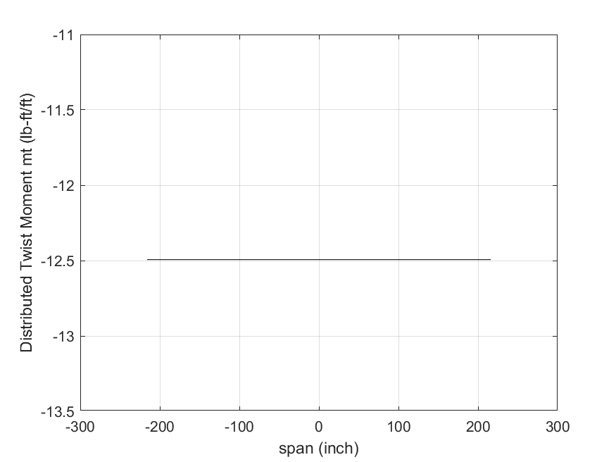

 |  | 5.4) Plot of Distributed Wing Moment versus Span Location (-b/2 < x < b/2)

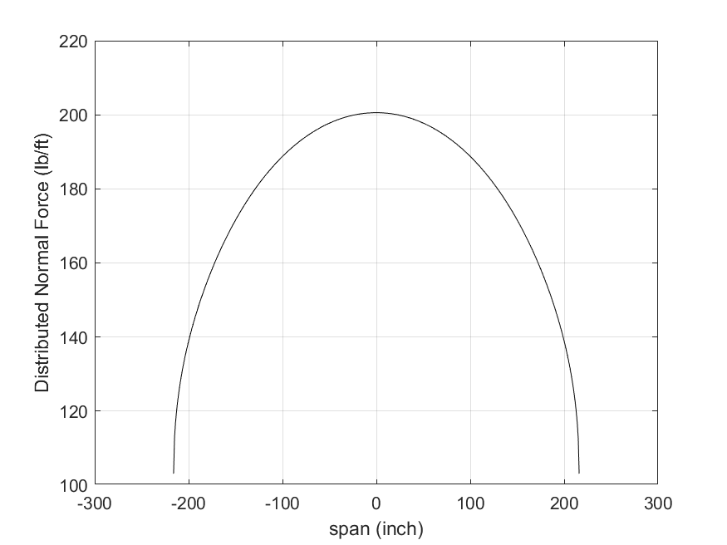

 |  | 5.5) Plot of Normal Distributed Load versus Span Location (-b/2 < x < b/2)

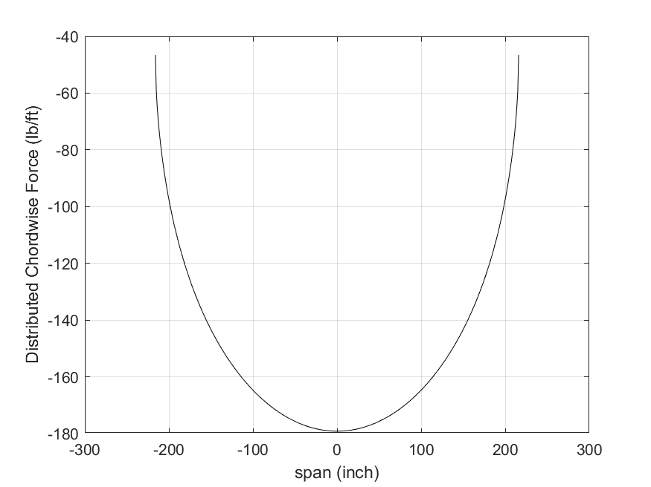

 |  | 5.6) Plot of Chordwise Distributed Load versus Span Location (-b/2 < x < b/2)

 | END OF OUTPUT

