Gel
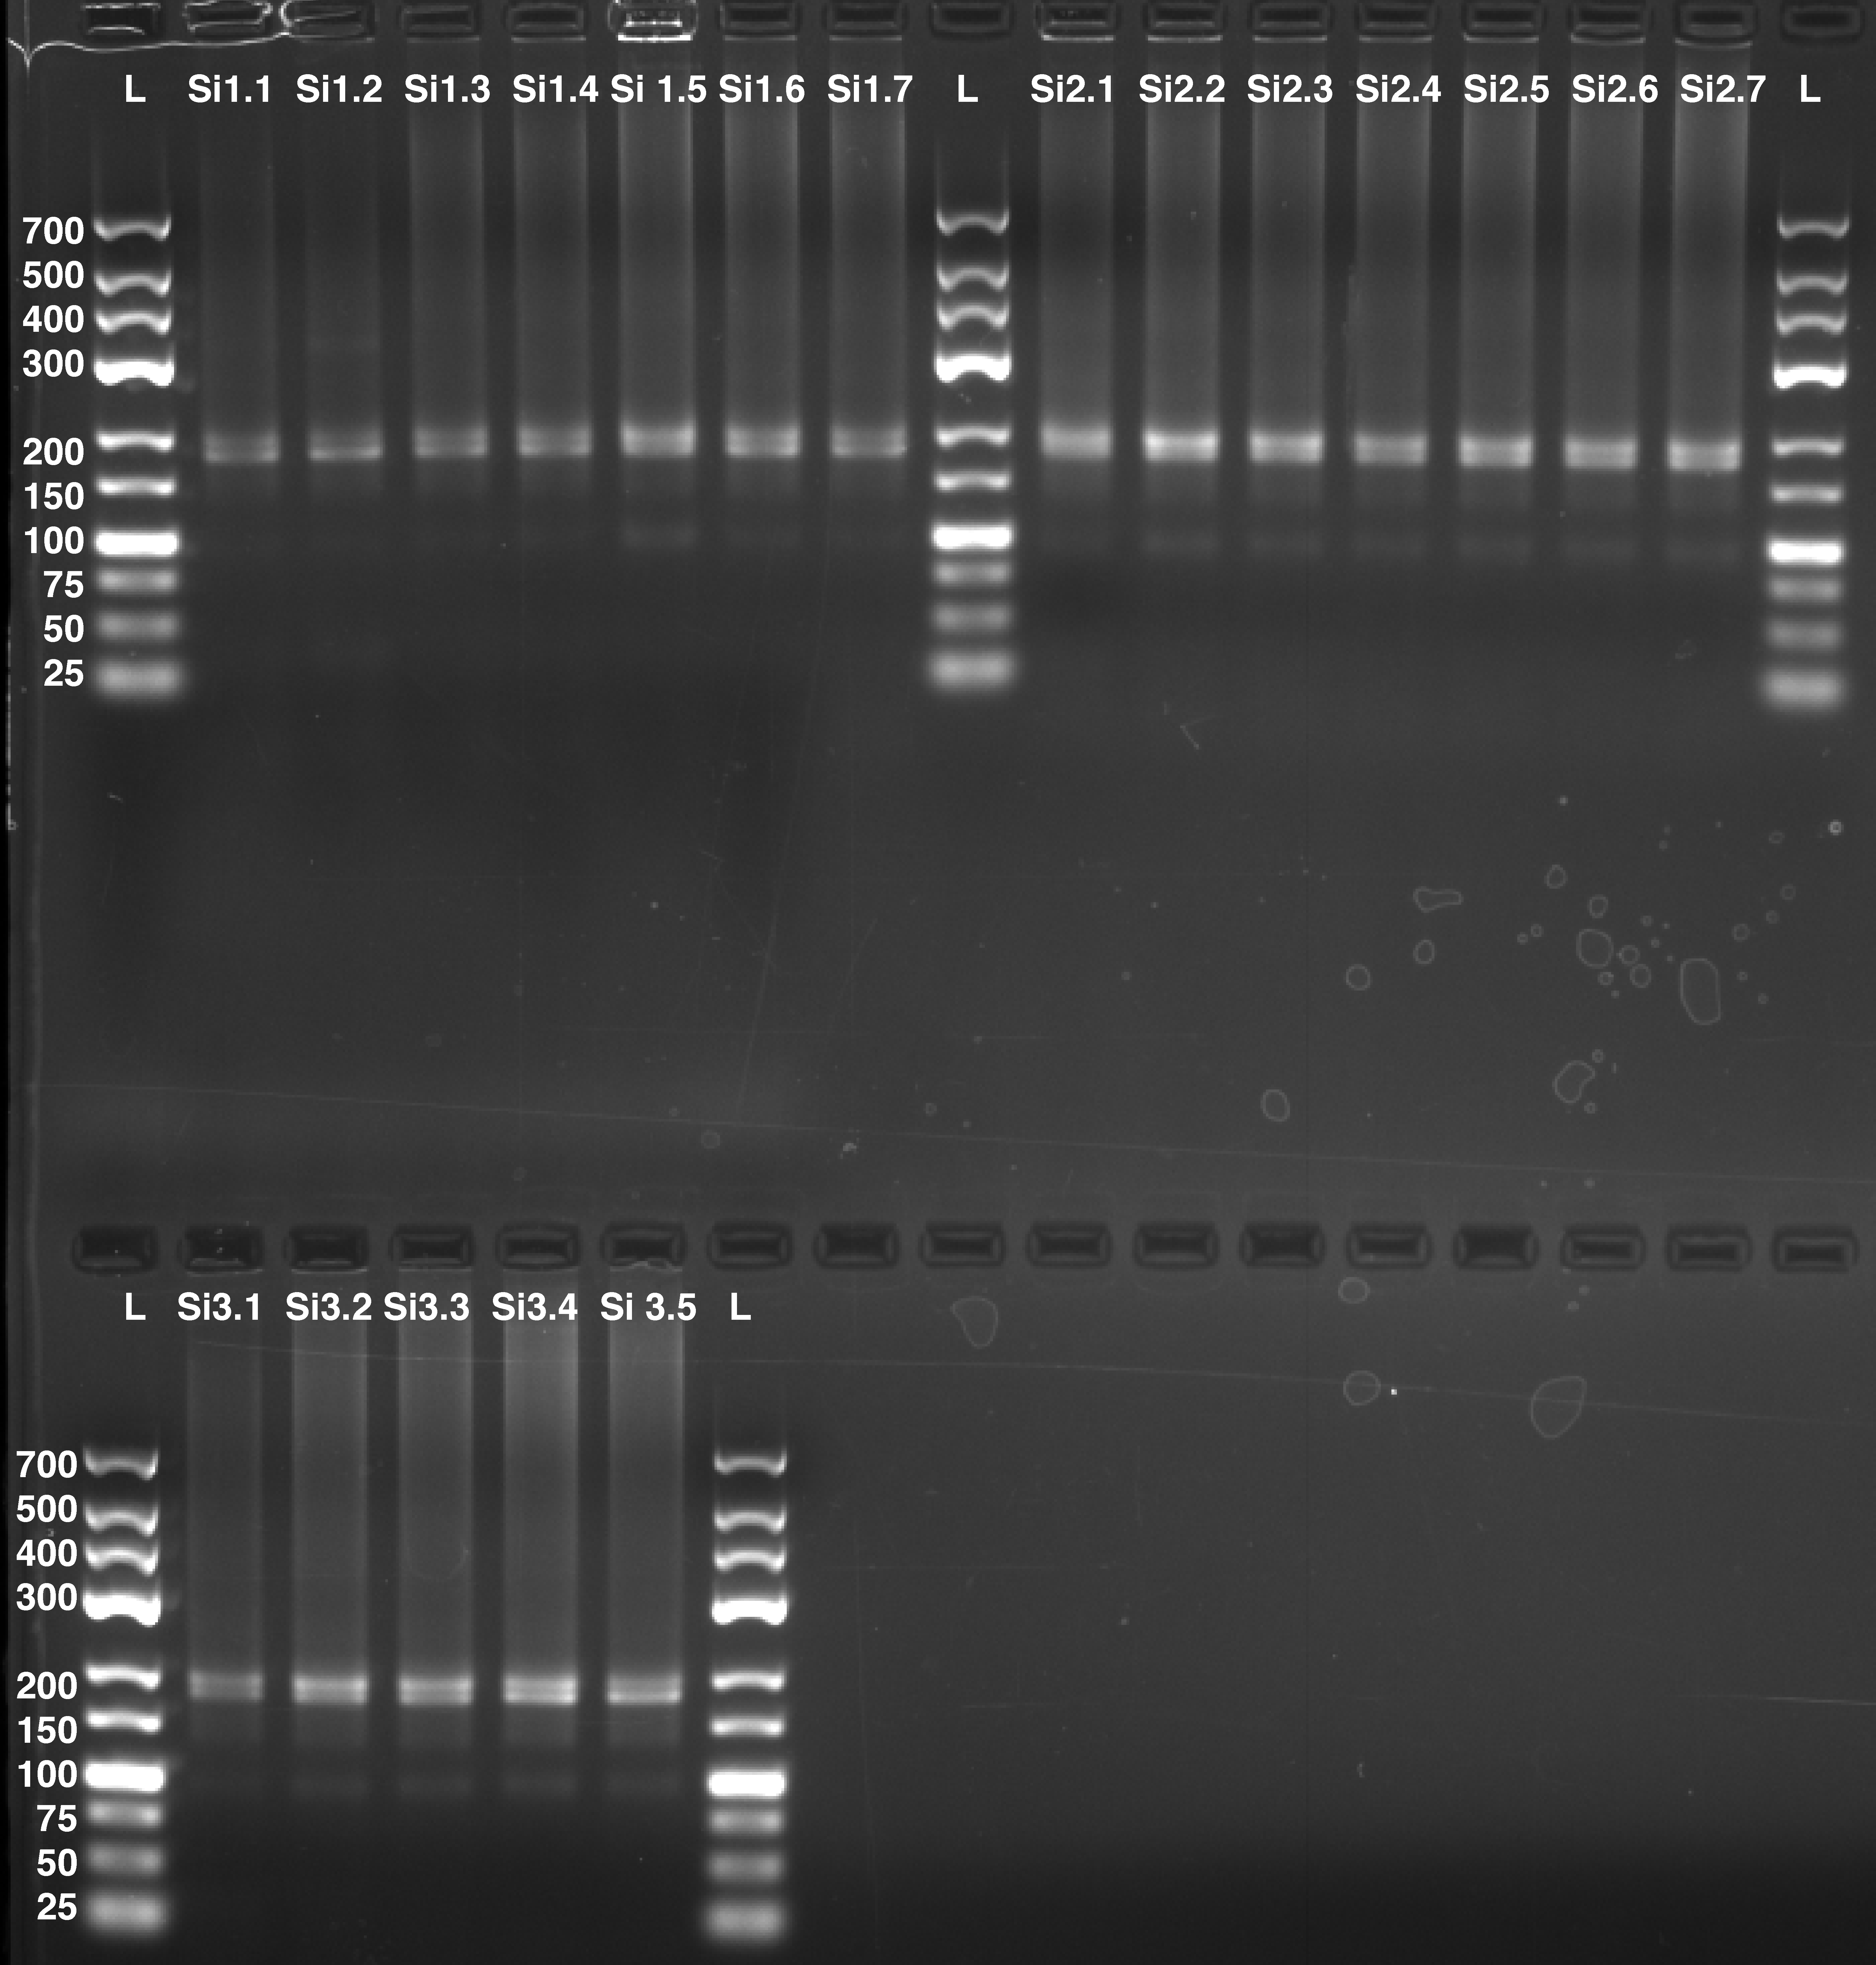
Gel Loading Layout
1 | 2 | 3 | 4 | 5 | 6 | 7 | 8 | 9 | 10 | 11 | 12 | 13 | 14 | 15 | 16 | 17
L | Si1.1 | Si1.2 | Si1.3 | Si1.4 | Si1.5 | Si1.6 | Si1.7 | L | Si2.1 | Si2.2 | Si2.3 | Si2.4 | Si2.5 | Si2.6 | Si2.7 | L

L | Si3.1 | Si3.2 | Si3.3 | Si3.4 | Si3.5 | L

