qPCR1_results
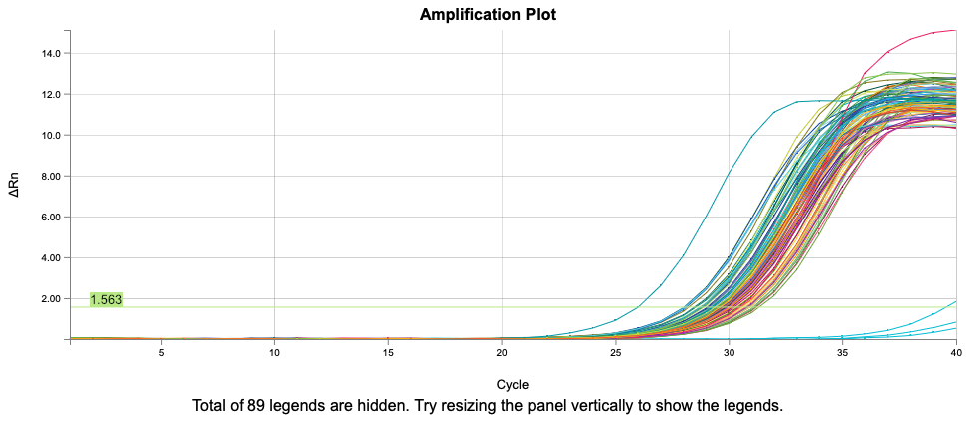
Well | Sample | Cq
G5 | SGB022 | 25.971060049
C4 | SGB009 | 28.028832562
A9 | XGB009 | 28.03127642
F5 | SGB021 | 28.044703457
B4 | SGB008 | 28.045703418
E4 | SGB011 | 28.112881134
C9 | XGB011 | 28.261292487
C5 | SGB018 | 28.526846762
E5 | SGB020 | 28.578259473
D9 | XGB012 | 28.593359854
B8 | XGB002 | 28.730115646
A5 | SGB016 | 28.760447081
D5 | SGB019 | 28.778768931
F6 | SGB029 | 28.815752165
C6 | SGB026 | 28.816289182
B5 | SGB017 | 28.839579198
E3 | SGB002 | 28.857804046
H8 | XGB008 | 28.922386661
G3 | SGB005 | 29.053578873
E6 | SGB028 | 29.097312447
B1 | MGB002 | 29.139600302
F3 | SGB004 | 29.160959797
B6 | SGB025 | 29.168509843
G9 | XGB015 | 29.255600624
H6 | SGB031 | 29.279734862
H5 | SGB023 | 29.280929008
F4 | SGB012 | 29.336535945
G4 | SGB013 | 29.346140824
H9 | XGB016 | 29.447554562
E11 | XGB029 | 29.456232853
D6 | SGB027 | 29.471725431
H4 | SGB015 | 29.47448002 | SGB009
A6 | SGB024 | 29.507240397 | XGB009
G7 | SGB029.2 | 29.508967997 | MGB002
E1 | MGB005 | 29.531070365 | SGB020.3
F9 | XGB014 | 29.559477468 | XGB005
A7 | SGB032 | 29.564820922 | MGB004
B9 | XGB010 | 29.57323186
H7 | SGB029.3 | 29.598199054
G11 | XGB003.2 | 29.613881689
A4 | SGB007 | 29.620310142
H10 | XGB024 | 29.654478113
A1 | MGB001 | 29.67409483
F2 | MGB014 | 29.676837157
D3 | MGB013.3 | 29.743571871
C10 | XGB019 | 29.745040049
H3 | SGB006 | 29.748027204
A8 | XGB001 | 29.768349865
D4 | SGB010 | 29.780187949
H11 | XGB003.3 | 29.807243089
A10 | XGB017 | 29.840832438
B3 | MGB008.3 | 29.847543368
G6 | SGB030 | 29.86068288
E2 | MGB013 | 29.904669098
B10 | XGB018 | 29.911702474
C7 | SGB008.2 | 29.927038973
F1 | MGB006 | 29.991043403
B2 | MGB010 | 29.994101698
D2 | MGB012 | 30.016145571
C2 | MGB011 | 30.020800704
C3 | MGB013.2 | 30.027278316
E9 | XGB013 | 30.062202018
A11 | XGB025 | 30.087150185
A2 | MGB009 | 30.098870522
G10 | XGB023 | 30.101149512
G2 | MGB002.2 | 30.136549202
B11 | XGB026 | 30.234452646
G1 | MGB007 | 30.263496548
D10 | XGB020 | 30.386330395
E7 | SGB020.2 | 30.439876754
H1 | MGB008 | 30.520748767
C11 | XGB027 | 30.55720141
D11 | XGB028 | 30.583924849
F10 | XGB022 | 30.644275182
F11 | XGB030 | 30.760910802
B7 | SGB033 | 30.784094484
A3 | MGB008.2 | 30.806102627
C8 | XGB003 | 30.829364634
H2 | MGB002.3 | 30.835628259
D8 | XGB004 | 30.839962802
F8 | XGB006 | 30.902013177
E10 | XGB021 | 30.938002282
C1 | MGB003 | 31.065426937
D7 | SGB008.3 | 31.085282626
F7 | SGB020.3 | 31.086435709
E8 | XGB005 | 31.204603961
D1 | MGB004 | 31.225361221
G8 | XGB007 | 31.377559091
C12 | -C | 39.55744129
A12 | -C | Undetermined
B12 | -C | Undetermined

qPCR2_results
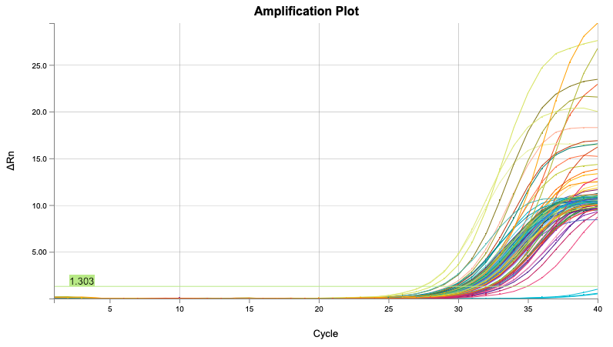
Well | Sample | Cq
B9 | SSF070 | 27.442164664
F9 | SSF074 | 27.528629444
D9 | SSF072 | 28.144806055
F6 | SSF050 | 28.626625777
C9 | SSF071 | 28.767130362
B11 | SSF086 | 29.364164673
G5 | SSF043 | 29.508591378
E9 | SSF073 | 29.5875973
A5 | SSF037 | 29.659481529
C11 | SSF087 | 29.74672982
G6 | SSF051 | 29.924643452
F5 | SSF042 | 29.963480812
A8 | SSF061 | 30.021561867
A9 | SSF069 | 30.124154536
G3 | SSF027 | 30.136447404
G8 | SSF067 | 30.232796965
E5 | SSF041 | 30.236269209
C8 | SSF063 | 30.262769816
C5 | SSF039 | 30.274547461
D11 | SSF088 | 30.27989029
D8 | SSF064 | 30.304107863
F8 | SSF066 | 30.364027036
F3 | SSF026 | 30.406464769
B5 | SSF038 | 30.429567318
D5 | SSF040 | 30.502485524
C4 | SSF031 | 30.526752152
B8 | SSF062 | 30.569390251
G10 | SSF083 | 30.60299754
B7 | SSF054 | 30.629091054
H6 | SSF052 | 30.645408289
A6 | SSF045 | 30.685744059
H5 | SSF044 | 30.723975813
C6 | SSF047 | 30.768094329
D6 | SSF048 | 30.783495631
A7 | SSF053 | 30.796637181
H8 | SSF068 | 30.807520116
E3 | SSF025 | 30.898669615
H3 | SSF028 | 30.920957498
C10 | SSF079 | 30.964501951
E2 | SSF017 | 31.001283263
A3 | SSF021 | 31.006862046
H4 | SSF036 | 31.023332774
E10 | SSF081 | 31.041014949
F4 | SSF034 | 31.177293021
E8 | SSF065 | 31.178662327
E4 | SSF033 | 31.208682236
A11 | SSF085 | 31.214615519
H9 | SSF076 | 31.218615868
F7 | SSF058 | 31.226092807
D3 | SSF024 | 31.247049701
F11 | SSF090 | 31.259318041
G9 | SSF075 | 31.283032206
B10 | SSF078 | 31.379012493
C1 | SSF007 | 31.404345699
D4 | SSF032 | 31.447415549
A10 | SSF077 | 31.461047304
G4 | SSF035 | 31.528825179
E6 | SSF049 | 31.535922415
H10 | SSF084 | 31.605379571
D10 | SSF080 | 31.613177841
B6 | SSF046 | 31.621954461
G11 | SSF091 | 31.633317691
C3 | SSF023 | 31.71551216
G2 | SSF019 | 31.718538289
D2 | SSF016 | 31.750267344
B2 | SSF014 | 31.763417383
B4 | SSF030 | 31.829128386
F2 | SSF018 | 31.836928863
H7 | SSF060 | 32.13892892
F10 | SSF082 | 32.199710407
H11 | SSF092 | 32.261063804
F1 | SSF010 | 32.306947282
G7 | SSF059 | 32.30858217
B3 | SSF022 | 32.317259898
D7 | SSF056 | 32.337600212
C7 | SSF055 | 32.362281839
E1 | SSF009 | 32.418044664
E11 | SSF089 | 32.424883196
H2 | SSF020 | 32.506712272
E7 | SSF057 | 32.580399851
A4 | SSF029 | 32.777494651 | SSF038
A1 | SSF005 | 32.785498626 | SSF034
H1 | SSF012 | 32.895381951 | SSF006
B1 | SSF006 | 33.12046877 | SSF008
A2 | SSF013 | 33.155171426
C2 | SSF015 | 33.371487455
G1 | SSF011 | 33.964067516
D1 | SSF008 | 34.966200093
A12 | -C | Undetermined
B12 | -C | Undetermined
C12 | -C | Undetermined

qPCR3_results
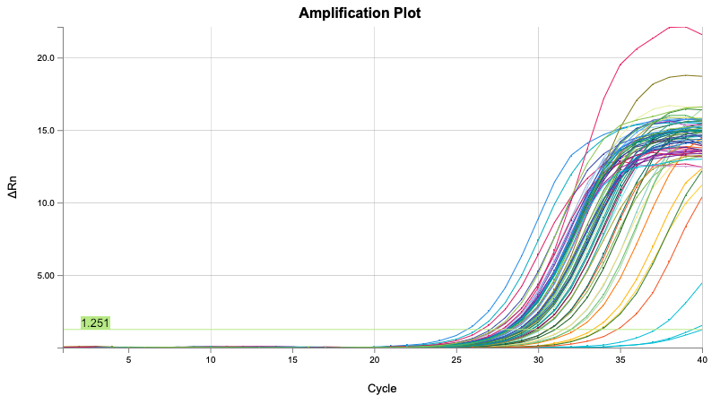
Well | Sample | Cq
B12 | -C | Undetermined
C12 | -C | 39.433179305
A12 | -C | 37.150640874
E10 | CHS_OFAV12.2 | 34.854458661
E7 | CHS_OFAV13 | 33.869954358
D10 | CHS_OFAV10.3 | 33.800438187
A10 | CHS_OFAV05.2 | 33.403921241
C10 | CHS_OFAV10.2 | 32.383251429
B7 | CHS_OFAV10 | 32.101793807
D7 | CHS_OFAV12 | 32.024964869
B6 | CHS_OFAV05 | 31.62170438
B10 | CHS_OFAV05.3 | 31.589099234
C7 | CHS_OFAV11 | 31.091233442
A8 | CHS_OFAV14 | 30.718014522
E6 | CHS_OFAV08 | 30.697028737
A11 | CHS_OFAV12.3 | 30.694085446
B5 | SSF122 | 30.205000329
D6 | CHS_OFAV07 | 30.124328501
E9 | SSF091.3 | 30.091200335
C6 | CHS_OFAV06 | 29.931534444
E1 | SSF105 | 29.864452741
G5 | SSF001 | 29.664612293
A6 | CHS_OFAV04 | 29.651670634
B8 | CHS_OFAV15 | 29.524366756
E5 | CHS_OFAV03 | 29.424701164
C8 | CHS_OFAV16 | 29.404786385
C1 | SSF103 | 29.33075616
D9 | SSF091.2 | 29.321255433
B1 | SSF102 | 29.304477004
D1 | SSF104 | 29.28881776
G7 | SSF003 | 29.21409545
E3 | SSF115 | 29.181029878
D8 | CHS_OFAV17 | 29.087994982
E4 | SSF120 | 29.074371157
D5 | CHS_OFAV02 | 29.04250417
A7 | CHS_OFAV09 | 29.008423751
E8 | SSF005.2 | 28.892750008
G4 | XGB027.3 | 28.824714652
G2 | XGB017.3 | 28.820085522
C9 | SSF066.3 | 28.807621747
E2 | SSF110 | 28.806723492
D4 | SSF119 | 28.581676871
B9 | SSF066.2 | 28.516436436
A9 | SSF005.3 | 28.509367
D2 | SSF109 | 28.459958103
H7 | SSF099 | 28.38958403
G8 | SSF004 | 28.278006978
C4 | SSF118 | 28.271825635
G6 | SSF002 | 28.258637569
C3 | SSF113 | 28.25597075
G3 | XGB027.2 | 28.208496201
H6 | SSF098 | 28.206098886
D3 | SSF114 | 28.19402362
H4 | SSF096 | 28.193727461
H5 | SSF097 | 28.176548121
C5 | CHS_OFAV01 | 28.109401727
C2 | SSF108 | 28.081103081
H2 | SSF094 | 28.029887087
H3 | SSF095 | 28.006072098
B4 | SSF117 | 27.900299516
A2 | SSF106 | 27.837326184
H1 | SSF093 | 27.799293964
B2 | SSF107 | 27.791480928
B3 | SSF112 | 27.545712485
G1 | XGB017.2 | 27.453552142
H8 | SSF100 | 27.366442022
A3 | SSF111 | 27.123107448
A1 | SSF101 | 26.625322247
A5 | SSF121 | 26.339639371
A4 | SSF116 | 25.721986855

testPCR
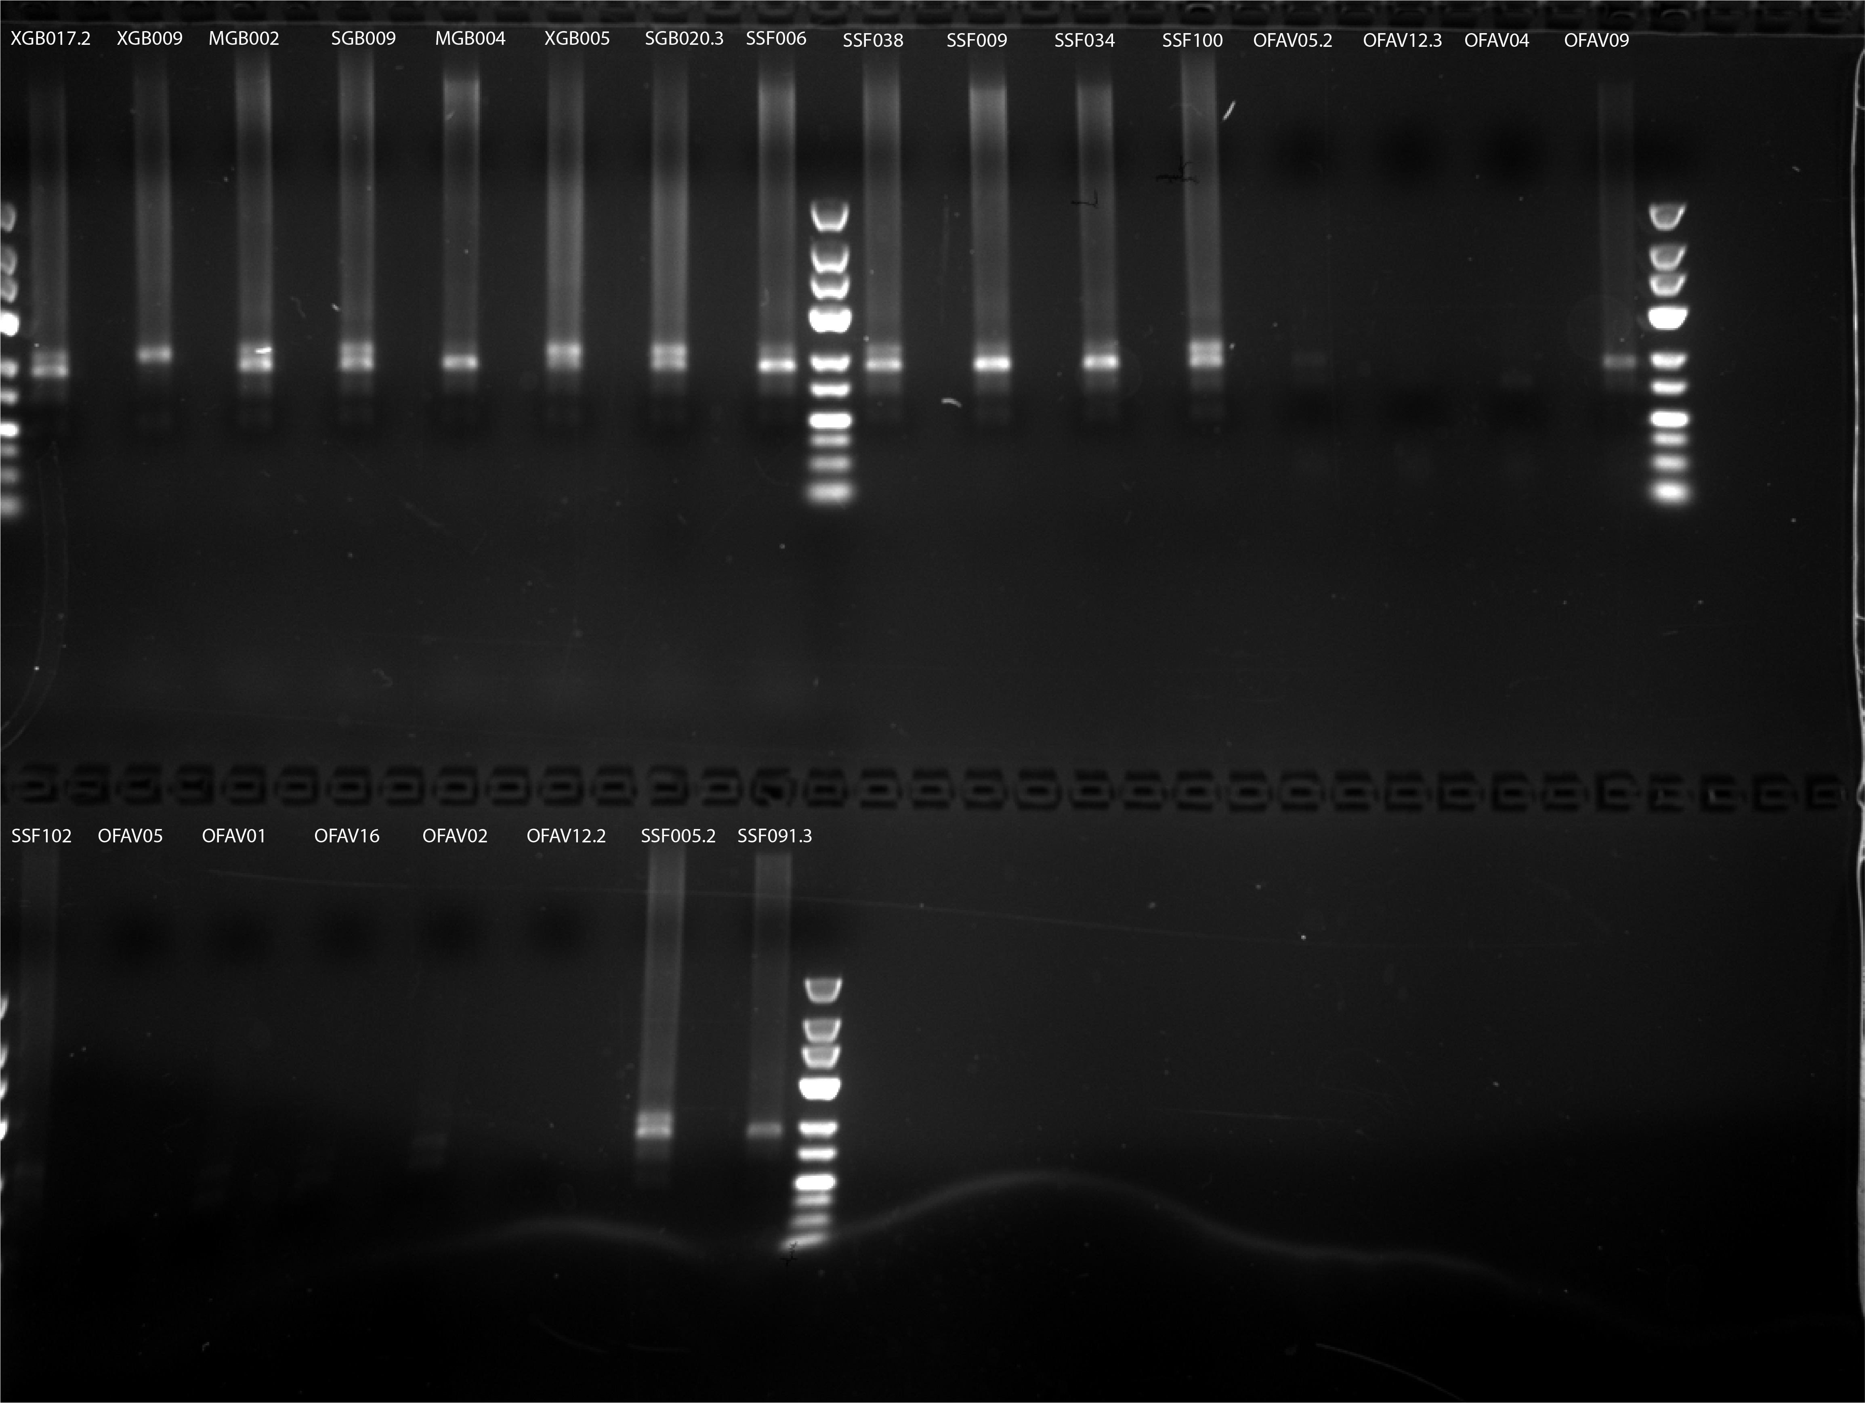
 |  |  |  |  |  |  |  |  |  |  |  |  |  | PCR Profile |  |  | rxn = | 24
 |  |  |  |  |  |  |  |  |  |  |  |  |  | 70 ºC | 30 s
 | A | B | C | D | E | F | G | H |  |  |  |  |  | 95 ºC | 20 s
1 | XGB017.2 | XGB009 | MGB002 | SGB009 | MGB004 | XGB005 | SGB020.3 | SSF006 |  |  |  |  |  | 65 ºC | 3 min | 15 x
2 | SSF038 | SSF008 | SSF034 | SSF100 | CHS_OFAV05.2 | CHS_OFAV12.3 | CHS_OFAV04 | CHS_OFAV09 |  |  |  |  |  | 72 ºC | 30 s
3 | SSF102 | CHS_OFAV05 | CHS_OFAV01 | CHS_OFAV16 | CHS_OFAV02 | CHS_OFAV12.2 | SSF005.2 | SSF091.3 |  |  |  |  |  | 4 ºC | hold

 |  |  |  |  |  |  |  |  |  | Reagent | Rxn Vol (µL) | rxns (+error)
 |  |  |  |  |  |  |  |  |  | dNTPs 2.5 mM ea | 0.4 | 10.56
 |  |  |  |  |  |  |  |  |  | H2O | 9.7 | 256.08
 |  |  |  |  |  |  |  |  |  | 10 µM IC1-P5 | 0.4 | 10.56
 |  |  |  |  |  |  |  |  |  | 10 µM IC1-P7 | 0.4 | 10.56
 |  |  |  |  |  |  |  |  |  | 1 µM ILL-BC oligo | 2.4 | 63.36
 |  |  |  |  |  |  |  |  |  | 10 µM TruSeq_UN oligo | 0.3 | 7.92
 |  |  |  |  |  |  |  |  |  | 10x Titanium buffer | 2 | 52.8
 |  |  |  |  |  |  |  |  |  | Titanium Taq | 0.4 | 10.56
 |  |  |  |  |  |  |  |  |  | + ligation template | 4 | 105.6
 |  |  |  |  |  |  |  |  |  | Total | 20 | 422.4

sample | plate | well |  | 1 | 2 | 3 | 4 | 5 | 6 | 7 | 8 | 9 | 10 | 11 | 12
XGB017.2 | 1 | A12 | A | MGB001 | MGB009 | MGB008.2 | SGB007 | SGB016 | SGB024 | SGB032 | XGB001 | XGB009 | XGB017 | XGB025 | XGB017.2
XGB009 | 1 | A9 | B | MGB002 | MGB010 | MGB008.3 | SGB008 | SGB017 | SGB025 | SGB033 | XGB002 | XGB010 | XGB018 | XGB026 | XGB017.3
MGB002 | 1 | B1 | C | MGB003 | MGB011 | MGB013.2 | SGB009 | SGB018 | SGB026 | SGB008.2 | XGB003 | XGB011 | XGB019 | XGB027 | XGB027.2
SGB009 | 1 | C4 | D | MGB004 | MGB012 | MGB013.3 | SGB010 | SGB019 | SGB027 | SGB008.3 | XGB004 | XGB012 | XGB020 | XGB028 | XGB027.3
MGB004 | 1 | D1 | E | MGB005 | MGB013 | SGB002 | SGB011 | SGB020 | SGB028 | SGB020.2 | XGB005 | XGB013 | XGB021 | XGB029 | SSF001
XGB005 | 1 | E8 | F | MGB006 | MGB014 | SGB004 | SGB012 | SGB021 | SGB029 | SGB020.3 | XGB006 | XGB014 | XGB022 | XGB030 | SSF002
SGB020.3 | 1 | F7 | G | MGB007 | MGB002.2 | SGB005 | SGB013 | SGB022 | SGB030 | SGB029.2 | XGB007 | XGB015 | XGB023 | XGB003.2 | SSF003
SSF006 | 2 | B1 | H | MGB008 | MGB002.3 | SGB006 | SGB015 | SGB023 | SGB031 | SGB029.3 | XGB008 | XGB016 | XGB024 | XGB003.3 | SSF004
SSF038 | 2 | B5
SSF008 | 2 | D1 |  | 1 | 2 | 3 | 4 | 5 | 6 | 7 | 8 | 9 | 10 | 11 | 12
SSF034 | 2 | F4 | A | SSF005 | SSF013 | SSF021 | SSF029 | SSF037 | SSF045 | SSF053 | SSF061 | SSF069 | SSF077 | SSF085 | SSF093
SSF100 | 2 | H12 | B | SSF006 | SSF014 | SSF022 | SSF030 | SSF038 | SSF046 | SSF054 | SSF062 | SSF070 | SSF078 | SSF086 | SSF094
CHS_OFAV05.2 | 3 | A10 | C | SSF007 | SSF015 | SSF023 | SSF031 | SSF039 | SSF047 | SSF055 | SSF063 | SSF071 | SSF079 | SSF087 | SSF095
CHS_OFAV12.3 | 3 | A11 | D | SSF008 | SSF016 | SSF024 | SSF032 | SSF040 | SSF048 | SSF056 | SSF064 | SSF072 | SSF080 | SSF088 | SSF096
CHS_OFAV04 | 3 | A6 | E | SSF009 | SSF017 | SSF025 | SSF033 | SSF041 | SSF049 | SSF057 | SSF065 | SSF073 | SSF081 | SSF089 | SSF097
CHS_OFAV09 | 3 | A7 | F | SSF010 | SSF018 | SSF026 | SSF034 | SSF042 | SSF050 | SSF058 | SSF066 | SSF074 | SSF082 | SSF090 | SSF098
SSF102 | 3 | B1 | G | SSF011 | SSF019 | SSF027 | SSF035 | SSF043 | SSF051 | SSF059 | SSF067 | SSF075 | SSF083 | SSF091 | SSF099
CHS_OFAV05 | 3 | B6 | H | SSF012 | SSF020 | SSF028 | SSF036 | SSF044 | SSF052 | SSF060 | SSF068 | SSF076 | SSF084 | SSF092 | SSF100
CHS_OFAV01 | 3 | C5
CHS_OFAV16 | 3 | C8 |  | 1 | 2 | 3 | 4 | 5 | 6 | 7 | 8 | 9 | 10 | 11 | 12
CHS_OFAV02 | 3 | D5 | A | SSF101 | SSF106 | SSF111 | SSF116 | SSF121 | CHS_OFAV04 | CHS_OFAV09 | CHS_OFAV14 | SSF005.3 | CHS_OFAV05.2 | CHS_OFAV12.3
CHS_OFAV12.2 | 3 | E10 | B | SSF102 | SSF107 | SSF112 | SSF117 | SSF122 | CHS_OFAV05 | CHS_OFAV10 | CHS_OFAV15 | SSF066.2 | CHS_OFAV05.3
SSF005.2 | 3 | E8 | C | SSF103 | SSF108 | SSF113 | SSF118 | CHS_OFAV01 | CHS_OFAV06 | CHS_OFAV11 | CHS_OFAV16 | SSF066.3 | CHS_OFAV10.2
SSF091.3 | 3 | E9 | D | SSF104 | SSF109 | SSF114 | SSF119 | CHS_OFAV02 | CHS_OFAV07 | CHS_OFAV12 | CHS_OFAV17 | SSF091.2 | CHS_OFAV10.3
 |  |  | E | SSF105 | SSF110 | SSF115 | SSF120 | CHS_OFAV03 | CHS_OFAV08 | CHS_OFAV13 | SSF005.2 | SSF091.3 | CHS_OFAV12.2
 |  |  | F
 |  |  | G
 |  |  | H

qPCR3.2_results
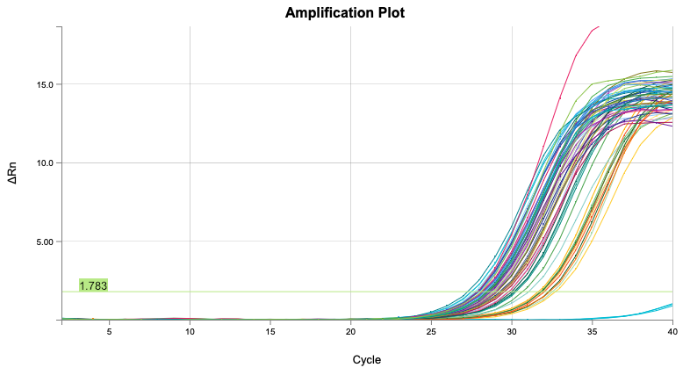
Well | Sample | Cq
A12 | -C | Undetermined
B12 | -C | Undetermined
C12 | -C | Undetermined
D10 | CHS_OFAV10.3 | 32.775162971
B7 | CHS_OFAV10 | 32.585650439
C10 | CHS_OFAV10.2 | 32.412947615
C7 | CHS_OFAV11 | 32.352061197
E10 | CHS_OFAV12.2 | 32.074564266
B10 | CHS_OFAV05.3 | 31.967697929
A8 | CHS_OFAV14 | 31.892917388
E7 | CHS_OFAV13 | 31.874501519
A11 | CHS_OFAV12.2 | 31.873172118
D7 | CHS_OFAV12 | 31.836569701
A10 | CHS_OFAV05.2 | 31.72144008
B6 | CHS_OFAV05 | 31.067569357
A7 | CHS_OFAV09 | 30.751857778
A6 | CHS_OFAV04 | 30.312378897
D6 | CHS_OFAV07 | 30.242822272
E6 | CHS_OFAV08 | 30.201321487
C6 | CHS_OFAV06 | 30.015498178
D1 | SSF104 | 29.857154613
B3 | SSF112 | 29.829580577
E1 | SSF105 | 29.606137419
D9 | SSF091.2 | 29.576089062
B1 | SSF102 | 29.560826832
C1 | SSF103 | 29.489448931
E9 | SSF091.3 | 29.405642164
E3 | SSF115 | 29.327700921
B9 | SSF066.2 | 29.326472394
A3 | SSF111 | 29.317263625
C9 | SSF066.3 | 29.147924339
C3 | SSF113 | 29.074972217
B8 | CHS_OFAV15 | 29.006908677
D2 | SSF109 | 28.980073535
A2 | SSF106 | 28.974452206
D8 | CHS_OFAV17 | 28.891341239
B2 | SSF107 | 28.802699216
E2 | SSF110 | 28.737862572
D3 | SSF114 | 28.682902347
A9 | SSF005.3 | 28.679748023
C2 | SSF108 | 28.609351848
C8 | CHS_OFAV16 | 28.594609123
A4 | SSF116 | 28.541772479
H7 | SSF099 | 28.534682228
H5 | SSF097 | 28.528553752
H6 | SSF098 | 28.515461014
C4 | SSF118 | 28.458445379
H4 | SSF096 | 28.34366103
B4 | SSF117 | 28.332041691
E8 | SSF005.2 | 28.276871353
H2 | SSF094 | 28.237939833
A1 | SSF101 | 28.193718906
H8 | SSF100 | 28.073067516
D4 | SSF119 | 27.978146619
H3 | SSF095 | 27.953325665
C5 | CHS_OFAV01 | 27.940652585
H1 | SSF093 | 27.914199987
E4 | SSF120 | 27.873275897
B5 | SSF122 | 27.751413399
A5 | SSF121 | 27.564887598
D5 | CHS_OFAV02 | 27.550330962
E5 | CHS_OFAV03 | 27.289651906

testPCR2
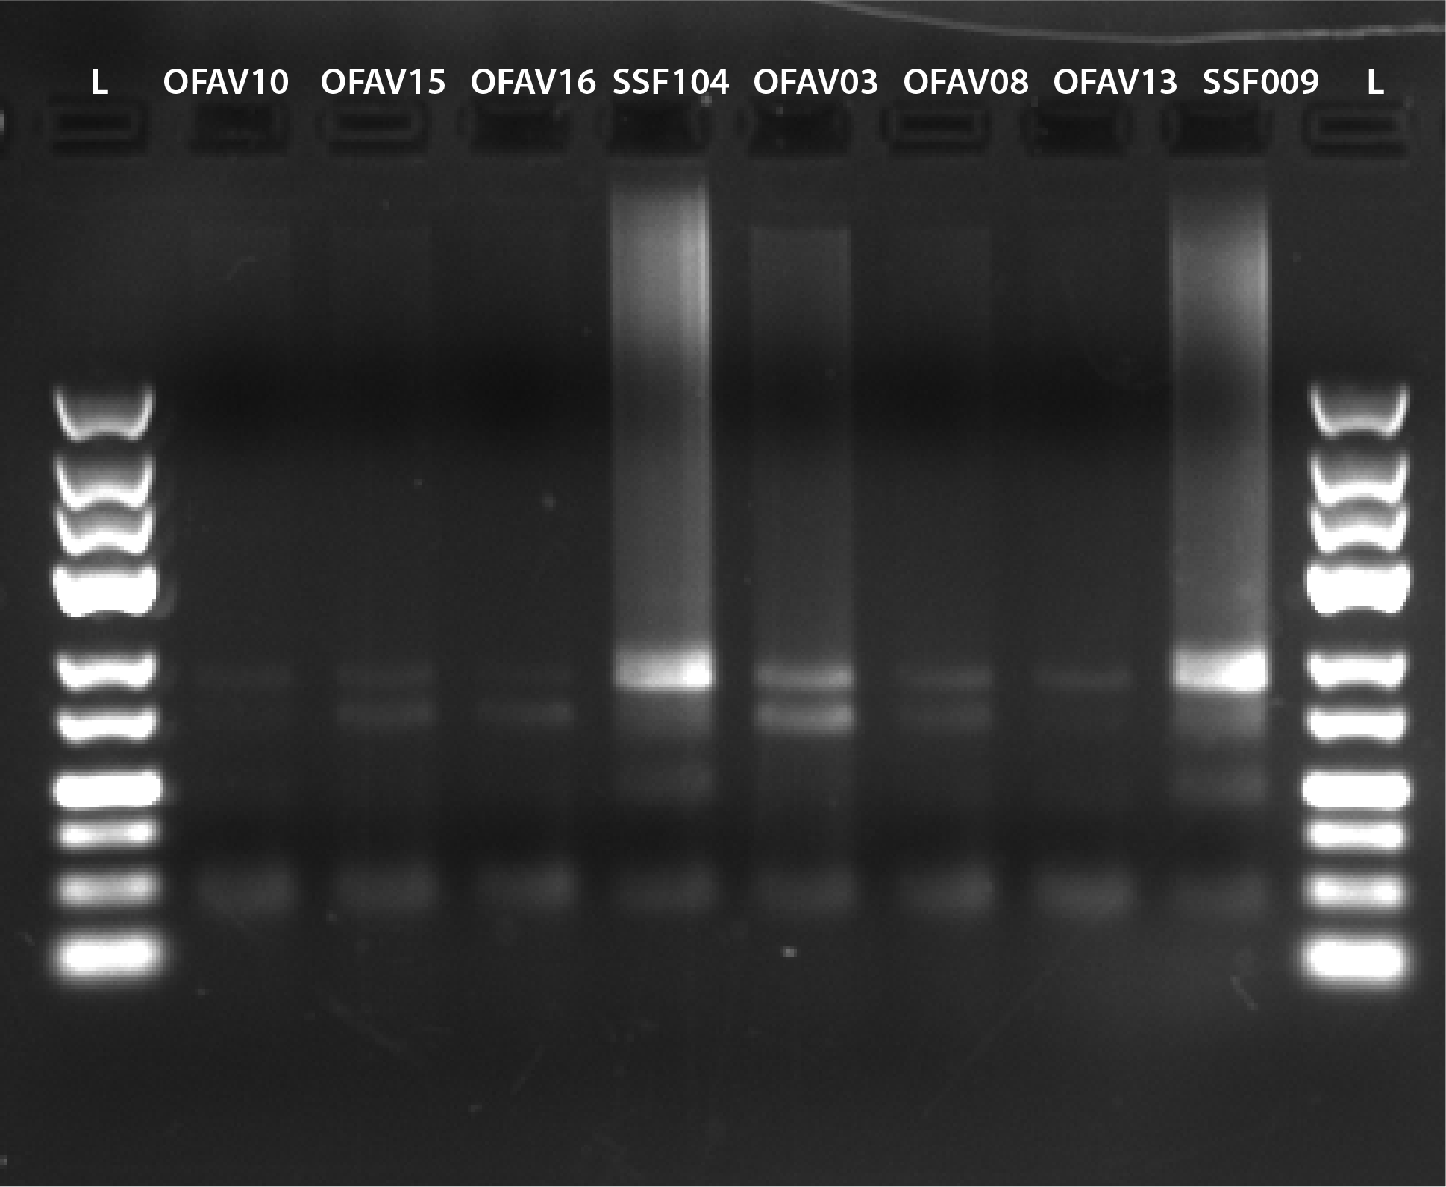
 | A | B | C | D | E | F | G | H |  |  |  |  | rxn = | 8
1 | CHS_OFAV10 | CHS_OFAV15 | CHS_OFAV16 | SSF104 | CHS_OFAV03 | CHS_OFAV08 | CHS_OFAV13 | SSF099

 | sample | plate | well | Reagent | Rxn Vol (µL) | 8 rxns (+error) |  |  | PCR Profile
 | CHS_OFAV10 | 3 | B7 | dNTPs 2.5 mM ea | 0.4 | 3.52 |  |  | 70 ºC | 30 s
 | CHS_OFAV15 | 3 | B8 | H2O | 9.7 | 85.36 |  |  | 95 ºC | 20 s
 | CHS_OFAV16 | 3 | C8 | 10 µM IC1-P5 | 0.4 | 3.52 |  |  | 65 ºC | 3 min | 15 x
 | SSF104 | 3 | D1 | 10 µM IC1-P7 | 0.4 | 3.52 |  |  | 72 ºC | 30 s
 | CHS_OFAV03 | 3 | E5 | 1 µM ILL-BC oligo | 2.4 | 21.12 |  |  | 4 ºC | hold
 | CHS_OFAV08 | 3 | E6 | 10 µM TruSeq_UN oligo | 0.3 | 2.64
 | CHS_OFAV13 | 3 | E7 | 10x Titanium buffer | 2 | 17.6
 | SSF099 | 2 | G12 | Titanium Taq | 0.4 | 3.52
 |  |  |  | + ligation template | 4
 |  |  |  | Total | 20 | 140.8

 | 1 | 2 | 3 | 4 | 5 | 6 | 7 | 8 | 9 | 10 | 11 | 12
A | SSF101 | SSF106 | SSF111 | SSF116 | SSF121 | CHS_OFAV04 | CHS_OFAV09 | CHS_OFAV14 | SSF005.3 | CHS_OFAV05.2 | CHS_OFAV12.3
B | SSF102 | SSF107 | SSF112 | SSF117 | SSF122 | CHS_OFAV05 | CHS_OFAV10 | CHS_OFAV15 | SSF066.2 | CHS_OFAV05.3
C | SSF103 | SSF108 | SSF113 | SSF118 | CHS_OFAV01 | CHS_OFAV06 | CHS_OFAV11 | CHS_OFAV16 | SSF066.3 | CHS_OFAV10.2
D | SSF104 | SSF109 | SSF114 | SSF119 | CHS_OFAV02 | CHS_OFAV07 | CHS_OFAV12 | CHS_OFAV17 | SSF091.2 | CHS_OFAV10.3
E | SSF105 | SSF110 | SSF115 | SSF120 | CHS_OFAV03 | CHS_OFAV08 | CHS_OFAV13 | SSF005.2 | SSF091.3 | CHS_OFAV12.2
F
G
H

Gel
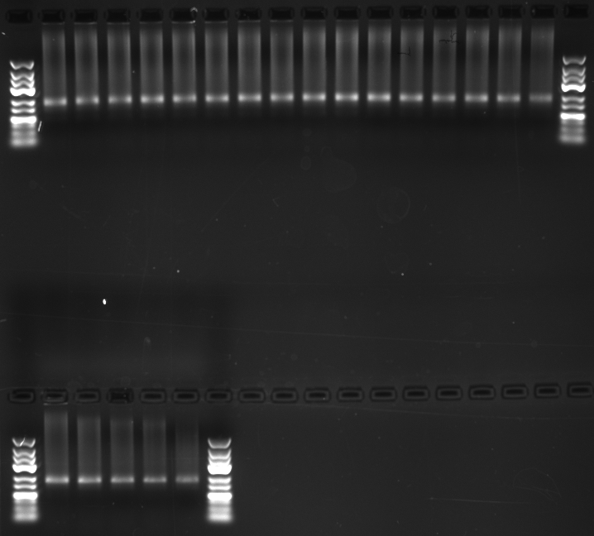
Gel Loading Layout
1 | 2 | 3 | 4 | 5 | 6 | 7 | 8 | 9 | 10 | 11 | 12 | 13 | 14 | 15 | 16 | 17 | 18
L | GBSF1.1 | GBSF1.2 | GBSF1.3 | GBSF1.4 | GBSF1.5 | GBSF1.6 | GBSF1.7 | GBSF1.8 | GBSF2.1 | GBSF2.2 | GBSF2.3 | GBSF2.4 | GBSF2.5 | GBSF2.6 | GBSF2.7 | GBSF2.8 | L

L | GBSF3.1 | GBSF3.2 | GBSF3.3 | GBSF3.4 | GBSF3.5 | L

