gel
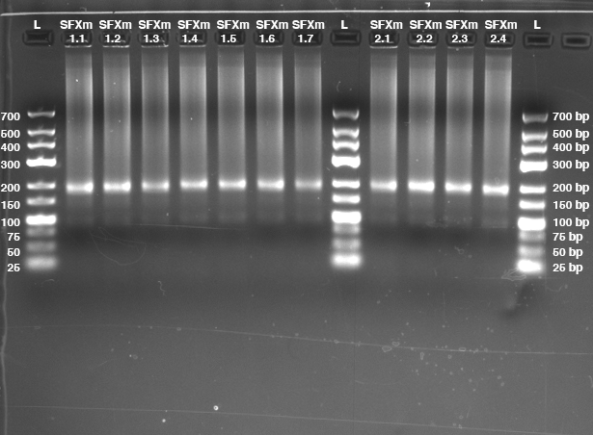
Gel Loading Layout
1 | 2 | 3 | 4 | 5 | 6 | 7 | 8 | 9 | 10 | 11 | 12 | 13 | 14 | 15 | 16 | 17 | 18 | 19 | 20
L | SFXm1.1 | SFXm1.2 | SFXm1.3 | SFXm1.4 | SFXm1.5 | SFXm1.6 | SFXm1.7 | L | SFXm2.1 | SFXm2.2 | SFXm2.3 | SFXm2.4 | L

