Vanilla Call
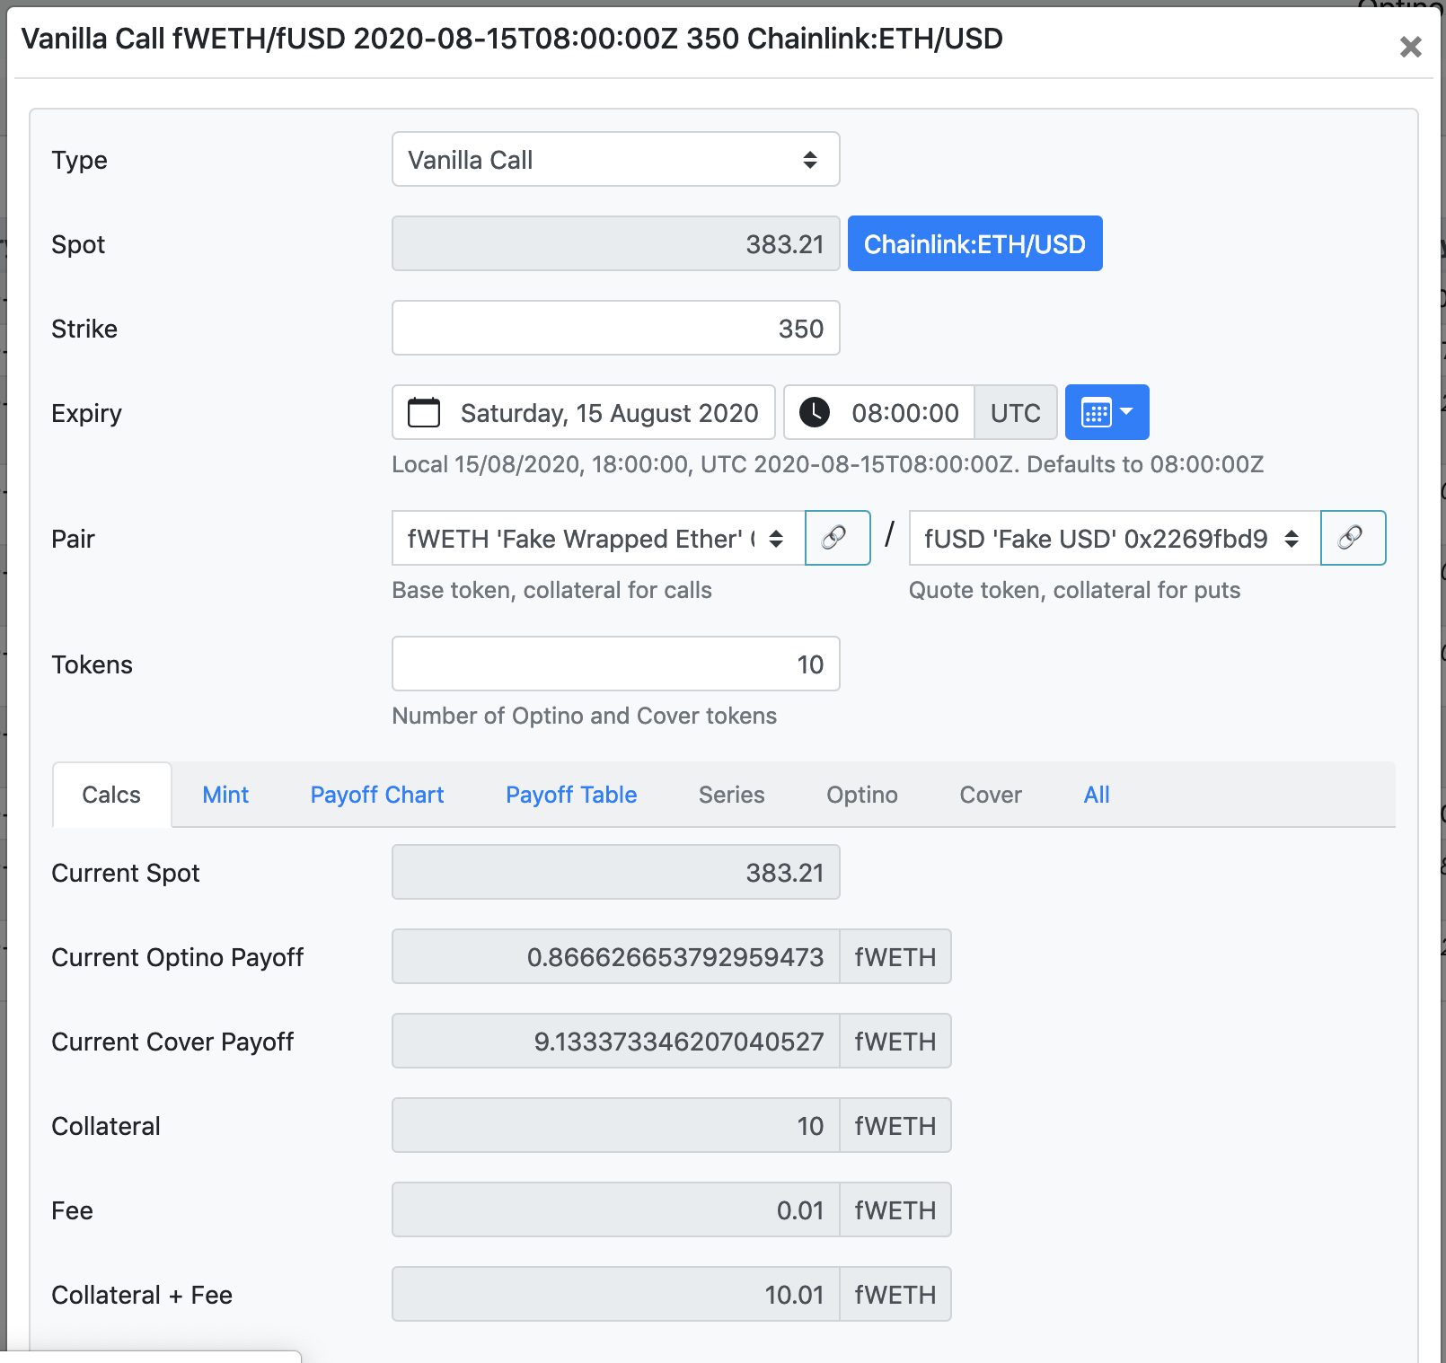

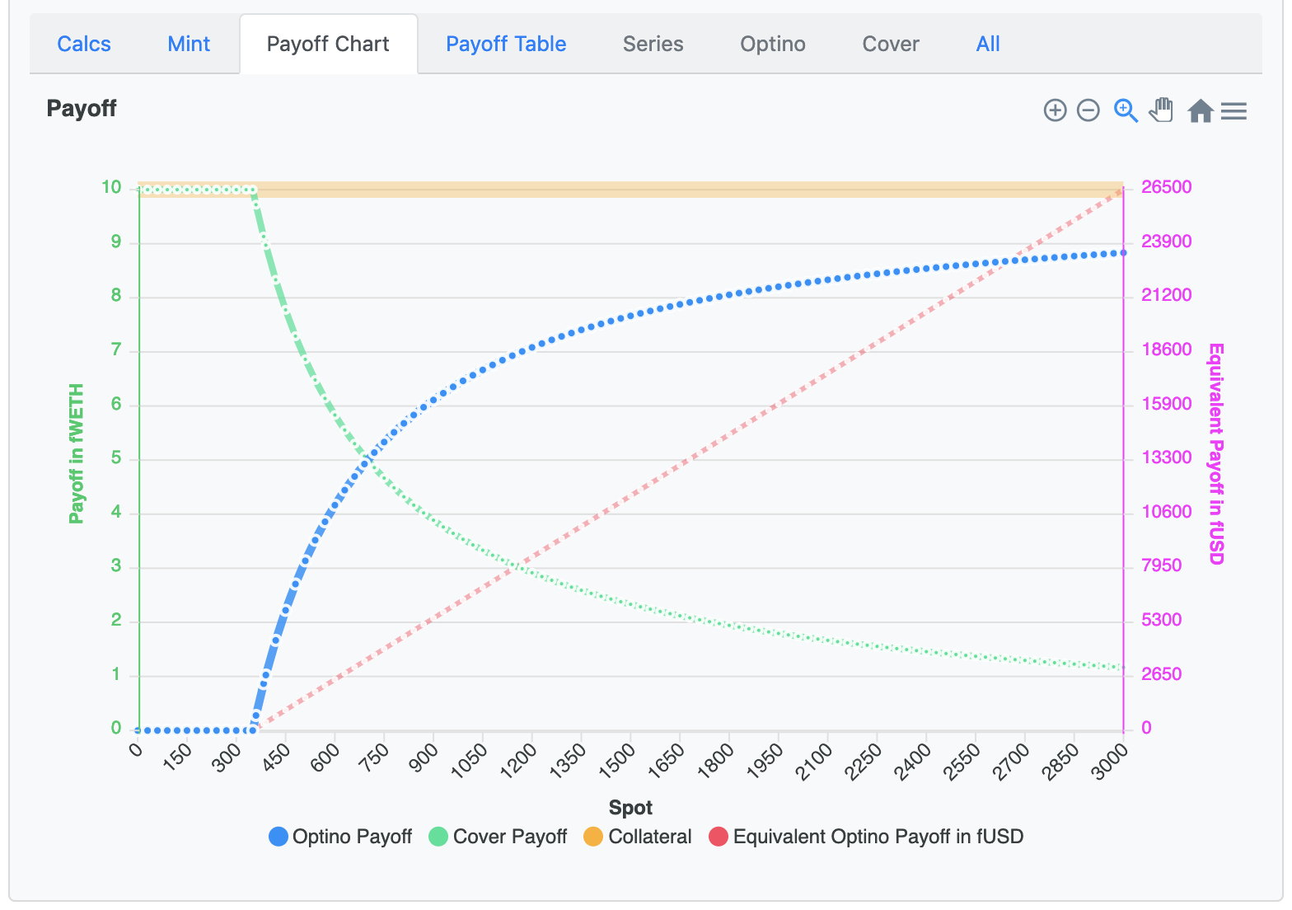

Strike | 350
Tokens | 10 | (Optino and Shortino)
Collateral | 10
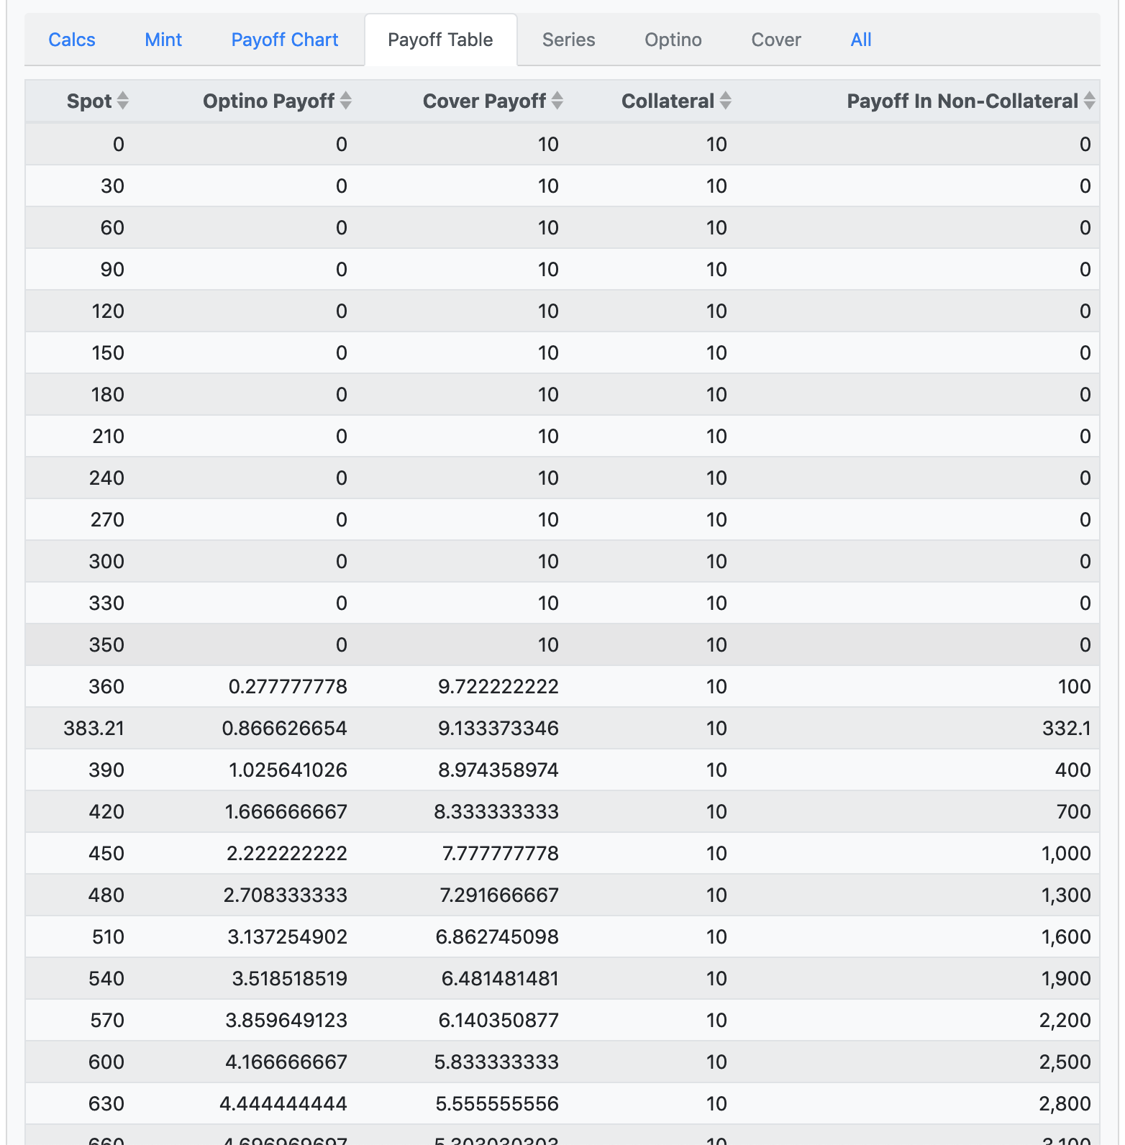

Spot | Optino Payoff | Shortino Payoff

0.0000000 | #DIV/0! | #DIV/0!
30.0000000 | 0.0000000 | 10.0000000
60.0000000 | 0.0000000 | 10.0000000
90.0000000 | 0.0000000 | 10.0000000
120.0000000 | 0.0000000 | 10.0000000
150.0000000 | 0.0000000 | 10.0000000
180.0000000 | 0.0000000 | 10.0000000
210.0000000 | 0.0000000 | 10.0000000
240.0000000 | 0.0000000 | 10.0000000
270.0000000 | 0.0000000 | 10.0000000
300.0000000 | 0.0000000 | 10.0000000
330.0000000 | 0.0000000 | 10.0000000
360.0000000 | 0.2777778 | 9.7222222
383.2100000 | 0.8666267 | 9.1333733
390.0000000 | 1.0256410 | 8.9743590
420.0000000 | 1.6666667 | 8.3333333
450.0000000 | 2.2222222 | 7.7777778
480.0000000 | 2.7083333 | 7.2916667
510.0000000 | 3.1372549 | 6.8627451
540.0000000 | 3.5185185 | 6.4814815
570.0000000 | 3.8596491 | 6.1403509
600.0000000 | 4.1666667 | 5.8333333
630.0000000 | 4.4444444 | 5.5555556
1000.0000000 | 6.5000000 | 3.5000000
10000.0000000 | 9.6500000 | 0.3500000
100000.0000000 | 9.9650000 | 0.0350000
1000000.0000000 | 9.9965000 | 0.0035000
10000000.0000000 | 9.9996500 | 0.0003500
100000000.0000000 | 9.9999650 | 0.0000350
1000000000.0000000 | 9.9999965 | 0.0000035
10000000000.0000000 | 9.9999997 | 0.0000004
100000000000.0000000 | 10.0000000 | 0.0000000

Vanilla Put
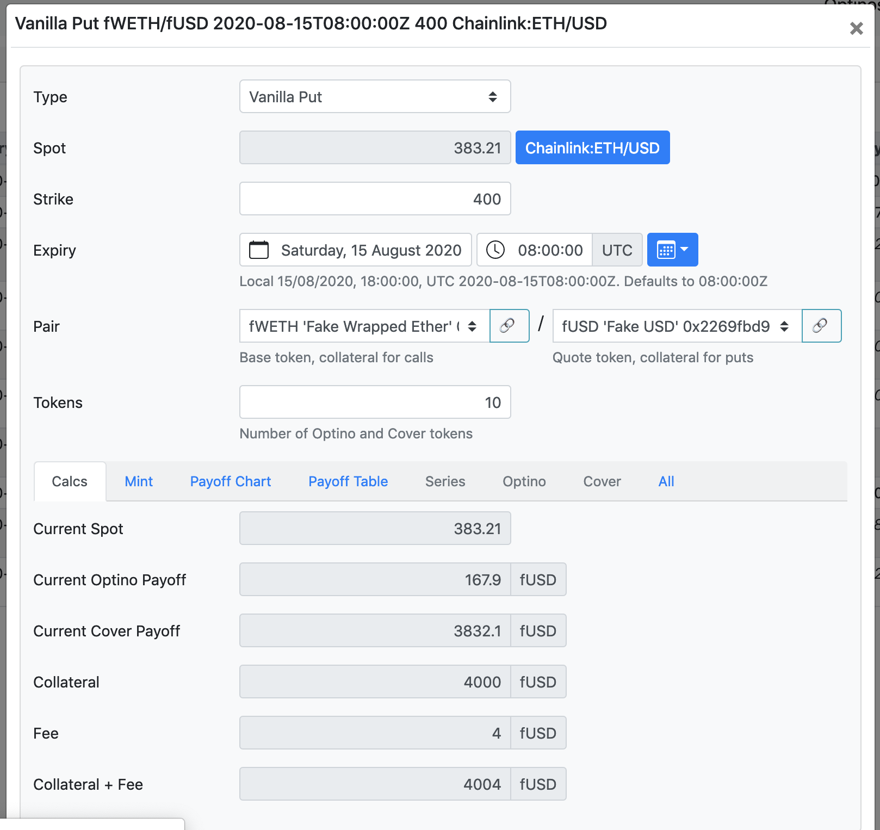

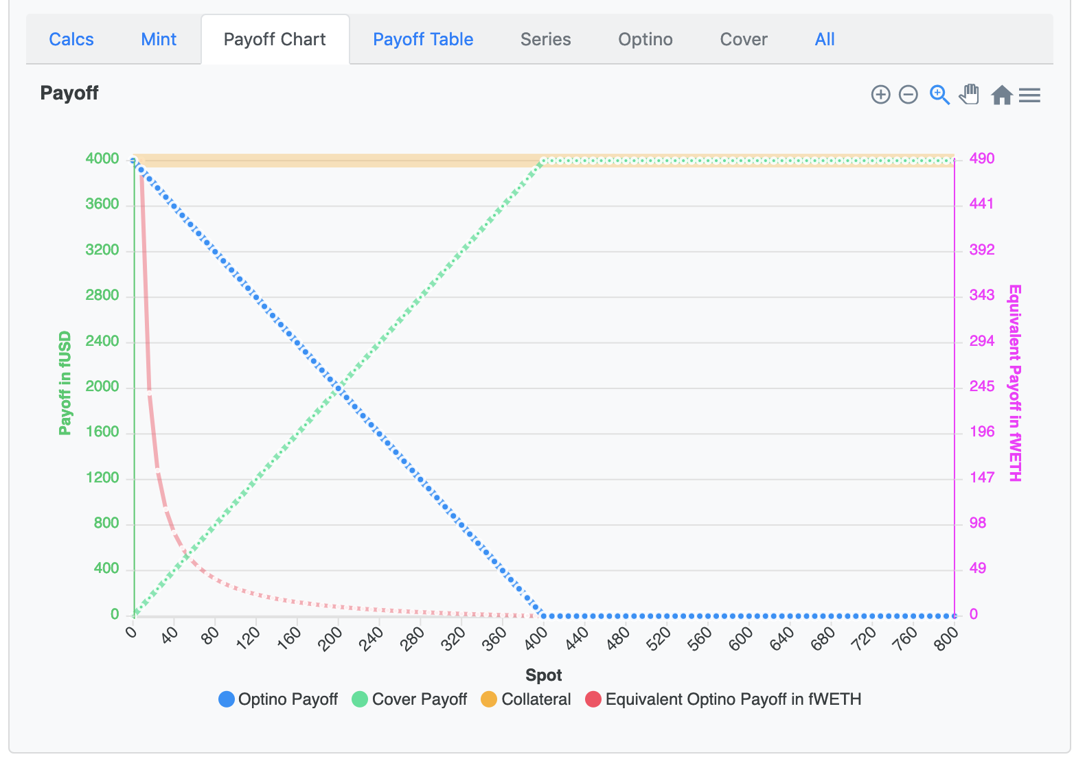

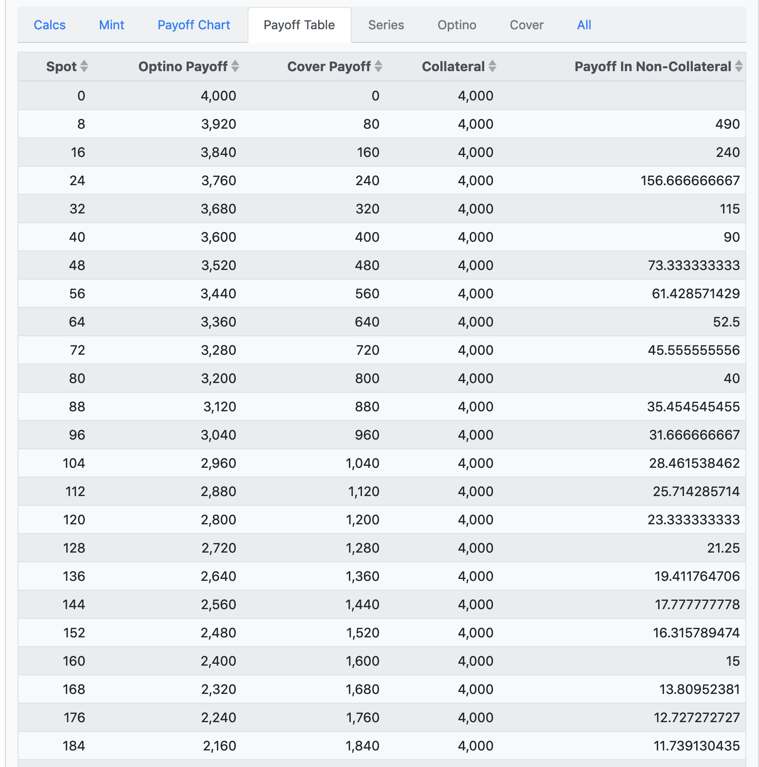
Strike | 400
Tokens | 10 | (Optino and Shortino)
Collateral | 4000

Spot | Optino Payoff | Shortino Payoff

0.0000000 | 4000.0000000 | 0.0000000
8.0000000 | 3920.0000000 | 80.0000000
16.0000000 | 3840.0000000 | 160.0000000
24.0000000 | 3760.0000000 | 240.0000000
32.0000000 | 3680.0000000 | 320.0000000
40.0000000 | 3600.0000000 | 400.0000000
48.0000000 | 3520.0000000 | 480.0000000
56.0000000 | 3440.0000000 | 560.0000000
64.0000000 | 3360.0000000 | 640.0000000
72.0000000 | 3280.0000000 | 720.0000000
80.0000000 | 3200.0000000 | 800.0000000
88.0000000 | 3120.0000000 | 880.0000000
96.0000000 | 3040.0000000 | 960.0000000
104.0000000 | 2960.0000000 | 1040.0000000
112.0000000 | 2880.0000000 | 1120.0000000
120.0000000 | 2800.0000000 | 1200.0000000
128.0000000 | 2720.0000000 | 1280.0000000
136.0000000 | 2640.0000000 | 1360.0000000
144.0000000 | 2560.0000000 | 1440.0000000
152.0000000 | 2480.0000000 | 1520.0000000
160.0000000 | 2400.0000000 | 1600.0000000
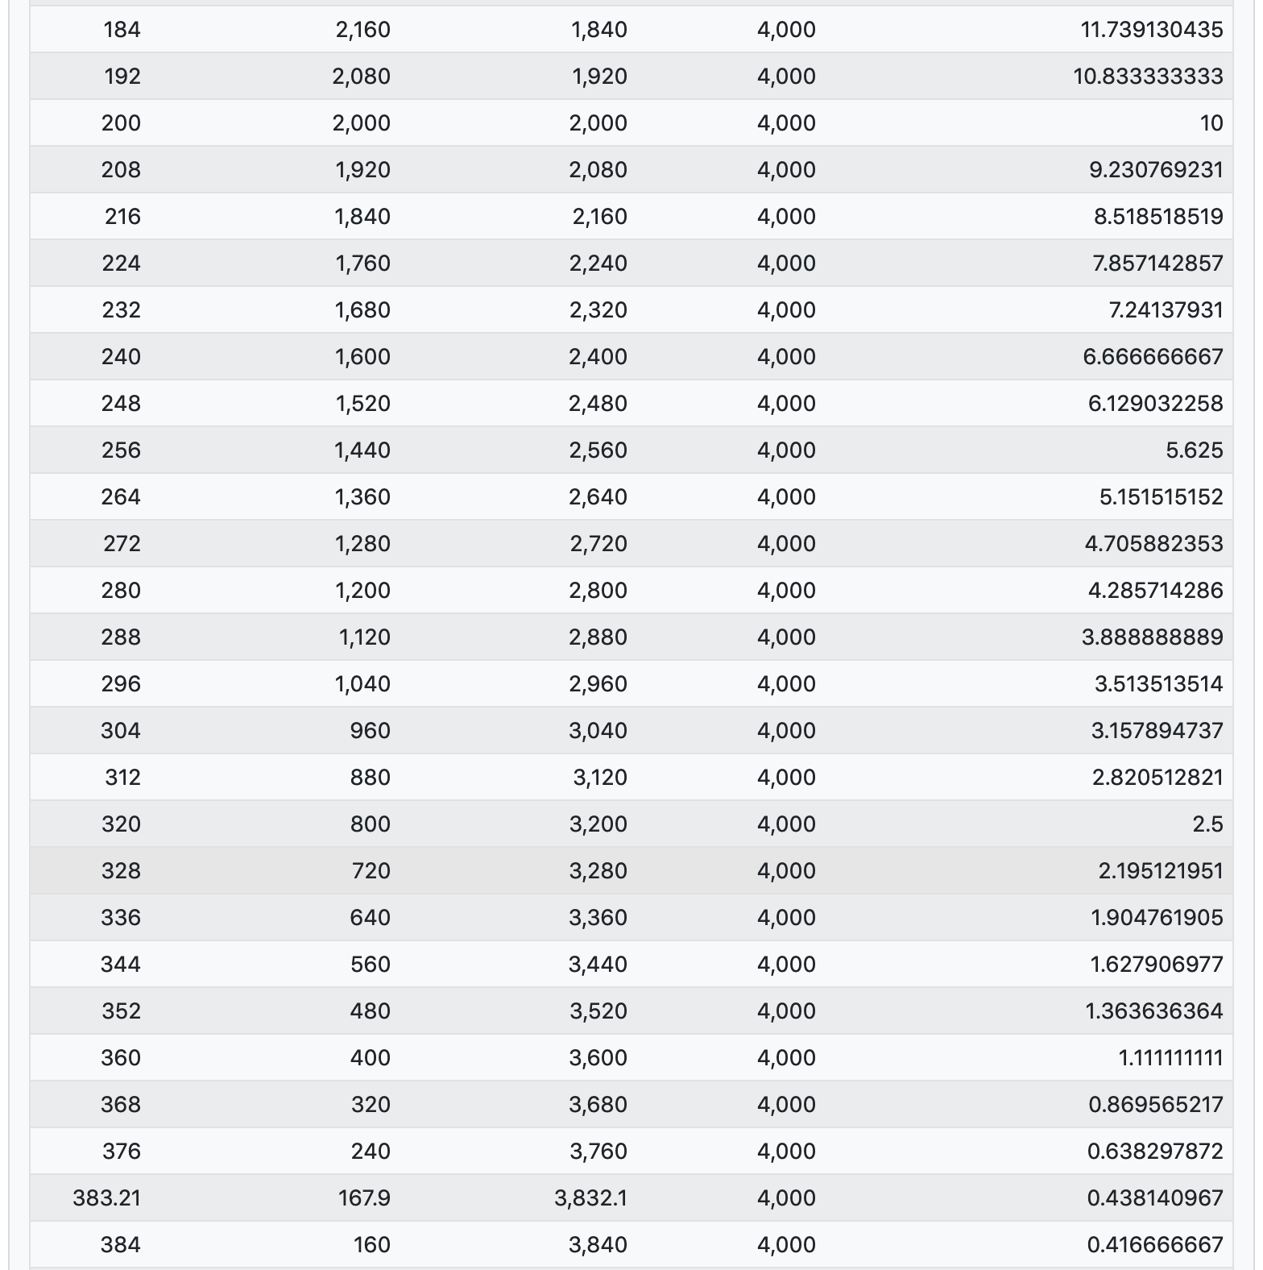
168.0000000 | 2320.0000000 | 1680.0000000
176.0000000 | 2240.0000000 | 1760.0000000
184.0000000 | 2160.0000000 | 1840.0000000
192.0000000 | 2080.0000000 | 1920.0000000
200.0000000 | 2000.0000000 | 2000.0000000
208.0000000 | 1920.0000000 | 2080.0000000
216.0000000 | 1840.0000000 | 2160.0000000
224.0000000 | 1760.0000000 | 2240.0000000
232.0000000 | 1680.0000000 | 2320.0000000
240.0000000 | 1600.0000000 | 2400.0000000
248.0000000 | 1520.0000000 | 2480.0000000
256.0000000 | 1440.0000000 | 2560.0000000
264.0000000 | 1360.0000000 | 2640.0000000
272.0000000 | 1280.0000000 | 2720.0000000
280.0000000 | 1200.0000000 | 2800.0000000
288.0000000 | 1120.0000000 | 2880.0000000
296.0000000 | 1040.0000000 | 2960.0000000
304.0000000 | 960.0000000 | 3040.0000000
312.0000000 | 880.0000000 | 3120.0000000
320.0000000 | 800.0000000 | 3200.0000000
328.0000000 | 720.0000000 | 3280.0000000
336.0000000 | 640.0000000 | 3360.0000000
344.0000000 | 560.0000000 | 3440.0000000
352.0000000 | 480.0000000 | 3520.0000000
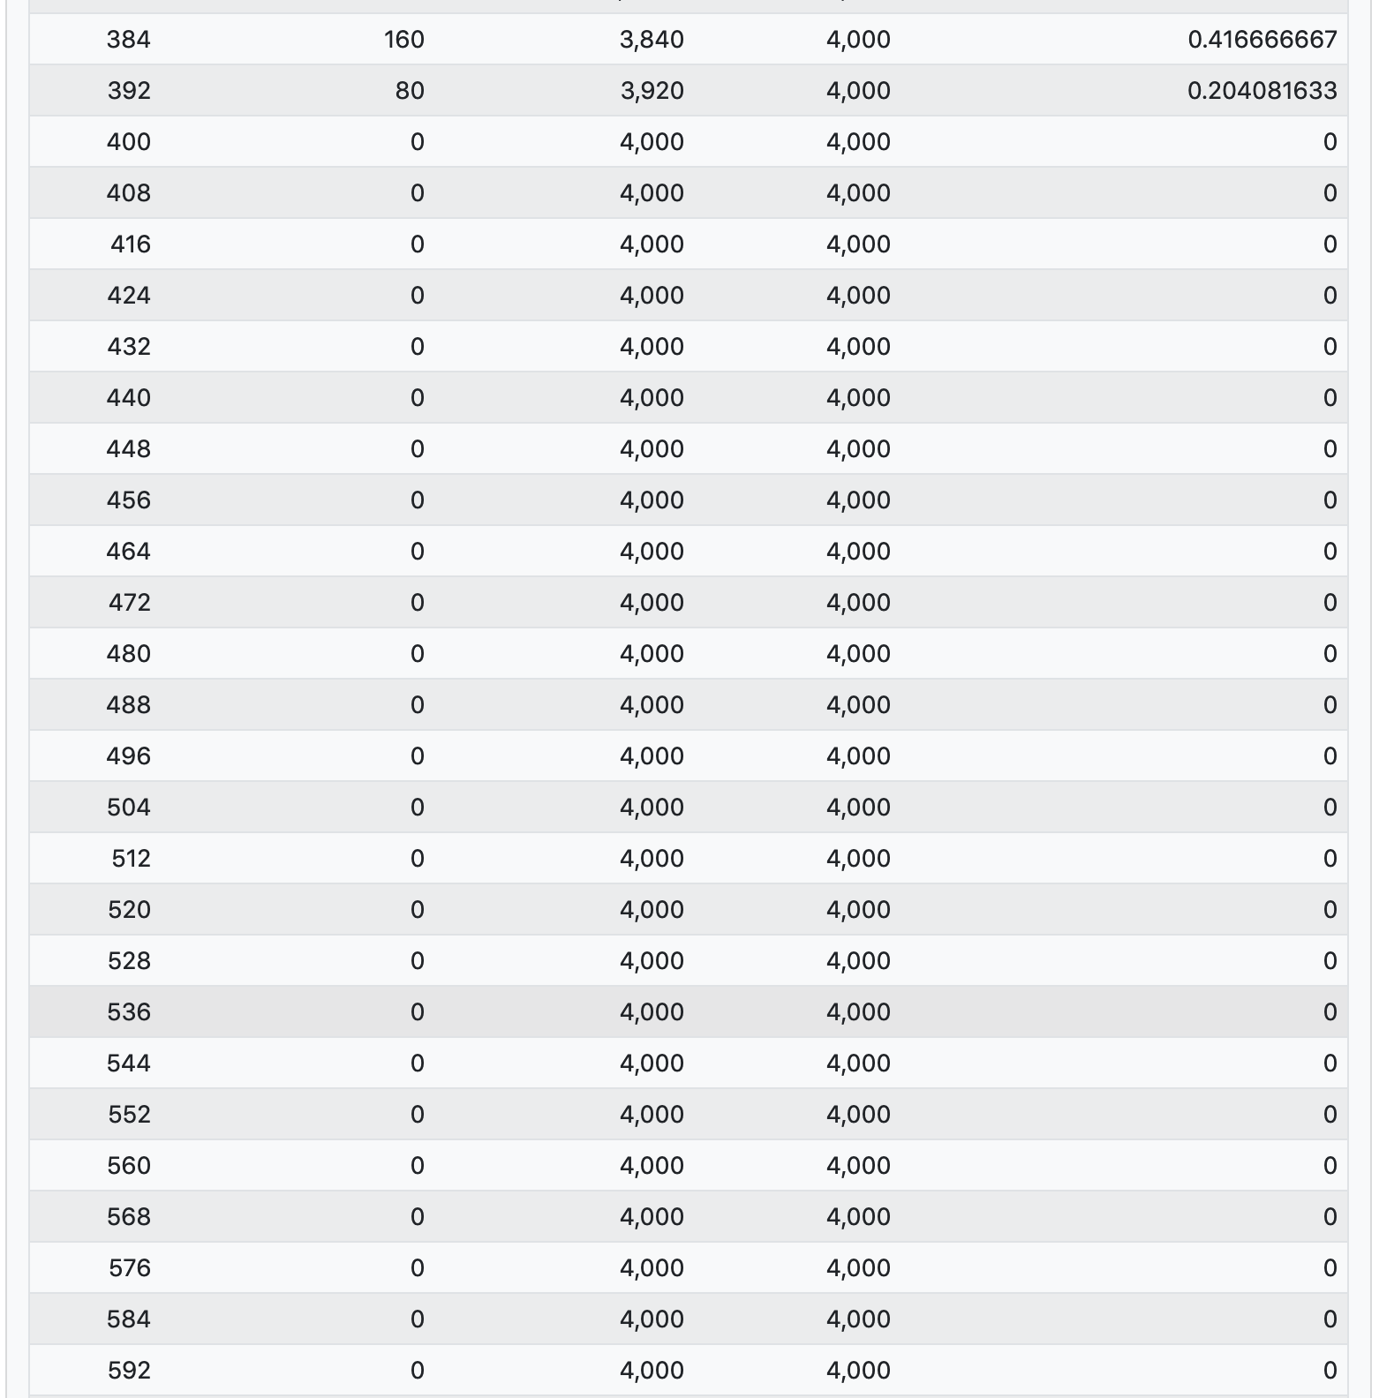
360.0000000 | 400.0000000 | 3600.0000000
368.0000000 | 320.0000000 | 3680.0000000
376.0000000 | 240.0000000 | 3760.0000000
383.2100000 | 167.9000000 | 3832.1000000
384.0000000 | 160.0000000 | 3840.0000000
392.0000000 | 80.0000000 | 3920.0000000
400.0000000 | 0.0000000 | 4000.0000000
408.0000000 | 0.0000000 | 4000.0000000
416.0000000 | 0.0000000 | 4000.0000000
424.0000000 | 0.0000000 | 4000.0000000
432.0000000 | 0.0000000 | 4000.0000000
440.0000000 | 0.0000000 | 4000.0000000
448.0000000 | 0.0000000 | 4000.0000000
456.0000000 | 0.0000000 | 4000.0000000
464.0000000 | 0.0000000 | 4000.0000000
472.0000000 | 0.0000000 | 4000.0000000
480.0000000 | 0.0000000 | 4000.0000000
488.0000000 | 0.0000000 | 4000.0000000
496.0000000 | 0.0000000 | 4000.0000000
504.0000000 | 0.0000000 | 4000.0000000
512.0000000 | 0.0000000 | 4000.0000000
520.0000000 | 0.0000000 | 4000.0000000
528.0000000 | 0.0000000 | 4000.0000000
536.0000000 | 0.0000000 | 4000.0000000
544.0000000 | 0.0000000 | 4000.0000000
552.0000000 | 0.0000000 | 4000.0000000
560.0000000 | 0.0000000 | 4000.0000000
568.0000000 | 0.0000000 | 4000.0000000
576.0000000 | 0.0000000 | 4000.0000000
584.0000000 | 0.0000000 | 4000.0000000
592.0000000 | 0.0000000 | 4000.0000000

Capped Call
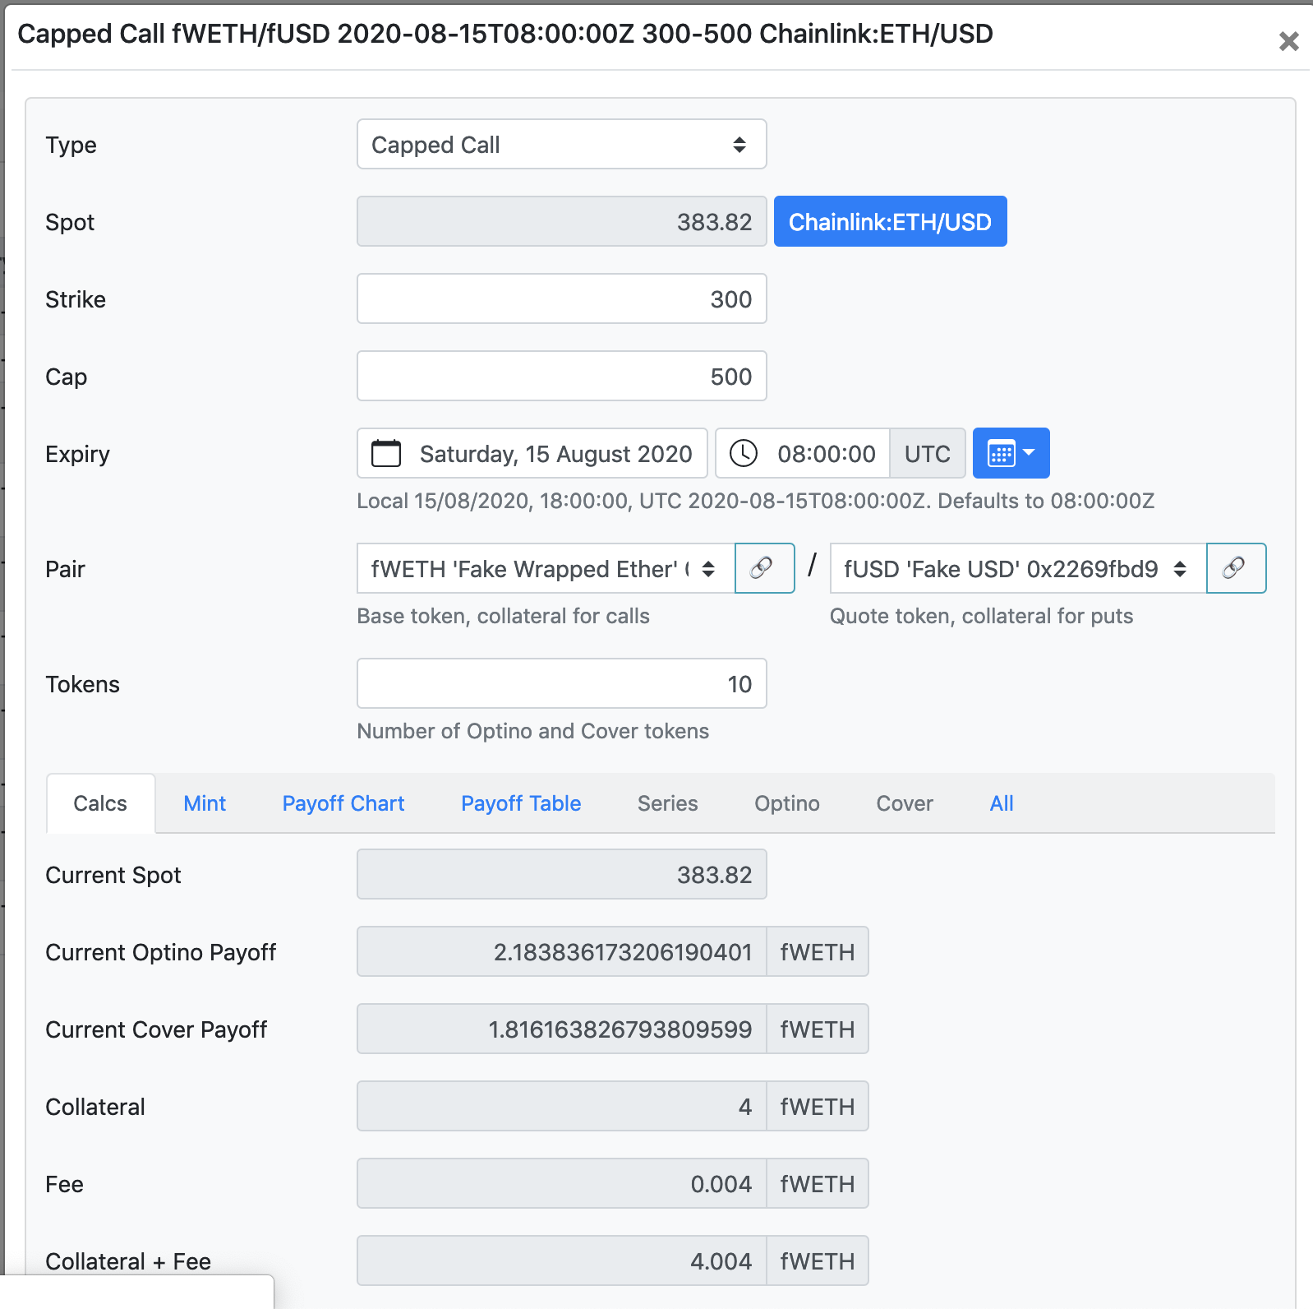

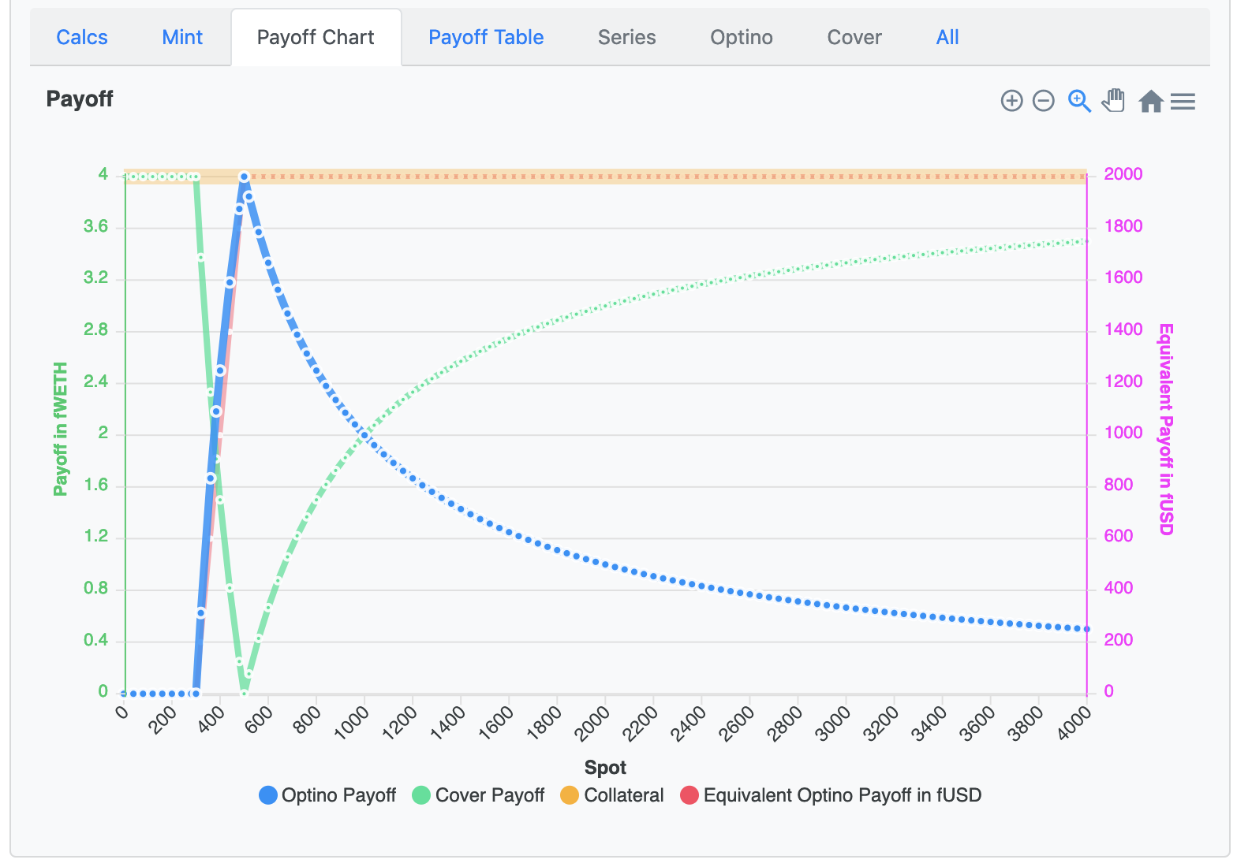

Strike | 300
Cap | 500
Tokens | 10 | (Optino and Shortino)
Collateral | 4

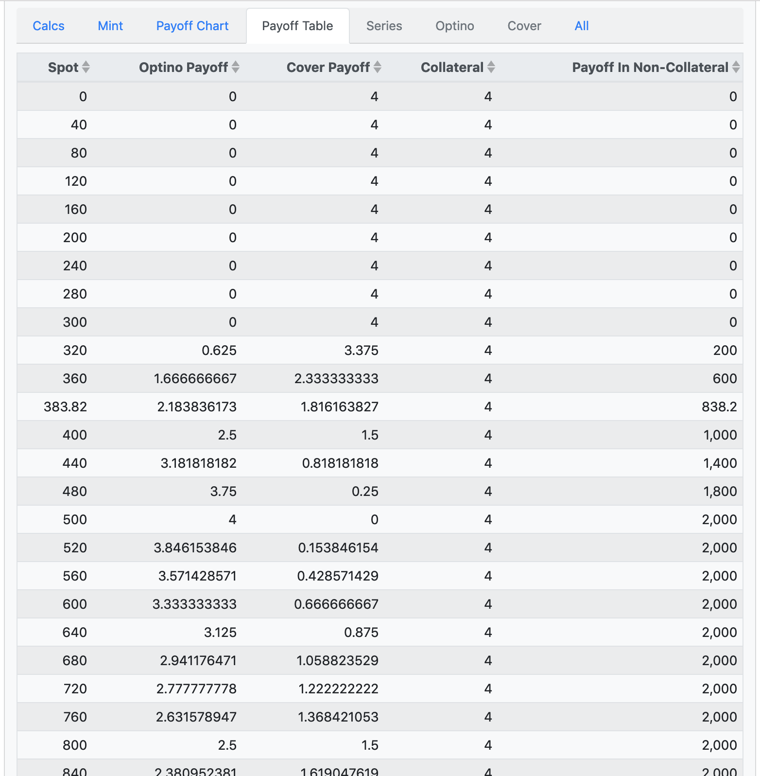
Spot | Optino Payoff | Shortino Payoff

0.0000000 | #DIV/0! | #DIV/0!
40.0000000 | 0.0000000 | 4.0000000
80.0000000 | 0.0000000 | 4.0000000
120.0000000 | 0.0000000 | 4.0000000
160.0000000 | 0.0000000 | 4.0000000
200.0000000 | 0.0000000 | 4.0000000
240.0000000 | 0.0000000 | 4.0000000
280.0000000 | 0.0000000 | 4.0000000
320.0000000 | 0.6250000 | 3.3750000
360.0000000 | 1.6666667 | 2.3333333
400.0000000 | 2.5000000 | 1.5000000
440.0000000 | 3.1818182 | 0.8181818
480.0000000 | 3.7500000 | 0.2500000
520.0000000 | 3.8461538 | 0.1538462
560.0000000 | 3.5714286 | 0.4285714
600.0000000 | 3.3333333 | 0.6666667
640.0000000 | 3.1250000 | 0.8750000
680.0000000 | 2.9411765 | 1.0588235
720.0000000 | 2.7777778 | 1.2222222
760.0000000 | 2.6315789 | 1.3684211
800.0000000 | 2.5000000 | 1.5000000
840.0000000 | 2.3809524 | 1.6190476
880.0000000 | 2.2727273 | 1.7272727
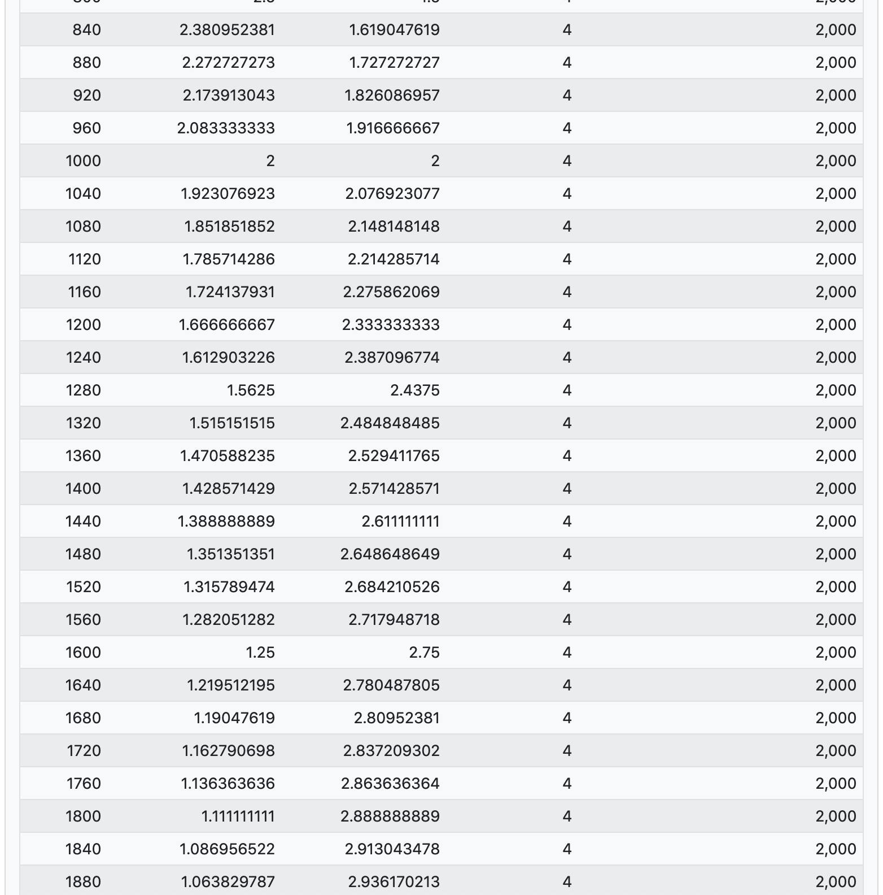
920.0000000 | 2.1739130 | 1.8260870
960.0000000 | 2.0833333 | 1.9166667
1000.0000000 | 2.0000000 | 2.0000000
1040.0000000 | 1.9230769 | 2.0769231
1080.0000000 | 1.8518519 | 2.1481481
1120.0000000 | 1.7857143 | 2.2142857
1160.0000000 | 1.7241379 | 2.2758621
1200.0000000 | 1.6666667 | 2.3333333
1240.0000000 | 1.6129032 | 2.3870968
1280.0000000 | 1.5625000 | 2.4375000
1320.0000000 | 1.5151515 | 2.4848485
1360.0000000 | 1.4705882 | 2.5294118
1400.0000000 | 1.4285714 | 2.5714286
1440.0000000 | 1.3888889 | 2.6111111
1480.0000000 | 1.3513514 | 2.6486486
1520.0000000 | 1.3157895 | 2.6842105
1560.0000000 | 1.2820513 | 2.7179487
1600.0000000 | 1.2500000 | 2.7500000
1640.0000000 | 1.2195122 | 2.7804878
1680.0000000 | 1.1904762 | 2.8095238
1720.0000000 | 1.1627907 | 2.8372093
1760.0000000 | 1.1363636 | 2.8636364
1800.0000000 | 1.1111111 | 2.8888889
1840.0000000 | 1.0869565 | 2.9130435
1880.0000000 | 1.0638298 | 2.9361702

