Vanilla Call
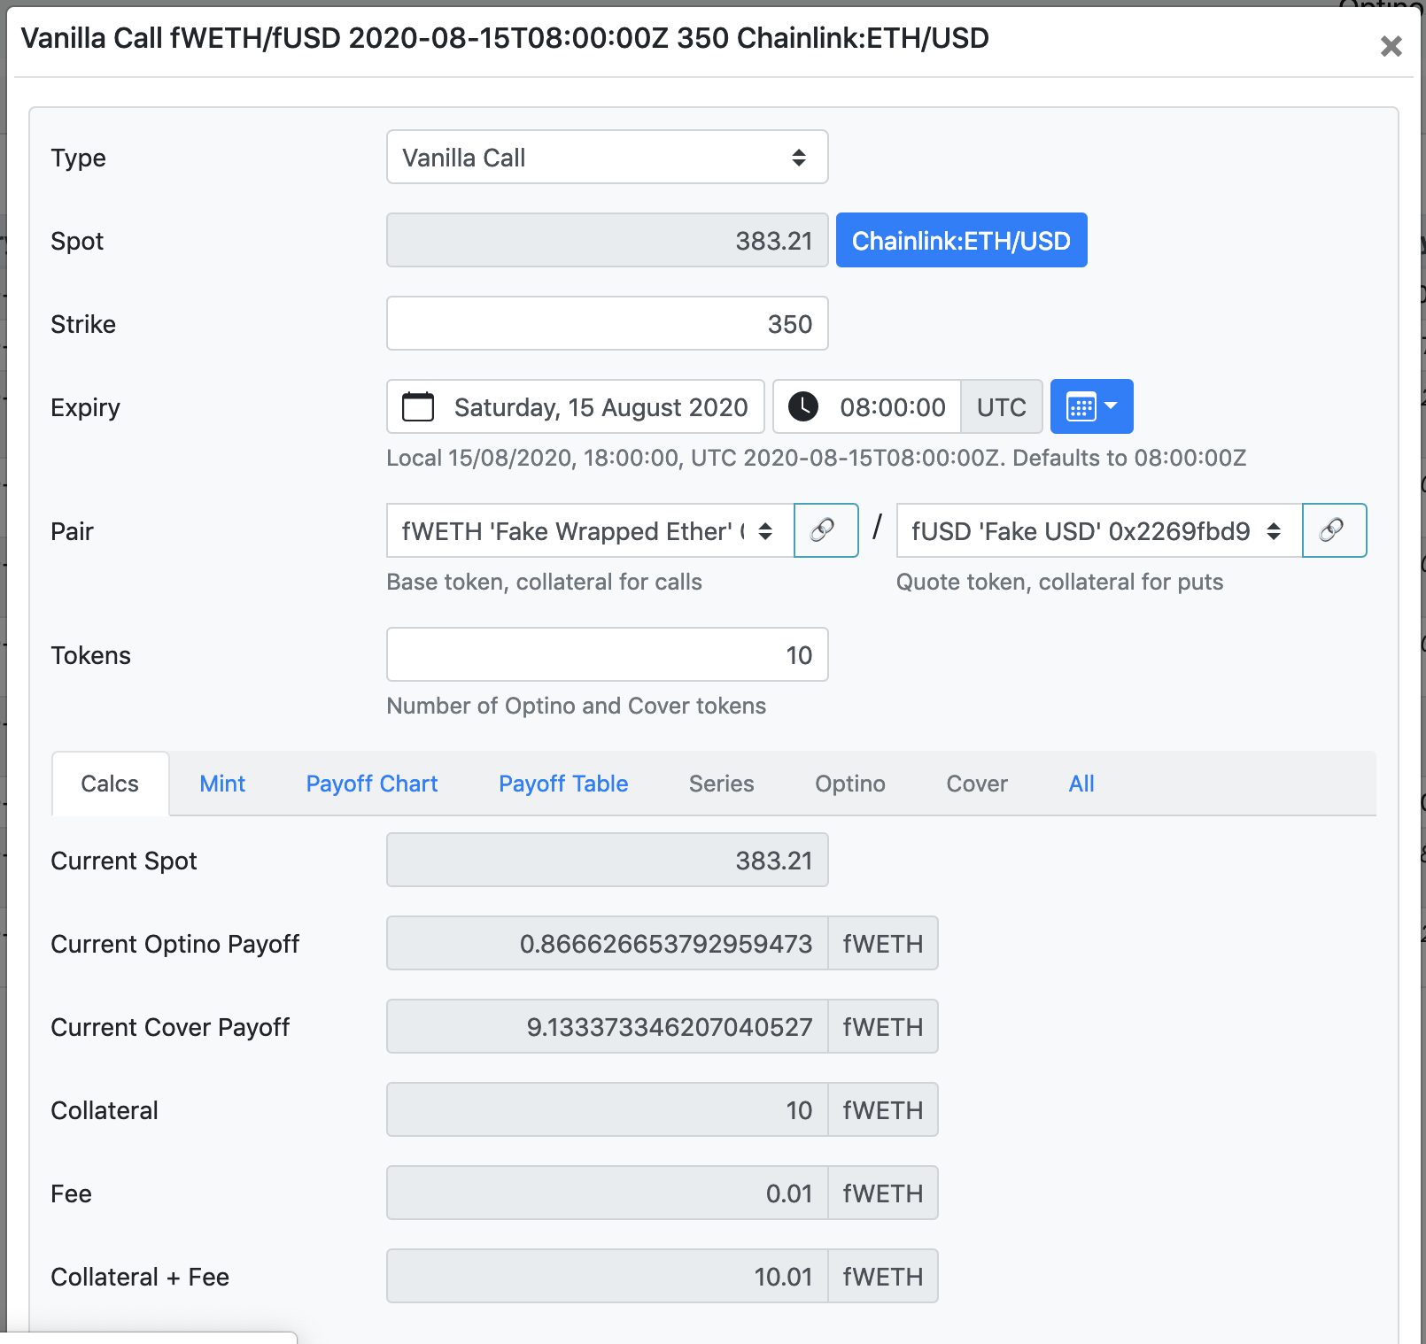

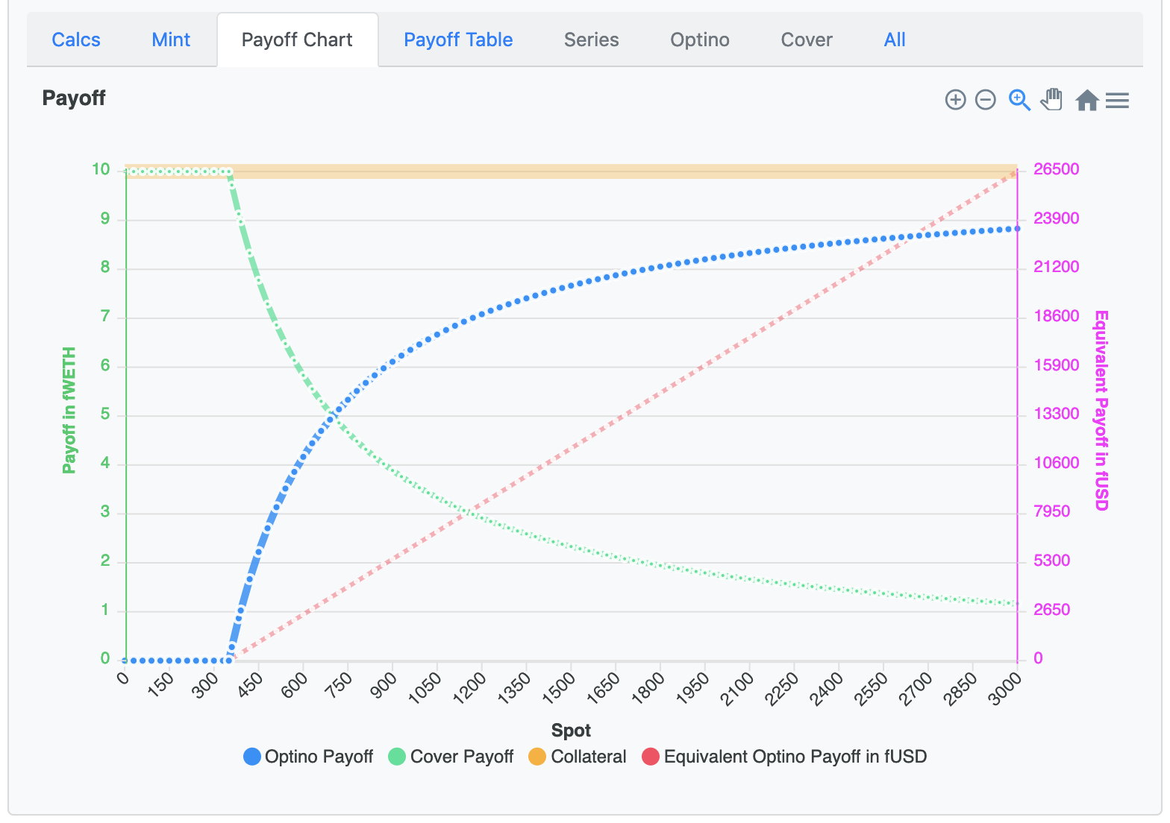

Strike | 350
Tokens | 10 | (Optino and Shortino)
Collateral | 10
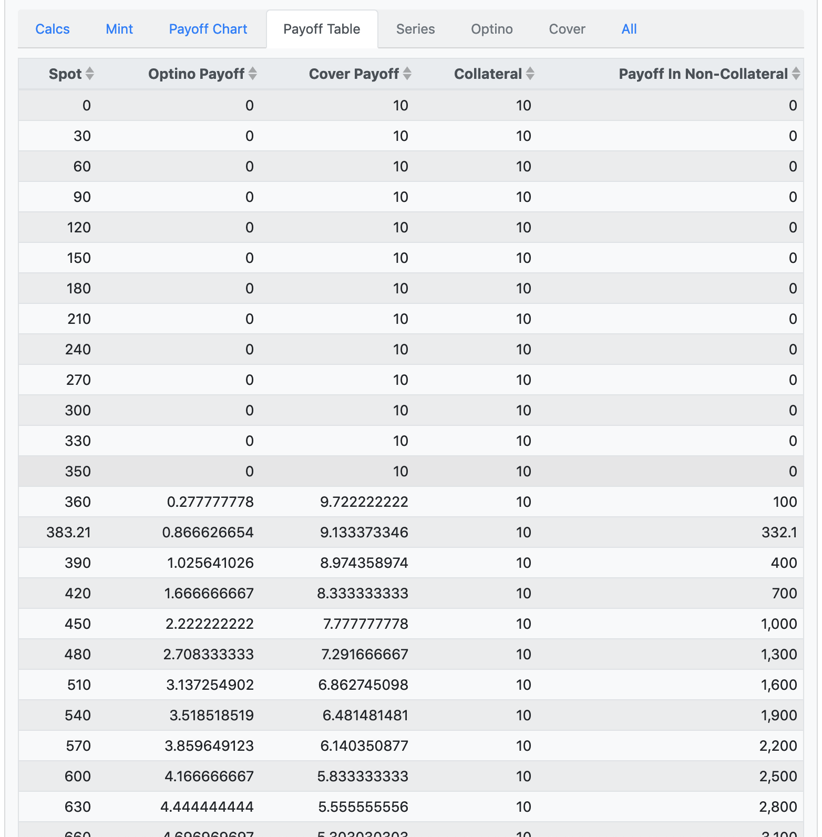

Spot | Optino Payoff | Shortino Payoff

0.0000000 | #DIV/0! | #DIV/0!
30.0000000 | 0.0000000 | 10.0000000
60.0000000 | 0.0000000 | 10.0000000
90.0000000 | 0.0000000 | 10.0000000
120.0000000 | 0.0000000 | 10.0000000
150.0000000 | 0.0000000 | 10.0000000
180.0000000 | 0.0000000 | 10.0000000
210.0000000 | 0.0000000 | 10.0000000
240.0000000 | 0.0000000 | 10.0000000
270.0000000 | 0.0000000 | 10.0000000
300.0000000 | 0.0000000 | 10.0000000
330.0000000 | 0.0000000 | 10.0000000
360.0000000 | 0.0277778 | 9.9722222
383.2100000 | 0.0866627 | 9.9133373
390.0000000 | 0.1025641 | 9.8974359
420.0000000 | 0.1666667 | 9.8333333
450.0000000 | 0.2222222 | 9.7777778
480.0000000 | 0.2708333 | 9.7291667
510.0000000 | 0.3137255 | 9.6862745
540.0000000 | 0.3518519 | 9.6481481
570.0000000 | 0.3859649 | 9.6140351
600.0000000 | 0.4166667 | 9.5833333
630.0000000 | 0.4444444 | 9.5555556
1000.0000000 | 0.6500000 | 9.3500000
10000.0000000 | 0.9650000 | 9.0350000
100000.0000000 | 0.9965000 | 9.0035000
1000000.0000000 | 0.9996500 | 9.0003500
10000000.0000000 | 0.9999650 | 9.0000350
100000000.0000000 | 0.9999965 | 9.0000035
1000000000.0000000 | 0.9999997 | 9.0000004
10000000000.0000000 | 1.0000000 | 9.0000000
100000000000.0000000 | 1.0000000 | 9.0000000

