Averages
 | 10 Words |  |  |  |  | 20 Words
Clusters | Method C |  | Method S |  | NA | Method C |  | Method S |  | NA
 | Filtered |  |  |  | Unfiltered | Filtered |  |  |  | Unfiltered
 | .50 Cleanlab Cutoff | .60 Cleanlab Cutoff | .50 Cleanlab Cutoff | .60 Cleanlab Cutoff | NA | .50 Cleanlab Cutoff | .60 Cleanlab Cutoff | .50 Cleanlab Cutoff | .60 Cleanlab Cutoff | NA
0 | 0.00000 | 0.00000 | 0.00000 | 0.00000 | 0.00000 | 0.00000 | 0.00000 | 0.00000 | 0.00000 | 0.00000
1 | 0.11170 | 0.11453 | 0.02326 | 0.05453 | 0.01261 | 0.04350 | 0.05134 | 0.01528 | 0.04100 | 0.01971
2 | 0.19366 | 0.23974 | 0.16938 | 0.19083 | 0.20793 | 0.18718 | 0.22706 | 0.18778 | 0.18879 | 0.19111
3 | 0.22539 | 0.24413 | 0.21053 | 0.24554 | 0.19668 | 0.17598 | 0.20409 | 0.16375 | 0.19304 | 0.19318
4 | 0.16286 | 0.23394 | 0.18234 | 0.18310 | 0.18444 | 0.15378 | 0.18624 | 0.13618 | 0.16395 | 0.14886
5 | 0.19177 | 0.24217 | 0.15386 | 0.18307 | 0.17108 | 0.16030 | 0.17607 | 0.14858 | 0.16944 | 0.16061
6 | 0.20770 | 0.25474 | 0.17500 | 0.17992 | 0.16546 | 0.14961 | 0.17989 | 0.15087 | 0.16198 | 0.15834
7 | 0.17741 | 0.23969 | 0.15096 | 0.15344 | 0.17998 | 0.13490 | 0.18832 | 0.14375 | 0.13831 | 0.16069
8 | 0.20694 | 0.23140 | 0.18678 | 0.21480 | 0.19916 | 0.13997 | 0.18452 | 0.14241 | 0.10488 | 0.16314
9 | 0.21979 | 0.25097 | 0.20515 | 0.21629 | 0.18306 | 0.15806 | 0.20966 | 0.16446 | 0.11331 | 0.13691
10 | 0.20903 | 0.27705 | 0.19251 | 0.22481 | 0.19536 | 0.16913 | 0.20648 | 0.14552 | 0.17568 | 0.15146
11 | 0.21500 | 0.25106 | 0.19986 | 0.19107 | 0.21040 | 0.15566 | 0.18109 | 0.17726 | 0.15924 | 0.16335
12 | 0.21522 | 0.24262 | 0.19157 | 0.22840 | 0.20521 | 0.16766 | 0.19573 | 0.15451 | 0.17082 | 0.16337
13 | 0.22189 | 0.27716 | 0.21825 | 0.21734 | 0.21595 | 0.17161 | 0.21139 | 0.16071 | 0.17057 | 0.15656
14 | 0.22707 | 0.26396 | 0.22378 | 0.21910 | 0.20996 | 0.18395 | 0.20951 | 0.16052 | 0.17373 | 0.15721
15 | 0.19783 | 0.28368 | 0.21430 | 0.22481 | 0.22102 | 0.16762 | 0.20109 | 0.15776 | 0.18551 | 0.14569
16 | 0.23255 | 0.28297 | 0.23805 | 0.22255 | 0.23032 | 0.17475 | 0.21178 | 0.18774 | 0.16186 | 0.16539
17 | 0.23737 | 0.28246 | 0.22422 | 0.21712 | 0.24247 | 0.16885 | 0.22112 | 0.17779 | 0.17469 | 0.18389
18 | 0.22090 | 0.27523 | 0.21058 | 0.21523 | 0.21990 | 0.18911 | 0.20556 | 0.18712 | 0.17505 | 0.17422
19 | 0.21452 | 0.26669 | 0.22488 | 0.20275 | 0.24174 | 0.17968 | 0.21210 | 0.19644 | 0.17643 | 0.17213
20 | 0.23804 | 0.27214 | 0.23567 | 0.22004 | 0.22933 | 0.19490 | 0.20995 | 0.19412 | 0.17659 | 0.17532
21 | 0.24074 | 0.29328 | 0.21820 | 0.23093 | 0.24624 | 0.17466 | 0.22182 | 0.16739 | 0.18519 | 0.17939
22 | 0.23918 | 0.26023 | 0.21803 | 0.23753 | 0.22238 | 0.16000 | 0.20903 | 0.19365 | 0.18325 | 0.17671
23 | 0.24749 | 0.28548 | 0.22625 | 0.21146 | 0.23468 | 0.18888 | 0.21286 | 0.19092 | 0.18561 | 0.19794
24 | 0.23755 | 0.26909 | 0.22850 | 0.24277 | 0.25202 | 0.18598 | 0.21645 | 0.18492 | 0.17774 | 0.18916
25 | 0.22891 | 0.28433 | 0.21861 | 0.22206 | 0.25477 | 0.18123 | 0.21383 | 0.17865 | 0.18413 | 0.18742
26 | 0.24525 | 0.27088 | 0.22688 | 0.23855 | 0.24501 | 0.19001 | 0.21155 | 0.17300 | 0.17790 | 0.18080
27 | 0.23196 | 0.28033 | 0.24517 | 0.22336 | 0.24253 | 0.18977 | 0.21484 | 0.18939 | 0.18036 | 0.18640
28 | 0.24294 | 0.26520 | 0.23433 | 0.24232 | 0.24191 | 0.19131 | 0.21170 | 0.17921 | 0.17962 | 0.16623
29 | 0.23038 | 0.25950 | 0.23961 | 0.23424 | 0.24643 | 0.17968 | 0.20478 | 0.18673 | 0.17351 | 0.18538
30 | 0.25000 | 0.26566 | 0.22781 | 0.24034 | 0.23661 | 0.19142 | 0.21166 | 0.17599 | 0.19302 | 0.18262
31 | 0.23952 | 0.26606 | 0.24835 | 0.24555 | 0.23920 | 0.17477 | 0.19395 | 0.17847 | 0.17439 | 0.17159
32 | 0.25825 | 0.27792 | 0.24317 | 0.22753 | 0.24061 | 0.19469 | 0.21275 | 0.16865 | 0.17843 | 0.16934
33 | 0.23769 | 0.26773 | 0.24226 | 0.24494 | 0.23129 | 0.18160 | 0.20006 | 0.18545 | 0.17699 | 0.16209
34 | 0.25626 | 0.26152 | 0.24905 | 0.24995 | 0.22474 | 0.18221 | 0.18854 | 0.19311 | 0.17165 | 0.16536
35 | 0.24597 | 0.26803 | 0.24204 | 0.22582 | 0.23517 | 0.18887 | 0.18763 | 0.17981 | 0.17781 | 0.17384
36 | 0.23773 | 0.26478 | 0.24034 | 0.23103 | 0.24699 | 0.18030 | 0.20989 | 0.18537 | 0.18527 | 0.16219
37 | 0.24311 | 0.27777 | 0.23969 | 0.22938 | 0.24414 | 0.18139 | 0.21015 | 0.16740 | 0.17789 | 0.17182
38 | 0.23134 | 0.26963 | 0.24404 | 0.24566 | 0.21889 | 0.17586 | 0.20221 | 0.18276 | 0.17205 | 0.16461
39 | 0.23764 | 0.26317 | 0.23694 | 0.23898 | 0.22857 | 0.16358 | 0.19307 | 0.18298 | 0.17876 | 0.16310
40 | 0.25274 | 0.26511 | 0.24005 | 0.23834 | 0.24086 | 0.20115 | 0.20686 | 0.17141 | 0.16952 | 0.16811
41 | 0.25665 | 0.25432 | 0.23835 | 0.23445 | 0.23867 | 0.17918 | 0.18273 | 0.16118 | 0.16925 | 0.16838
42 | 0.24062 | 0.23885 | 0.24554 | 0.24203 | 0.23567 | 0.17582 | 0.18953 | 0.16792 | 0.17092 | 0.16556
43 | 0.21938 | 0.26469 | 0.24365 | 0.22513 | 0.24701 | 0.17674 | 0.20069 | 0.16770 | 0.17681 | 0.17293
44 | 0.23425 | 0.24398 | 0.23677 | 0.22925 | 0.24809 | 0.17412 | 0.18422 | 0.17355 | 0.16904 | 0.17277
45 | 0.22546 | 0.25416 | 0.23206 | 0.23119 | 0.22074 | 0.17831 | 0.20311 | 0.17553 | 0.16645 | 0.15012
46 | 0.23031 | 0.25279 | 0.24250 | 0.22976 | 0.22784 | 0.16907 | 0.19274 | 0.17576 | 0.16441 | 0.16865
47 | 0.24536 | 0.24174 | 0.25455 | 0.24943 | 0.22349 | 0.17503 | 0.17943 | 0.16895 | 0.17101 | 0.17051
48 | 0.24243 | 0.25131 | 0.24031 | 0.23404 | 0.23870 | 0.18104 | 0.19046 | 0.16830 | 0.16534 | 0.16562
49 | 0.23762 | 0.22997 | 0.22959 | 0.22127 | 0.23775 | 0.16509 | 0.17917 | 0.16343 | 0.16492 | 0.15447
Metrics (>10 clusters)
Max | 0.25825 | 0.29328 | 0.25455 | 0.24995 | 0.25477 | 0.20115 | 0.22182 | 0.19644 | 0.19302 | 0.19794
Min | 0.19783 | 0.22997 | 0.19157 | 0.19107 | 0.20521 | 0.15566 | 0.17917 | 0.15451 | 0.15924 | 0.14569
Mean | 0.23557 | 0.26527 | 0.23215 | 0.22963 | 0.23378 | 0.17912 | 0.20244 | 0.17671 | 0.17502 | 0.17052
STDEV | 0.01286 | 0.01429 | 0.01364 | 0.01263 | 0.01233 | 0.01014 | 0.01204 | 0.01104 | 0.00730 | 0.01100
Variance | 0.00017 | 0.00020 | 0.00019 | 0.00016 | 0.00015 | 0.00010 | 0.00015 | 0.00012 | 0.00005 | 0.00012

C.5_10_n32
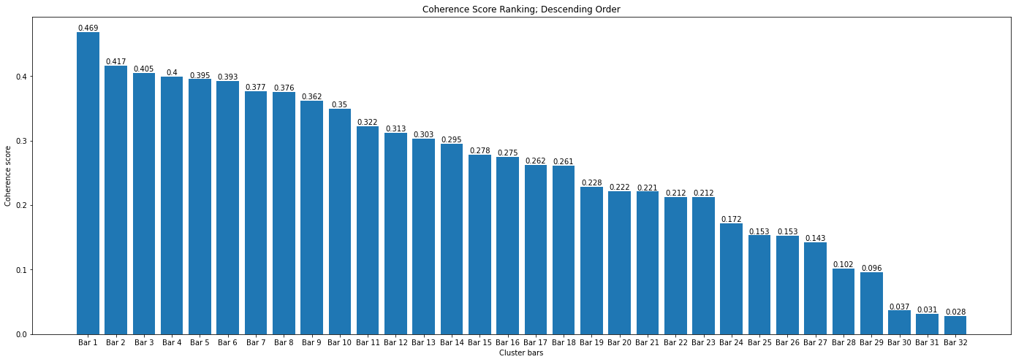
Cluster | Coherence Score | # Sentences
18 | 0.4688078825 | 1141
16 | 0.41655241068 | 1051
3 | 0.40541658663 | 1042
17 | 0.39958889502 | 1280
30 | 0.39538527573 | 1217
2 | 0.39262414204 | 1357
15 | 0.37676307865 | 1290
7 | 0.37599118681 | 1387
9 | 0.36214443584 | 1112
20 | 0.34955660201 | 1196
1 | 0.32222613517 | 717
21 | 0.31256320752 | 1317
26 | 0.30324246739 | 1357
27 | 0.29525116462 | 1218
29 | 0.27809947342 | 712
19 | 0.27509397525 | 1224
25 | 0.262273791 | 1309
23 | 0.26125295157 | 829
28 | 0.22826774838 | 934
14 | 0.22160475831 | 1102
6 | 0.22115171597 | 1239
8 | 0.21242385361 | 1041
10 | 0.21239886697 | 1192
5 | 0.17184734224 | 1380
13 | 0.15327418608 | 1832
4 | 0.15302967627 | 1761
11 | 0.14263864197 | 1506
24 | 0.10189962823 | 1476
12 | 0.096087897562 | 1115
22 | 0.03686200922 | 1784
0 | 0.031370909252 | 1680
31 | 0.028308582106 | 1838
 |  | 6417

S.5_10_n47
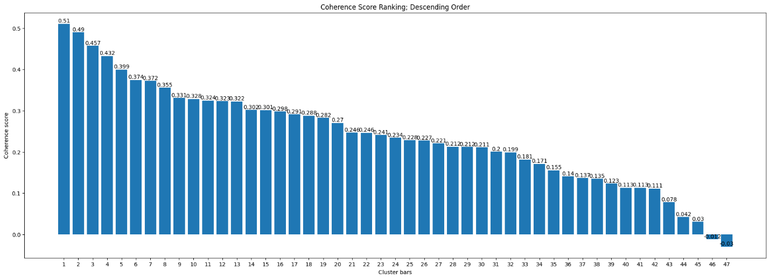
Cluster | Coherence Score | # Sentences
26 | 0.5104690019 | 712
10 | 0.4899276709 | 948
19 | 0.4570744758 | 904
17 | 0.4322344132 | 998
30 | 0.3993898594 | 929
21 | 0.3743870236 | 466
3 | 0.371991306 | 1139
39 | 0.3554709309 | 746
23 | 0.3306535022 | 980
27 | 0.3281192278 | 616
7 | 0.3241496789 | 805
42 | 0.3229359743 | 857
5 | 0.3223920832 | 391
34 | 0.3019117274 | 629
8 | 0.3011413991 | 704
38 | 0.297964939 | 791
14 | 0.2907283486 | 762
40 | 0.2877466791 | 1206
11 | 0.2823194342 | 673
36 | 0.2702064563 | 619
44 | 0.24643014 | 1065
37 | 0.2462090489 | 171
20 | 0.2406053386 | 1035
29 | 0.2339331498 | 805
32 | 0.2282677484 | 878
16 | 0.2272784549 | 653
41 | 0.2206499112 | 868
18 | 0.2122115227 | 1142
4 | 0.2118565916 | 980
1 | 0.210806604 | 1110
35 | 0.2003716939 | 1022
13 | 0.1987831112 | 933
31 | 0.1814569634 | 1131
43 | 0.1709811515 | 799
6 | 0.1553331638 | 679
15 | 0.1403116878 | 577
28 | 0.1369038315 | 824
25 | 0.1347185371 | 1160
24 | 0.1232274022 | 1020
33 | 0.1129907295 | 894
12 | 0.1128561027 | 1053
22 | 0.1111550918 | 784
45 | 0.0780105177 | 921
2 | 0.04199085056 | 1176
46 | 0.03043472774 | 1113
0 | -0.01206524861 | 1052
9 | -0.02977346605 | 916
 |  | 5178

C.6_10_n21
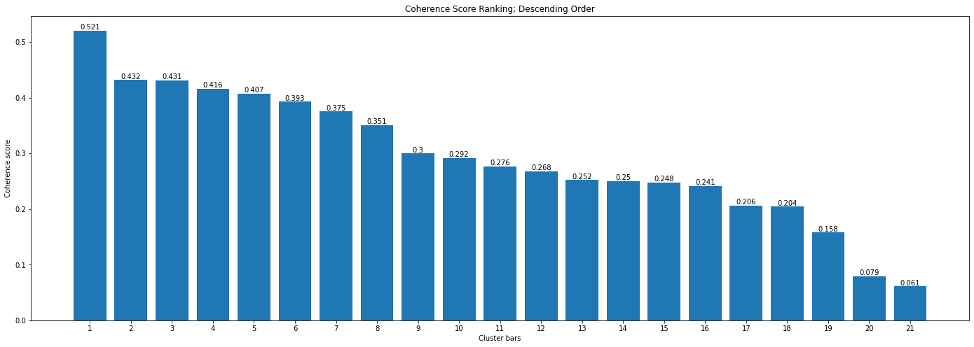
Cluster | Coherence Score | # Sentences
15 | 0.52057517508 | 403
18 | 0.43168266882 | 296
3 | 0.43112897951 | 982
14 | 0.41554230485 | 944
20 | 0.40733877015 | 558
2 | 0.39273209857 | 761
8 | 0.3752252966 | 1161
13 | 0.35073731167 | 793
0 | 0.29956587269 | 636
12 | 0.29165350125 | 850
17 | 0.27635392412 | 978
7 | 0.26781763814 | 859
19 | 0.25202428968 | 636
10 | 0.24966184935 | 925
6 | 0.24757633307 | 1042
16 | 0.2413110853 | 907
5 | 0.20597063692 | 556
1 | 0.2041330526 | 1535
9 | 0.15760080616 | 916
4 | 0.079242278071 | 890
11 | 0.061039919273 | 819
 |  | 1709

S.6_10_n34
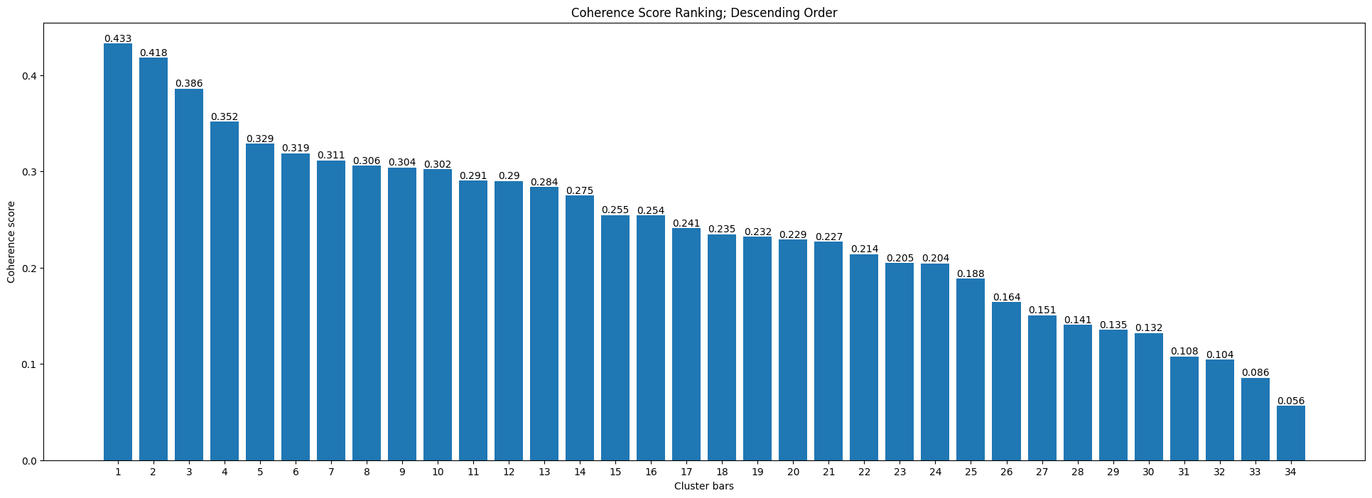
Cluster | Coherence Score | # Sentences
24 | 0.43286303796 | 375
8 | 0.41801652834 | 478
28 | 0.38603012982 | 457
3 | 0.35152510995 | 443
14 | 0.3285730254 | 517
22 | 0.31880312902 | 477
9 | 0.31137813025 | 491
10 | 0.30573199858 | 498
29 | 0.3040270707 | 484
7 | 0.30217087777 | 457
25 | 0.29053604961 | 403
33 | 0.28991790001 | 387
4 | 0.28358952227 | 497
2 | 0.27470718016 | 236
30 | 0.25470435474 | 429
13 | 0.25414343752 | 690
32 | 0.24084973501 | 630
19 | 0.23467170969 | 295
11 | 0.23200176882 | 538
21 | 0.22915390808 | 542
23 | 0.22707010385 | 600
6 | 0.21398793216 | 558
27 | 0.20463991171 | 528
15 | 0.20433924335 | 580
17 | 0.18839384533 | 581
16 | 0.16403586334 | 490
18 | 0.15051195996 | 639
12 | 0.14050546386 | 454
20 | 0.13527223994 | 607
5 | 0.13206254741 | 651
0 | 0.10769647464 | 536
31 | 0.1044945795 | 479
1 | 0.085527501926 | 622
26 | 0.056374509038 | 798
 |  | 1420

Unfiltered_10
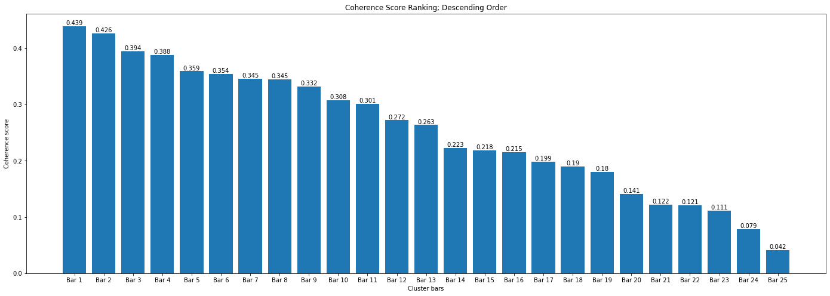
Cluster | Coherence Score | # Sentences
13 | 0.43934389598 | 1258
9 | 0.4264138072 | 1411
5 | 0.39422749713 | 2001
24 | 0.38847055464 | 1120
20 | 0.35907688861 | 1766
11 | 0.35444825201 | 2063
21 | 0.34547039548 | 1838
3 | 0.34501496391 | 2086
18 | 0.33171040451 | 1889
1 | 0.307911451 | 1536
22 | 0.3008552477 | 2309
7 | 0.27204314874 | 1846
0 | 0.26344604263 | 1629
19 | 0.22297033206 | 205
17 | 0.2184371267 | 1454
16 | 0.21544848133 | 1887
23 | 0.19859674763 | 2891
4 | 0.18995580905 | 1474
10 | 0.18008158253 | 2310
2 | 0.14085428008 | 2562
12 | 0.12205975176 | 1769
14 | 0.12102758925 | 322
8 | 0.11099774835 | 2958
15 | 0.078707118346 | 2713
6 | 0.041565680525 | 2342
 |  | 5055

C.5_20_n40
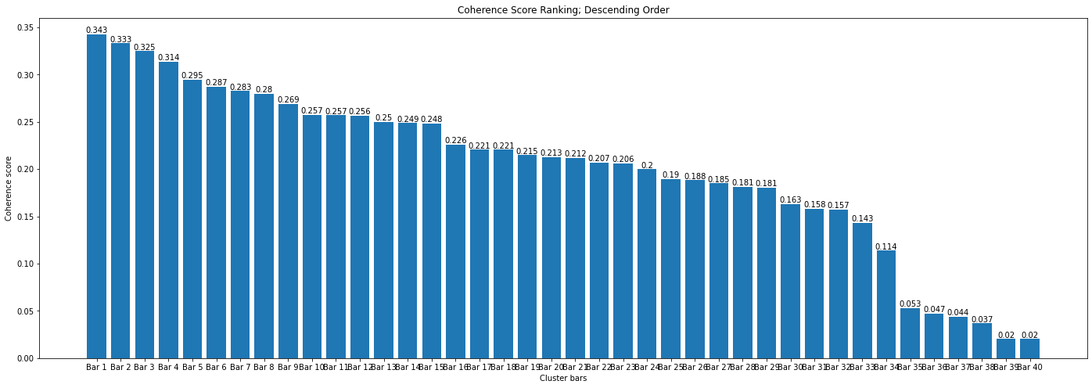
Cluster | Coherence Score | # Sentences
18 | 0.34283522944 | 864
30 | 0.33321852717 | 869
6 | 0.32489315558 | 1216
21 | 0.31371726951 | 557
7 | 0.29467143504 | 1016
31 | 0.28700556041 | 397
25 | 0.28255587509 | 946
22 | 0.27988401722 | 1038
14 | 0.26912560528 | 1233
34 | 0.25743934298 | 1024
0 | 0.25686998957 | 978
11 | 0.25627428237 | 527
4 | 0.24990745001 | 1272
36 | 0.2486974291 | 908
20 | 0.24842428744 | 1084
17 | 0.22583076491 | 951
38 | 0.22064058037 | 1203
19 | 0.22062057151 | 1322
16 | 0.21481497678 | 982
13 | 0.21291074676 | 1067
10 | 0.21163216711 | 853
35 | 0.20684484978 | 741
9 | 0.20614265531 | 896
1 | 0.19975788904 | 1488
24 | 0.18952148954 | 852
29 | 0.18824326664 | 964
3 | 0.18486783686 | 662
33 | 0.18115431031 | 1009
26 | 0.18059186823 | 680
32 | 0.16331527977 | 1017
39 | 0.15792304404 | 1057
2 | 0.15717075913 | 1106
5 | 0.14339573641 | 1383
8 | 0.11372707494 | 1100
23 | 0.052736340546 | 1170
15 | 0.047268334349 | 1056
37 | 0.043964083739 | 1721
28 | 0.036884681443 | 1160
12 | 0.020213166897 | 1166
27 | 0.020134125098 | 1101
 |  | 7374

S.5_20_n19
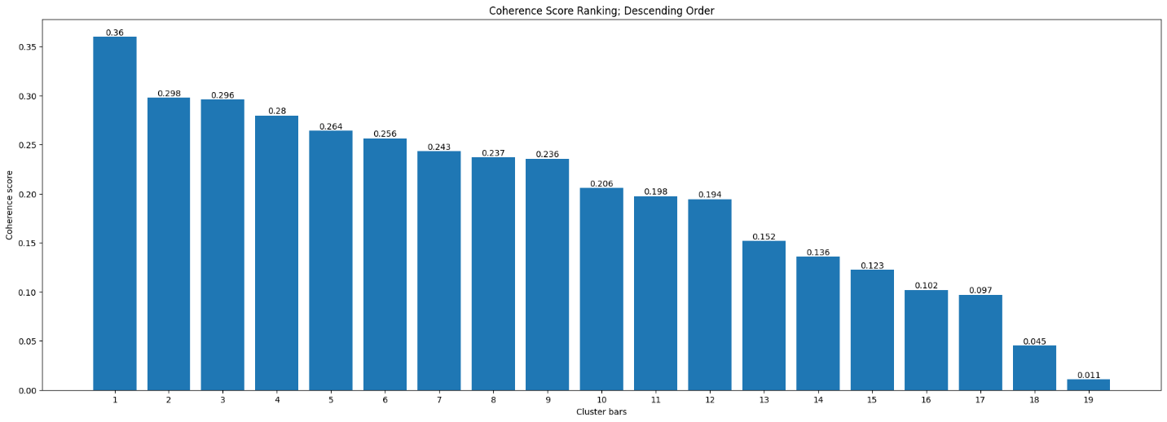
Cluster | Coherence Score | # Sentences
12 | 0.35982519677 | 2002
16 | 0.29772020829 | 1450
15 | 0.29599408023 | 2283
7 | 0.27974762449 | 2123
18 | 0.26416570104 | 2362
5 | 0.2564449367 | 1581
3 | 0.24305178419 | 1851
8 | 0.23722484128 | 2448
17 | 0.23559623546 | 2179
4 | 0.20572099692 | 2555
10 | 0.1975805392 | 1128
14 | 0.19435021867 | 1996
9 | 0.15183705464 | 2035
1 | 0.1360408566 | 1376
13 | 0.12253719238 | 2022
2 | 0.10171309337 | 2763
6 | 0.096890327195 | 2937
0 | 0.044946370915 | 2654
11 | 0.010920920244 | 2891
 |  | 8482

C.6_20_n21
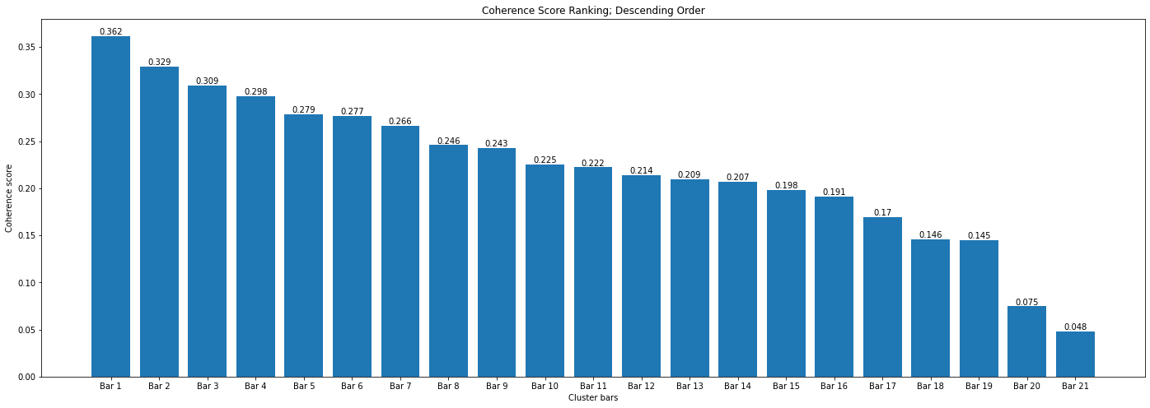
Cluster | Coherence Score | # Sentences
14 | 0.36179251639 | 944
2 | 0.32898552665 | 761
18 | 0.30901091275 | 296
15 | 0.29754688978 | 403
3 | 0.27887578312 | 982
20 | 0.27688908374 | 558
12 | 0.26624976104 | 850
7 | 0.24592127481 | 859
6 | 0.24289484388 | 1042
10 | 0.22514317238 | 925
19 | 0.22225668068 | 636
0 | 0.21384732345 | 636
9 | 0.20946507418 | 916
13 | 0.20679771431 | 793
16 | 0.19849234343 | 907
8 | 0.19142917118 | 1161
1 | 0.16961814739 | 1535
17 | 0.14579456691 | 978
5 | 0.14466842077 | 556
4 | 0.074651328583 | 890
11 | 0.047864721008 | 819
 |  | 1709

S.6_20_n30
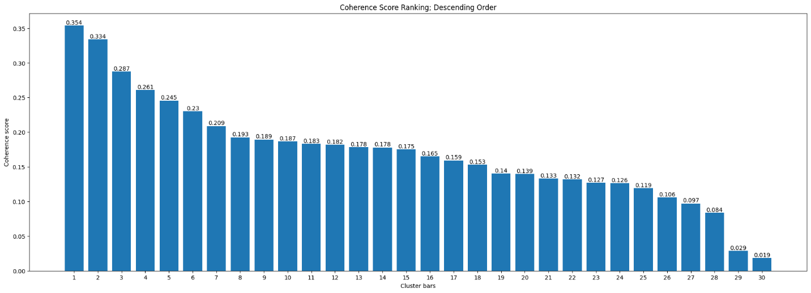
Cluster | Coherence Score | # Sentences
27 | 0.35391671026 | 487
17 | 0.3338406593 | 502
12 | 0.28740762635 | 616
29 | 0.26104614543 | 507
20 | 0.24547202656 | 492
2 | 0.2300871522 | 340
15 | 0.20879541523 | 534
23 | 0.19254415535 | 542
4 | 0.18936867822 | 423
28 | 0.18683865507 | 832
7 | 0.1829246937 | 472
22 | 0.18187246792 | 618
6 | 0.17836639184 | 645
25 | 0.17799665588 | 366
0 | 0.17521238968 | 692
26 | 0.16517948541 | 617
18 | 0.15935588419 | 560
24 | 0.15299958017 | 477
10 | 0.14034905089 | 777
5 | 0.13949230719 | 618
19 | 0.13312370031 | 518
14 | 0.13188351806 | 677
8 | 0.12694039964 | 564
3 | 0.12637238967 | 737
16 | 0.11929137636 | 684
21 | 0.10606390706 | 704
13 | 0.09722421552 | 840
11 | 0.083559380461 | 611
9 | 0.028608629267 | 400
1 | 0.018541448297 | 595
 |  | 2446

Unfiltered_20
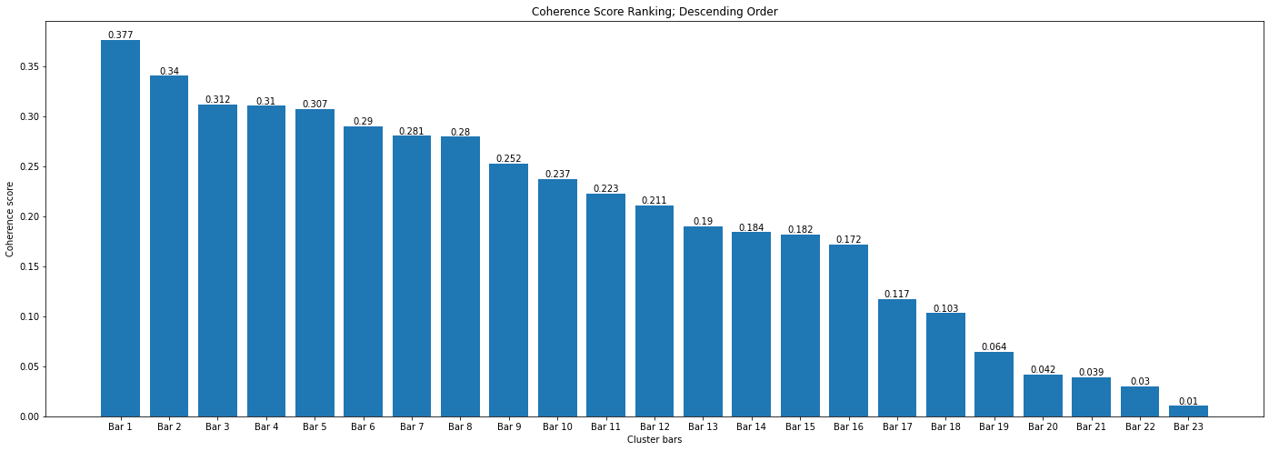
Cluster | Coherence Score | # Sentences
10 | 0.37655332311 | 2018
7 | 0.34041303653 | 2275
15 | 0.31189474549 | 1930
0 | 0.31041615055 | 2524
8 | 0.30734806733 | 2164
17 | 0.29027726432 | 1428
1 | 0.28055102757 | 2481
22 | 0.27962668519 | 2276
13 | 0.25249117176 | 2171
16 | 0.23701806554 | 1609
14 | 0.22278276049 | 2013
21 | 0.21070841976 | 1140
18 | 0.18982881726 | 2954
2 | 0.18401628776 | 1481
12 | 0.18187264958 | 1464
19 | 0.17183789114 | 2426
5 | 0.11707020021 | 2713
9 | 0.10304134898 | 1862
3 | 0.064287697265 | 2915
4 | 0.041647864271 | 2525
20 | 0.038864679936 | 2743
6 | 0.029623091193 | 322
11 | 0.010461566131 | 205
 |  | 8710

