Dashboard
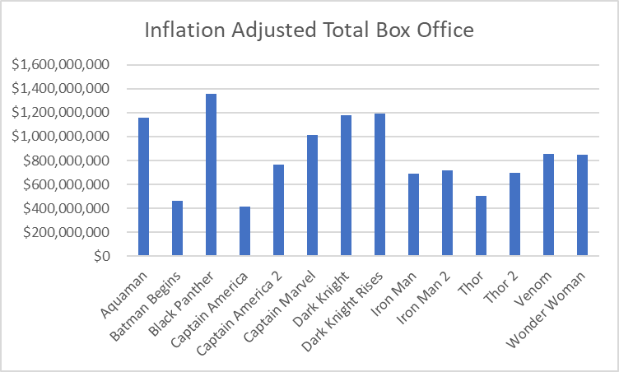
Movie Title | Inflation Adjusted Total Box Office
Aquaman | $1,154,517,554
Batman Begins | $464,836,972
Black Panther | $1,357,219,515
Captain America | $416,429,102
Captain America 2 | $762,806,045
Captain Marvel | $1,009,813,563
Dark Knight | $1,176,391,380
Dark Knight Rises | $1,193,934,413
Iron Man | $687,019,331
Iron Man 2 | $720,060,110
Thor | $504,932,383
Thor 2 | $699,442,582
Venom | $853,628,605
Wonder Woman | $846,780,396

