RECFISH CLUSTERS
CLUSTER 2 |  |  |  |  |  | CLUSTER 1 |  |  |  |  | CLUSTER 3 |  |  |  |  | CLUSTER 4
RECFISH CLUSTER | 2 |  |  |  |  | RECFISH CLUSTER | 1 |  |  |  | RECFISH CLUSTER | 3 |  |  |  | RECFISH CLUSTER | 4

Row Labels | OFFSHORE count | Percent | ONSHORE count | Percent |  | Row Labels | OFFSHORE count | Percent | ONSHORE count | Percent | Row Labels | OFFSHORE count | Percent | ONSHORE count | Percent | Row Labels | OFFSHORE count | Percent | ONSHORE count | Percent
Not at all | 870 | 77 | 854 | 76 |  | 1 | 0 | 0 | 126 | 41 | 1 | 0 | 0 | 0 | 0 | 1 | 63 | 46 | 0 | 0
Once or twice | 254 | 23 | 270 | 24 |  | 2 | 0 | 0 | 75 | 24 | 2 | 0 | 0 | 0 | 0 | 2 | 43 | 32 | 0 | 0
Every few months | 0 | 0 | 0 | 0 |  | 3 | 158 | 51 | 108 | 35 | 3 | 5 | 3 | 7 | 5 | 3 | 30 | 22 | 76 | 56
Monthly | 0 | 0 | 0 | 0 |  | 4 | 92 | 30 | 0 | 0 | 4 | 56 | 38 | 56 | 38 | 4 | 0 | 0 | 37 | 27
Fortnightly | 0 | 0 | 0 | 0 |  | 5 | 41 | 13 | 0 | 0 | 5 | 39 | 27 | 38 | 26 | 5 | 0 | 0 | 16 | 12
Weekly | 0 | 0 | 0 | 0 |  | 6 | 12 | 4 | 0 | 0 | 6 | 24 | 16 | 26 | 18 | 6 | 0 | 0 | 6 | 4
More than once a week | 0 | 0 | 0 | 0 |  | 7 | 6 | 2 | 0 | 0 | 7 | 22 | 15 | 19 | 13 | 7 | 0 | 0 | 1 | 1
Grand Total | 1124 |  | 1124 |  |  | Grand Total | 309 |  | 309 |  | Grand Total | 146 |  | 146 |  | Grand Total | 136 |  | 136

CLUSTER A (2): "Never or hardly ever" (n=1124)
CLUSTER B (1): "Mostly from boat" (n=309)
CLUSTER C (3): "Very keen, either way" (n=146)
CLUSTER D (4): "Mostly from shore" (n=136)

3 clusters: "Encourage other people"
 |  |  |  |  | REEF STEWARDSHIP PRACTICES
Question 14 (4 graphs) |  |  |  |  | CLUSTER 1 |  |  |  |  |  | CLUSTER 3 |  |  |  |  |  | CLUSTER 4
 |  |  |  |  | "Encourage other people to practice responsible fishing" |  |  |  |  |  | "Encourage other people to practice responsible fishing" |  |  |  |  |  | "Encourage other people to practice responsible fishing"
 |  |  |  |  | Row Labels | Count of GBRbp_advocacyfish | Percent |  |  |  | Row Labels | Count of GBRbp_advocacyfish | Percent |  |  |  | Row Labels | Count of GBRbp_advocacyfish | Percent
 |  |  |  |  | Never | 23 | 7 |  |  |  | Never | 4 | 3 |  |  |  | Never | 8 | 6
 |  |  |  |  | Rarely | 14 | 5 |  |  |  | Rarely | 3 | 2 |  |  |  | Rarely | 15 | 11
 |  |  |  |  | Sometimes | 35 | 11 |  |  |  | Sometimes | 9 | 6 |  |  |  | Sometimes | 24 | 18
 |  |  |  |  | Mostly | 53 | 17 |  |  |  | Mostly | 23 | 16 |  |  |  | Mostly | 29 | 21
 |  |  |  |  | Always | 180 | 58 |  |  |  | Always | 104 | 71 |  |  |  | Always | 57 | 42
 |  |  |  |  | N/A | 4 | 1 |  |  |  | N/A | 3 | 2 |  |  |  | N/A | 3 | 2
 |  |  |  |  | Grand Total | 309 |  |  |  |  | Grand Total | 146 |  |  |  |  | Grand Total | 136

 |  |  |  |  | "Dispose of food scraps and rubbish appropriately" |  |  |  |  |  | "Dispose of food scraps and rubbish appropriately" |  |  |  |  |  | "Dispose of food scraps and rubbish appropriately"
 |  |  |  |  | Row Labels | Count of GBRbp_rubbish | Percent |  |  |  | Row Labels | Count of GBRbp_rubbish | Percent |  |  |  | Row Labels | Count of GBRbp_rubbish | Percent
 |  |  |  |  | Never | 9 | 3 |  |  |  | Never | 3 | 2 |  |  |  | Never | 2 | 1
 |  |  |  |  | Rarely | 1 | 0 |  |  |  | Rarely | 0 | 0 |  |  |  | Rarely | 1 | 1
 |  |  |  |  | Sometimes | 12 | 4 |  |  |  | Sometimes | 4 | 3 |  |  |  | Sometimes | 3 | 2
 |  |  |  |  | Mostly | 37 | 12 |  |  |  | Mostly | 9 | 6 |  |  |  | Mostly | 11 | 8
 |  |  |  |  | Always | 249 | 81 |  |  |  | Always | 130 | 89 |  |  |  | Always | 115 | 85
 |  |  |  |  | N/A | 1 | 0 |  |  |  | N/A | 0 | 0 |  |  |  | N/A | 4 | 3
 |  |  |  |  | Grand Total | 309 |  |  |  |  | Grand Total | 146 |  |  |  |  | Grand Total | 136

 |  |  |  |  | "Report sightings via EoTR" |  |  |  |  |  | "Report sightings via EoTR" |  |  |  |  |  | "Report sightings via EoTR"
 |  |  |  |  | Row Labels | Count of GBRbp_app | Percent |  |  |  | Row Labels | Count of GBRbp_app | Percent |  |  |  | Row Labels | Count of GBRbp_app | Percent
 |  |  |  |  | Never | 154 | 50 |  |  |  | Never | 63 | 43 |  |  |  | Never | 65 | 48
 |  |  |  |  | Rarely | 64 | 21 |  |  |  | Rarely | 27 | 18 |  |  |  | Rarely | 28 | 21
 |  |  |  |  | Sometimes | 43 | 14 |  |  |  | Sometimes | 23 | 16 |  |  |  | Sometimes | 11 | 8
 |  |  |  |  | Mostly | 17 | 6 |  |  |  | Mostly | 10 | 7 |  |  |  | Mostly | 9 | 7
 |  |  |  |  | Always | 17 | 6 |  |  |  | Always | 18 | 12 |  |  |  | Always | 9 | 7
 |  |  |  |  | N/A | 14 | 5 |  |  |  | N/A | 5 | 3 |  |  |  | N/A | 14 | 10
 |  |  |  |  | Grand Total | 309 |  |  |  |  | Grand Total | 146 |  |  |  |  | Grand Total | 136

 |  |  |  |  | "Report suspicious activity" |  |  |  |  |  | "Report suspicious activity" |  |  |  |  |  | "Report suspicious activity"
 |  |  |  |  | Row Labels | Count of GBRbp_report | Percent |  |  |  | Row Labels | Count of GBRbp_report | Percent |  |  |  | Row Labels | Count of GBRbp_report | Percent
 |  |  |  |  | Never | 79 | 26 |  |  |  | Never | 28 | 19 |  |  |  | Never | 36 | 26
 |  |  |  |  | Rarely | 61 | 20 |  |  |  | Rarely | 22 | 15 |  |  |  | Rarely | 32 | 24
 |  |  |  |  | Sometimes | 53 | 17 |  |  |  | Sometimes | 20 | 14 |  |  |  | Sometimes | 16 | 12
 |  |  |  |  | Mostly | 25 | 8 |  |  |  | Mostly | 19 | 13 |  |  |  | Mostly | 12 | 9
 |  |  |  |  | Always | 62 | 20 |  |  |  | Always | 49 | 34 |  |  |  | Always | 25 | 18
 |  |  |  |  | N/A | 29 | 9 |  |  |  | N/A | 8 | 5 |  |  |  | N/A | 15 | 11
 |  |  |  |  | Grand Total | 309 |  |  |  |  | Grand Total | 146 |  |  |  |  | Grand Total | 136

 |  |  |  |  | MANAGEMENT INITIATIVE SUPPORT
 | Question 19 (5 graphs) |  |  |  | CLUSTER 1 |  |  |  |  |  | CLUSTER 3 |  |  |  |  |  | CLUSTER 4
 |  |  |  |  | "Marine Park Zoning" |  |  |  |  |  | "Marine Park Zoning" |  |  |  |  |  | "Marine Park Zoning"
 |  |  |  |  | Row Labels | Count of inter_zoning | Percent |  |  |  | Row Labels | Count of inter_zoning | Percent |  |  |  | Row Labels | Count of inter_zoning | Percent
 |  |  |  |  | 1 = not at all important | 22 | 7 |  |  |  | 1 = not at all important | 18 | 12 |  |  |  | 1 = not at all important | 2 | 1
 |  |  |  |  | 2 | 12 | 4 |  |  |  | 2 | 7 | 5 |  |  |  | 2 | 1 | 1
 |  |  |  |  | 3 | 8 | 3 |  |  |  | 3 | 6 | 4 |  |  |  | 3 | 3 | 2
 |  |  |  |  | 4 | 15 | 5 |  |  |  | 4 | 7 | 5 |  |  |  | 4 | 6 | 4
 |  |  |  |  | 5 | 20 | 7 |  |  |  | 5 | 21 | 14 |  |  |  | 5 | 7 | 5
 |  |  |  |  | 6 | 16 | 5 |  |  |  | 6 | 8 | 5 |  |  |  | 6 | 8 | 6
 |  |  |  |  | 7 | 42 | 14 |  |  |  | 7 | 12 | 8 |  |  |  | 7 | 13 | 10
 |  |  |  |  | 8 | 60 | 20 |  |  |  | 8 | 18 | 12 |  |  |  | 8 | 31 | 23
 |  |  |  |  | 9 | 29 | 9 |  |  |  | 9 | 13 | 9 |  |  |  | 9 | 17 | 13
 |  |  |  |  | 10 = extremely important | 83 | 27 |  |  |  | 10 = extremely important | 36 | 25 |  |  |  | 10 = extremely important | 47 | 35
 |  |  |  |  | 99 | 2 |  |  |  |  | Grand Total | 146 |  |  |  |  | 99 | 1
 |  |  |  |  | Grand Total | 309 |  |  |  |  |  |  |  |  |  |  | Grand Total | 136

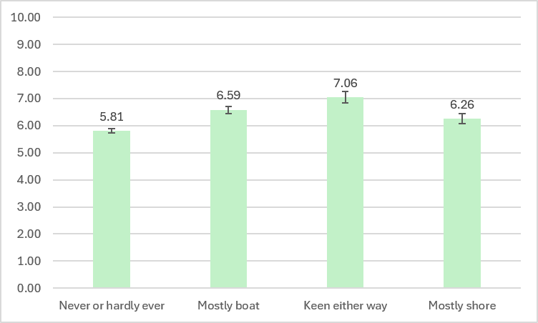
Graph
Row Labels | Average of inter_zoning | StdDev of inter_zoning | Count of inter_zoning | SE |  |  |  |  |  |  | Understand how GBR managed
Never or hardly ever | 3.51 | 2.1415707324 | 1072 | 0.065408626606 |  |  |  |  |  |  | Row Labels | Average of dm_understanding | StdDev of dm_understanding2 | Count of dm_understanding3
Mostly boat | 2.88 | 2.1115276854 | 303 | 0.12130409604 |  |  |  |  |  |  | 2 | 5.81 | 2.3738269606 | 972
Keen either way | 3.04 | 2.4520167975 | 142 | 0.20576867867 |  |  |  |  |  |  | 1 | 6.59 | 2.2630145539 | 297
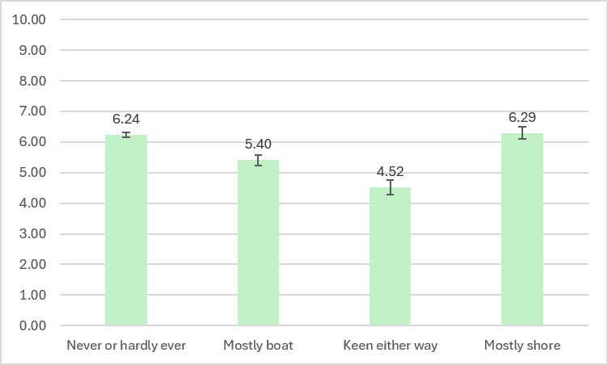
Mostly shore | 3.42 | 2.278481035 | 132 | 0.19831631886 |  |  |  |  |  |  | 3 | 7.06 | 2.4982625 | 140
 |  |  |  |  |  |  |  |  |  |  | 4 | 6.26 | 2.0947901606 | 124
Trust GBRMPA
Row Labels | Average of trust_gbrmpa | StdDev of trust_gbrmpa2 | Count of trust_gbrmpa3 |  |  |  |  |  |  |  | Think GBR management decisions are fair
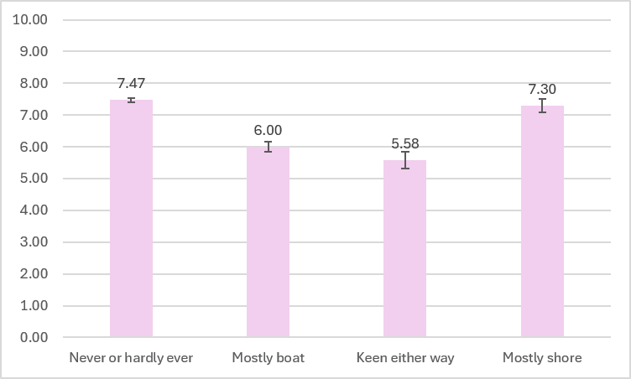
2 | 7.47 | 2.1641021865 | 1084 |  |  |  |  |  |  |  | Row Labels | Average of dm_procfair | StdDev of dm_procfair2 | Count of dm_procfair3
1 | 6.00 | 2.7563308466 | 304 |  |  |  |  |  |  |  | 2 | 6.24 | 2.2597172555 | 856
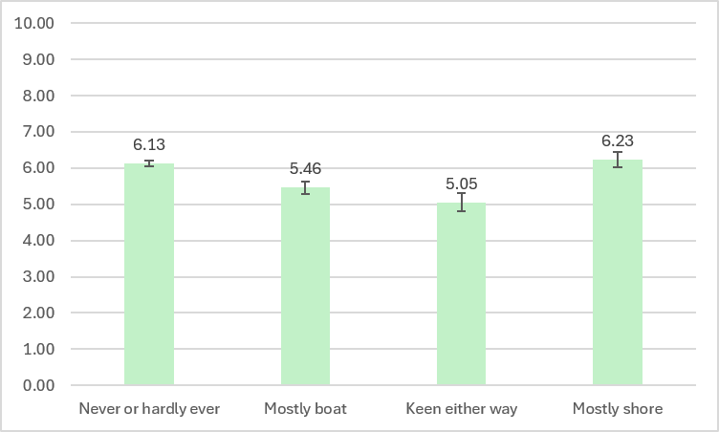
3 | 5.58 | 3.082007274 | 143 |  |  |  |  |  |  |  | 1 | 5.40 | 2.7548565318 | 280
4 | 7.30 | 2.3817530045 | 135 |  |  |  |  |  |  |  | 3 | 4.52 | 2.7196371252 | 132
 |  |  |  |  |  |  |  |  |  |  | 4 | 6.29 | 2.1657993231 | 117
Trust scientists
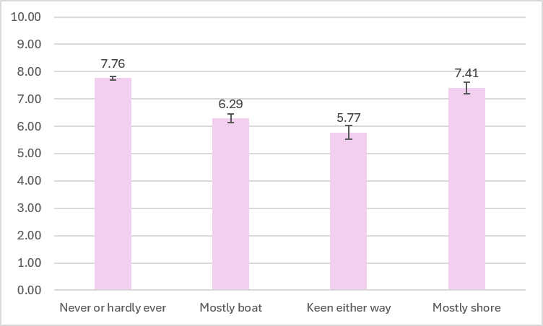
Row Labels | Average of trust_science | StdDev of trust_science2 | Count of trust_science3 |  |  |  |  |  |  |  | Fair distribution of costs and benefits
2 | 7.76 | 2.2187786742 | 1095 |  |  |  |  |  |  |  | Row Labels | Average of dm_distfair | StdDev of dm_distfair2 | Count of dm_distfair3
1 | 6.29 | 2.9681999729 | 306 |  |  |  |  |  |  |  | 2 | 6.13 | 2.2837235278 | 797
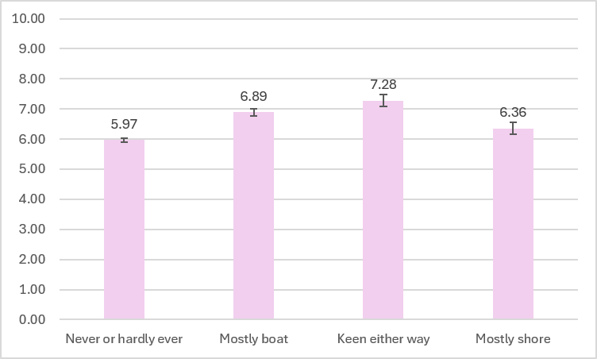
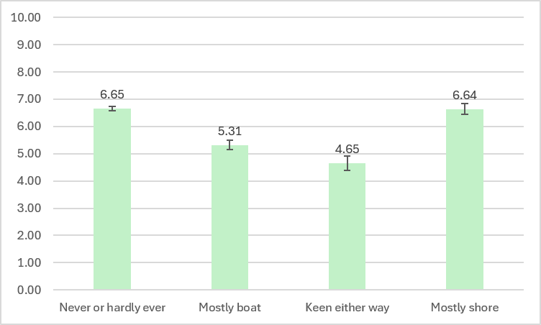
3 | 5.77 | 3.0658169737 | 145 |  |  |  |  |  |  |  | 1 | 5.46 | 2.7960398361 | 265
4 | 7.41 | 2.4509124174 | 136 |  |  |  |  |  |  |  | 3 | 5.05 | 2.8363761259 | 128
 |  |  |  |  |  |  |  |  |  |  | 4 | 6.23 | 2.1614597549 | 111
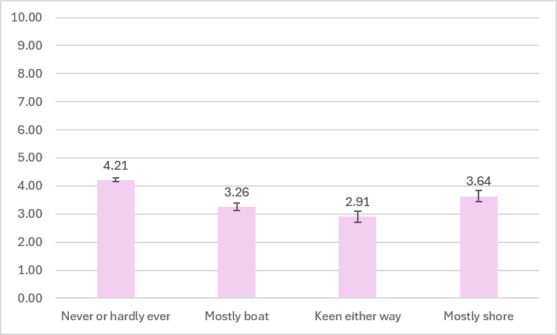
Trust friends and family
Row Labels | Average of trust_family | StdDev of trust_family2 | Count of trust_family3 |  |  |  |  |  |  |  | Decision makers are trustworthy
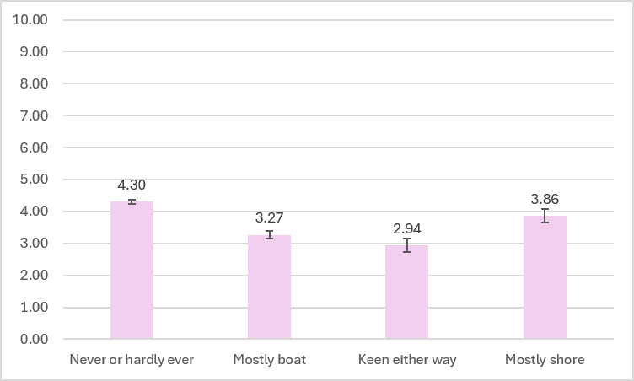
2 | 5.97 | 2.1283497202 | 1030 |  |  |  |  |  |  |  | Row Labels | Average of trust_dm | StdDev of trust_dm2 | Count of trust_dm3
1 | 6.89 | 2.2251171723 | 304 |  |  |  |  |  |  |  | 2 | 6.65 | 2.2755960516 | 981
3 | 7.28 | 2.2712689436 | 141 |  |  |  |  |  |  |  | 1 | 5.31 | 2.8516815083 | 287
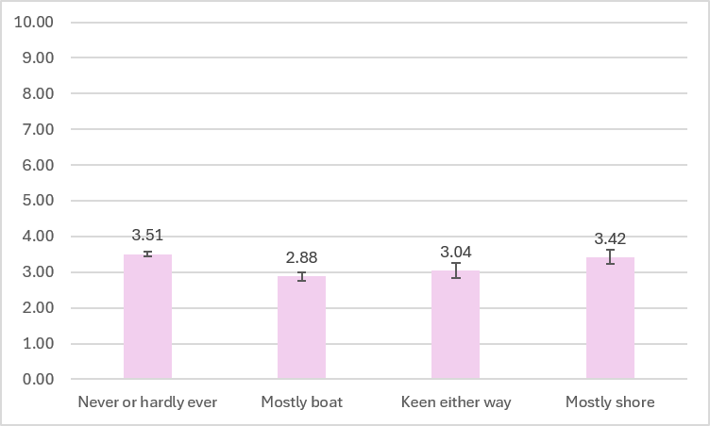
4 | 6.36 | 2.1534799222 | 129 |  |  |  |  |  |  |  | 3 | 4.65 | 3.1034850861 | 135

 |  |  |  |  |  |  |  |  |  |  | 4 | 6.64 | 2.2670809442 | 129
Newspaper
Row Labels | Average of trust_paper | StdDev of trust_paper2 | Count of trust_paper3 |  |  |  |  |  |  |  | Satisfied with GBR management
2 | 4.21 | 2.1996812653 | 1073 |  |  |  |  |  |  |  | Row Labels | Average of sat_mgmt | StdDev of sat_mgmt2 | Count of sat_mgmt3
1 | 3.26 | 2.2533220029 | 304 |  |  |  |  |  |  |  | 2 | 6.31 | 2.161964054 | 959
3 | 2.91 | 2.3464359876 | 143 |  |  |  |  |  |  |  | 1 | 5.71 | 2.5023739752 | 297
4 | 3.64 | 2.3430695545 | 133 |  |  |  |  |  |  |  | 3 | 5.04 | 2.7916084279 | 142
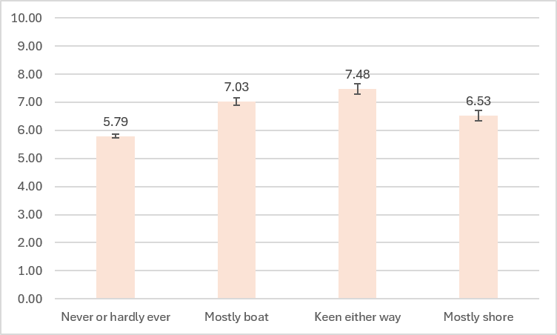
 |  |  |  |  |  |  |  |  |  |  | 4 | 6.21 | 2.1172420917 | 128
TV
Row Labels | Average of trust_tv | StdDev of trust_tv2 | Count of trust_tv3 |  |  |  |  |  |  |  | Overall I think the GBR is currently in good health
2 | 4.30 | 2.2123562737 | 1079 |  |  |  |  |  |  |  | Row Labels | Average of GBRh_overall | StdDev of GBRh_overall2 | Count of GBRh_overall3
1 | 3.27 | 2.1562156769 | 306 |  |  |  |  |  |  |  | 2 | 5.79 | 2.2854737838 | 1124
3 | 2.94 | 2.430194007 | 145 |  |  |  |  |  |  |  | 1 | 7.03 | 2.3436795913 | 309
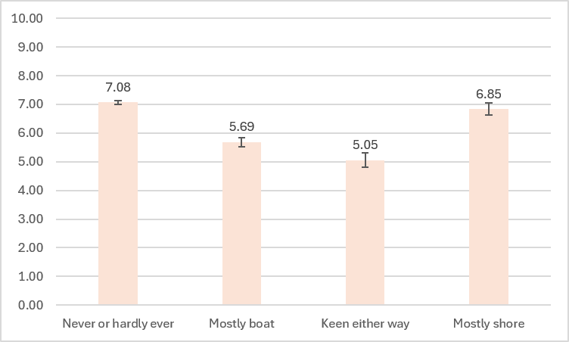
4 | 3.86 | 2.4591907302 | 133 |  |  |  |  |  |  |  | 3 | 7.48 | 2.2749586676 | 146
 |  |  |  |  |  | Zoning |  |  |  |  | 4 | 6.53 | 2.1531756959 | 136
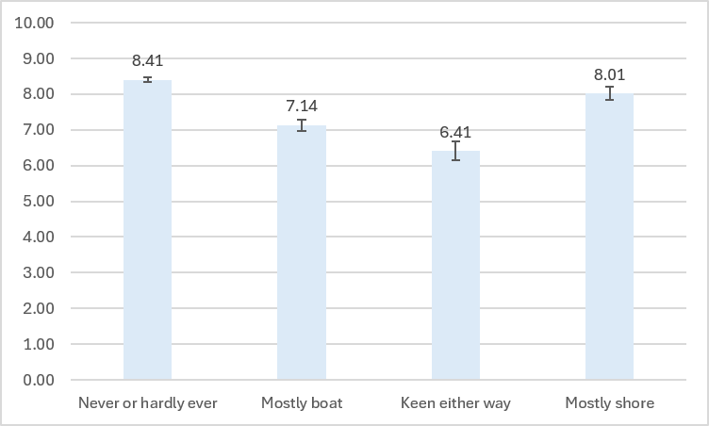
Soc med
Row Labels | Average of trust_socials | StdDev of trust_socials2 | Count of trust_socials3 |  |  |  |  |  |  |  | I trust the science about GBR health
2 | 3.51 | 2.1415707324 | 1072 |  |  |  |  |  |  |  | Row Labels | Average of trust_reefscience | StdDev of trust_reefscience2 | Count of trust_reefscience3
1 | 2.88 | 2.1115276854 | 303 |  |  |  |  |  |  |  | 2 | 7.08 | 2.2417196857 | 1124
3 | 3.04 | 2.4520167975 | 142 |  |  |  |  |  |  |  | 1 | 5.69 | 2.8979113402 | 309
4 | 3.42 | 2.278481035 | 132 |  |  |  |  |  |  |  | 3 | 5.05 | 3.0912129567 | 146
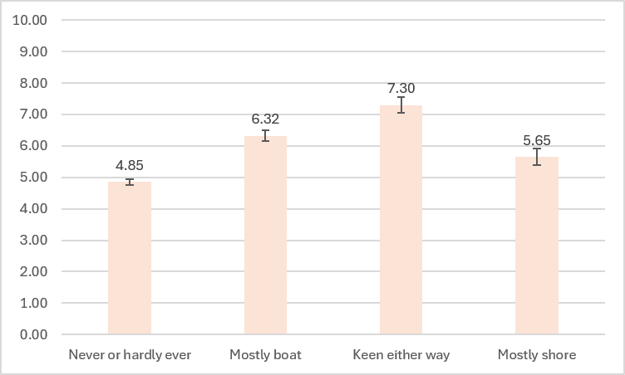
 |  |  |  |  |  |  |  |  |  |  | 4 | 6.85 | 2.3754256585 | 136

 |  |  |  |  |  |  |  |  |  |  | I am tired of hearing stories about degradation of the GBR in the media
 |  |  |  |  |  |  |  |  |  |  | Row Labels | Average of reef_fatigue | StdDev of reef_fatigue2 | Count of reef_fatigue3
Develop new fishing gear |  |  |  |  |  |  |  |  |  |  | 2 | 4.85 | 2.945235085 | 1124
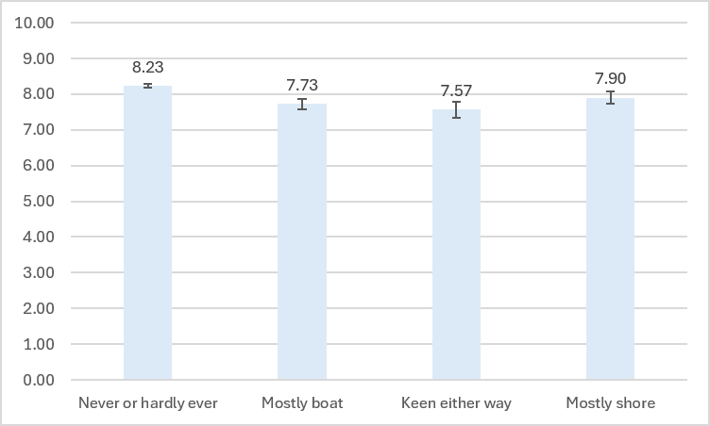
 |  |  |  |  |  |  |  |  |  |  | 1 | 6.32 | 3.1340616946 | 309
 |  |  |  |  |  |  |  |  |  |  | 3 | 7.30 | 3.0065901479 | 146
 |  |  |  |  |  |  |  |  |  |  | 4 | 5.65 | 2.9848473538 | 136

 |  |  |  |  |  | Surveillance
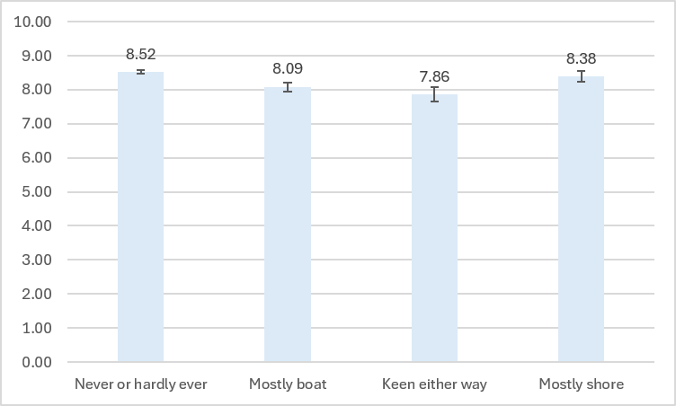
Culling COTS
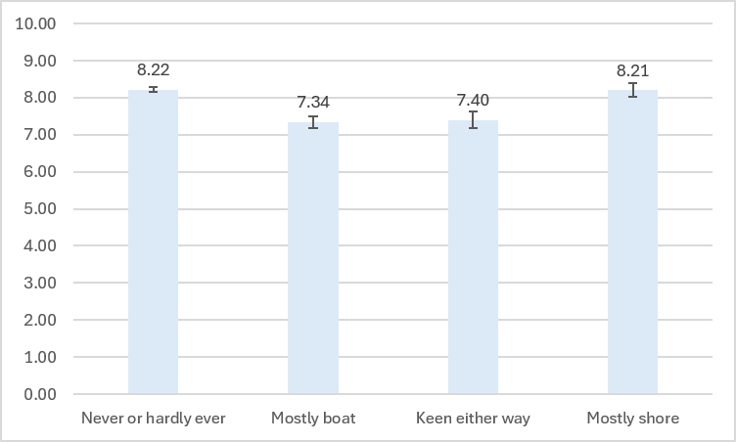

 |  |  |  |  |  | Closures
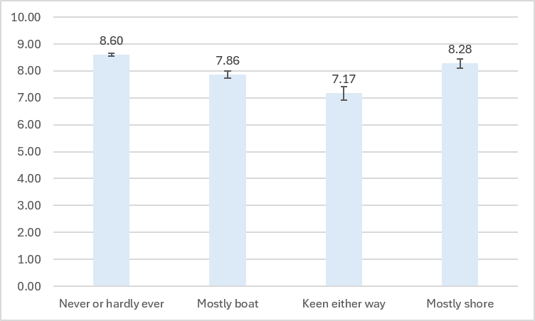

Seasonal closures
Row Labels | Average of inter_fishclosures | StdDev of inter_fishclosures2 | Count of inter_fishclosures3 | SE
Never or hardly ever | 8.60 | 1.57 | 1098 | 0.047286390398
Mostly boat | 7.86 | 2.38 | 307 | 0.13561367584
Keen either way | 7.17 | 2.94 | 145 | 0.24454681434
Mostly shore | 8.28 | 1.98 | 132 | 0.1725140317

Surveillance & enforcement
Row Labels | Average of inter_illfish | StdDev of inter_illfish2 | Count of inter_illfish3 | SE
Never or hardly ever | 8.52 | 1.64 | 1115 | 0.049229065647
Mostly boat | 8.09 | 2.30 | 308 | 0.13091753172
Keen either way | 7.86 | 2.57 | 145 | 0.2130735016
Mostly shore | 8.38 | 1.87 | 136 | 0.1600173001

Culling COTS
Row Labels | Average of inter_culling | StdDev of inter_culling2 | Count of inter_culling3 | SE
Never or hardly ever | 8.22 | 1.85 | 1070 | 0.056519774419
Mostly boat | 7.34 | 2.71 | 305 | 0.15511318403
Keen either way | 7.40 | 2.65 | 144 | 0.22087966142
Mostly shore | 8.21 | 2.05 | 132 | 0.1783539196

Develop new fishing gear for commercial fishers
Row Labels | Average of inter_fishing | StdDev of inter_fishing2 | Count of inter_fishing3 | SE
Never or hardly ever | 8.23 | 1.81 | 1097 | 0.054593153444
Mostly boat | 7.73 | 2.45 | 305 | 0.14019634923
Keen either way | 7.57 | 2.66 | 145 | 0.22054742783
Mostly shore | 7.90 | 1.96 | 134 | 0.1694517101

Zoning
Row Labels | Average of inter_zoning | StdDev of inter_zoning | Count of inter_zoning | SE
Never or hardly ever | 8.41 | 1.87 | 1112 | 0.056027244393
Mostly boat | 7.14 | 2.78 | 307 | 0.1587757765
Keen either way | 6.41 | 3.13 | 146 | 0.25874798161
Mostly shore | 8.01 | 2.15 | 135 | 0.18482662911

Trust PIVOT
Average Trust in Social Media Commentators
Are_you_a_Rec_Fisher | Y

RECFISH CLUSTERS | Average of trust_socials
Boat | 2.8778877888
Never | 3.716713881
Keen | 3.0422535211
Shore | 3.4166666667
Grand Total | 3.2978494624

Are_you_a_Rec_Fisher | Y

RECFISH CLUSTERS | Average of trust_citizen
Boat | 5.6780821918
Never | 6.7797101449
Keen | 5.4468085106
Shore | 6.5905511811
Grand Total | 6.1900552486

