Sheet1
Display
SwapChain
CommandList knows everything
Object : RootSigneture
Name: peraSetRootsignature
Object : GraphicsPipeline
Name : peraGPLPipelineSetting
Object : ID3D12Resource
Name : multiPassBuff1
Address : Heap
RTV
DHAddress : 0
SRV
DHAddress : 0
<ResourceBarrier>
Object :
D3D12_INPUT_ELEMENT_DESC
Contents : Info for VertexShader
Object : ID3D10Blob
Create from D3DCompileFromFile()
Object : ID3D10Blob
Create from D3DCompileFromFile()
Object : HLSL
Name : peraVertex
Object : HLSL
Name : peraPixel
VertexShader can know from GraphicPipeLine
what it gets data as Semantics, "POSITION" as float4 name of "pos",
"TEXCOORD" as float2 name of "uv".
As DescriptorTable[0]
Flip & Draw


Output
CommandList knows everything
Rendering

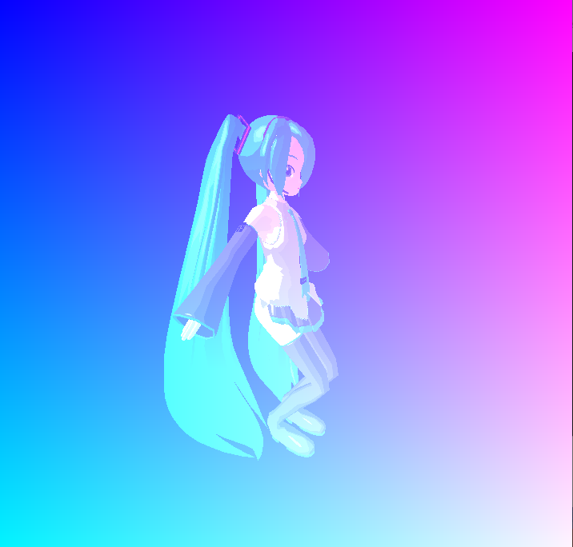
Object : ID3D12Resource
Name : backBuffer[2]
Address : Heap
RTV
DHAddress : 0
RTV
DHAddress : 1

Know as SRV from DHAddress, so can use as Texture[s0]
Transport data

Object : RootSigneture
Name: bufferSetRootsignature
Object : GraphicsPipeline
Name : bufferGPLPipelineSetting

CommandList knows everything

Object : HLSL
Name : bufferVertex
Object : ID3D10Blob
Create from D3DCompileFromFile()
Consective DHAddress
Transport Texture
Transport Texture
Object : RootSigneture
Name: setRootSignature
Object : GraphicsPipeline
Name : gPLPipelineSetting
Object : ID3D12Resource
Name : vertBuff
Address : Heap
VBV
DHAddress : 0
Object : ID3D12Resource
Name : texReadBuff
Address : Heap
SRV
DHAddress : 2
Object : ID3D12Resource
Name : idxBuff
Address : Heap
IBV
DHAddress : 0
Object : ID3D12Resource
Name : matrixBuff
Address : Heap
CBV
DHAddress : 0
Object : ID3D12Resource
Name : materialBuff
Address : Heap
CBV
DHAddress : 1
Object : ID3D12Resource
Name : sphMappedBuff
Address : Heap
SRV
DHAddress : 3
Object : ID3D12Resource
Name : spaMappedBuff
Address : Heap
SRV
DHAddress : 4
Object : ID3D12Resource
Name : texLoadBuff
Address : Heap
No View
Object : ID3D12Resource
Name : toonLoadBuff
Address : Heap
Object : ID3D12Resource
Name : toonReadBuff
Address : Heap
SRV
DHAddress : 0
No View
Object :
D3D12_INPUT_ELEMENT_DESC
Contents : Info for VertexShader
Object : ID3D10Blob
Create from D3DCompileFromFile()
Object : ID3D10Blob
Create from D3DCompileFromFile()
Object : HLSL
Name : VertexShader
Object : HLSL
Name : PixelShader
VertexShader can know from GraphicPipeLine
what it gets data as Semantics, "POSITION" as float4 name of "pos",
"TEXCOORD" as float2 name of "uv".
Object : ID3D12Resource
Name : multiPassBuff2
Address : Heap
RTV
DHAddress : 1
SRV
DHAddress : 1
<ResourceBarrier>

Transport data
Object :
D3D12_INPUT_ELEMENT_DESC
Contents : Info for VertexShader
Know as SRV from DHAddress, so can use as Texture[s1]
Object : HLSL
Name : bufferPixel
Object : ID3D10Blob
Create from D3DCompileFromFile()

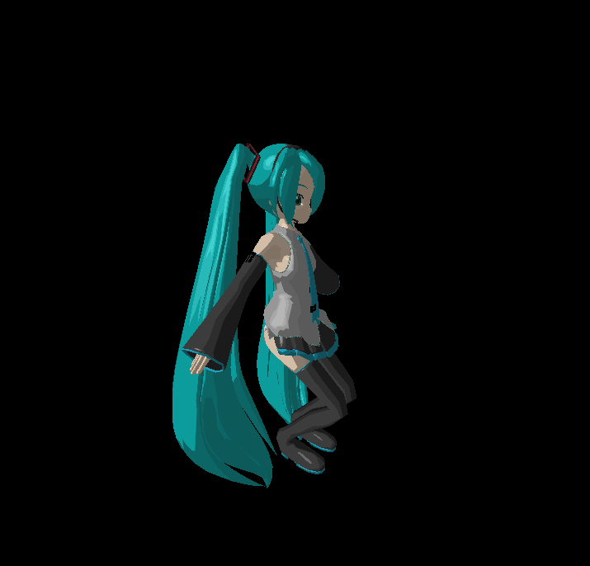

Transport data

Rendering

As DescriptorTable[0]
As DescriptorTable[1]
As DescriptorTable[2]
As DescriptorTable[3]
As DescriptorTable[4]
As DescriptorTable[5]

