Git検証
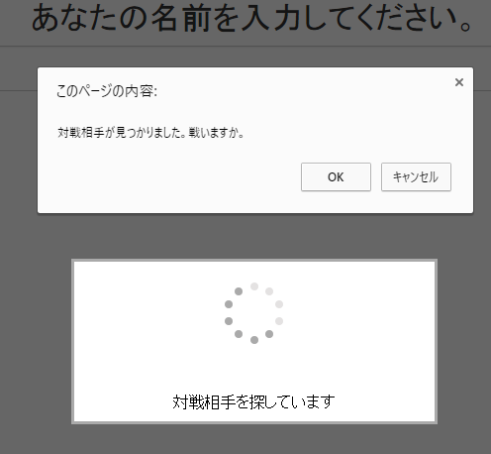
1. | rubyの導入
 | ruby-2.1.8-x64-mingw32 |  | ※最新版のRubyだとOpenShiftOnlineに接続できなかった
 | gem install rhcコマンドでRHCをインストール

2. | アプリケーションの確認
 | C:\Users\User\Documents\ruby-2.1.8-x64-mingw32\bin>rhc show-app nodejs
 | DL is deprecated, please use Fiddle
 | RSA 1024 bit CA certificates are loaded due to old openssl compatibility
 | Login to openshift.redhat.com: creatus@outlook.jp
 | Password: ***********

 | nodejs @ http://nodejs-creatus.rhcloud.com/ (uuid: 56cdce2d2d52710bd500020b)
 | ----------------------------------------------------------------------------
 | Domain: creatus
 | Created: Feb 25 12:37 AM
 | Gears: 1 (defaults to small)
 | Git URL: ssh://56cdce2d2d52710bd500020b@nodejs-creatus.rhcloud.com/~/git/nodejs.git/
 | SSH: 56cdce2d2d52710bd500020b@nodejs-creatus.rhcloud.com
 | Deployment: auto (on git push)

 | nodejs-0.10 (Node.js 0.10)
 | --------------------------
 | Gears: 1 small

3. | SSH鍵の作成
 | git-bashで以下のコマンドを入力

 | $ ssh-keygen -f id_rsa
 | Generating public/private rsa key pair.
 | Enter passphrase (empty for no passphrase):
 | Enter same passphrase again:
 | Your identification has been saved in id_rsa.
 | Your public key has been saved in id_rsa.pub.
 | The key fingerprint is:
 | SHA256:yvPFoEHB/6uPoyEd70we0IcfODr4xiZBEIx8pcNoUmc User@User-PC
 | The key's randomart image is:
 | +---[RSA 2048]----+
 | |.oo.Eo. |
 | |.o=+. .. |
 | |.o.= .. |
 | |o o. ..o |
 | | . + S.o |
 | | .+ O *.. |
 | | ooX + +. |
 | | .o+X.+. |
 | | +o.B+. |
 | +----[SHA256]-----+

4. | 公開鍵をOpenShiftOnlineに登録
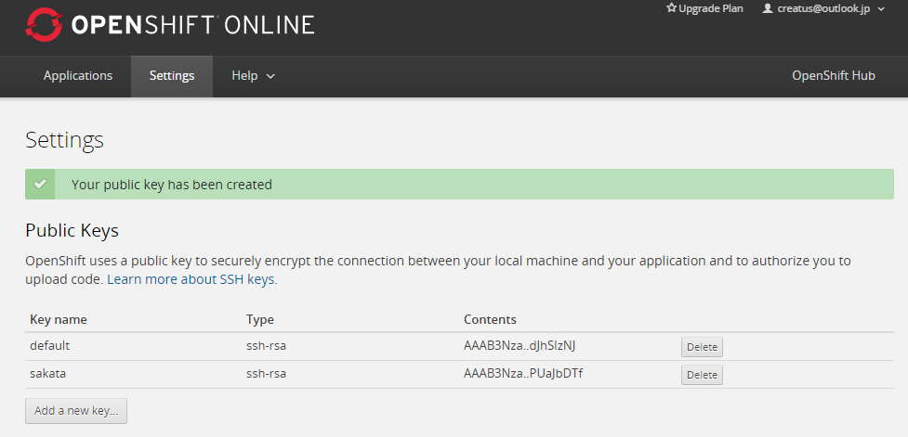

5. | SSH接続の準備

 | ユーザディレクトリの直下に.sshフォルダを作成（コマンドプロンプトのmkdirコマンド）
 | SSH鍵作成で生成されたid_rsaを.ssh配下にコピー
 | .ssh配下にconfigファイルを作成
 |  | Host nodejs
 |  | HostName nodejs-creatus.rhcloud.com
 |  | Port 22
 |  | User 56cdce2d2d52710bd500020b
 |  | IdentityFile ~/.ssh/id_rsa

6. | git cloneの実行
 | User@User-PC MINGW64 /C/Users/User/Documents/openshift
 | $ git clone ssh://56cdce2d2d52710bd500020b@nodejs-creatus.rhcloud.com/~/git/nodejs.git/
 | Cloning into 'nodejs'...
 | The authenticity of host 'nodejs-creatus.rhcloud.com (54.209.175.8)' can't be established.
 | RSA key fingerprint is SHA256:FeJCkIUL7D41FMGNtM5NYM4XoboxZGYEqH0WcAmOX+I.
 | Are you sure you want to continue connecting (yes/no)? yes
 | Warning: Permanently added 'nodejs-creatus.rhcloud.com,54.209.175.8' (RSA) to the list of known hosts.
 | Enter passphrase for key '/c/Users/User/.ssh/id_rsa':
 | remote: Counting objects: 24, done.
 | remote: Compressing objects: 100% (18/18), done.
 | remote: Total 24 (delta 1), reused 24 (delta 1)
 | Receiving objects: 100% (24/24), 20.45 KiB | 0 bytes/s, done.
 | Resolving deltas: 100% (1/1), done.
 | Checking connectivity... done.
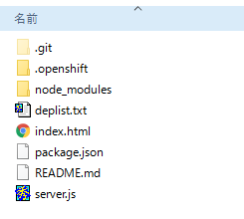
 |  |  |  | ファイルがチェックアウトされた。

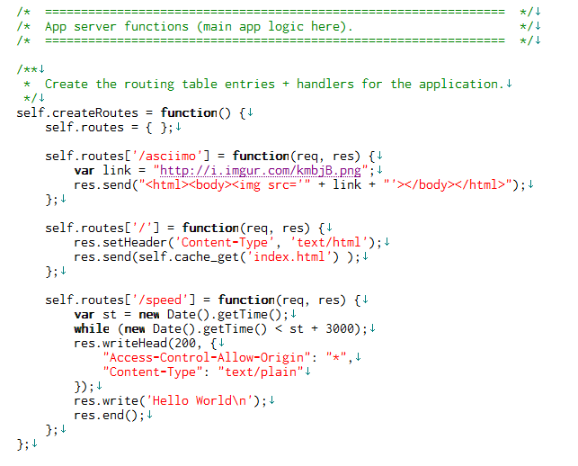
7. | server.jsを修正

8. | server.jsをpush
 | $ git add server.js
 | $ git commit -a -m "nodejsテスト"
 | $ git push

9. | speed.jsの修正
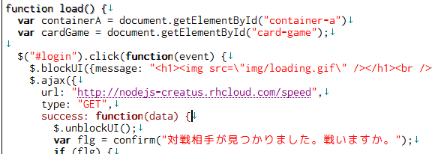

10. |  | 稼働確認

Socket.io導入
1. | nodejsをインストール
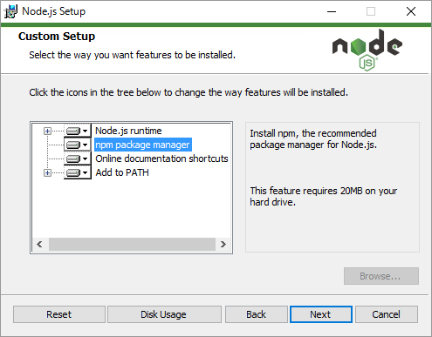

2. | npm initコマンド実行

 | C:\Users\User\Documents\openshift\nodejs>"C:\Program Files\nodejs\npm" init
 | This utility will walk you through creating a package.json file.
 | It only covers the most common items, and tries to guess sensible defaults.

 | See `npm help json` for definitive documentation on these fields
 | and exactly what they do.

 | Use `npm install <pkg> --save` afterwards to install a package and
 | save it as a dependency in the package.json file.

 | Press ^C at any time to quit.
 | name: (OpenShift-Sample-App) speed
 | version: (1.0.0)
 | license: (ISC)
 | About to write to C:\Users\User\Documents\openshift\nodejs\package.json:

 | {
 | "name": "speed",
 | "version": "1.0.0",
 | "description": "OpenShift Sample Application",
 | "keywords": [
 | "OpenShift",
 | "Node.js",
 | "application",
 | "openshift"
 | ],
 | "author": "OpenShift <ramr@example.org> (http://www.openshift.com/)",
 | "homepage": "http://www.openshift.com/",
 | "repository": {
 | "type": "git",
 | "url": "git+https://github.com/openshift/origin-server.git"
 | },
 | "engines": {
 | "node": ">= 0.6.0",
 | "npm": ">= 1.0.0"
 | },
 | "dependencies": {
 | "express": "~3.4.4"
 | },
 | "devDependencies": {},
 | "bundleDependencies": [],
 | "private": true,
 | "main": "server.js",
 | "scripts": {
 | "start": "node server.js"
 | },
 | "bugs": {
 | "url": "https://github.com/openshift/origin-server/issues"
 | },
 | "license": "ISC"
 | }

 | Is this ok? (yes)

 | C:\Users\User\Documents\openshift\nodejs>

3. | Socket.ioのインストール

 | C:\Users\User\Documents\openshift\nodejs>"C:\Program Files\nodejs\npm" install socket.io --save
 | socket.io@1.4.5 node_modules\socket.io
 | ├── has-binary@0.1.7 (isarray@0.0.1)
 | ├── debug@2.2.0 (ms@0.7.1)
 | ├── socket.io-parser@2.2.6 (isarray@0.0.1, json3@3.3.2, component-emitter@1.1.2, benchmark@1.0.0)
 | ├── socket.io-adapter@0.4.0 (socket.io-parser@2.2.2)
 | ├── engine.io@1.6.8 (base64id@0.1.0, ws@1.0.1, accepts@1.1.4, engine.io-parser@1.2.4)
 | └── socket.io-client@1.4.5 (to-array@0.1.4, indexof@0.0.1, object-component@0.0.3, component-emitter@1.2.0, component-bind@1.0.0, backo2@1.0.2, parseuri@0.0.4, engine.io-client@1.6.8)

 | C:\Users\User\Documents\openshift\nodejs>

4. | Expressもインストール

 | C:\Users\User\Documents\openshift\nodejs>"C:\Program Files\nodejs\npm" install express --save
 | express@3.4.8 node_modules\express
 | ├── methods@0.1.0
 | ├── debug@0.8.1
 | ├── cookie-signature@1.0.1
 | ├── range-parser@0.0.4
 | ├── merge-descriptors@0.0.1
 | ├── fresh@0.2.0
 | ├── buffer-crc32@0.2.1
 | ├── cookie@0.1.0
 | ├── mkdirp@0.3.5
 | ├── send@0.1.4 (mime@1.2.11)
 | ├── commander@1.3.2 (keypress@0.1.0)
 | └── connect@2.12.0 (uid2@0.0.3, qs@0.6.6, pause@0.0.1, bytes@0.2.1, raw-body@1.1.2, batch@0.5.0, negotiator@0.3.0, multiparty@2.2.0)

5. | server.jsの修正

 | 宣言に追加
 | var io = require('socket.io')();

 | expressで生成したserverを、Socket.ioにアタッチする
 | var server =
 | self.app.listen(self.port, self.ipaddress, function() {
 |  | console.log('%s: Node server started on %s:%d ...',
 |  |  | Date(Date.now() ), self.ipaddress, self.port);
 | });

 | io.attach(server);

 | socket.ioのロジックを追加 |  |  | ※サンプルお絵かきアプリで試す
 | io.on('connection', function(socket) {
 |  | console.log("connection");

 |  | socket.on('draw', function(data) {
 |  |  | console.log(data);
 |  |  | io.emit('broadcast', data);
 |  | });

 |  | socket.on('disconnect', function() {
 |  |  | console.log("disconnect");
 |  | });
 | });

上記ファイルをgit push

6. | クライアントサイドの修正

 | JSファイルの宣言
 | <script src="http://nodejs-creatus.rhcloud.com/socket.io/socket.io.js"></script>

 | Socket.io接続先の設定
 | var socket = io.connect("http://nodejs-creatus.rhcloud.com/");

