Table 1
1
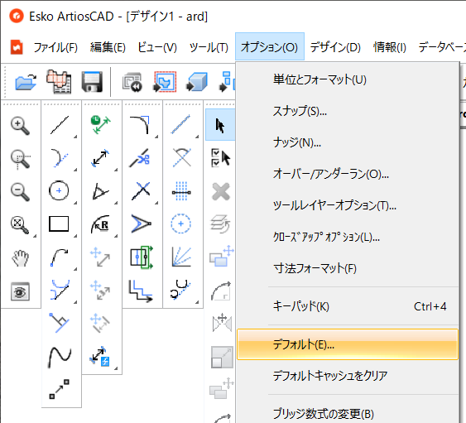
2
3
About the Plot Style Catalog
Setting up a Plot Style CatalogArtiosCAD plot style catalog totype of output ( Plot / Sample / CAM) Set Output Type: PlotSelectOptions menu - Defaults Defaults window opens.
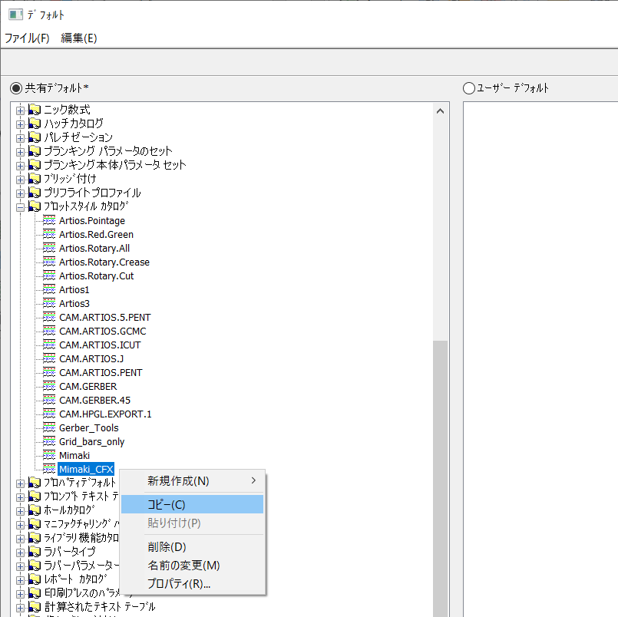 Plot Style Catalog"in" Shared Defaults" Click[+] left of the folder Check the contents offolderCopy the plot style catalog you wish to editRefer to "Managing Defaults" onp. 1-3copyBe sure to copy the plot style catalogCFX us When namingcopied file, use one-byte alphanumeric characters
4
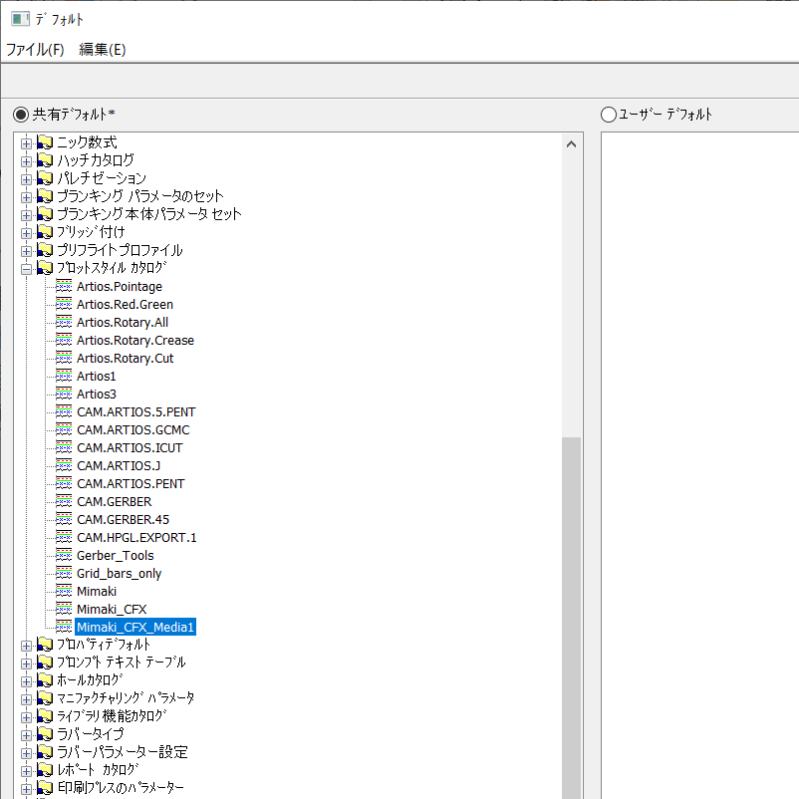
 | Double-click on the Plot Style Catalog you wish to edit.Make sureDesign tabselected.
1-12
About the Plot Style Catalog
5
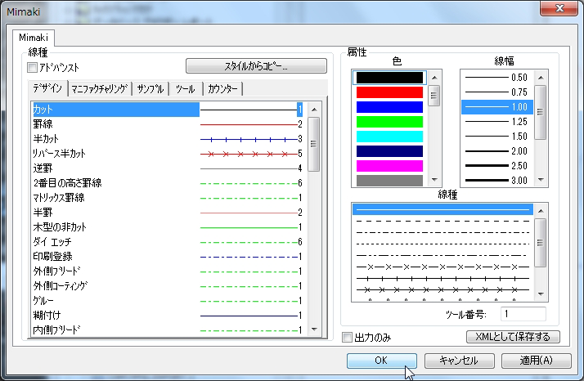 Make settings for each line type and clickdetails about line type settings, see"About the[ Plot Style Catalog ] Window"P.1-11If you click instead of , the settings you made will be invalid
 | output preview, each line type is displayed with the line attributes (line color, line width, and line type) that you set. However, all lines will be output as straight lines in the actual output.output with the tool number line line typestool number 0 not be output
6
 |  | 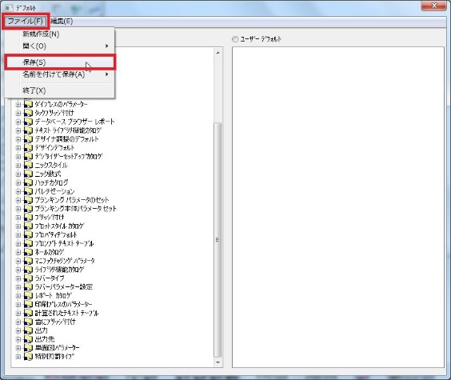
Click[ File ] menu - [ Save ] The shared defaults are saved.

1-13

