其他常见问题1
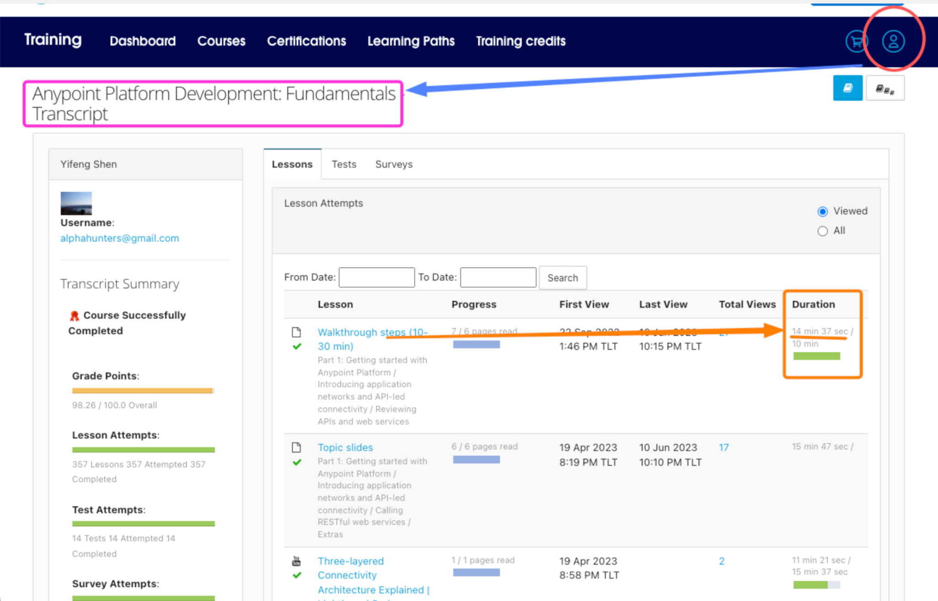
1
如何查看指导已经计时多久了？(文字部分的指导等了很久一直没有打勾)

其他常见问题2
Anypoint Studio 工具增加内存
Open the Anypoint Studio installation directory and navigate to the "AnypointStudio.ini" file.
Open the "AnypointStudio.ini" file in a text editor.
Find the line that begins with "-Xmx" and specifies the maximum memory allocation pool for the JVM. This line is usually located towards the end of the file.
Increase the value after "-Xmx" to allocate more memory to Anypoint Studio. For example, to allocate 4GB of memory to Anypoint Studio, change "-Xmx1024m" to "-Xmx4096m".
Save the "AnypointStudio.ini" file and close the text editor.
Restart Anypoint Studio for the changes to take effect.

单独的一个Mule应用程序增加内存
Studio Menu -> Run -> Run Configurations... -> Select the Mule Application

-Xms5048m
-Xmx5048m
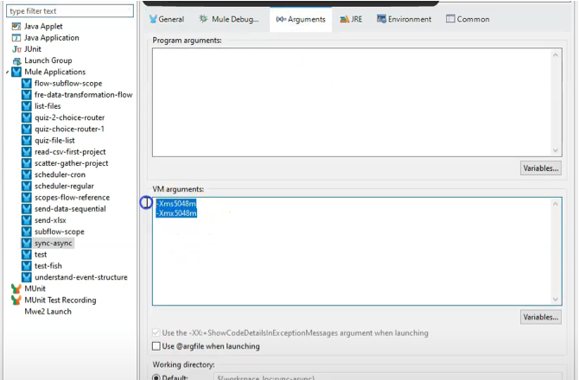

ref
https://help.mulesoft.com/s/article/How-to-change-JVM-heap-size-for-on-premise-Mule-standalone-runtime

