Sheet1
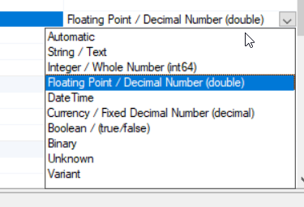
String | Integer | Floating Point | DateTime | Currency | Boolean
Test | 42 | 42.42 | 2020-01-01 | 42.42 kr. | FALSE
Test2 | 0 | 0 | 2020-12-31 | 0.00 kr. | TRUE
Test3 |  |  | 2020-12-31 |  | TRUE

