fig_53_makespan_summary
llm | avg_delta_ticks | n_valid_scenarios | n_na_scenarios | bar_color | interpretation
gemini-2.0-flash | -12.8 | 8 | 0 | GREEN | Override faster (better)
claude-haiku | -9.2 | 8 | 0 | GREEN | Override faster (better)
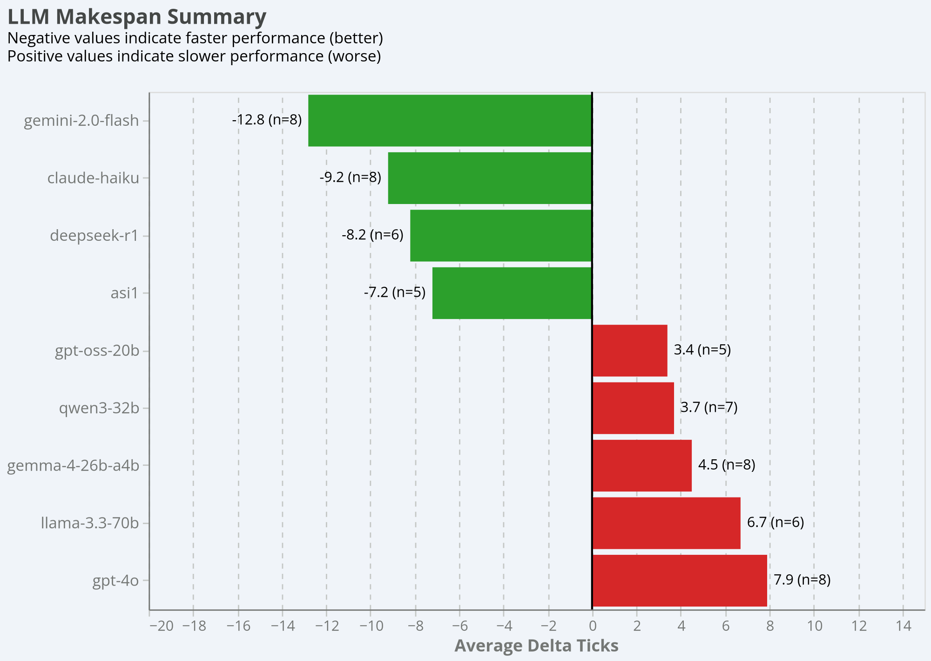
deepseek-r1 | -8.2 | 6 | 1 | GREEN | Override faster (better)
asi1 | -7.2 | 5 | 3 | GREEN | Override faster (better)
gpt-oss-20b | 3.4 | 5 | 3 | RED | Override slower (worse)
qwen3-32b | 3.7 | 7 | 1 | RED | Override slower (worse)
gemma-4-26b-a4b | 4.5 | 8 | 0 | RED | Override slower (worse)
llama-3.3-70b | 6.7 | 6 | 2 | RED | Override slower (worse)
gpt-4o | 7.9 | 8 | 0 | RED | Override slower (worse)

