fig_55_token_summary_per_model
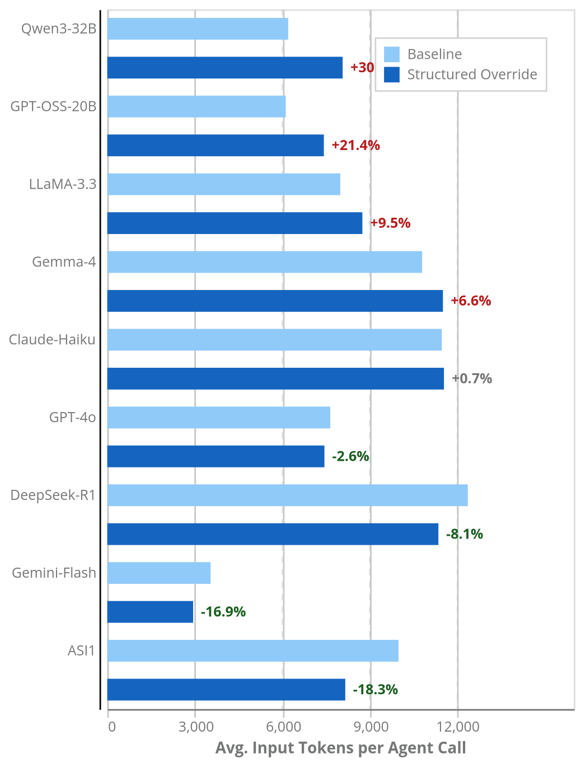
llm | avg_tokens_in_per_call_baseline | avg_tokens_in_per_call_override | delta_tokens_in_per_call | overhead_pct | avg_tokens_total_per_call_baseline | avg_tokens_total_per_call_override
asi1 | 9989.8 | 8163.5 | -1826.3 | -18.3 | 10268.1 | 8503.2
claude-haiku | 11473.4 | 11548.9 | 75.5 | 0.7 | 11760.4 | 11830.9
deepseek-r1 | 12365.6 | 11358.1 | -1007.5 | -8.1 | 13739.1 | 12927.9
gemini-2.0-flash | 3543.5 | 2944.2 | -599.3 | -16.9 | 3658.1 | 3080.7
gemma-4-26b-a4b | 10799.9 | 11513.8 | 713.9 | 6.6 | 10952.5 | 11678.5
gpt-4o | 7648.9 | 7448.2 | -200.7 | -2.6 | 7869.1 | 7631.3
gpt-oss-20b | 6121.1 | 7429.3 | 1308.2 | 21.4 | 7557.1 | 8730.5
llama-3.3-70b | 7992.4 | 8750.4 | 758 | 9.5 | 8139.9 | 8918.5
qwen3-32b | 6205.9 | 8073.7 | 1867.8 | 30.1 | 9596.4 | 10959.2

