fig_56_robot_stuck_by_robot
robot_id | condition | avg_stuck_rate | n_observations
1 | baseline | 0.0925 | 72
1 | structured_override | 0.1508 | 71
2 | baseline | 0.1619 | 72
2 | structured_override | 0.1103 | 71
3 | baseline | 0.0721 | 63
3 | structured_override | 0.085 | 62
4 | baseline | 0.0428 | 36
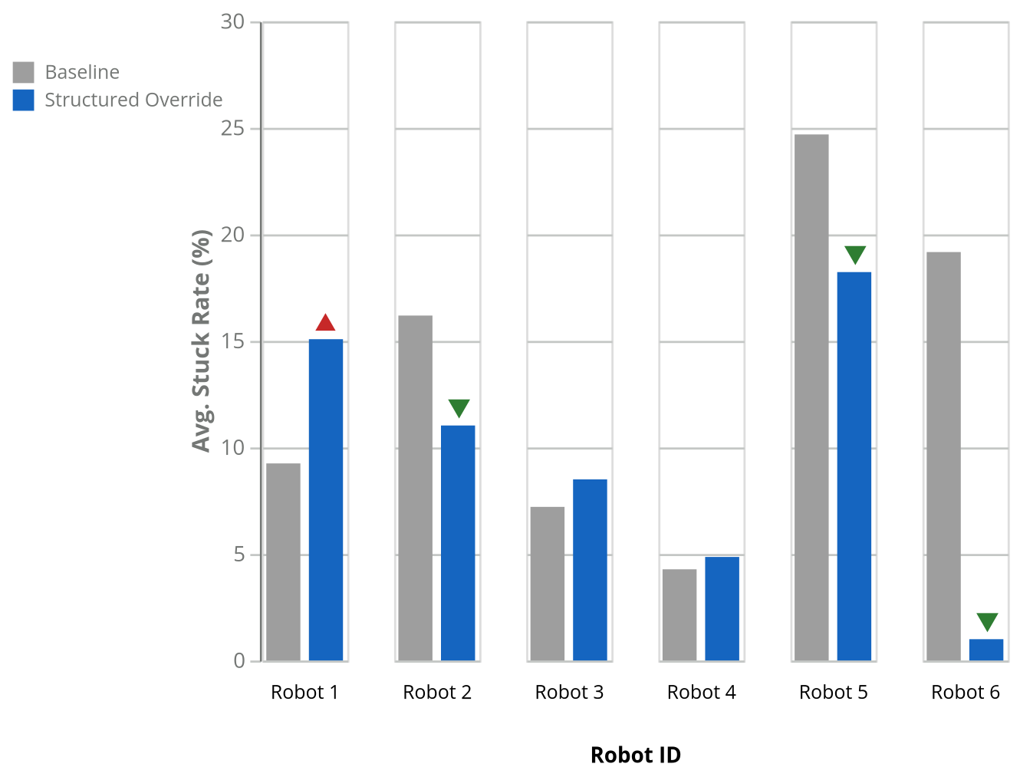
4 | structured_override | 0.0486 | 35
5 | baseline | 0.2469 | 36
5 | structured_override | 0.1823 | 35
6 | baseline | 0.1917 | 18
6 | structured_override | 0.01 | 17

