Figure X
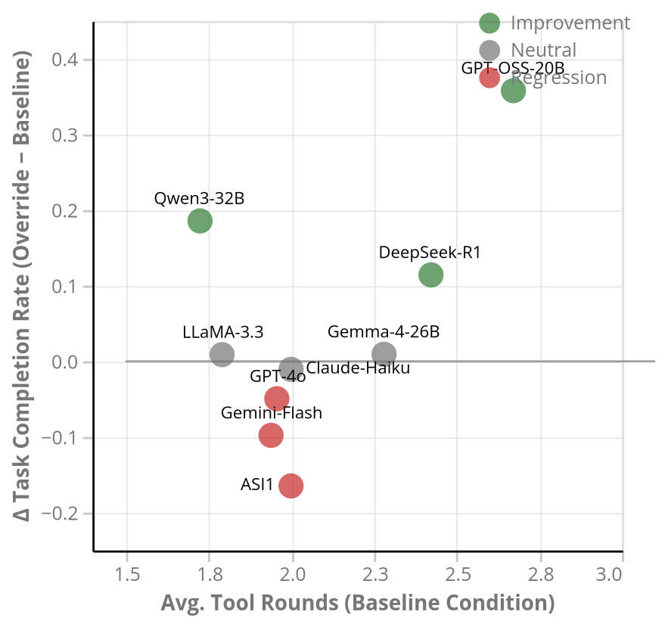
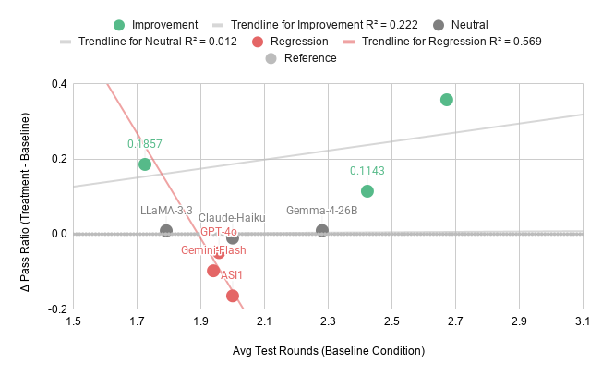

Fig. X: Baseline tool-call proficiency vs. response to Structured Override. Models issuing more tool calls in baseline tend to benefit more from injected context. Qwen3-32B is a notable exception — high gain despite lower baseline tool rounds.

