Sheet1
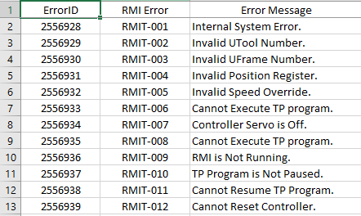
ErrorID | RMI Error | Error Message | Note
2556928
2556929 | RMIT-001 | Internal System Error.
2556930 | RMIT-002 | Invalid UTool Number.
2556931 | RMIT-003 | Invalid UFrame Number.
2556932 | RMIT-004 | Invalid Position Register. | The position register number is not valid
2556933 | RMIT-005 | Invalid Speed Override.
2556934 | RMIT-006 | Cannot Execute TP program.
2556935 | RMIT-007 | Controller Servo is Off.
2556936 | RMIT-008 | Cannot Execute TP program. | Robot Controller cannot start Teach Pendant program execution in AUTO mode
2556937 | RMIT-009 | RMI is Not Running. | Please use FRC_Initialize to start RMI Motion Interface again
2556938 | RMIT-010 | TP Program is Not Paused. | The RMI TP progam cannot be paused.
2556939 | RMIT-011 | Cannot Resume TP Program.
2556940 | RMIT-012 | Cannot Reset Controller.
2556941 | RMIT-013 | Invalid RMI Command. | Check RMI manual to make sure correct RMI command is sent to robot controller.
2556942 | RMIT-014 | RMI Command Fail. | The RMI command has no effect on the robot controller due to current robot controller status.
2556943 | RMIT-015 | Invalid Controller State. | The controller is in error state when receiving the RMI command.
2556944 | RMIT-016 | Please Cycle Power.
2556945 | RMIT-017 | Invalid Payload Schedule.
2556946 | RMIT-018 | Invalid Motion Option.
2556947 | RMIT-019 | Invalid Vision Register.
2556948 | RMIT-020 | Invalid RMI Instruction. | An invalid TP instruction is received by the controller.
2556949 | RMIT-021 | Invalid Value. | The input value is out of acceptable range.
2556950 | RMIT-022 | Invalid Text String | The controller cannot parse the input text string.
2556951 | RMIT-023 | Invalid Position Data
2556952 | RMIT-024 | RMI is In HOLD State | RMI is in HOLD state due to error in previous instruction packet.
2556953 | RMIT-025 | Remote Device Disconnected. | Remote device is not connected to the controller.
2556954 | RMIT-026 | Robot is Already Connected.
2556955 | RMIT-027 | Wait for Command Done.
2556956 | RMIT-028 | Wait for Instruction Done.
2556957 | RMIT-029 | Invalid sequence ID number.
2556958 | RMIT-030 | Invalid Speed Type.
2556959 | RMIT-031 | Invalid Speed Value.
2556960 | RMIT-032 | Invalid Term Type.
2556961 | RMIT-033 | Invalid Term Value.
2556962 | RMIT-034 | Invalid LCB Port Type.
2556963 | RMIT-035 | Invalid ACC Value.
2556964 | RMIT-036 | Invalid Destination Position
2556965 | RMIT-037 | Invalid VIA Position.
2556966 | RMIT-038 | Invalid Port Number.

