Cover
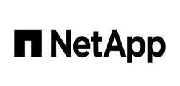
Active IQ Capacity and Efficiency

Report for: Customer - Schuberg Philis BV

Monday, November 13, 2023

Report Name: Capacity and efficiency
Name: ovandenberg
Email: ovandenberg@schubergphilis.com
©2023 NetApp, Inc. All rights reserved. NetApp Confidential – Limited Use

All information in this Active IQ report is considered 'NetApp Highly Confidential.' Please follow appropriate Data Management and Handling procedures (see Appendix B of | )

