Generic Criteria
Generic Criteria |  | Definitions | ROS Entities
Inclusion Criteria | Exclusion Criteria | ** Add, update, delete concerning a ROS-entity (see ROS entity table) | 1. Node/nodelet
1. Data point concerning an architectural entity (SA)** (see definition table) | 1. Data point concerning only about visualizing energy data (e.g., using green leds for battery levels) |  | 2. Topic
2. Data points focussing on architectural solutions (e.g., tactics, patterns, styles, views, models, reference architectures). | 2. Data point reporting only technical specifications or fact sheets of a robot (e.g., fact sheet of a commercial robot) |  | 3. Publishing
3. Data points focussing on energy consumption | 3. Data point related to low-level aspects whose scope is only on the inner details of ROS nodes |  | 4. Subscription
 |  |  | 6. Service call
 |  |  | 7. Action client
 |  |  | 8. Action server

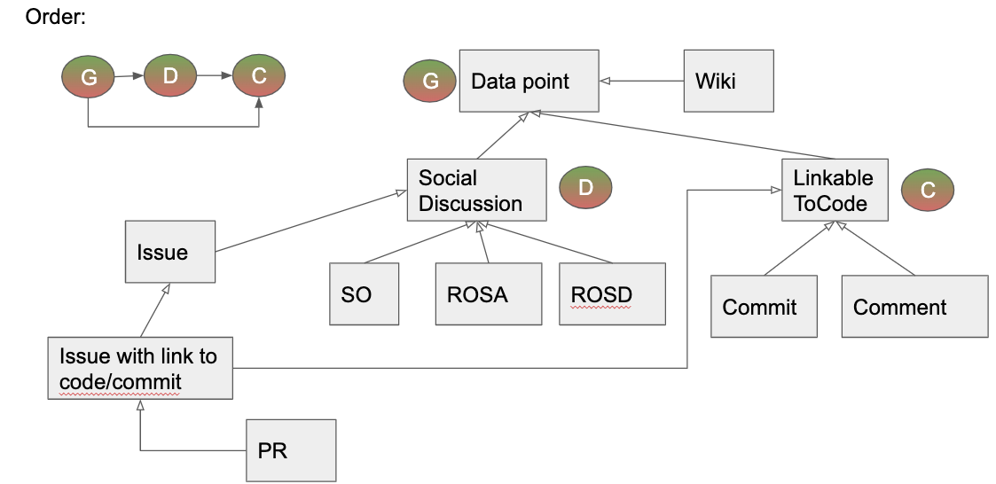
Social Discussion Criteria
Inclusion Criteria | Exclusion Criteria
1. Data point mentioning architecturally-relevant design decisions and rationales | 1. Data point without any relevant discussion (e.g., a question in Stack Overflow without any answers)
 | 2. Data point asking about a (system) energy warning/error (i.e. laptop battery state) but with no relevance to SA
 | 3. Tutorial-like data point (e.g., a Stack Overflow question asking how to install a specific ROS package)

Code Criteria
Inclusion Criteria | Exclusion Criteria
1. Data point containing architecturally-relevant source code (referring at least one architectural element of ROS - see the table in the "Generic criteria" tab) | 1. Reverting or redoing the same source code changes performed in an already-considered data point

