Index
S&P Global Market Intelligence's Monthly GDP Index
2023-06-01

Monthly GDP Index Commentary
Data

Disclaimer These materials have been prepared solely for information purposes based upon information generally available to the public and from sources believed to be reliable. No content (including index data, ratings, credit-related analyses and data, research, model, software or other application or output therefrom) or any part thereof (Content) may be modified, reverse engineered, reproduced or distributed in any form by any means, or stored in a database or retrieval system, without the prior written permission of S&P Global Market Intelligence or its affiliates (collectively S&P Global). The Content shall not be used for any unlawful or unauthorized purposes. S&P Global and any third-party providers (collectively S&P Global Parties) do not guarantee the accuracy, completeness, timeliness or availability of the Content. S&P Global Parties are not responsible for any errors or omissions, regardless of the cause, for the results obtained from the use of the Content. THE CONTENT IS PROVIDED ON “AS IS” BASIS. S&P GLOBAL PARTIES DISCLAIM ANY AND ALL EXPRESS OR IMPLIED WARRANTIES, INCLUDING, BUT NOT LIMITED TO, ANY WARRANTIES OF MERCHANTABILITY OR FITNESS FOR A PARTICULAR PURPOSE OR USE, FREEDOM FROM BUGS, SOFTWARE ERRORS OR DEFECTS, THAT THE CONTENT’S FUNCTIONING WILL BE UNINTERRUPTED OR THAT THE CONTENT WILL OPERATE WITH ANY SOFTWARE OR HARDWARE CONFIGURATION. In no event shall S&P Global Parties be liable to any party for any direct, indirect, incidental, exemplary, compensatory, punitive, special or con-sequential damages, costs, expenses, legal fees, or losses (including, without limitation, lost income or lost profits and opportunity costs or losses caused by negligence) in connection with any use of the Content even if advised of the possibility of such damages.

Commentary
Monthly GDP Index

2023-06-01

 | Monthly NBER Recession/Expansion: Trough Method (+1 or 0) | #REF!
Dec.18 | 0 | 18748.08
Jan.19 | 0 | 18846.48
Feb.19 | 0 | 18821.44
Mar.19 | 0 | 18831.82
Apr.19 | 0 | 18910.83
May.19 | 0 | 18961.23
Jun.19 | 0 | 19075.60
Jul.19 | 0 | 19092.36
Aug.19 | 0 | 19109.72
Sep.19 | 0 | 19135.98
Oct.19 | 0 | 19164.61
Nov.19 | 0 | 19219.90
Dec.19 | 0 | 19222.56
Jan.20 | 0 | 19221.98
Feb.20 | 0 | 19353.71
Mar.20 | 1 | 18280.53
Apr.20 | 1 | 16443.93
May.20 | 0 | 17185.19
Jun.20 | 0 | 18148.04
Jul.20 | 0 | 18334.35
Aug.20 | 0 | 18575.91
Sep.20 | 0 | 18775.40
Oct.20 | 0 | 18932.61
Nov.20 | 0 | 18708.96
Dec.20 | 0 | 18665.17
Jan.21 | 0 | 19111.86
Feb.21 | 0 | 18801.82
Mar.21 | 0 | 19257.15
Apr.21 | 0 | 19346.48
May.21 | 0 | 19355.75
Jun.21 | 0 | 19406.46
Jul.21 | 0 | 19339.20
Aug.21 | 0 | 19524.32
Sep.21 | 0 | 19576.60
Oct.21 | 0 | 19887.31
Nov.21 | 0 | 19778.15
Dec.21 | 0 | 19785.73
Jan.22 | 0 | 19784.29
 | May.22 | Jun.22 | Jul.22 | Aug.22 | Sep.22 | Oct.22 | Nov.22 | Dec.22 | Jan.23 | Feb.23 | Mar.23 | Apr.23
Monthly GDP (SAAR) | 19,916 | 19,910 | 19,902 | 20,197 | 20,071 | 20,127 | 20,227 | 20,201 | 20,301 | 20,248 | 20,245 | 20,324
% change | 0.3 | 0.0 | 0.0 | 1.5 | -0.6 | 0.3 | 0.5 | -0.1 | 0.5 | -0.3 | 0.0 | 0.4
% change, ann. rate | 3.1 | -0.3 | -0.5 | 19.3 | -7.2 | 3.4 | 6.1 | -1.5 | 6.1 | -3.1 | -0.2 | 4.8

Monthly GDP rose 0.4% in April following a flat reading in March that was revised down from a previously estimated 0.3% gain. The increase in April reflected positive contributions from domestic final sales (mostly personal consumption expenditures but also nonresidential fixed investment) and nonfarm inventory investment that were partially offset by a decline in net exports. The level of monthly GDP in April was 1.2% above the first-quarter average at an annual rate. Implicit in our latest forecast of 0.8% annualized GDP growth in the second quarter are modest declines in monthly GDP in May and June.
Contributions to annualized % change |  |  |  |  | Monthly GDP Index: April 2023
 | Feb.23 | Mar.23 | Apr.23
Monthly GDP | -3.1 | -0.2 | 4.8
Final Sales | -0.7 | 4.7 | -2.8
Domestic | 2.0 | 2.1 | 4.5
PCE | -1.5 | -0.2 | 3.9
Nonres Fixed Inv | 0.6 | 1.1 | 1.2
Res Fixed Inv | 1.1 | -0.5 | -0.4
Covered Gov C&GI | 0.6 | 0.1 | 0.2
Not Covered | 1.2 | 1.6 | -0.4
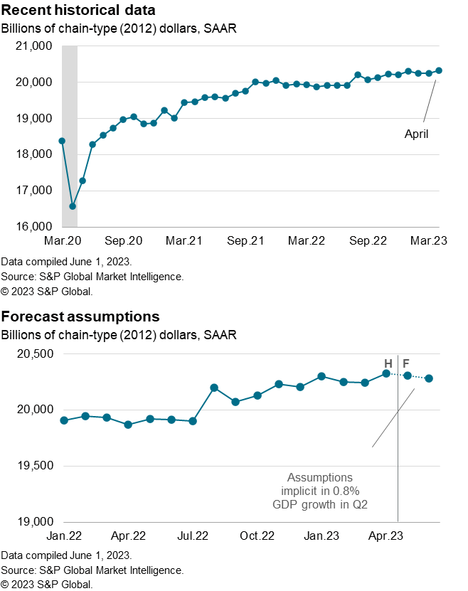
Net Exports | -2.6 | 2.6 | -7.3
Nonfarm CIPI | -2.4 | -4.9 | 7.6

Contributions to annualized % change
 | zeros | Domestic Demand
Oct.22 | 0 | 2.4
Nov.22 | 0 | -3.8
Dec.22 | 0 | -3.1
Jan.23 | 0 | 13.4
Feb.23 | 0 | 2.0
Mar.23 | 0 | 2.1
Apr.23 | 0 | 4.5

 | zeros | Net Exports
Oct.22 | 0 | -4.3
Nov.22 | 0 | 9.4
Dec.22 | 0 | 1.0
Jan.23 | 0 | -2.1
Feb.23 | 0 | -2.6
Mar.23 | 0 | 2.6
Apr.23 | 0 | -7.3

 | zeros | CIPI
Oct.22 | 0 | 5.3
Nov.22 | 0 | 0.4
Dec.22 | 0 | 0.5
Jan.23 | 0 | -5.2
Feb.23 | 0 | -2.4
Mar.23 | 0 | -4.9
Apr.23 | 0 | 7.6

Note: IHS Markit's index of Monthly GDP (MGDP) is a monthly indicator of real aggregate output that is conceptually consistent with real Gross Domestic Product (GDP) in the NIPA’s. The consistency is derived from two sources. First, MGDP is calculated using much of the same underlying monthly source data that is used in the calculation of GDP. Second, the method of aggregation to arrive at MGDP is similar to that for official GDP. Growth of MGDP at the monthly frequency is determined primarily by movements in the underlying monthly source data, and growth of MGDP at the quarterly frequency is nearly identical to growth of real GDP.
Note: S&P Global Market Intelligence's index of Monthly GDP (MGDP) is a monthly indicator of real aggregate output that is conceptually consistent with real Gross Domestic Product (GDP) in the NIPA’s. The consistency is derived from two sources. First, MGDP is calculated using much of the same underlying monthly source data that is used in the calculation of GDP. Second, the method of aggregation to arrive at MGDP is similar to that for official GDP. Growth of MGDP at the monthly frequency is determined primarily by movements in the underlying monthly source data, and growth of MGDP at the quarterly frequency is nearly identical to growth of real GDP.

