Ark1
Oppgåve 1
 | a | a | a | b | a | a | d | a | a | b | a | a | a
 | a | a | b | a | a | a
 |  | a | a | b | a | a | a
 |  |  | a | a | b | a | a | a
 |  |  |  | a | a | b | a | a | a
 |  |  |  |  | a | a | b | a | a | a
 |  |  |  |  |  | a | a | b | a | a | a
 |  |  |  |  |  |  |  | a | a | b | a | a | a

Oppgåve 2a
 | a | a | a | b | a | a | d | a | a | b | a | a | a
 | a | a | b | a | a | a
 |  | a | a | b | a | a | a
 |  |  |  |  |  |  |  | a | a | b | a | a | a

Oppgave 3
 | a | a | a | b | a | a | d | a | a | b | a | a | a
 | a | a | b | a | a | a
 |  | a | a | b | a | a | a
 |  |  |  |  |  |  |  | a | a | b | a | a | a

Oppgave 7
 |  | Total | 33
 |  | o | 7
 |  | space | 7
 |  | d | 2
 |  | p | 2
 |  | g | 1
 |  | n | 1
 |  | h | 1
 |  | r | 1
 |  | c | 1
 |  | t | 5
 |  | s | 4
 |  | c | 1
 |  | a | 1

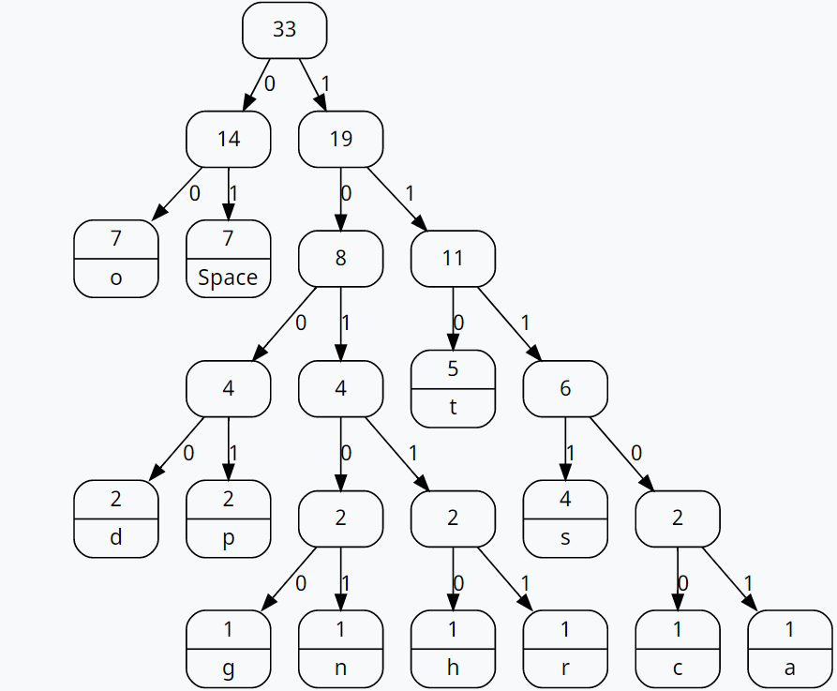

Oppgave 8

 | L | -1 | b | a | b | b | a | b | a | b
 | -1 | 0 | 0 | 0 | 0 | 0 | 0 | 0 | 0 | 0
 | b | 0 | 1 | 1 | 1 | 1 | 1 | 1 | 1 | 1
 | b | 0 | 1 | 1 | 2 | 2 | 2 | 2 | 2 | 2
 | a | 0 | 1 | 2 | 2 | 2 | 3 | 3 | 3 | 3
 | b | 0 | 1 | 2 | 3 | 3 | 3 | 4 | 4 | 4
 | b | 0 | 1 | 2 | 3 | 4 | 4 | 4 | 4 | 5
 | a | 0 | 1 | 2 | 3 | 4 | 5 | 5 | 5 | 5
 | a | 0 | 1 | 2 | 3 | 4 | 5 | 5 | 6 | 6
 | a | 0 | 1 | 2 | 3 | 4 | 5 | 5 | 6 | 6
 | b | 0 | 1 | 2 | 3 | 4 | 5 | 6 | 6 | 7

