Input
Input
 | Customer
 | Company: | Encavis | Contract Person: | Haron Hassani | m
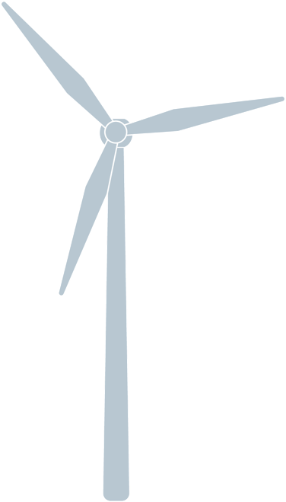
 | Street & number: | Hauptstraße 1 | Language: | Englisch
 | Postal Code, City: | 12345 Musterstadt | Phone number:
 | Country: | Germany | Email:

 | Windfarm
 | Name: | Gussenstadt | Hub height [m]: | 60 m
 | Country: | Germany | Rated power [kW] | 2000 kW
 | Amount of WTG: | 24 WTG | Commissioning date: | 2013-04-09
 | WTG manufacturer: | Siemens | Distance service station [km]: | 100 km
 | WTG type: | AN Bonus 2000 | Annual energy yield per WTG [kWh] | 5,000
 | Region: |  | Availability Gurantee | excluded | farm

 | Contract + Options
 | Contract model: | Basic | Gear box endoscopy | excluded
 | Commencement date: | 2019-01-01 | Recurring inspection of WTG & tower | excluded
 | Duration [years]: | 5 Years | Electrical equipment inspection DIN IEC 60364/ DGUV V3 | excluded
 | 24/7 Control | included | Service lift maintenance | excluded
 | Gear box oil exchange | excluded | AIA / ZÜS pressure equipment | excluded
 | Hydraulic oil exchange | excluded | Lattice Tower Inspection | excluded
 | Service lift inspection by certified body (ZÜS Service lift) | excluded | Waste disposal | 500.00 €
 | Statutory inspections & maintenance of safety equipment | excluded | SCADA Maintenance | 200.00 €
 | Rotor blade inspection | excluded | Condition Monitoring | 100.00 €
 | Damages caused by natural forces | excluded | Free(per WTG/year): | 0.00 €
 | Foundation inspection | excluded | Free (WF/contract duration): | 0.00 €
 | Calculation
 | Tool version: | 1.1.4 | Email: | a.deltiempo-pina@deutsche-windtechnik.com
 | Preparation date: | 2018-11-30 | Phone.: | +34 976 216 038
 | Author: | Alfredo Del Tiempo Pina | Company: | Service

 | Remarks
 | 1)
 | 2)
 | 3)

 | Verfied by:

