Sheet3


Standard Deviation |  |  |  |  |  |  |  |  |  |  |  |  |  | Now we calculate each student's difference from the Mean |  |  |  |  |  |  |  | Variance |  |  |  |  | This example is for population |  |  |  |  | The "Population Standard Deviation" |  | The "Sample Standard Deviation" | Students | Heights
 |  | Its symbol is σ (the greek letter sigma) |  |  | Students | Heights |  | Mean | 182 | 161 | 152 | 137 | 121 |  |  |  |  | Students | Heights | Take each difference | Square it | σ2 | = | (31)2 + (10)2 +(1)2 +(-14)2 +(-30)2 |  |  |  |  |  |  |  |  |  |  | Vikas | 182
 |  |  |  |  | Vikas | 182 |  |  | 5 |  |  |  |  | To calculate the Variance, take each difference, square it, and then average the result |  |  |  | Vikas | 182 | 31 | 985.96 |  |  | 5 |  |  | But if the data is a sample (a selection taken from a bigger population) |  |  |  |  |  |  |  | Ashwini | 161
The heights (at the shoulders) are: 182cm, 161cm, 152cm, 137cm and 121cm |  |  |  |  | Ashwini | 161 |  |  |  |  |  |  |  |  |  |  |  | Ashwini | 161 | 10 | 108.16 |  |  |  |  |  | Then the calculation changes |  |  |  |  |  |  |  | Kalpesh | 152
 |  |  |  |  | Kalpesh | 152 |  | Mean | 182+161+152+137+121 |  |  |  |  |  |  |  |  | Kalpesh | 152 | 1 | 1.96 |  | = | 985.96+108.16+1.96+184.96+876.16 |  |  |  |  |  |  |  |  |  |  | Snehal | 137
 |  |  |  |  | Snehal | 137 |  |  | 5 |  |  |  |  | Students | Heights | Take each difference |  | Snehal | 137 | -14 | 184.96 |  |  | 5 |  |  | When you have "N" data values that are: |  |  |  |  |  |  |  | Kumar | 121
31
10
 |  |  |  |  | Kumar | 121 |  |  |  |  |  |  |  | Vikas | 182 | 31 | 200 | Kumar | 121 | -30 | 876.16
1
 |  |  |  |  | Averge | 150.60 |  | Mean | 753 | = | 150.6 |  |  | Ashwini | 161 | 10 |  |  |  |  |  |  | = | 2157.2 | = | 431.44 | . | The population: divide by N when calculating variance (like we did) |  |  |  |  |  |  | STDEV.P | 20.771133816
-14
200 |  |  |  |  | STDEV.P | 20.771133816 |  |  | 5 |  |  |  |  | Kalpesh | 152 | 1 | 150 | Mean | 151 |  | 2157.2 |  |  | 5 |  |  | . | A sample : divide by N-1 when calculating variance |  |  | Where |  |  |  | STDEV.S | 23.222833591
Vikas
 |  |  |  |  | STDEV.S | 23.222833591 |  |  |  |  |  |  |  | Snehal | 137 | -14 |  |  |  |  |  |  |  |  |  |  |  |  |  |  | xi are individual values in the set of data |  |  |  | STDEVA | 23.222833591
Ashwini
-30
 |  |  |  |  | STDEVA | 23.222833591 |  | so the mean (average) height is 151 cm. Let's plot this on the chart: |  |  |  |  |  | Kumar | 121 | -30 | 100 |  |  |  |  |  |  | So the variance is 431.44 |  |  | If our 5 student are just a sample of bigger population of student, |  |  |  | x is the mean of all x values |  |  |  | STDEVPA | 20.771133816
Snehal
 |  |  |  |  | STDEVPA | 20.771133816 |  |  |  |  |  |  |  |  |  |  |  |  |  |  |  |  |  |  |  |  | We divide by 4 instead of 5 like this |  |  |  | n is the total number of x values in the data set |  |  |  | STDEV | 23.222833591
150 |  |  |  |  | STDEV | 23.222833591 |  |  |  |  |  |  |  | Mean | 151 |  | 0 |  |  |  |  |  |  | Standard Deviation is just square root of variance, so: |  |  |  |  |  |  |  |  |  |  | STDEVP | 20.771133816
Kumar
 |  |  |  |  | STDEVP | 20.771133816 |  |  |  |  |  |  |  |  |  |  |  |  |  |  |  |  |  |  |  |  | Sample Variance |  | 2157.2 / 4 = 539.3
 |  |  |  |  |  |  |  |  |  |  |  |  |  |  |  |  |  |  |  |  |  |  |  | σ | √431.44
Kalpesh
 |  |  |  |  |  |  |  |  |  |  |  |  |  |  |  |  |  |  |  |  |  |  |  |  |  |  | Sample Standard Deviation |  |  | √539.3
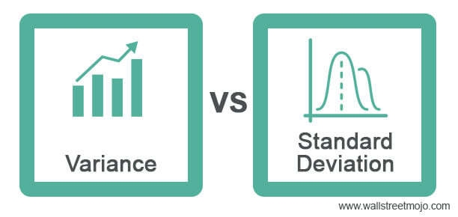
100 |  |  |  |  |  |  |  |  |  |  |  |  |  |  |  |  |  |  |  |  |  |  |  | STD | 20.77
 |  |  |  |  |  |  |  |  |  |  |  |  |  |  |  |  |  |  |  |  |  |  | And the good thing about the standard deviation is that it is useful |  |  |  |  |  |  | 23.222833591
 |  |  |  |  |  |  |  |  |  |  |  |  |  |  |  |  |  |  |  |  |  |  | Now we can show which heights are within one standard deviation of the mean |  |  |  |  |  |  |  |  |  | Looks complicated, but the important change is to
0 |  |  |  |  |  |  |  |  |  |  |  |  |  |  |  |  |  |  |  |  |  |  | 20.77 mm |  |  |  |  |  |  |  |  |  | divide by N-1 (instead of N) when calculating a Sample Variance.

 |  |  |  |  |  |  |  |  |  |  |  |  |  |  |  |  |  |  |  |  |  |  | So, using the standard deviation we have a "standard" way of knowing |  |  |  | Population Variance |  | 2157.2/5 | 431.44
 |  |  |  |  |  |  |  |  |  |  |  |  |  |  |  |  |  |  |  |  |  |  | what is normal, and what is extra large or extra small
 |  |  |  |  |  |  |  |  |  |  |  |  |  |  |  |  |  |  |  |  |  |  |  |  |  |  |  |  |  | 20.77

the mean is the average of the range of given data values, a variance is used to measure how far the data values are dispersed from the mean, and the standard deviation is the used to calculate the amount of dispersion of the given data set values

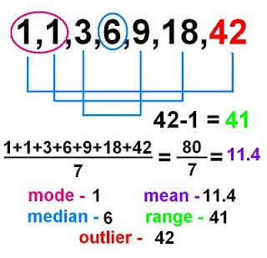

 |  |  |  |  | 10 | 20 | 30 | 40

 |  |  |  |  |  | 25

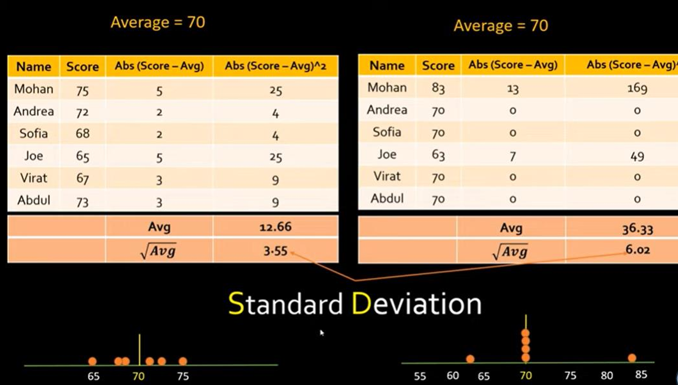
Students | Heights
Vikas | 182
Ashwini | 161
Kalpesh | 152
Snehal | 161
Kumar | 121

Mean | 155.4
Mode | 161
Median | 161
Variance Sample | 491.3
Variance Population | 393.04
Std Deviation Sample | 22.17
Std Deviation Population | 19.83

To find the High value, the formula is Q3+(1.5*IQR). Similarly, for Low value, the formula is Q1-(1.5*IQR)
Outlier


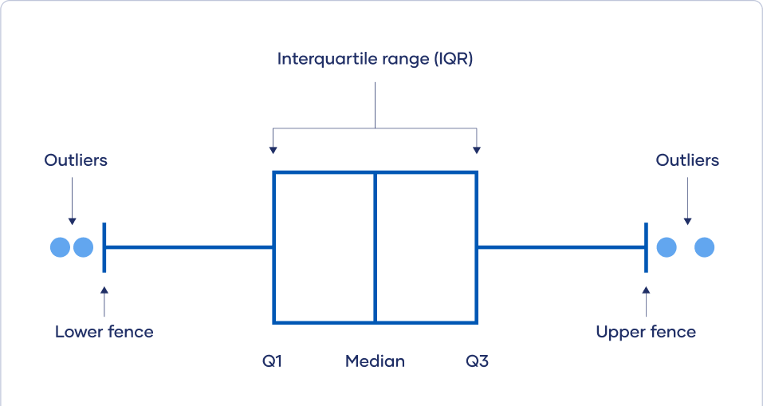
Data | Outlier
0 | TRUE
99 | FALSE
105 | FALSE
110 | FALSE
-200 | TRUE
130 | FALSE
500 | TRUE
170 | FALSE
200 | FALSE
86 | FALSE
91 | FALSE
76 | FALSE

Outlier
Q1 | 83.5 |  | High | 500
Q2 | 102 |  | Min | -200
Q3 | 140
IQR | 56.5
High | 224.75
Low | 55.25

Skewness of a distribution of the data set

Skewness
 | 3
 | 4
 | 5
 | 2
 | 3
 | 4
 | 5
 | 6
 | 4
 | 7

Skew | 0.35954307141

Kurtosis
Returns the kurtosis of a data set. Kurtosis characterizes the relative peakedness or flatness of a distribution compared with the normal distribution. Positive kurtosis indicates a relatively peaked distribution. Negative kurtosis indicates a relatively flat distribution.

 | Data
 | 3
 | 4
 | 5
 | 2
 | 3
 | 4
 | 5
 | 6
 | 4
 | 7
Kurtosis | -0.15179963721

