Sheet1
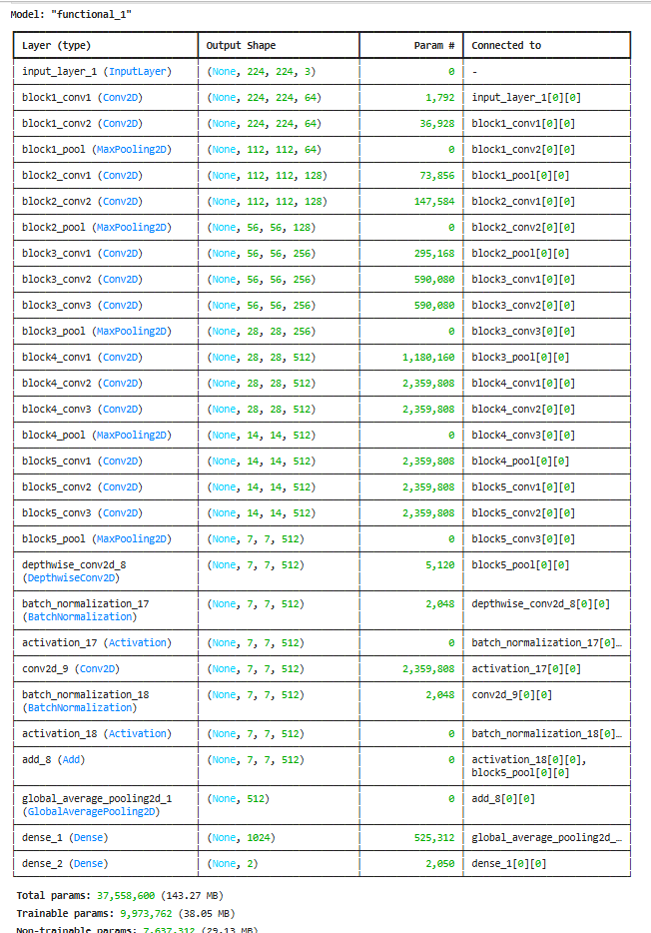
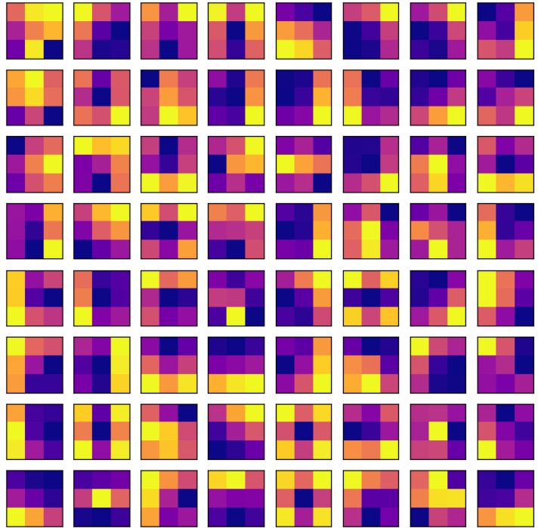

 |  | Weights of the convolutional layer

 | Training data samples: 10059
 | Validation data samples: 1117
 | Test data samples: 1242 |  |  |  | VGG19
 |  |  | rest 0 | 938 | 37
 |  |  | task 1 | 202 | 65
 |  |  |  | 0 | 1
Functional
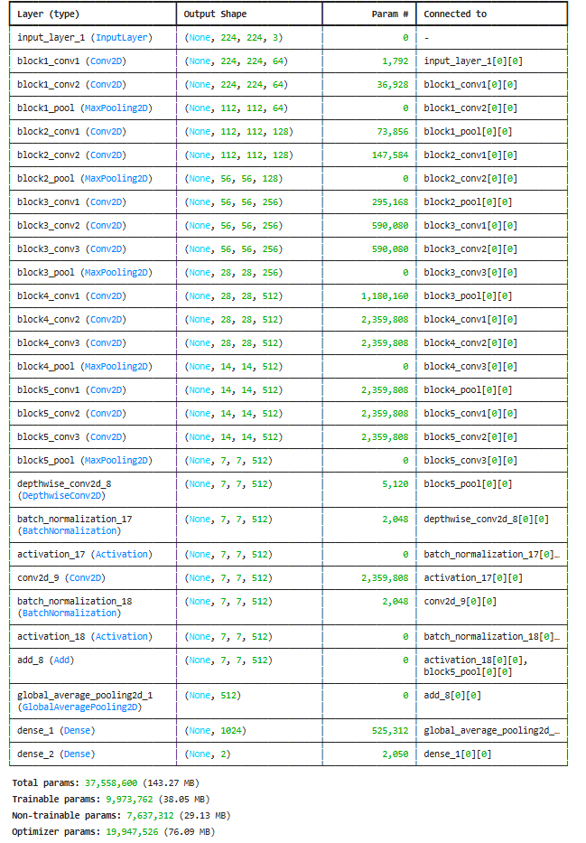
 |  |  |  | ConvMixer
 |  |  | 0 | 944 | 31
 |  |  | 1 | 36 | 231
 |  |  |  | 0 | 1

 |  |  |  | Vgg19+ConvMixer
 |  |  | 0 | 961 | 14
 |  |  | 1 | 20 | 247
 |  |  |  | 0 | 1

visualization
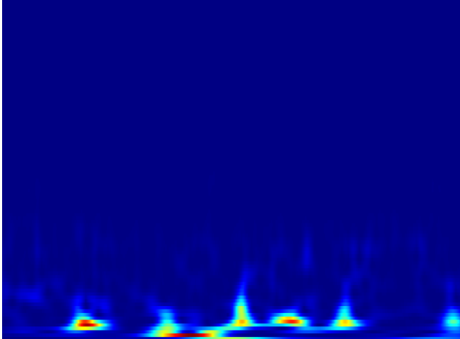
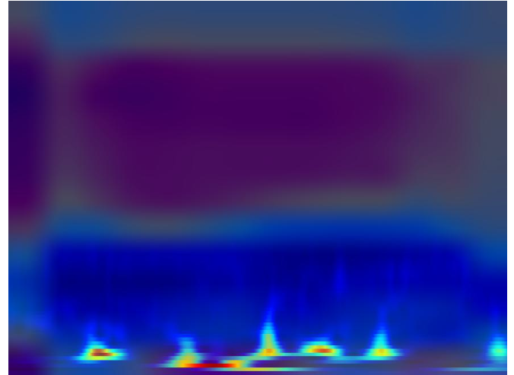
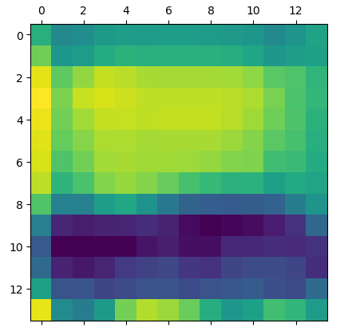

 | GCAM

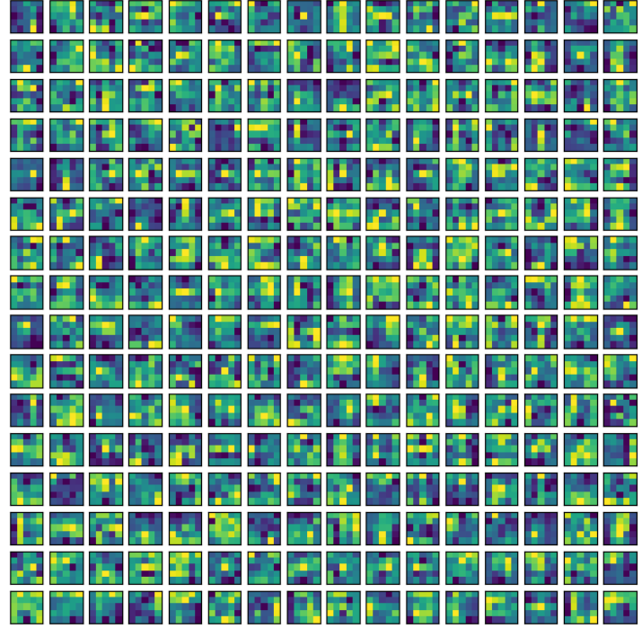

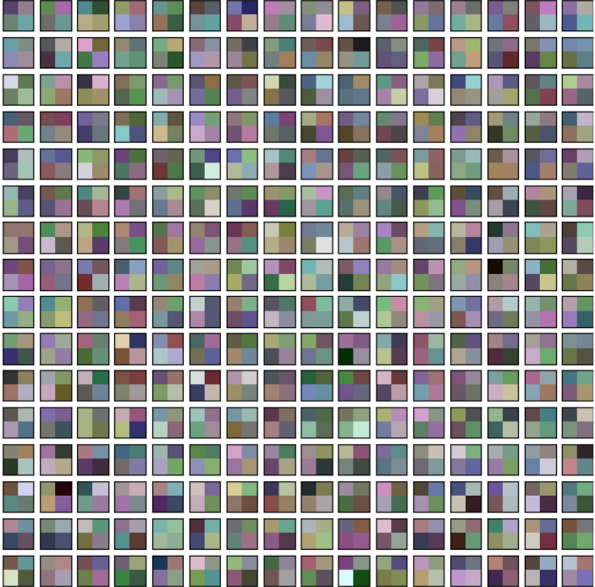

Kernal weights

 |  | Patches

