CycloneDXSample1
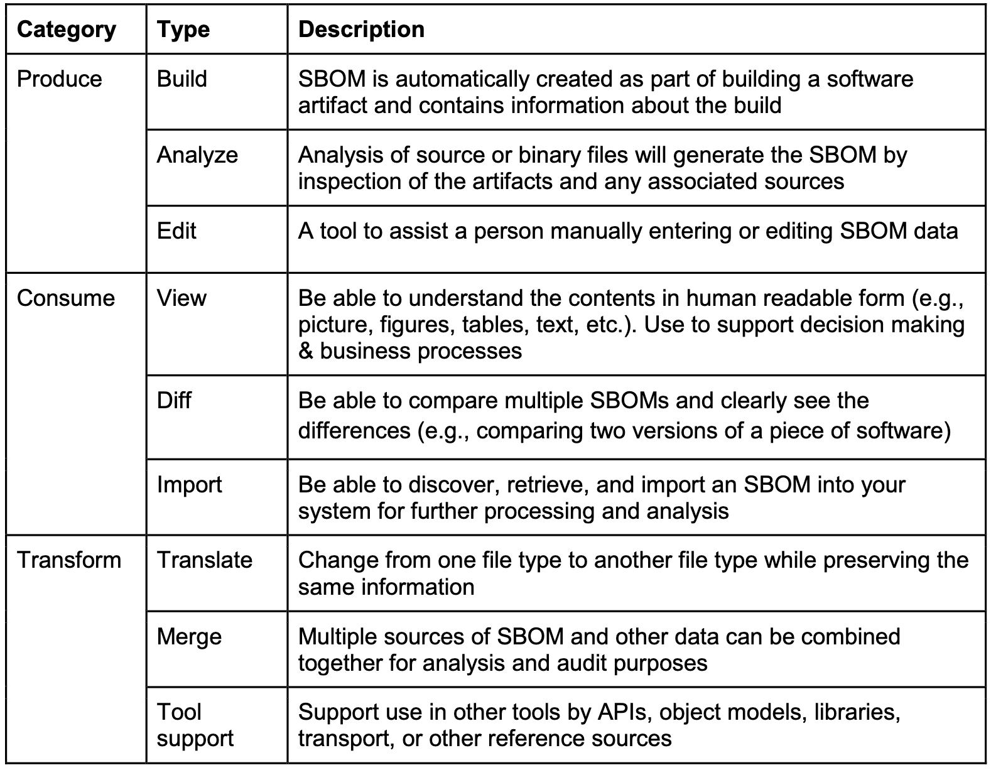
Name | Description | Repo URL | Categories | tool-status | Type |  | Resolved-Tags |  |  |  |  |  |  |  |  | Kelly-Tags |  |  |  |  |  |  |  |  | Ali-Tags
 |  |  |  |  |  |  | PRODUCE |  |  | CONSUME |  |  | TRANSFORM |  |  | PRODUCE |  |  | CONSUME |  |  | TRANSFORM |  |  | PRODUCE |  |  | CONSUME |  |  | TRANSFORM
 |  |  |  |  |  | Supports SPDX | BUILD | ANALYZE | EDIT | VIEW | DIFF | IMPORT | TRANSLATE | MERGE | SUPPORT | BUILD | ANALYZE | EDIT | VIEW | DIFF | IMPORT | TRANSLATE | MERGE | SUPPORT | BUILD | ANALYZE | EDIT | VIEW | DIFF | IMPORT | TRANSLATE | MERGE | SUPPORT
Fortify on Demand | AppSec platform, powered by expert research teams and machine learning/AI, aimed at protecting the integrity of your software supply chain by producing and consuming CycloneDX SBOMs for a wide range of languages and package managers. | proprietary, analysis, build-integration | proprietary | CycloneDX |  | 0 | 1 | 1 | 0 | 1 | 0 | 0 | 0 | 0 | 0 | 1 | 1 | 0 | 1 | 0 | 0 | 0 | 0 | 0 | 1 | 1 | 0 | 1 | 0 | 0 | 0 | 0 | 0
Apiiro | Apiiro enables security & development teams to proactively remediate critical risks in their cloud-native applications such as design flaws, secrets, IaC misconfigurations, API & OSS vulnerabilities across the software supply chain. | proprietary, analysis, build-integration | proprietary | CycloneDX |  | 0 | 1 | 1 | 0 | 1 | 0 | 0 | 0 | 0 | 1 | 1 | 1 | 0 | 1 | 0 | 0 | 0 | 0 | 1 | 1 | 1 | 0 | 1 | 0 | 0 | 0 | 0 | 1
Veracode | API to output SBOM in CycloneDX (JSON) format based on Veracode's software composition analysis (SCA) scan. | proprietary, analysis | proprietary | CycloneDX |  | 0 | 1 | 1 | 0 | 0 | 0 | 0 | 0 | 0 | 0 | 1 | 1 | 0 | 0 | 0 | 0 | 0 | 0 | 0 | 1 | 1 | 0 | 0 | 0 | 0 | 0 | 0 | 0
Cybellum SBOM | Analyzes binary artifacts to generate SBoM including context based analysis to perform accurate vulnerability assessment | proprietary, analysis | proprietary | CycloneDX |  | 0 | 1 | 1 | 1 | 1 | 0 | 1 | 1 | 1 | 1 | 1 | 1 | 0 | 1 | 1 | 1 | 1 | 1 | 1 | 1 | 1 | 1 | 1 | 0 | 1 | 1 | 1 | 1
Jake | An OSS Index integration to check your Conda environments for vulnerable Open Source packages | https://github.com/sonatype-nexus-community/jake | opensource, build-integration | opensource | CycloneDX | 0 | 1 | 0 | 0 | 1 | 0 | 0 | 0 | 0 | 0 | 1 | 1 | 0 | 1 | 0 | 0 | 0 | 1 | 0 | 1 | 0 | 0 | 1 | 0 | 0 | 0 | 0 | 0
gobom | An extensible CycloneDX BOM generator and Dependency-Track API client written in Go | https://github.com/mattermost/gobom | opensource, build-integration | opensource | CycloneDX | 0 | 1 | 0 | 0 | 0 | 0 | 0 | 0 | 1 | 0 | 1 | 0 | 0 | 0 | 0 | 0 | 0 | 1 | 0 | 1 | 0 | 0 | 0 | 0 | 0 | 0 | 0 | 0
Vuls | Agent-less vulnerability scanner for Linux, FreeBSD, containers, WordPress, programming language libraries and network devices which outputs CycloneDX Vulnerability Disclosure Reports (VDR) | https://github.com/future-architect/vuls | opensource, analysis | opensource | CycloneDX | 0 | 1 | 1 | 0 | 1 | 0 | 0 | 0 | 0 | 0 | 1 | 1 | 0 | 1 | 0 | 0 | 0 | 0 | 0 | 1 | 0 | 0 | 1 | 0 | 0 | 0 | 0 | 0
CycloneDX Web Tool | A web based tool incorporating many common utilities including: convert between SBOM formats, merge multiple SBOMs, validate an SBOM | https://github.com/CycloneDX/cyclonedx-web-tool | opensource, transform | opensource | CycloneDX | 0 | 0 | 0 | 0 | 1 | 0 | 0 | 1 | 1 | 0 | 0 | 0 | 0 | 1 | 0 | 0 | 1 | 1 | 0 | 0 | 0 | 0 | 1 | 0 | 0 | 1 | 1 | 0
Grype | A vulnerability scanner for container images and filesystems. | https://github.com/anchore/grype | opensource, build-integration | opensource | CycloneDX | 1 | 1 | 0 | 0 | 1 | 0 | 1 | 0 | 0 | 0 | 1 | 1 | 0 | 1 | 0 | 1 | 0 | 0 | 0 | 1 | 0 | 0 | 1 | 0 | 1 | 0 | 0 | 0
Covenant | A tool to generate SBOMs in CycloneDX or SPDX formats from source code artifacts (.NET 5/.NET 6, .NET Core, or NPM). | https://github.com/patriksvensson/covenant | opensource, transform | opensource | CycloneDX | 1 | 1 | 0 | 0 | 1 | 0 | 0 | 1 | 0 | 1 | 1 | 1 | 0 | 1 | 0 | 0 | 1 | 0 | 0 | 1 | 0 | 0 | 1 | 0 | 0 | 1 | 0 | 1
Parlay | A tool for enriching CycloneDX SBOMs with additional data such as vulnerability information, licences, external links, the maintainer, etc. | https://github.com/snyk/parlay | opensource, transform | opensource | CycloneDX | 1 | 0 | 0 | 1 | 0 | 0 | 0 | 0 | 0 | 0 | 1 | 0 | 1 | 0 | 0 | 0 | 0 | 0 | 0 | 0 | 0 | 1 | 0 | 0 | 0 | 0 | 0 | 0
macaron | A supply chain security analysis tool and policy engine that checks conformance to frameworks, such as SLSA. It integrates CycloneDX SBOM generator tools or takes an existing CycloneDX SBOM as input if available. | https://github.com/oracle/macaron | opensource, analysis | opensource | CycloneDX | 0 | 0 | 0 | 0 | 0 | 0 | 1 | 0 | 0 | 1 | 0 | 1 | 0 | 0 | 0 | 1 | 0 | 0 | 1 | 0 | 0 | 0 | 0 | 0 | 1 | 0 | 0 | 1
OSS Review Toolkit (ORT) | A suite of tools to assist with reviewing Open Source Software dependencies. | https://github.com/oss-review-toolkit/ort | opensource, build-integration, transform, library | opensource | CycloneDX | 1 | 1 | 1 | 0 | 1 | 1 | 1 | 0 | 0 | 0 | 1 | 1 | 0 | 1 | 1 | 1 | 0 | 0 | 0 | 1 | 1 | 0 | 1 | 1 | 1 | 0 | 0 | 0
CycloneDX Rust | A Rust library to encode and decode the CycloneDX object model | https://github.com/doddi/cyclonedx-rust | opensource, library | opensource | CycloneDX | 0 | 0 | 0 | 0 | 0 | 0 | 0 | 0 | 0 | 1 | 0 | 0 | 0 | 0 | 0 | 0 | 0 | 0 | 1 | 0 | 0 | 0 | 0 | 0 | 0 | 0 | 0 | 1
Lib4sbom | A Python library to consume and generate SBOMs in either CycloneDX or SPDX formats. | https://github.com/anthonyharrison/lib4sbom | opensource, library | opensource | CycloneDX | 1 | 1 | 0 | 1 | 0 | 0 | 1 | 0 | 0 | 0 | 1 | 1 | 0 | 1 | 0 | 0 | 1 | 0 | 0 | 1 | 0 | 1 | 0 | 0 | 0 | 0 | 0 | 0
LicenseComplianceTool | A Jenkins plugin to create listings of third-party components and their licenses | https://github.com/medavis-gmbh/LicenseComplianceTool | opensource, build-integration | opensource | CycloneDX | 0 | 0 | 0 | 1 | 0 | 0 | 1 | 0 | 0 | 0 | 1 | 0 | 0 | 0 | 0 | 1 | 0 | 0 | 0 | 0 | 0 | 1 | 0 | 0 | 1 | 0 | 0 | 0
Codenotary CAS Notarize Docker Image and SBOM | A GitHub Action which notarizes and creates an SBOM for Docker images. | https://github.com/codenotary/cas-notarize-docker-image-bom-github-action | opensource, signing-notary, github-action | opensource | CycloneDX | 1 | 1 | 0 | 0 | 1 | 0 | 0 | 0 | 0 | 0 | 1 | 0 | 0 | 1 | 0 | 0 | 0 | 0 | 0 | 1 | 0 | 0 | 1 | 0 | 0 | 0 | 0 | 0
Codenotary CAS Authenticate Docker Image and SBOM | A GitHub Action which authenticates notarized Docker images and SBOMs. | https://github.com/codenotary/cas-authenticate-docker-bom-github-action | opensource, signing-notary, github-action | opensource | CycloneDX | 1 | 1 | 0 | 0 | 1 | 0 | 0 | 0 | 0 | 0 | 1 | 0 | 0 | 1 | 0 | 0 | 0 | 0 | 0 | 1 | 0 | 0 | 1 | 0 | 0 | 0 | 0 | 0
Arsenal | A free online toolset for software supply chain analysis, including AI-powered SBOM/SaaSBOM building and risk analysis services for COTS software, open-source software artifacts, public code repositories, and public docker images. | analysis, proprietary | proprietary | CycloneDX |  | 0 | 1 | 1 | 0 | 1 | 0 | 1 | 0 | 0 | 0 | 1 | 1 | 0 | 1 | 0 | 1 | 0 | 1 | 0 | 1 | 0 | 0 | 1 | 0 | 1 | 0 | 0 | 0
Bytesafe | A Dependency Firewall that protects organizations from malicious dependencies. Detect and prevent vulnerabilities across the software supply chain. +SCA +CycloneDX SBOMs +License compliance +Secure package management | proprietary, analysis | proprietary | CycloneDX |  | 1 | 0 | 1 | 0 | 1 | 0 | 1 | 0 | 0 | 1 | 0 | 1 | 0 | 1 | 0 | 1 | 0 | 0 | 1 | 0 | 1 | 0 | 1 | 0 | 1 | 0 | 0 | 1

