DATA SET 1(No Window Used)-36 U
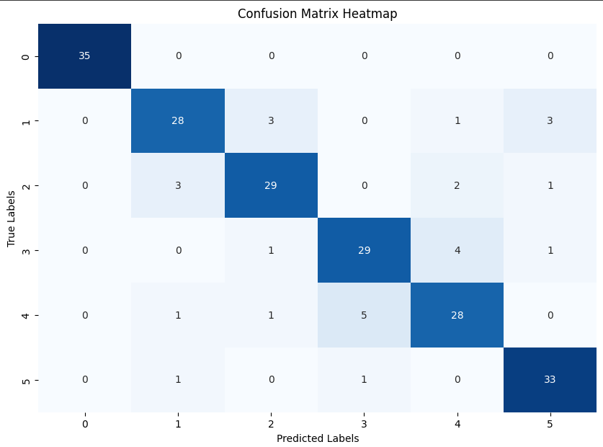
 |  |  | DATA SET 1

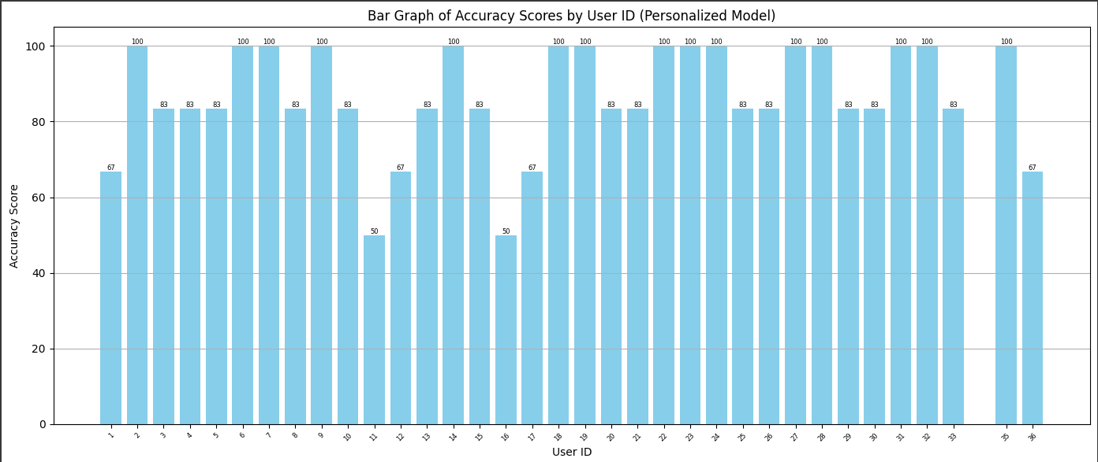

A)PERSONALISED MODEL

Mean accuracy = 86.67%
Std dev = 14.25%

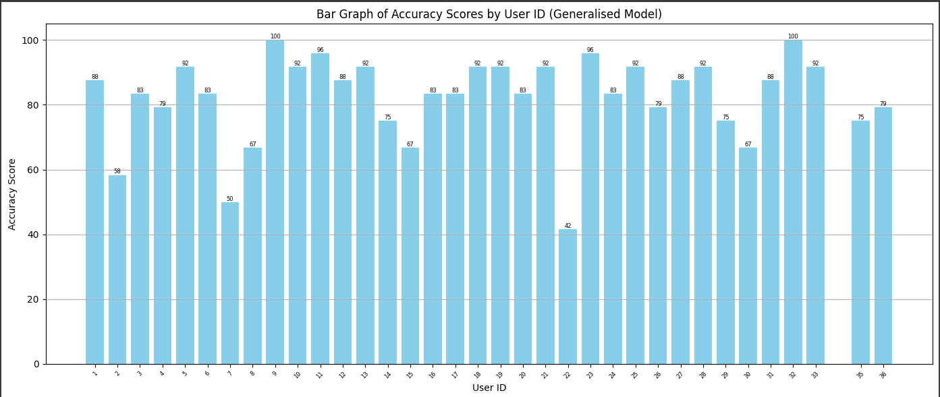

B)GENERALISED MODEL

Mean accuracy = 82.26%
Std dev = 13.18%

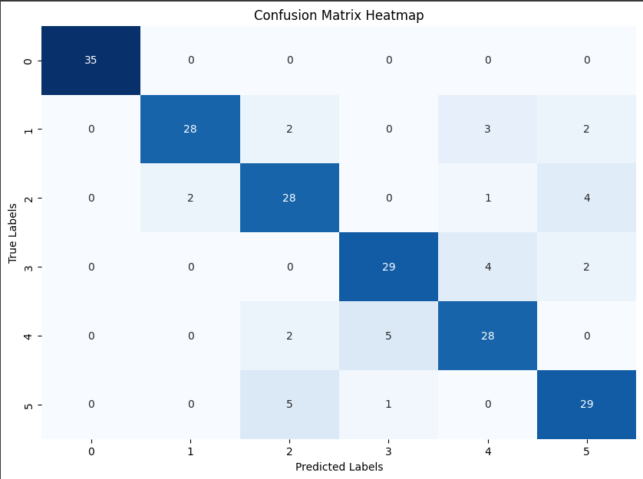
C)ACTIVE LEARNING MODEL | Sampling Technique - Uncertainity

 | Confusion matrix corresponing to Seed sample/Oppurtunistic query sample/Test = 25/50/25
 | Max accuracy at threshold = 0.8

1)Varying Threshold-
 |  | Threshold | Mean accuracy | Mean savings | Mean F1 score(macro)
Seed sample/Oppurtunistic query sample/Test = 25/50/25 |  | 0.1 | 81.9 | 66.67 | 77.3
 |  | 0.2 | 81.9 | 66.67 | 77.3
 |  | 0.3 | 80.95 | 66.19 | 76.11
 |  | 0.4 | 80 | 65.55 | 74.68
 |  | 0.5 | 80 | 64.76 | 74.68
 |  | 0.6 | 82.85 | 59.84 | 78.65
 |  | 0.7 | 83.33 | 54.92 | 79.04
 |  | 0.8 | 84.28 | 48.25 | 80.23
 |  | 0.9 | 84.28 | 41.74 | 80.07

Mean Savings vs. Gesture Name

GESTURE WISE SAVINGS
 |  | Gesture number | Gesture Name | Mean Savings(0.8)
 |  | Gesture 1 | hand at rest | 61.9
 |  | Gesture 2 | hand clenched in a fist | 50.47
 |  | Gesture 3 | wrist flexion | 36.19
Seed sample/Oppurtunistic query sample/Test = 25/50/25 |  | Gesture 4 | wrist extension | 51.42
Max accuracy at Threshold = 0.8 |  | Gesture 5 | radial deviations | 42.85
 |  | Gesture 6 | ulnar deviations | 46.66

 |  | Threshold | Mean_Retrain_Count | Mean accuracy | Mean savings | Mean F1 score(macro)
 |  | 0.1 | 0 | 81.9 | 66.67 | 77.3
 |  | 0.2 | 0 | 81.9 | 66.67 | 77.3
 |  | 0.3 | 0 | 80.95 | 66.19 | 76.11
 |  | 0.4 | 0.14 | 80 | 65.55 | 74.68
 |  | 0.5 | 0.25 | 80 | 64.76 | 74.68
 |  | 0.6 | 0.74 | 82.85 | 59.84 | 78.65
 |  | 0.7 | 1.08 | 83.33 | 54.92 | 79.04
 |  | 0.8 | 1.77 | 84.28 | 48.25 | 80.23
 |  | 0.9 | 2.42 | 84.28 | 41.74 | 80.07

All Gestures(corrected_index)
 |  |  | ALL GESTURES(11 gestures)

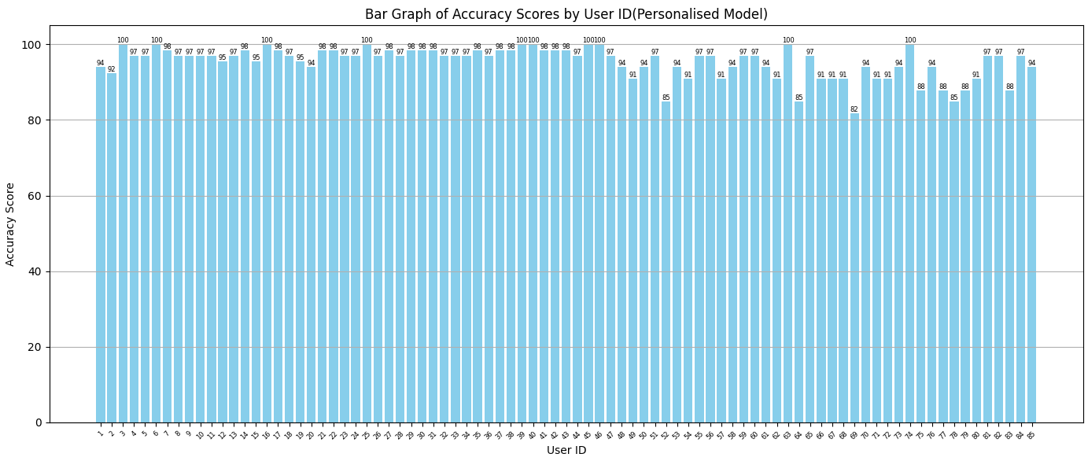
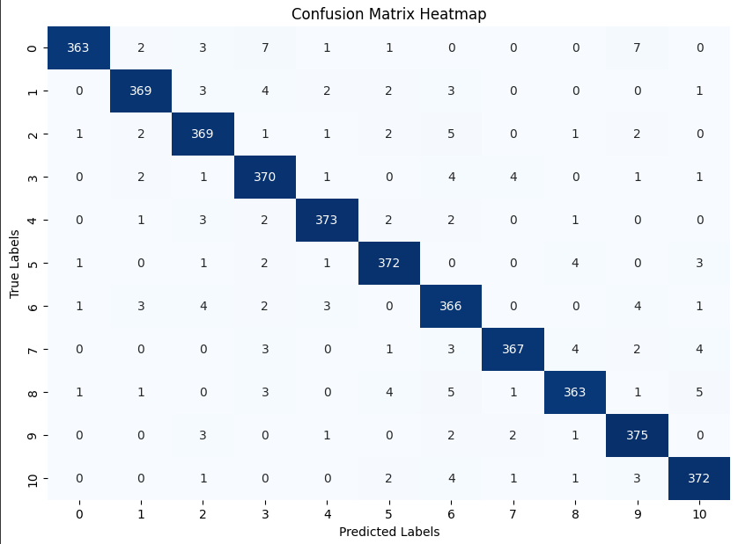
A)PERSONALISED MODEL

Mean_accuracy = 95.34%
Std_dev = 4.05%

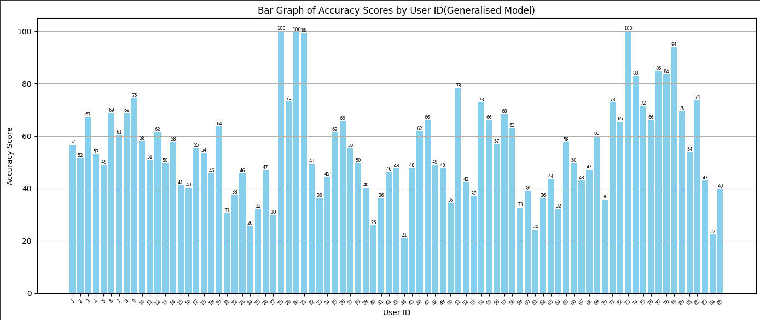

B)GENERALISED MODEL

Mean_accuracy = 54.68%
Std_dev = 18.47%

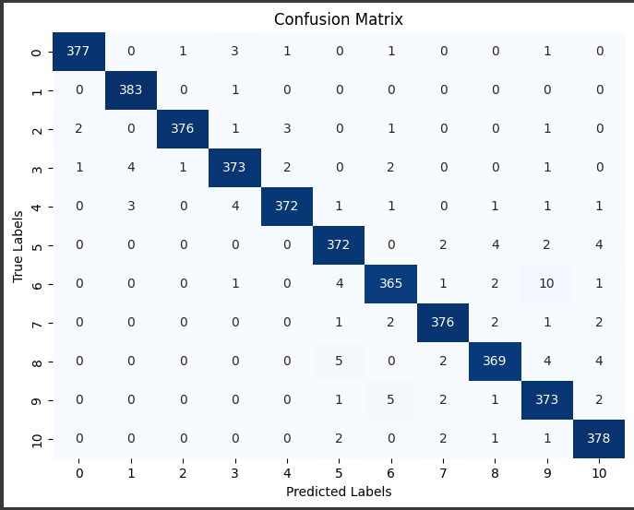

C)ACTIVE LEARNING MODEL | Sampling Technique - Uncertainity

 | Confusion matrix corresponing to Seed sample/Oppurtunistic query sample/Test = 40/40/20
 | Max accuracy at threshold = 0.2

1)Varying Threshold-
 |  | Threshold | Mean accuracy | Mean savings | Mean F1 score(macro) |  | Threshold | Mean accuracy | Mean savings | Mean F1 score(macro)
Seed sample/Oppurtunistic query sample/Test = 40/40/20 |  | 0.1 | 96.98 | 50 | 96.89 |  | 0.1 | 96.98 | 50 | 96.89
 |  | 0.2 | 96.98 | 50 | 96.89 |  | 0.2 | 96.98 | 50 | 96.89
 |  | 0.3 | 97.13 | 49.97 | 97.04 |  | 0.3 | 97.13 | 49.97 | 97.04
 |  | 0.4 | 97.29 | 49.81 | 97.21 |  | 0.4 | 97.29 | 49.81 | 97.21
 |  | 0.5 | 97.3 | 49.25 | 97.23 |  | 0.5 | 97.3 | 49.25 | 97.23
 |  | 0.6 | 97.27 | 48.47 | 97.17 |  | 0.6 | 97.27 | 48.47 | 97.17
 |  | 0.7 | 97.29 | 47.51 | 97.18 |  | 0.7 | 97.29 | 47.51 | 97.18
 |  | 0.8 | 97.3 | 46.06 | 97.22 |  | 0.8 | 97.3 | 46.06 | 97.22
 |  | 0.9 | 97.25 | 43.11 | 79.16 |  | 0.9 | 97.25 | 43.11 | 79.16

2)Varying seed sample of base model |  | Seed sample(%) | Mean accuracy | Mean savings | Mean F1 score(macro) |  | Seed sample(%) | Mean accuracy | Mean savings | Mean F1 score(macro)
 |  | 20 | 94.49 | 73.08 | 94.15 |  | 20 | 94.49 | 73.08 | 94.15
Test set = 20% |  | 25 | 94.59 | 67.03 | 94.26 |  | 25 | 94.59 | 67.03 | 94.26
Oppurtunistic query = 80 - Seed sample(%) |  | 30 | 96.18 | 61.15 | 96 |  | 30 | 96.18 | 61.15 | 96
Max accuracy at Threshold = 0.5 |  | 35 | 96.7 | 55.23 | 96.55 |  | 35 | 96.7 | 55.23 | 96.55
 |  | 40 | 97.3 | 49.25 | 97.23 |  | 40 | 97.3 | 49.25 | 97.23
 |  | 45 | 97.43 | 43.05 | 97.34 |  | 45 | 97.43 | 43.05 | 97.34
 |  | 50 | 97.8 | 37.06 | 97.74 |  | 50 | 97.8 | 37.06 | 97.74
 |  | 55 | 97.78 | 31.02 | 97.72 |  | 55 | 97.78 | 31.02 | 97.72
 |  | 60 | 98.03 | 24.72 | 97.97 |  | 60 | 98.03 | 24.72 | 97.97

3)Varying Oppurtunistic query sample
 |  | Oppurtunistic query sample(%) | Mean accuracy | Mean Savings | Mean F1 score(macro) |  | Oppurtunistic query sample(%) | Mean accuracy | Mean Savings | Mean F1 score(macro)
Seed sample = 40% |  | 0 | 96.98 | 50 | 96.89 |  | 0 | 96.98 | 50 | 96.89
Test sample = 20% |  | 5 | 96.98 | 49.99 | 96.89 |  | 5 | 96.98 | 49.99 | 96.89
Max accuracy at Threshold = 0.5 |  | 10 | 97.07 | 49.88 | 96.99 |  | 10 | 97.07 | 49.88 | 96.99
 |  | 15 | 97.11 | 49.83 | 97.03 |  | 15 | 97.11 | 49.83 | 97.03
 |  | 20 | 97.04 | 49.73 | 96.96 |  | 20 | 97.04 | 49.73 | 96.96
 |  | 25 | 97.09 | 49.69 | 97.01 |  | 25 | 97.09 | 49.69 | 97.01
 |  | 30 | 97.23 | 49.53 | 97.16 |  | 30 | 97.23 | 49.53 | 97.16
 |  | 35 | 97.2 | 49.38 | 97.11 |  | 35 | 97.2 | 49.38 | 97.11
 |  | 40 | 97.3 | 49.25 | 97.23 |  | 40 | 97.3 | 49.25 | 97.23

Mean Retrain Count |  | Threshold | Mean Retrain Count | Mean accuracy | Mean Savings | Mean F1 score(macro)
 |  | 0.1 | 0 | 96.98 | 50 | 96.89
 |  | 0.2 | 0 | 96.98 | 50 | 96.89
 |  | 0.3 | 0.04 | 97.13 | 49.97 | 97.04
 |  | 0.4 | 0.34 | 97.29 | 49.81 | 97.21
 |  | 0.5 | 1.32 | 97.3 | 49.25 | 97.23
 |  | 0.6 | 2.81 | 97.27 | 48.47 | 97.17
 |  | 0.7 | 4.65 | 97.29 | 47.51 | 97.18
 |  | 0.8 | 7.31 | 97.3 | 46.06 | 97.22
 |  | 0.9 | 12.64 | 97.25 | 43.11 | 97.16

EMP-EPN 306 Users
 |  |  | EMG-EPN(306 Users)

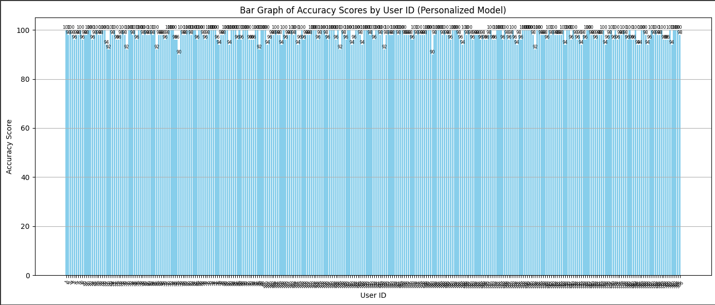
A)PERSONALISED MODEL
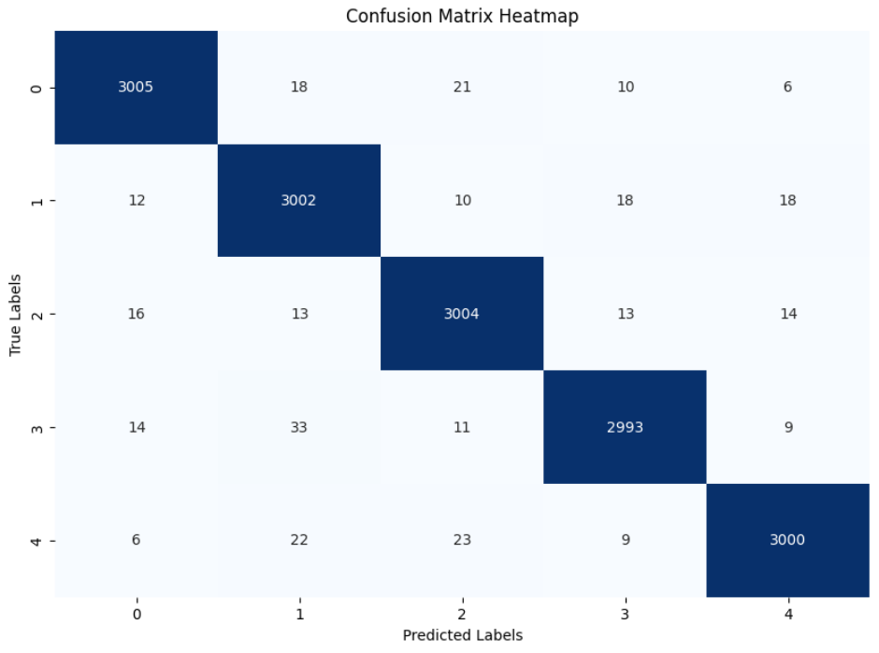

Mean_accuracy = 98.06%
Std_dev = 2.12%

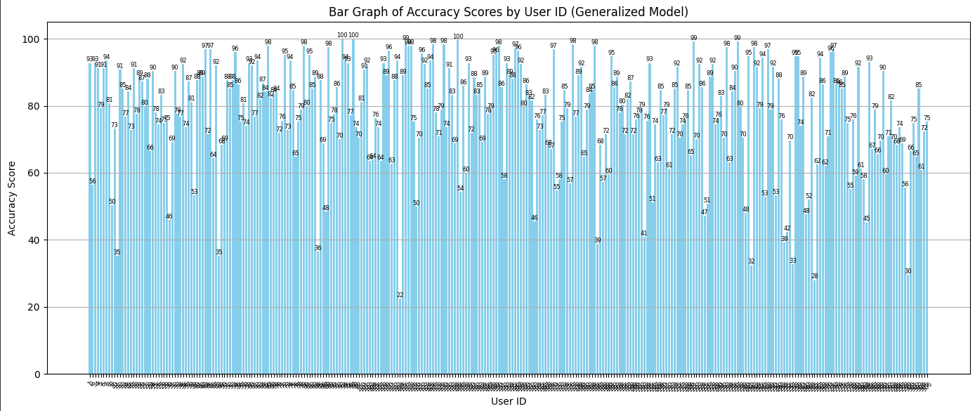

B)GENERALISED MODEL

Mean_accuracy = 77.81%
Std_dev = 15.6%

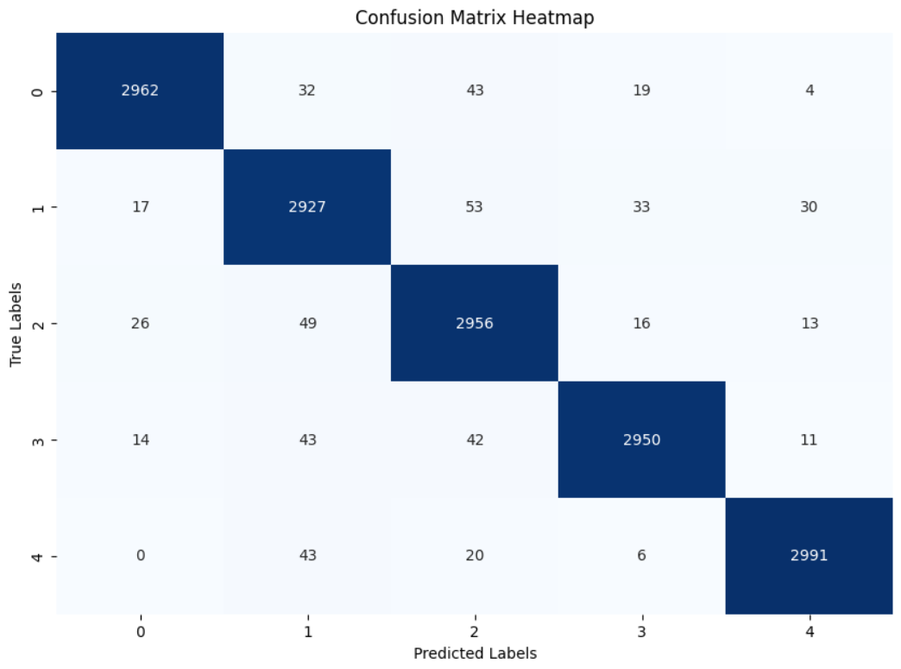

C)ACTIVE LEARNING MODEL | Sampling Technique - Uncertainity

 | Confusion matrix corresponing to Seed sample/Oppurtunistic query sample/Test = 40/40/20
 | Max accuracy at threshold = 0.8

1)Varying Threshold-
 |  | Threshold | Mean accuracy | Mean savings | Mean F1 score(macro) | Threshold | Mean accuracy | Mean savings | Mean F1 score(macro)
Seed sample/Oppurtunistic query sample/Test = 40/40/20 |  | 0.1 | 96.51 | 50 | 96.47 | 0.1 | 96.98 | 50 | 96.89
 |  | 0.2 | 96.51 | 50 | 96.47 | 0.2 | 96.98 | 50 | 96.89
 |  | 0.3 | 96.51 | 49.99 | 96.47 | 0.3 | 97.13 | 49.97 | 97.04
 |  | 0.4 | 96.57 | 49.87 | 96.51 | 0.4 | 97.29 | 49.81 | 97.21
 |  | 0.5 | 96.51 | 49.39 | 96.46 | 0.5 | 97.3 | 49.25 | 97.23
 |  | 0.6 | 96.48 | 48.36 | 96.42 | 0.6 | 97.27 | 48.47 | 97.17
 |  | 0.7 | 96.51 | 47.02 | 96.45 | 0.7 | 97.29 | 47.51 | 97.18
 |  | 0.8 | 96.64 | 45.19 | 96.59 | 0.8 | 97.3 | 46.06 | 97.22
 |  | 0.9 | 96.52 | 41.29 | 96.48 | 0.9 | 97.25 | 43.11 | 79.16

2)Varying seed sample of base model |  | Seed sample(%) | Mean accuracy | Mean savings | Mean F1 score(macro) | Seed sample(%) | Mean accuracy | Mean savings | Mean F1 score(macro)
 |  | 20 | 95.33 | 66.86 | 95.26 | 20 | 94.49 | 73.08 | 94.15
Test set = 20% |  | 25 | 95.6 | 61.71 | 95.52 | 25 | 94.59 | 67.03 | 94.26
Oppurtunistic query = 80 - Seed sample(%) |  | 30 | 96.18 | 56.3 | 96.11 | 30 | 96.18 | 61.15 | 96
Max accuracy at Threshold = 0.8 |  | 35 | 96.4 | 50.97 | 96.36 | 35 | 96.7 | 55.23 | 96.55
 |  | 40 | 96.64 | 45.19 | 96.59 | 40 | 97.3 | 49.25 | 97.23
 |  | 45 | 96.85 | 39.75 | 96.81 | 45 | 97.43 | 43.05 | 97.34
 |  | 50 | 96.9 | 34 | 96.86 | 50 | 97.8 | 37.06 | 97.74
 |  | 55 | 97.09 | 28.56 | 97.05 | 55 | 97.78 | 31.02 | 97.72
 |  | 60 | 97.23 | 22.74 | 97.2 | 60 | 98.03 | 24.72 | 97.97
 |  | 70
 |  | 80 | 97.55 | 0 | 97.53

3)Varying Oppurtunistic query sample
 |  | Oppurtunistic query sample(%) | Mean accuracy | Mean Savings | Mean F1 score(macro) | Oppurtunistic query sample(%) | Mean accuracy | Mean Savings | Mean F1 score(macro)
Seed sample = 40% |  | 0 | 96.51 | 50 | 96.47 | 0 | 96.98 | 50 | 96.89
Test sample = 20% |  | 5 | 96.66 | 49.47 | 96.63 | 5 | 96.98 | 49.99 | 96.89
Max accuracy at Threshold = 0.8 |  | 10 | 96.65 | 48.75 | 96.61 | 10 | 97.07 | 49.88 | 96.99
 |  | 15 | 96.7 | 48.22 | 96.67 | 15 | 97.11 | 49.83 | 97.03
 |  | 20 | 96.7 | 47.54 | 96.65 | 20 | 97.04 | 49.73 | 96.96
 |  | 25 | 96.7 | 47.07 | 96.67 | 25 | 97.09 | 49.69 | 97.01
 |  | 30 | 96.64 | 46.42 | 96.59 | 30 | 97.23 | 49.53 | 97.16
 |  | 35 | 96.67 | 45.95 | 96.63 | 35 | 97.2 | 49.38 | 97.11
 |  | 40 | 96.64 | 45.19 | 96.59 | 40 | 97.3 | 49.25 | 97.23

Mean Savings(0.8) vs. Gesture Name

GESTURE WISE SAVINGS
 |  | Gesture number | Gesture Name | Mean Savings(0.8)
 |  | Gesture 1 | Fist | 46.25
 |  | Gesture 2 | Open | 42.41
 |  | Gesture 3 | Pinch | 44.1
Seed sample/Oppurtunistic query sample/Test = 40/40/20 |  | Gesture 4 | waveIn | 45.89
Max accuracy at Threshold = 0.8 |  | Gesture 5 | waveOut | 47.32

User Study Dataset(30 users tak
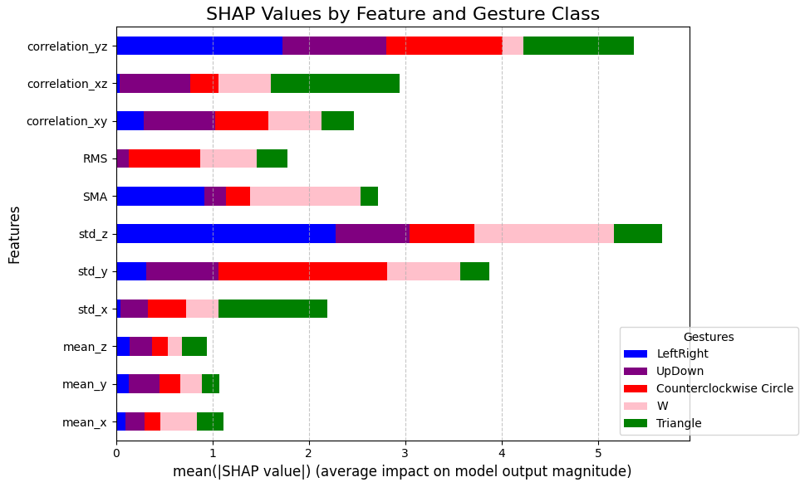
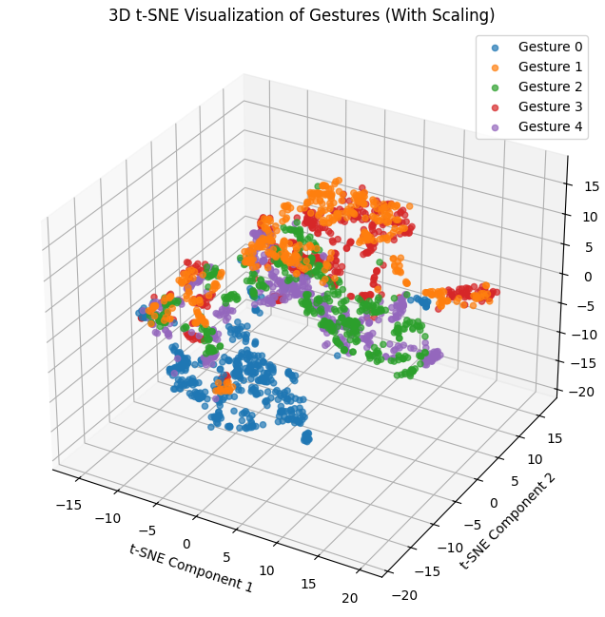
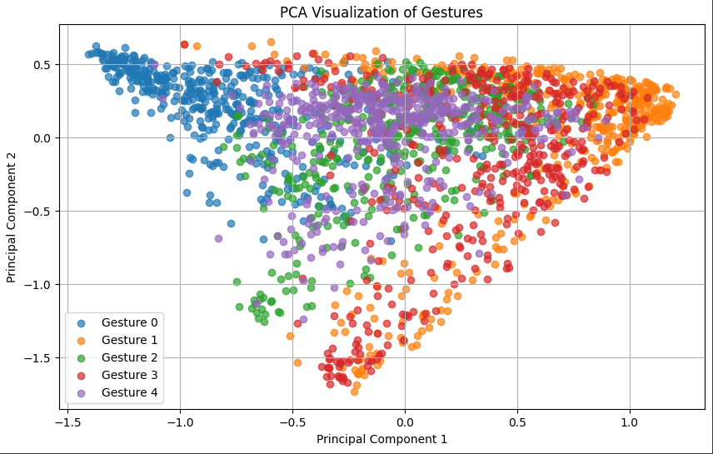
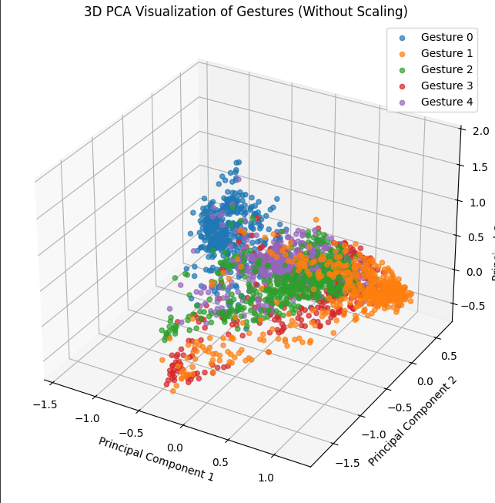
 |  |  | Number of Users - 30 - (17 Males and 13 Females)

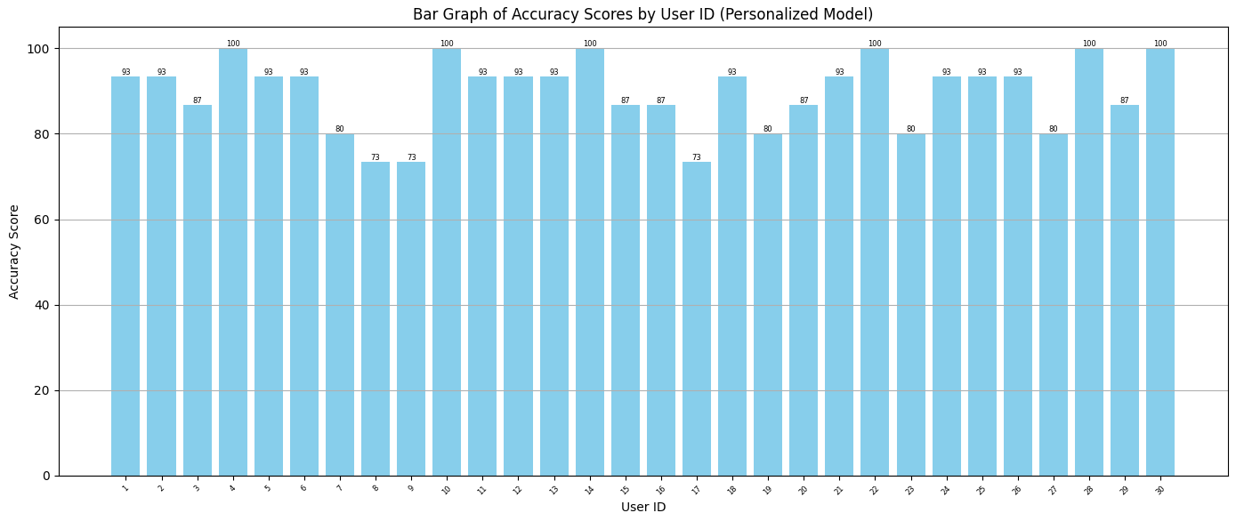
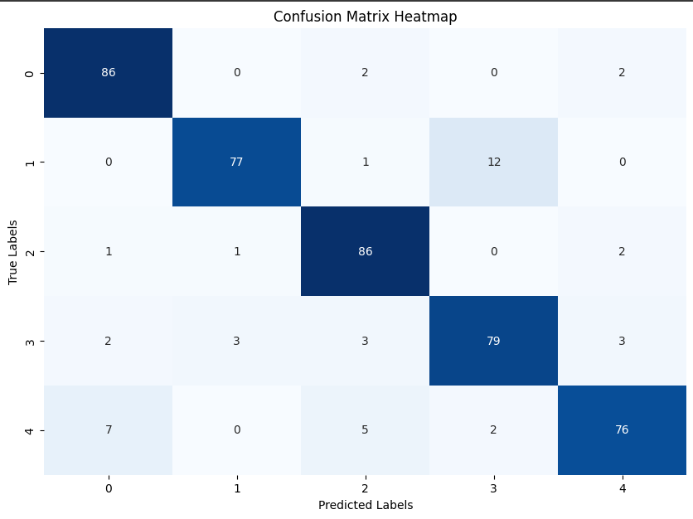

A)PERSONALISED MODEL

Mean accuracy = 89.77%
Std dev = 8.21%
Mean f1 = 89.41%

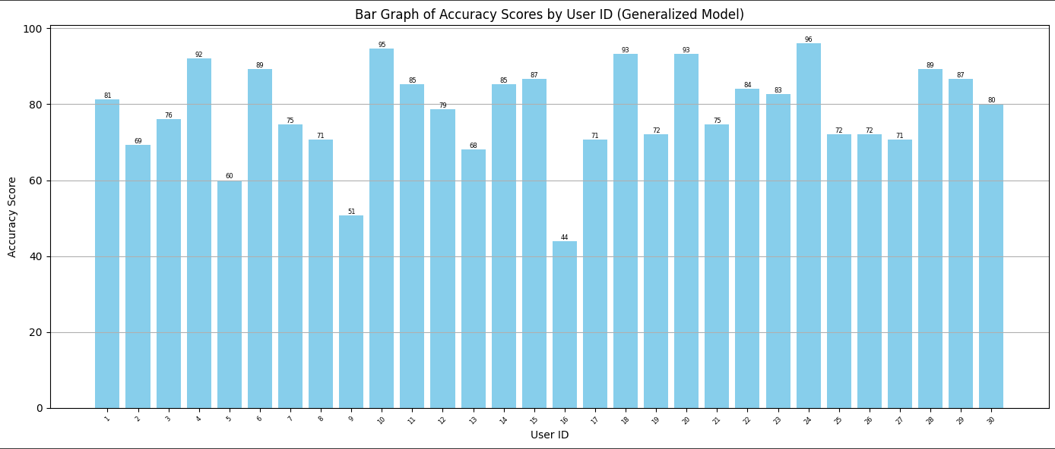

B)GENERALISED MODEL

Mean accuracy = 78.13%
Std dev = 12.31%
Mean f1 = 76.7%

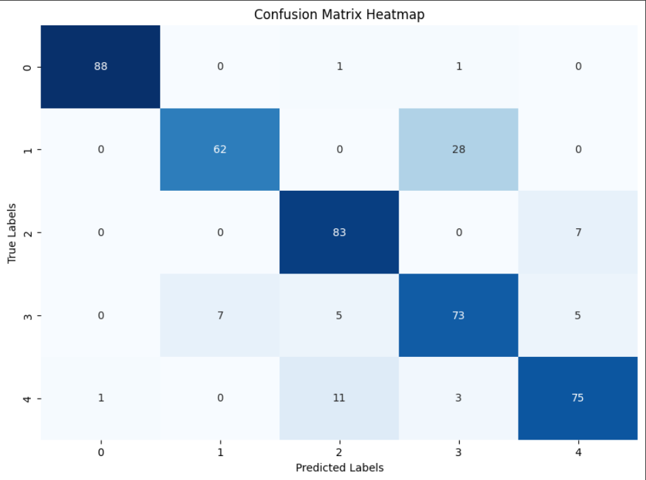

C)ACTIVE LEARNING MODEL | Sampling Technique - Uncertainity

 | Confusion matrix corresponing to Seed sample/Oppurtunistic query sample/Test = 40/40/20
 | Max accuracy at threshold = 0.6

1)Varying Threshold-
 |  | Threshold | Mean accuracy | Mean savings | Mean F1 score(macro)
Seed sample/Oppurtunistic query sample/Test = 40/40/20 |  | 0.1 | 83.33 | 50 | 81.07
 |  | 0.2 | 83.33 | 50 | 81.07
 |  | 0.3 | 83.33 | 50 | 81.07
 |  | 0.4 | 83.33 | 49.77 | 81.07
 |  | 0.5 | 84.22 | 48.77 | 82.15
 |  | 0.6 | 84.67 | 46.38 | 82.43
 |  | 0.7 | 84.22 | 43.22 | 81.98
 |  | 0.8 | 83.55 | 39.83 | 81.43
 |  | 0.9 | 83.11 | 34.83 | 80.96

2)Varying seed sample of base model
 |  | Seed sample(%) | Mean accuracy | Mean savings | Mean F1 score(macro)
Test set = 20% |  | 20 | 81.55 | 67 | 79.31
Oppurtunistic query = 80 - Seed sample(%) |  | 25 | 80 | 62.13 | 77.72
Max accuracy at Threshold = 0.6 |  | 30 | 82 | 57.38 | 80.13
 |  | 35 | 83.77 | 52.19 | 81.24
 |  | 40 | 84.67 | 46.38 | 82.43
 |  | 45 | 84.67 | 41.02 | 82.45
 |  | 50 | 86.22 | 35.44 | 84.58
 |  | 55 | 89.11 | 29.8 | 88.12
 |  | 60 | 88.44 | 23.55 | 87.19
 |  | 65 | 88.67 | 18.02 | 87.61
 |  | 70 | 90.22 | 12.16 | 89.28
 |  | 80 | 91.77 | 0 | 91.11

3)Varying Oppurtunistic query sample
 |  | Oppurtunistic query sample(%) | Mean accuracy | Mean Savings | Mean F1 score(macro)
Seed sample = 40% |  | 0 | 83.33 | 50 | 81.07
Test sample = 20% |  | 5 | 83.33 | 50 | 81.07
Max accuracy at Threshold = 0.6 |  | 10 | 84.67 | 49.5 | 82.63
 |  | 15 | 84 | 48.33 | 81.97
 |  | 20 | 84 | 48.55 | 81.87
 |  | 25 | 84 | 48.55 | 81.87
 |  | 30 | 84.44 | 47.94 | 82.18
 |  | 35 | 84.67 | 47.27 | 82.45
 |  | 40 | 84.67 | 46.38 | 82.43

Mean Savings(0.6) vs. Gesture Name

GESTURE WISE SAVINGS
 |  | Gesture number | Gesture Name | Mean Savings(0.6)
 |  | Gesture 1 | LeftRight | 48.88
 |  | Gesture 2 | UpDown | 45.55
 |  | Gesture 3 | Counterclockwise Circle | 47.22
Seed sample/Oppurtunistic query sample/Test = 40/40/20 |  | Gesture 4 | W | 43.61
Max accuracy at Threshold = 0.6 |  | Gesture 5 | Triangle | 46.67

