countingperdepartment
 |  | Persons in each department

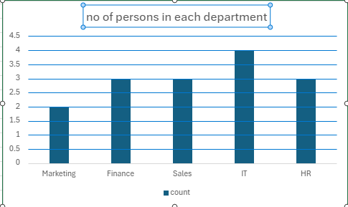
department | count
Marketing | 2
Finance | 3
Sales | 3
IT | 4
HR | 3

